2019
2019 |  |  |  |  |  |  |  |  |  |  |  |  |  |  |  |  |  |  |  |  | Notes
 |  |  |  |  |  |  |  |  |  |  |  |  |  |  |  |  |  |  |  |  |  | Excel Calendar Template
January |  |  |  |  |  |  | February |  |  |  |  |  |  | March |  |  |  |  |  |  |  | © 2016 Vertex42 LLC
Su | M | Tu | W | Th | F | Sa | Su | M | Tu | W | Th | F | Sa | Su | M | Tu | W | Th | F | Sa

 |  | 1 | 2 | 3 | 4 | 5 |  |  |  |  |  | 1 | 2 |  |  |  |  |  | 1 | 2
6 | 7 | 8 | 9 | 10 | 11 | 12 | 3 | 4 | 5 | 6 | 7 | 8 | 9 | 3 | 4 | 5 | 6 | 7 | 8 | 9
13 | 14 | 15 | 16 | 17 | 18 | 19 | 10 | 11 | 12 | 13 | 14 | 15 | 16 | 10 | 11 | 12 | 13 | 14 | 15 | 16
20 | 21 | 22 | 23 | 24 | 25 | 26 | 17 | 18 | 19 | 20 | 21 | 22 | 23 | 17 | 18 | 19 | 20 | 21 | 22 | 23
27 | 28 | 29 | 30 | 31 |  |  | 24 | 25 | 26 | 27 | 28 |  |  | 24 | 25 | 26 | 27 | 28 | 29 | 30
 |  |  |  |  |  |  |  |  |  |  |  |  |  | 31

April |  |  |  |  |  |  | May |  |  |  |  |  |  | June
Su | M | Tu | W | Th | F | Sa | Su | M | Tu | W | Th | F | Sa | Su | M | Tu | W | Th | F | Sa |  | Related Templates
 | 1 | 2 | 3 | 4 | 5 | 6 |  |  |  | 1 | 2 | 3 | 4 |  |  |  |  |  |  | 1 |  | ► Monthly Calendar with Holidays
7 | 8 | 9 | 10 | 11 | 12 | 13 | 5 | 6 | 7 | 8 | 9 | 10 | 11 | 2 | 3 | 4 | 5 | 6 | 7 | 8 |  | ► Schedules and Planners
14 | 15 | 16 | 17 | 18 | 19 | 20 | 12 | 13 | 14 | 15 | 16 | 17 | 18 | 9 | 10 | 11 | 12 | 13 | 14 | 15 |  | ► More Calendar Templates
21 | 22 | 23 | 24 | 25 | 26 | 27 | 19 | 20 | 21 | 22 | 23 | 24 | 25 | 16 | 17 | 18 | 19 | 20 | 21 | 22
28 | 29 | 30 |  |  |  |  | 26 | 27 | 28 | 29 | 30 | 31 |  | 23 | 24 | 25 | 26 | 27 | 28 | 29
 |  |  |  |  |  |  |  |  |  |  |  |  |  | 30

July |  |  |  |  |  |  | August |  |  |  |  |  |  | September
Su | M | Tu | W | Th | F | Sa | Su | M | Tu | W | Th | F | Sa | Su | M | Tu | W | Th | F | Sa
 | 1 | 2 | 3 | 4 | 5 | 6 |  |  |  |  | 1 | 2 | 3 | 1 | 2 | 3 | 4 | 5 | 6 | 7
7 | 8 | 9 | 10 | 11 | 12 | 13 | 4 | 5 | 6 | 7 | 8 | 9 | 10 | 8 | 9 | 10 | 11 | 12 | 13 | 14
14 | 15 | 16 | 17 | 18 | 19 | 20 | 11 | 12 | 13 | 14 | 15 | 16 | 17 | 15 | 16 | 17 | 18 | 19 | 20 | 21
21 | 22 | 23 | 24 | 25 | 26 | 27 | 18 | 19 | 20 | 21 | 22 | 23 | 24 | 22 | 23 | 24 | 25 | 26 | 27 | 28
28 | 29 | 30 | 31 |  |  |  | 25 | 26 | 27 | 28 | 29 | 30 | 31 | 29 | 30

October |  |  |  |  |  |  | November |  |  |  |  |  |  | December
Su | M | Tu | W | Th | F | Sa | Su | M | Tu | W | Th | F | Sa | Su | M | Tu | W | Th | F | Sa
 |  | 1 | 2 | 3 | 4 | 5 |  |  |  |  |  | 1 | 2 | 1 | 2 | 3 | 4 | 5 | 6 | 7
6 | 7 | 8 | 9 | 10 | 11 | 12 | 3 | 4 | 5 | 6 | 7 | 8 | 9 | 8 | 9 | 10 | 11 | 12 | 13 | 14
13 | 14 | 15 | 16 | 17 | 18 | 19 | 10 | 11 | 12 | 13 | 14 | 15 | 16 | 15 | 16 | 17 | 18 | 19 | 20 | 21
20 | 21 | 22 | 23 | 24 | 25 | 26 | 17 | 18 | 19 | 20 | 21 | 22 | 23 | 22 | 23 | 24 | 25 | 26 | 27 | 28
27 | 28 | 29 | 30 | 31 |  |  | 24 | 25 | 26 | 27 | 28 | 29 | 30 | 29 | 30 | 31 |  |  |  |  | © 2016 Vertex42 LLC

Sheet1
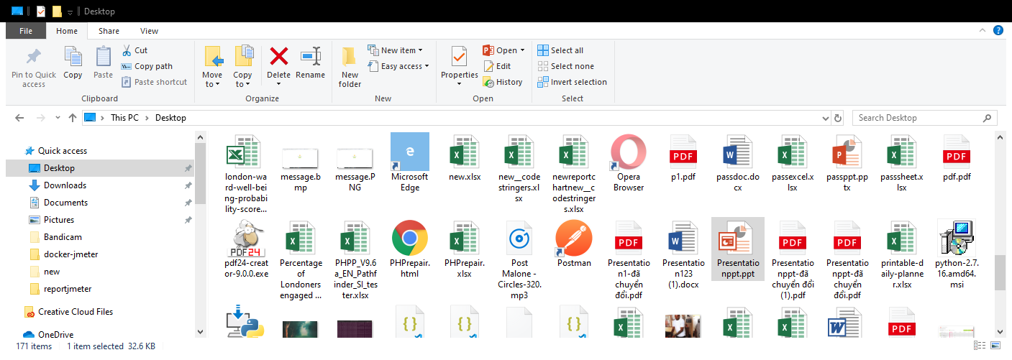
1 | 1 | 1 | 1 | 1 | 1 | 1 | 1 | 1 | 1 | 1 | 1 | 1 | 1 | 1
1
1
1
1 |  |  |  |  |  |  |  |  |  |  |  |  |  | 12
1
1 | 1 | 1 | 1 | 1 | 1 | 1 | 1 | 1 | 1 | 1
1
1
1
This chart isn't available in your version of Excel.
Editing this shape or saving this workbook into a different file format will permanently break the chart.
1

