Phân tích booking-payment
funtion/ page name | fields |  | Condition tessting |  | technique Design
Book now | GUI |  | The screen has: + Check-in Date: Input field with calendar icon, allowing user to select full date + Check-out Date: Same format and behavior as check-in field + Number of Adults: Input field to enter the number of adults. + Number of Children: Input field to enter the number of children. + Rooms + “Book Now” button | 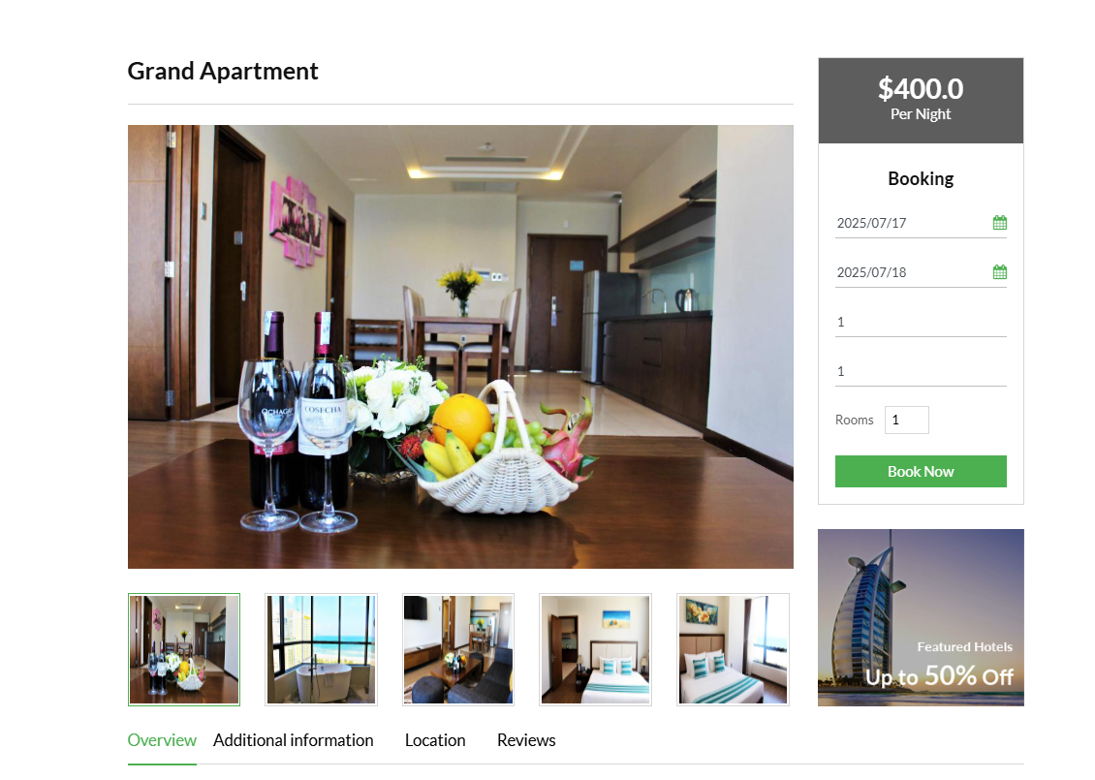 1
 | Happy case |  | - đi tới booking sumary nếu phòng đó có sẵn (pre : phòng có sẵn)
 | Check in |  | - defaul là empty nếu như đi từ view detail của room - defaul là ngày check in từ search mà user đã nhập từ avai room and disable field - vailid check in date : chọn ngày check in từ calendar - vailid check in date : nhập vailid check in date từ bàn phím - unhappy : empty ngày check in trong qkhu nhập chữ , nhập ký tự đặc biệt, ko đúng định dạng | 2
 | Check out |  | Thông tin check in, check out giờ khớp với thông tin user tìm kiếm ở seach availbe --> chỉ được phép xem , ko được phép sửa - defaul là empty nếu như đi từ view detail của room - defaul là ngày check out từ search mà user đã nhập từ avai room and disable field - vailid check out date : chọn ngày check in từ calendar - vailid check out date : nhập vailid check in date từ bàn phím - ngày check out > ngày check in - unhappy : ngày check out = ngày check in nhập chữ , nhập ký tự đặc biệt, ko đúng định dạng
 | "Number of adults" |  | - defaul là empty nếu như đi từ view detail của room - defaul là số người lớn nếu như đi từ search mà user đã nhập từ avai room and disable field - vailid number : chọn số từ chỗ mũi tên lên xún - vailid number : nhập vailid number từ bàn phím un happy : nhập chữ , ký tự đặc biệt, nhập số âm, số thập phân test biên : 0 59 60 61 | 3
 | "Number of children" |  | - defaul là empty nếu như đi từ view detail của room - defaul là số trẻ em nếu như đi từ search mà user đã nhập từ avai room and disable field - vailid number : chọn số từ chỗ mũi tên lên xún - vailid number : nhập vailid number từ bàn phím un happy : nhập chữ , ký tự đặc biệt, nhập số âm, số thập phân test biên : 0 29 30 31
 | "Rooms" |  | - defaul là empty nếu như đi từ view detail của room - defaul là số phòng phù hợp với số người lớn và trẻ em nếu như đi từ search mà user đã nhập từ avai room and disable field - tự động tăng số lượng phòng khi tăng số người lớn hoặc trẻ em | 4
 | un happy |  | Có người khác đặt cùng lúc, hết phòng khi vừa chuyển sang form booking ---> đã hết phòng | 7
 |  |  | Phòng không còn trống vào ngày đã chọn → không cho đặt → hiển thị thông báo “Phòng đã được đặt hết vào ngày này hoặc ko có thông tin phòng hợp lệ” | 8
 |  |  | Nhập số người vượt quá sức chứa của phòng → báo lỗi và không đặt được | 9
 |  |  |  | 30
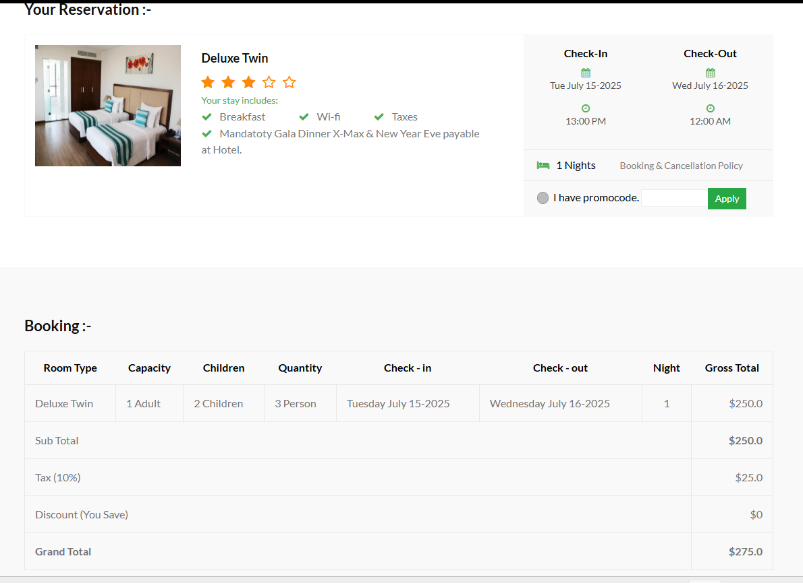
Booking | GUI ( Your Reservation, Booking) |  | Title : Your Reservation Information of room : + Room Image: A visual display of the selected room + Room Name: Displayed as a bold title + Room Rating: 4 out of 5 stars, rendered as filled star icons. + Included Services: Breakfast (with green check icon) Wi-Fi (with green check icon) Taxes (with green check icon) Special text note Date and Time Selection: + Check-in Date: Shown with full date and time + Check-out Date: Shown with full date and time + Duration: Number of nights displayed + Booking & Cancellation Policy: Shown as a small link . Promo Code Section: checkbox, text input box for entering the promo code. Green "Apply" button (clickable). Title : Booking A breakdown of the booking information in rows. + Room Type: shows the name of the selected room type + Capacity: shows the number of adults allowed + Children: displays the number of children added to the booking + Quantity: displays the total number of people in the room + Check-in: displays the selected check-in date in full format + Check-out: displays the selected check-out date + Night: shows the number of nights calculated from the check-in and check-out dates + Gross Total: shows the price for the room based on the quantity and nights At the bottom of this section, a price summary is presented: + Sub Total: the total price before tax or discounts are applied + Tax (10%): shows the automatic calculation of 10% tax based on the subtotal + Discount (You Save): shows the discount applied through the promo code + Grand Total: the final amount the customer has to pay after tax and discount | 31
 | GUI ( Add Your Informations) |  | The screen has : + Full Name: text input with placeholder “Full Name*”. + Email: text input with placeholder “Email*”. + Phone: text input with placeholder “Phone*”. + Address: text area with placeholder “Address*”. + Checkbox labeled “I agree with Terms and Conditions”. + “Terms and Conditions” is a clickable link (styled as bold). + Green button labeled “Submit”, placed below the checkbox. + Side Promotion Panel (Right side) | 32
 |  |  |  | 33
 |  |  |  | 34

 | Your Reservation | happy case | Check thông tin phòng ,checkin, checkout, ngày giờ số đêm khớp với thông tin ở phần booking | 1
 |  |  | Mã giảm giá hợp lệ, còn lượt và nằm trong thời gian còn hiệu lực(thêm mã giảm thì tổng tiền giảm chính xác) | 3
 |  | mã giảm giá | Mã giảm giá hợp lệ nhưng hết lượt sử dụng | 5
 |  |  | Mã hết hạn | 6
 |  |  | Mã giảm giá sai định dạng (có ký tự đặc biệt, khoảng trắng, mã rỗng) | 7
 |  |  | nhập 2 mã giảm giá liên tiếp -> chỉ mã đầu được áp dụng hoặc hệ thống cho áp dụng nhìu mã giảm giá | 9
 |  |  | áp mã giảm làm tổng tiền âm hoặc =0 | 10
 |  |  | mã giảm giá hợp lệ nhưng đã sử dụng rồi → không được dùng lại nếu là 1 lần duy nhất | 11
 | Booking | happy case | Subtotal = Đơn giá phòng × Số đêm × Số lượng phòng --> số tiền hiển thị đúng
 |  |  | Tax = Sub Total × Tỷ lệ thuế (%) --> số thuế hiển thị đúng | 51
 |  |  | Grand Total = Sub Total + Tax − Discount --> số tiền hiển thị đúng | 52
 |  |  | Khách VIP hoặc người nước ngoài được miễn thuế → thuế = 0 | 53
 |  |  | Mỗi lần thay đổi số người hoặc ngày → tổng tiền phải cập nhật lại | 54
 |  | un happy case | Số lượng người vượt quá công suất phòng | 55
 |  |  | Tổng tiền hiển thị sau khi áp dụng mã khuyến mãi = 0 → hệ thống vẫn cho đặt? | 56
 | Add Your Informations | Happy case | Tất cả các trường hợp lệ --> submit thành công | 61
 |  | Full name | bỏ trống | 62
 |  |  | giới hạn ký tự ? | 63
 |  |  | nhập ký tự đặc biệt, nhập số, nhập khoảng trắng | 64
 |  | email | bỏ trống | 65
 |  |  | thiếu @ | 66
 |  |  | thiếu domain | 67
 |  |  | thiếu username | 68
 |  | phone | bỏ trống | 69
 |  |  | nhập 9 10 11 | 70
 |  |  | nhập chữ, ký tự đặc biệt, nhập số + khoảng trắng | 71
 |  | address | bỏ trống | 72
 |  |  | giới hạn ký tự ? | 73
 |  |  | nhập hình | 74
 |  | check box | ko tick --> no submit | 75
 |  | banner quảng cáo | nút view all room ko hoạt động | 76
 |  |  |  | 77
Payment | GUI |  | Total Amount Section : displays the text “Total Amount: $,,,” Payment Method Selection Title: “Choose a Payment Method :-” Left-side vertical list of options: + Credit Card (default selected with green border) + Debit Card + Paypal + Net Banking + Wallets Credit Card Form (visible when Credit Card is selected) + Displays a credit card image above the input fields. + Card Number (text input) + Name on Card (text input) + Expiry Date (text input) + CVV Number (text input, default value is 0) + “Note: In the next step you will be redirected to your bank's website to verify yourself.” + Green "Pay Now" button centered below the form. | 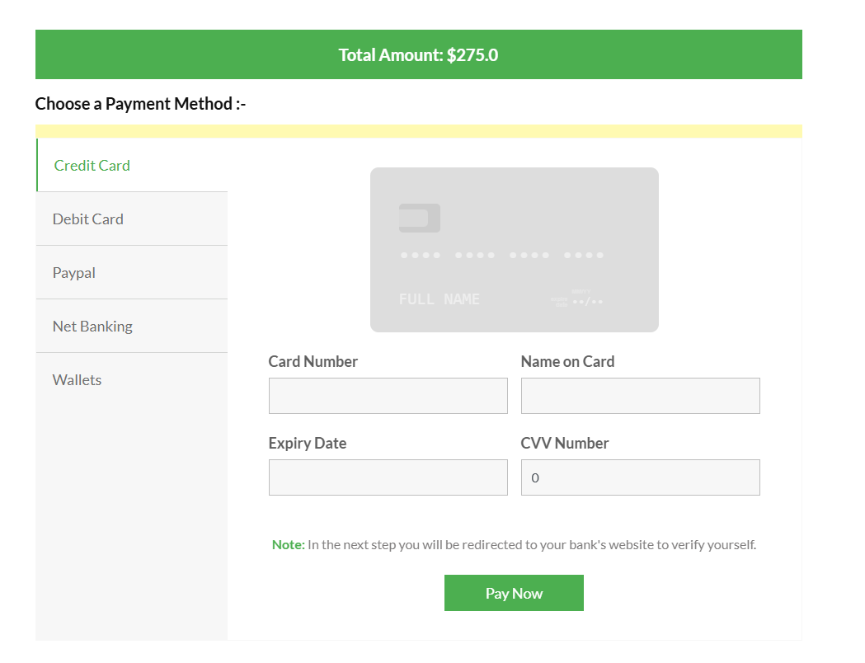 78
 | Creditcard | happycase | Credit card tồn tại trong hệ thống | 79
 |  |  | nhập đúng thông tin card --> pay now button --> thanh toán thành công | 80
 |  | un happy | credit card ko tồn tại trong hệ thống | 81
 |  |  | credit card bị quá hạn | 82
 |  |  | credit card ko đủ tiền để thanh toán | 83
 |  |  | thẻ vượt quá hạn mức thanh toán / ngày | 84
 |  |  | credit card bị lỗi (bị khóa, bị báo mất, thẻ bị từ chối bởi ngân hàng, ) | 85
 |  |  | thanh toán thành công nhưng chỉ trừ tiền nhưng ko cập nhật tình trạng phòng | 86
 |  | cardnumber | bỏ trống | 87
 |  |  | nhập sai định dạng(chữ, ký tự đặc biệt) | 88
 |  |  | nhập ít hơn hoặc nhiều hơn 16 số | 89
 |  |  | nhập số thẻ ko tồn tại | 90
 |  | name of card | bỏ trống | 91
 |  |  | nhập số | 92
 |  |  | nhập ký tự đặc biệt | 93
 |  |  | nhập khoảng trắng đầu / cuối | 94
 |  |  | giới hạn ký tự | 95
 |  |  | nhập tên ko khớp với card number | 96
 |  | expiry date | bỏ trống | 97
 |  |  | nhập sai format | 98
 |  |  | nhập chữ, ký tự đặc biệt , khoảng trắng | 99
 |  |  | nhập ngày đã hết hạn | 100
 |  |  | nhập ngày ko khớp với card number | 101
 |  | CVV | bỏ trống | 102
 |  |  | nhập ít hơn hoặc nhìu hơn 3 chữ số | 103
 |  |  | nhập chữ, ký tự đặc biệt | 104
 |  |  | nhập cvv ko khớp với card number | 105
 | Debit card |  | block | 106
 | Paypal |  | block | 107
 | Net banking |  | block | 108
 | wallets |  | block | 109
 | check booking |  | book phòng thành công --> cho ra id booking --> search id booking trong booking admin--> check xem phòng đã được cập nhật trạng thái đúng hay ko | 110
 |  |  | Check thẻ đã bị trừ đúng số tiền khi thanh toán phòng hay chưa --> trong admin | 111
 |  |  | book phòng thành công --> gửi mail về cho user | 112
 |  |  | Nếu khách hàng đăng nhập, sau khi book thành công --> kiểm tra trong my booking để xem phòng vừa đặt | 113

