Công Thức
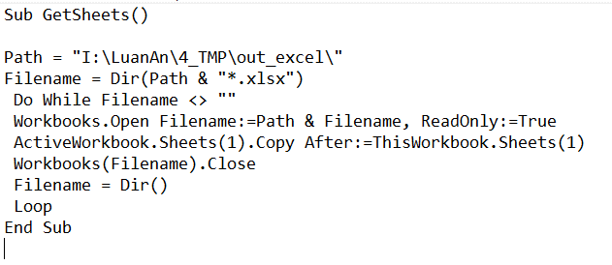
Hành động | Số Lần Cắt | Tên Video(Gốc) | id | Loại | Tên Video(Sửa) | Thời gian bắt đầu | Hợp Nhất Tên Clip

