Output
Docs will be generated at the link (JSON format)
 | /v2/api-docs/

We can use Swagger UI to display api-docs
 | /swagger-ui.html

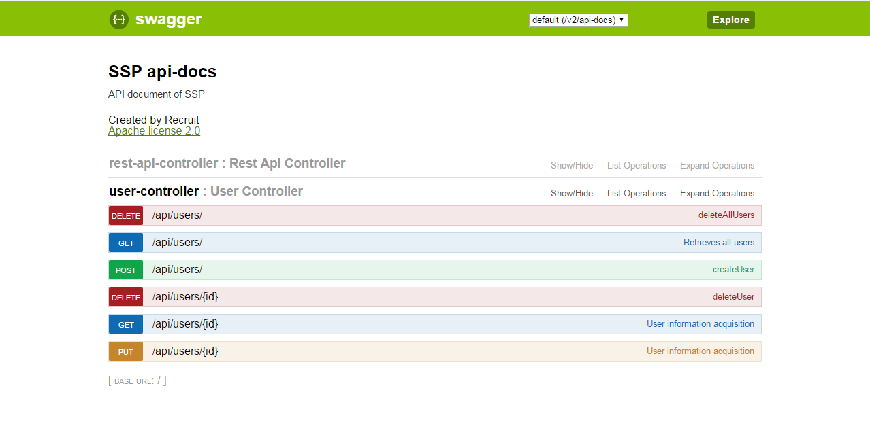

We can test api in Swagger-UI if click at “Try it out” button

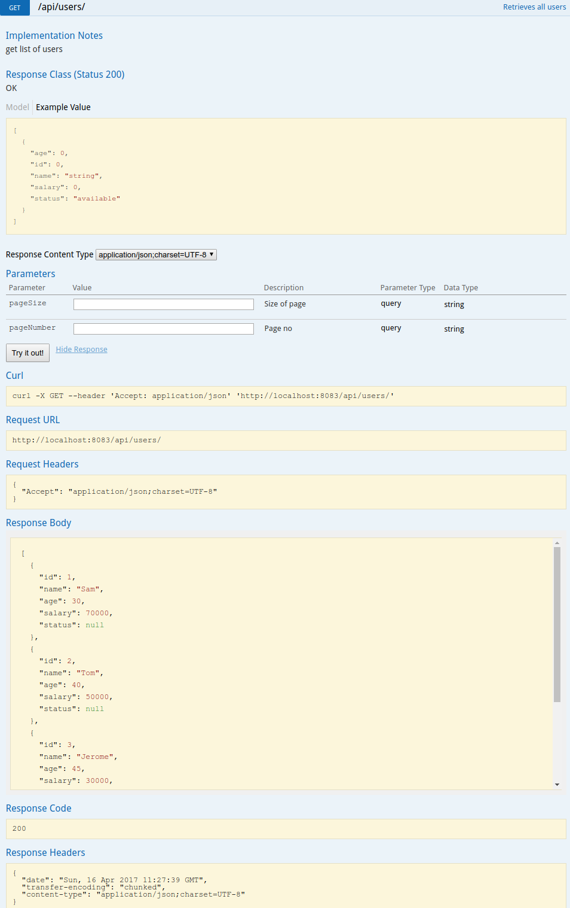

Enter param and click here

Output

Useful annotations
Useful Annotations |  | https://github.com/swagger-api/swagger-core/wiki/Annotations-1.5.X

Annotation | Description
@ApiModelProperty | Model of parameter or response
@ApiOperation | Operation of specific url
@ApiResponses | Responses of specific url
@ApiParam | Parameter object in query, path, header, body
@ApiImplicitParam | Override param or prior fitler param

Details

@ApiModelProperty

Purpose: | Be used to describe model of parameter from request or model of result from response
Example
 | @ApiModelProperty(value = "status of user", allowableValues = "available,deleted")
 | public String getStatus() { return status }

Output

swagger-ui

@ApiOperation

Purpose: | Be used to describe operation of specific path
Example:
 | @ApiOperation(value = "Retrieves all users",
 | notes = "get list of users",
 | response = User.class,
 | responseContainer = "List")

Output:
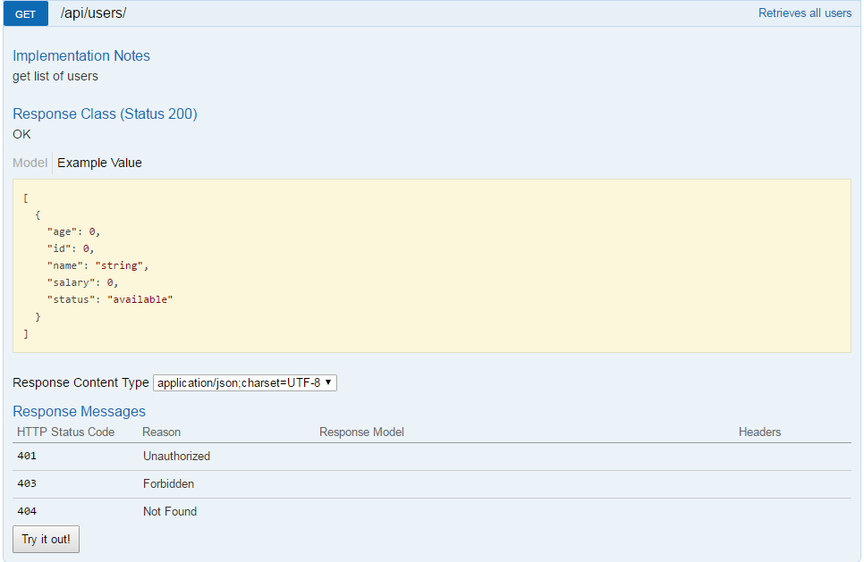

swagger-ui

@ApiResponses, @ApiResponse

Purpose: | Be used to describe a response or a list of responses of specific path
Example:
 | @ApiResponses(value = {
 | @ApiResponse(code = 400, message = "Invalid ID"),
 | @ApiResponse(code = 404, message = "User not found")
 | @ApiResponse(code = 200, message = "OK", response = User.class)})
Output:

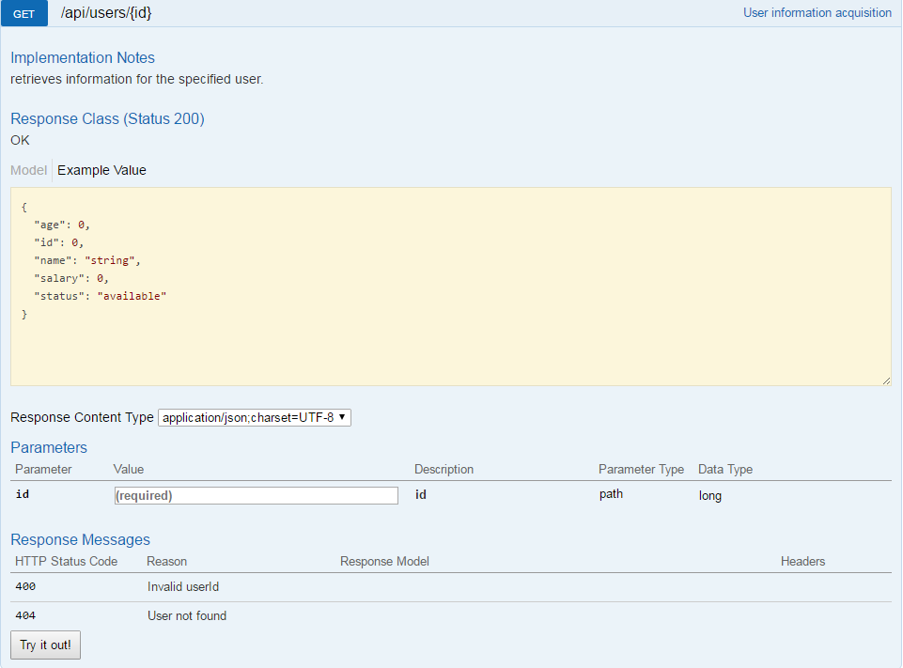

swagger-ui

@ApiParam

Purpose: | Be used to describe parameter of request (include parameter in path, query, body, header or form)
 | => It will translate to Parameter Object

* | However, by default when use some annotation of request parameters like @PathVariable, @RequestParam, @RequestBody, springfox automatically recognize these parameters and translate to swagger docs

Example 1:
 | public ResponseEntity<?> createCourses(@RequestHeader(value="Accept") String accept,
 | @RequestHeader(value="Accept-Language") String acceptLanguage,
 | @PathVariable("userId") String userId,
 | @RequestBody Course course,
 | @RequestParam(value = "status", required = false) String status);

Output 1:
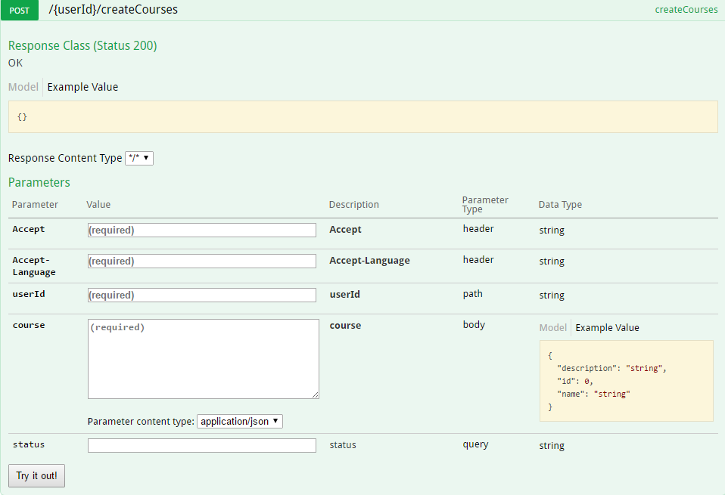

swagger-ui

Example 2:
 | @PostMapping(value = "/upload", consumes = { MediaType.MULTIPART_FORM_DATA_VALUE })
 | public ResponseEntity<Void> uploadFile(@RequestPart(required = false) String description, @RequestPart MultipartFile file) {

Output 2:

swagger-ui

@ApiImplicitParam, @ApiImplicitParams

Purpose: | it will translate to the Parameter Object
 | Use in 3 cases:
1. | We don't use annotation of JAX-RS or Spring Request annotations (@PathVariable, @RequestParam,...)
2. | We want to override existing parameter of JAX-RS annotations (or Spring annotations)
3. | The parameter that is used by a filter or another resource prior to reaching its method of rest controller
Example:
 | @ApiImplicitParams({
 | @ApiImplicitParam(name = "x-auth-token", value = "token", required = true, dataType = "string", paramType = "header"),
 | @ApiImplicitParam(name = "userId", value = "ID of User who created new course", required = true, dataType = "long", paramType = "path")})
 | public ResponseEntity<?> createCourses(@PathVariable("userId") String userId,
 | @RequestBody Course course);

Output:

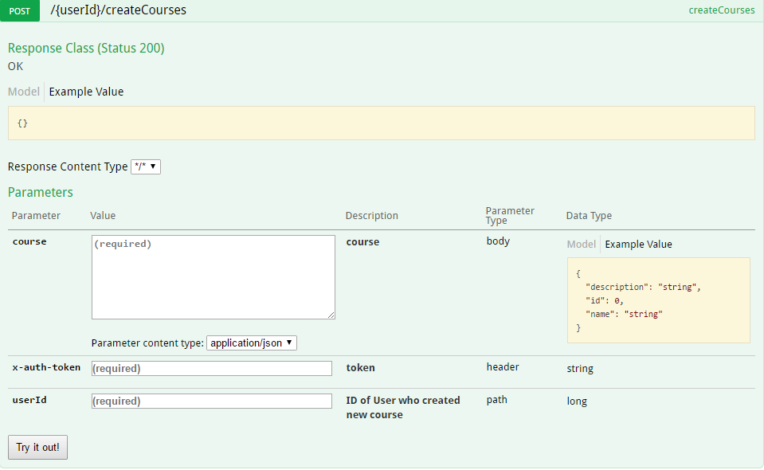

swagger-ui

Rules
Structure
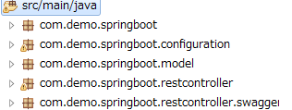

package root

Must put swagger interface at this package

Rules:

1 | Prefix-name of controller will be prefix-name of swagger interface
 | Example:
 |  | controller: | UserListController
 | => | swagger: | UserListSwagger

2 | Copy all method names of restcontroller to its swagger interface and use annotation define docs

 | Refer | Annotations

3 | Use @ApiOperation to define the operation of its url
 | Example:
 |  | @ApiOperation(value = "User information", notes = "retrieves user", response = User.class)

4 | Use @ApiResponses to define the responses of all results can happen
 | Example:
 |  | @ApiResponses(value = {
 |  | @ApiResponse(code = 400, message = "Invalid ID"),
 |  | @ApiResponse(code = 404, message = "User not found")
 |  | @ApiResponse(code = 200, message = "OK", response = User.class)})
5 | If methods of rest controller use @PathVariable, @RequestParam, @RequestBody, @RequestHeader, @RequestPart, … we don't need to use @ApiParam or @ApiImplicitParam, springfox already recognize these
 |  | (However, we can use if we want to override it and describe more detail)

6 | For the path required Authentication, added @ApiImplicitParam to describe it

 | Example:
 |  | @ApiImplicitParam(name = "x-auth-token", value = "token", required = true, dataType = "string", paramType = "header")

