Fit Function(frm_size-time)
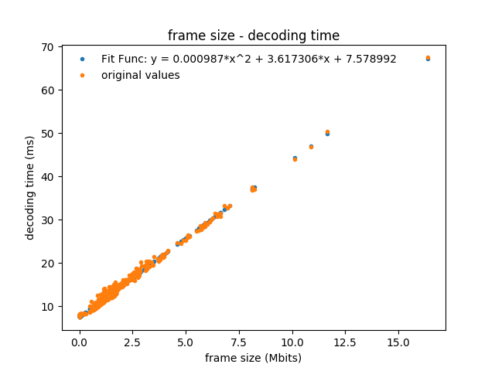
 | a | b | c
 | 0.00098677320549 | 3.6173061472 | 7.5789917421

covariance | 9.0668889266E-06 | -8.0017639931E-05 | 8.8114352776E-05
 | -8.0017639931E-05 | 0.00090475538741 | -0.0011162184761
 | 8.8114352776E-05 | -0.0011162184761 | 0.001914588749

