Fit Function(frm_size-time)
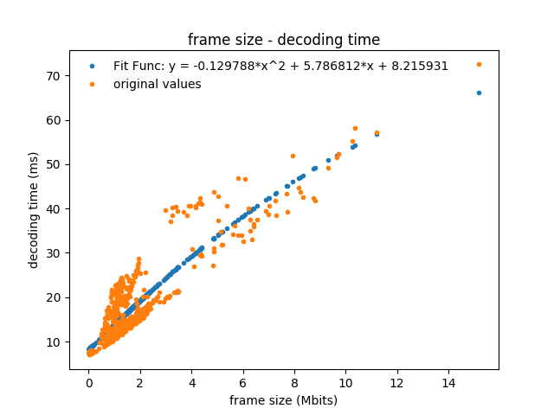
 | a | b | c
 | -0.12978765449 | 5.7868122327 | 8.2159314869

covariance | 0.00060833087706 | -0.0053491285792 | 0.0055389164151
 | -0.0053491285792 | 0.055665104445 | -0.063401242295
 | 0.0055389164151 | -0.063401242295 | 0.10109076074

