Fit Function(frm_size-time)
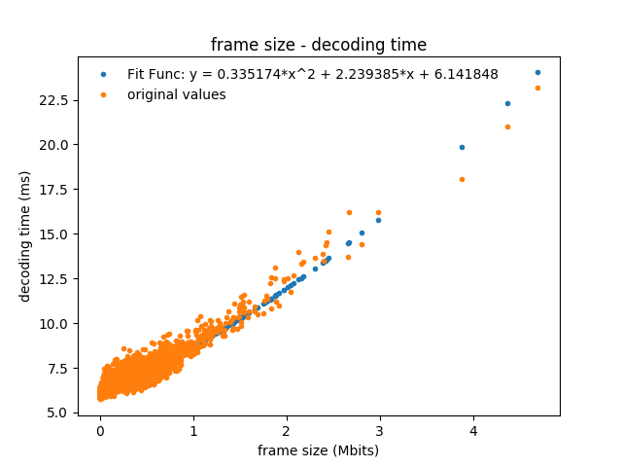
 | a | b | c
 | 0.33517372241 | 2.2393846295 | 6.1418482599

covariance | 0.00015813168221 | -0.0002673280635 | 4.6261966202E-05
 | -0.0002673280635 | 0.00070616340221 | -0.00014911660934
 | 4.6261966202E-05 | -0.00014911660934 | 5.903128569E-05

