Fit Function(frm_size-time)
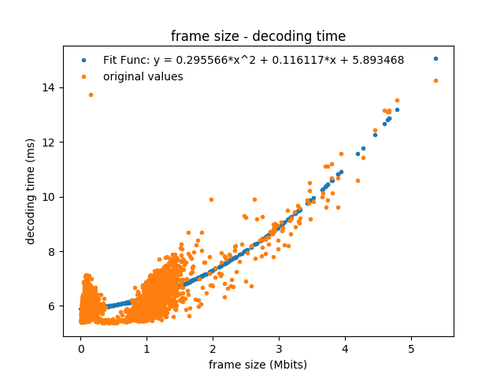
 | a | b | c
 | 0.29556624388 | 0.11611704387 | 5.8934679289

covariance | 3.5734704381E-05 | -7.5396528875E-05 | 1.501199625E-05
 | -7.5396528875E-05 | 0.00021815277889 | -6.0148528694E-05
 | 1.501199625E-05 | -6.0148528694E-05 | 4.1568599426E-05

