Class_definition
HandleQueue
- MAXIMUM : const int
- queue_obj : queue<QueueTemplate>
HandleQueue getInstance() {
Check null
return _instance
}
-static HandleQueue _instance
- HandleQueue()
+getInstance(): HandleQueue
+empty(): bool
+push(): void
+pop(): void
+size(): unsigned int
+copyFromOtherQueue(queue<QueueTemplate>): void
+printQueue() : void
+getAnyElement(size_t position): QueueTemplate
+accessToAnyElement(size_t position): QueueTemplate*

struct QueueTemplate {
unsigned int iD; // id of car
int xPos; // x position
int yPos; // y positio
char name[4]; // serialnumber
};

Evidence
Testcase

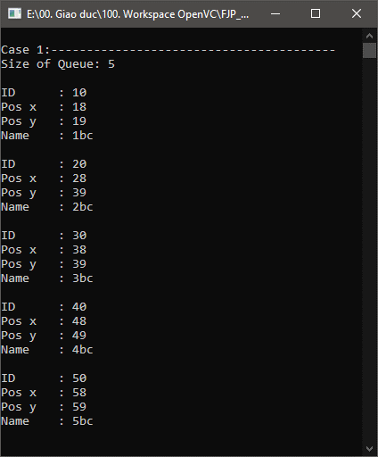
1

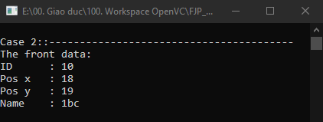
2

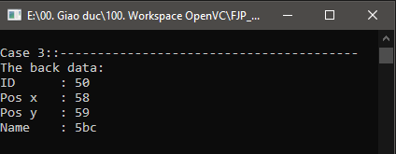
3

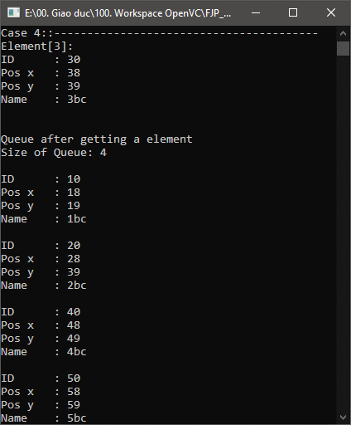
4

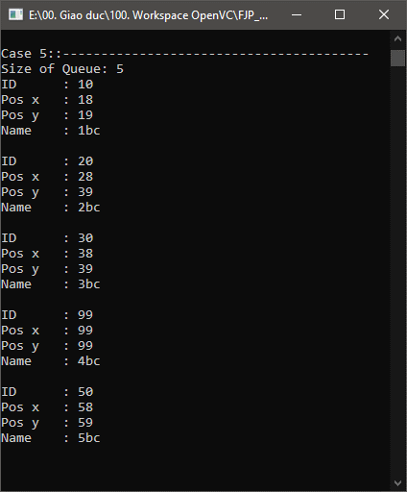
5

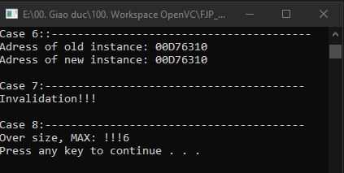
6, 7 , 8

