ExportingLib
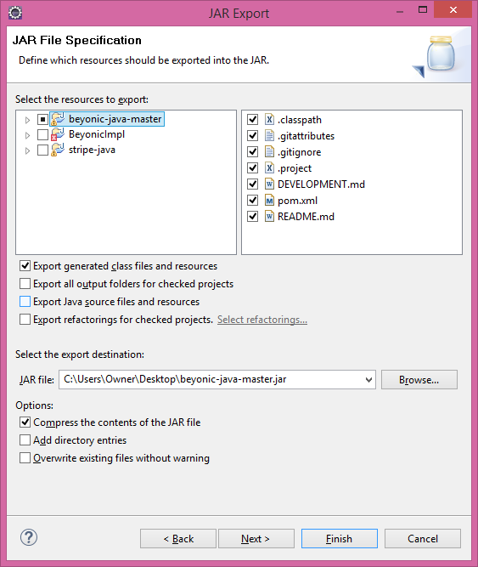
Click on export

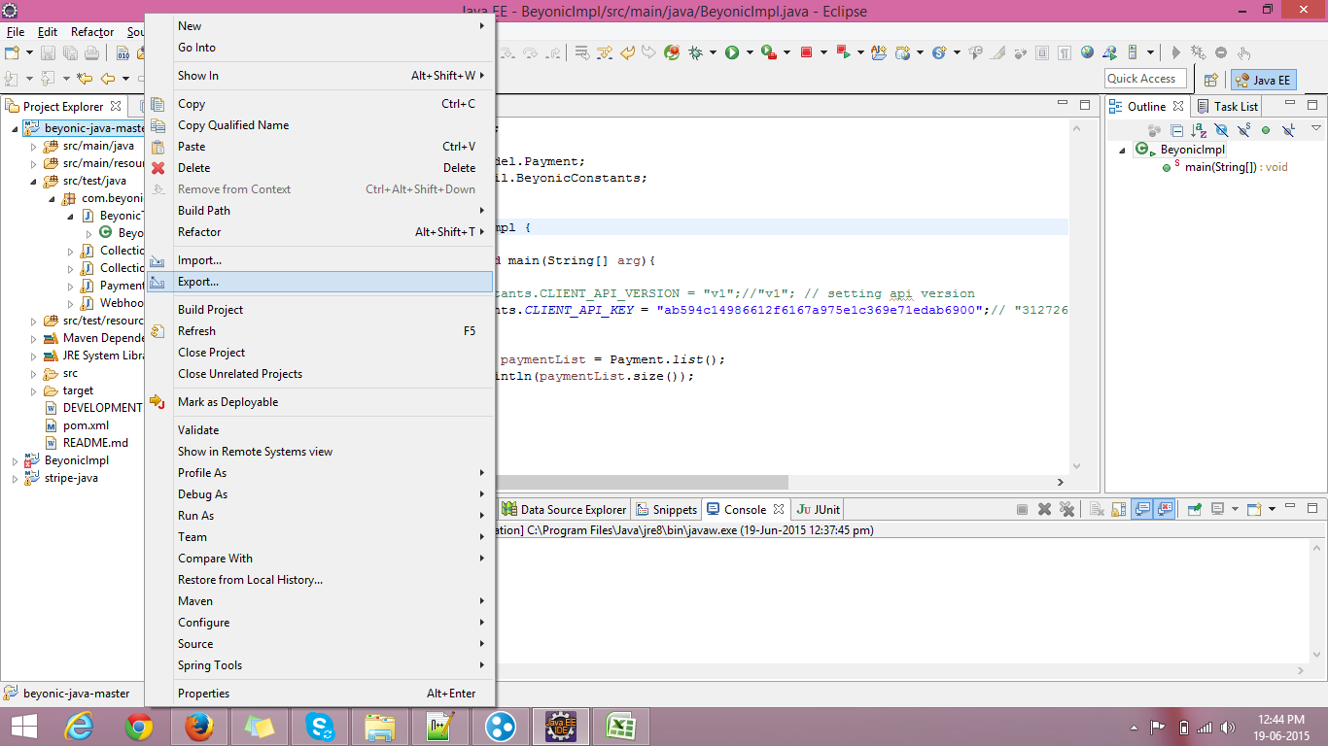

As JAR file

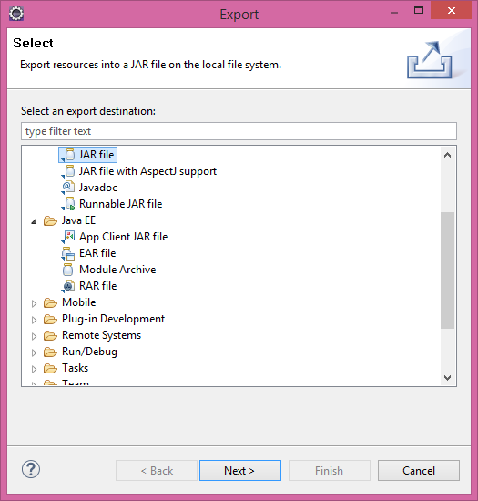

Select target folder and file name & Cilck on Finish

Usage
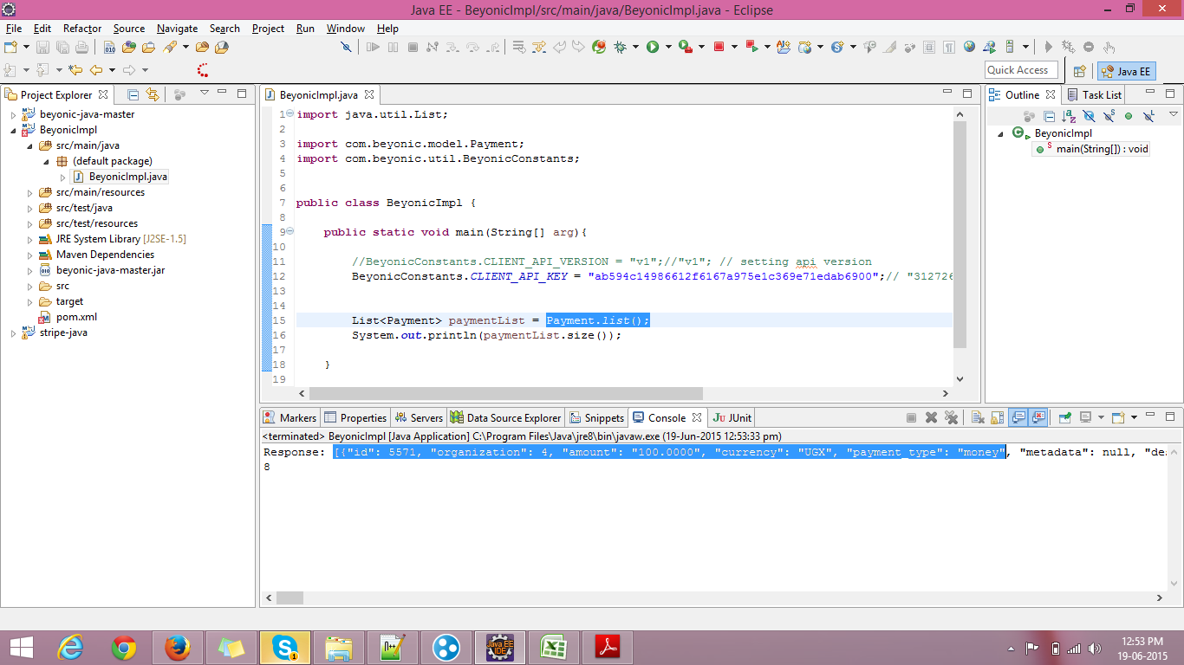
Create a new Maven Project

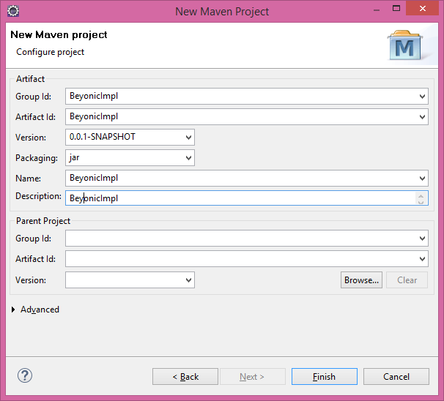

Add Dependencies/Jars to the project -

 | <dependencies>
 |  |  | <dependency>
 |  |  |  | <groupId>com.google.code.gson</groupId>
 |  |  |  | <artifactId>gson</artifactId>
 |  |  |  | <version>2.2.4</version>
 |  |  | </dependency>
 |  |  | <dependency>
 |  |  |  | <groupId>junit</groupId>
 |  |  |  | <artifactId>junit</artifactId>
 |  |  |  | <version>4.12</version>
 |  |  | </dependency>
 |  |  | <dependency>
 |  |  |  | <groupId>com.sun.jersey</groupId>
 |  |  |  | <artifactId>jersey-client</artifactId>
 |  |  |  | <version>1.8</version>
 |  |  | </dependency>
 |  |  | <dependency>
 |  |  |  | <scope>test</scope>
 |  |  |  | <groupId>co.freeside</groupId>
 |  |  |  | <artifactId>betamax</artifactId>
 |  |  |  | <version>1.1.2</version>
 |  |  | </dependency>
 |  |  | <dependency>
 |  |  |  | <groupId>org.codehaus.groovy</groupId>
 |  |  |  | <artifactId>groovy-all</artifactId>
 |  |  |  | <version>2.2.0</version>
 |  |  | </dependency>
 |  |  | <dependency>
 |  |  |  | <groupId>org.apache.httpcomponents</groupId>
 |  |  |  | <artifactId>httpclient</artifactId>
 |  |  |  | <version>4.2.1</version>
 |  |  | </dependency>
 |  |  | <dependency>
 |  |  |  | <groupId>org.yaml</groupId>
 |  |  |  | <artifactId>snakeyaml</artifactId>
 |  |  |  | <version>1.15</version>
 |  |  | </dependency>

 |  | </dependencies>

Add Beyonic Liberary to Project and Add it to build path
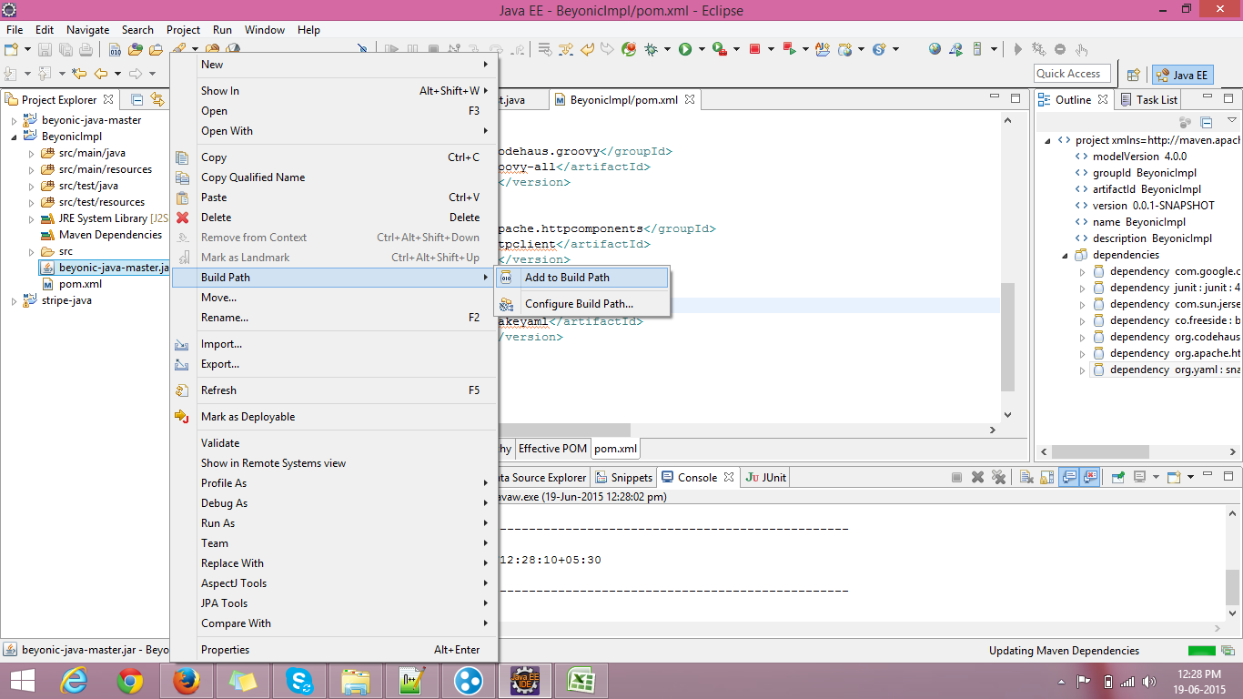

Make a new Class & Use

