Block Diagram
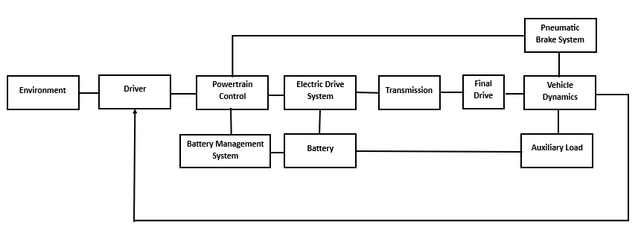

Input | Subsystem | Output
 | Environment | Desired Velocity
 |  | Road Slope
 |  | Ambient Temperature
Actual Vehicle Speed | Driver | Accelerator Pedal
Desired Speed |  | Brake Pedal
Road Slope
Vehicle Weight
Actual Gear Ration
Max Motor Torque
Accelerator Pedal | Powertrain Control | Electric Motor Demand Torque
Brake Pedal
Electric Motor Demand Torque | Electric Drive System | Motor 1 Actual Torque
 |  | Motor 2 Actual Torque
 |  | Motor 1 Actual Speed
 |  | Motor 2 Actual Speed
 |  | Motor 1 Electrical Power
 |  | Motor 2 Electrical Power
 |  | Motor 1 Loss Loss Power
 |  | Motor 2 Loss Loss Power
 |  | Motor 1 Max Available Torque
 |  | Motor 1 Max Available Torque
 |  | Motor 2 Max Available Torque
 |  | Motor 2 Max Available Torque
Motor 1 Actual Torque | Transmission | Gear Box Torque
Motor 2 Actual Torque |  | Gear Box Speed
 |  | Actual Gear Number
 |  | Actual Gear Ration
 |  | Gear Box Power Loss
Gear Box Torque | Final Drive | Net Traction Torque
Net Traction Torque | Vehicle Dynamics | Vehicle Acceleration
 |  | Vehicle Velocity
 |  | Vehicle Position
 |  | Rolling Resistance Force
 |  | Gradient Force
 |  | AeroDynamic Force
 |  | Wheel Force
Brake Pedal | Pneumatic Brake System | Friction Service Brake
Environment Temperature | Battery | Battery Current
 |  | Battery Terminal Voltage
 |  | Battery Power
 |  | Battery Loss Power
 |  | Battery State of Charge
 |  | Battery Temperature
Environment Temperature | Battery Management System | Battery Charge Current Limit
Battery SoC |  | Battery Discharge Current Limit
 |  | Battery Charge Power Limit
 |  | Battery Discharge Power Limit
 |  | Battery Charge Energy Available
 |  | Battery Discharge Energy Available
 | Auxiliary Load

