Description Sheet
 | Development Changes in PD-Phase 产品开发更改 |  |  |  |  |  | Edition 2.0

Confidential
 |  |  |  |  |  |  |  | change number
 |  |  |  |  | DC No. / 开发更改编号: | RBCE-PDECR2026003 |  | F03ZE00635
Affected domain / 影响的开发域 |  |  |  |  | Date /日期: | 2026.04.02
Step 1: Change request & Basic information
Customer project Name/ 客户项目名称： |  | JP360 | MCR No. / MCR号:
Affect Product No. / 产品号: |  |  | Component No. / 零部件号:
F03ZS0000B-04 |  |  | F03Z20088M-00
Sample type / 样品类型: |  |  | Initiator/发起人: | lu feihong
Reason of changes / 更改理由:
螺栓增加二供供应商，新增二供螺栓料号及图纸，F03Z20088M-00， 该二供料号图纸与一供图纸区别为,质量和供应商标识区域调整

Customer request / 客户要求 |  | Supplier request / 供应商请求 |  | Design optimization / 设计优化
Correction / 更正(错误) |  | Process / 工艺 | Other / 其它
Step 2: Change proposal & Change discription

当前设计 |  |  | 更改建议 |  |  |  | 备注
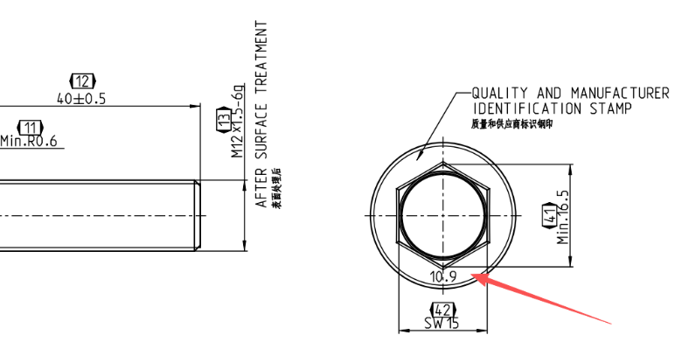 |  |  | 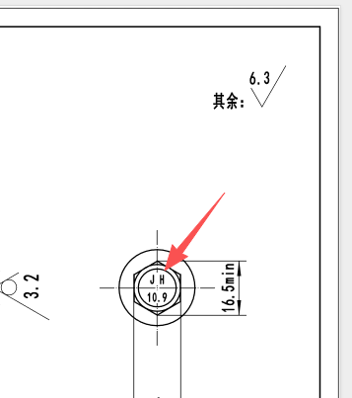 |  |  |  | 新增螺栓供应商，新螺栓图纸调整二供供应商质量和供应商标识，其余尺寸未作更改

当前设计是标识打在螺栓法兰处 |  |  | 更改后标识打在螺栓头部

Impact analysis&QAC
 | Impact analysis 影响分析 |  |  |  |  |  |  |  | Edition 2.0

Confidential

 |  |  |  |  |  |  | Corresponding DC No. / 对应的开发更改编号: | RBCE-PDECR2026003
 |  |  |  |  |  |  | Date /日期: | 2026.03.17
Step 3.1 Impact analysis / 影响分析
1. Function&Performance will be influenced? / 产品功能性能影响? |  |  |  |  |  |  | Confirmed by: _lu feihong
2. Interface and Apperance will be influenced? / 接口和外观影响? |  |  |  |  |  |  | Confirmed by: ___lu feihong____
3. Reliability and robustness will be influenced? / 产品可靠性、鲁棒性影响?
Description of above points, and concern point analysis / 对上述影响的描述, 以及分析是否存在顾虑点
螺栓疲劳试验未完成，带测试验证

4. Others component will be influenced? / 影响其它零部件? |  |  |  |  |  |  | Confirmed by: _huangwei__________
If yes, Which components will change in parallel? 如果影响， 哪些零部件也需要同时变更?

5. Manufactory/assembly/testing will be influenced? / 加工, 装配, 测试是否影响? |  |  |  |  |  |  | Confirmed by:___Hu Bin________
1.确认产线螺栓拧紧工艺，一供螺栓F03Z20046A-00与二供F03Z20088M-00拧紧工艺相同
6. Influence on supplier part？ Feedback from Supplier/Purchasing？ |  |  |  |  |  |  | Confirmed by:_____yang wei______
采购件变更
7. Influence on System/Hardware/Software/Calibration/Mechnical parts？ |  |  |  |  |  |  | Confirmed by:_____lu feihong______
e.g.: If changes influnce software/calibration, and ME/HW version alignment is required. e.g. SW reflashing affected products in stock e.g. Mechanical change or HW change triggered SW change, inform SW team e.g. System element change trigger calibration change, inform Calibration team

8. Influence on cost / 对成本的影响
2.52CNY/ Motor= 14pcs（0.18CNY/ pc）
9. Stock/Delivery treatment / 库存(发货)处理指示: |  |  |  | 可以使用
Mixed Deliveries Permissible? 改前改后是否可以混合供货？ YES NO 单电机不混，整托可混
(包含在途)
How to deal with 1st delviery after change? 改后第一批货物的发货要求？ Answer回答：_____维持跟先前一样________________
Raw materials: | Not affect Use in other products Scrap Rework Use up
Parts/Subassemblies: | Not affect Use in other products Scrap Rework Use up
Finished goods(inhouse): Not affect Scrap Rework Use up
(包含在途)
Finished goods(RDC外库): Not affect Scrap Rework Use up
Finished goods(customer): Not affect Recall Rework
Step 3.2 Quality Assurance Items / 检查项目
Validations 验证 |  | Plan finish date 计划完成日期 |  |  | Resp.person 负责人 |  | Comments 备注
try run |  | 20260407 |  |  | hu bin |  | 一供与二供螺栓拧紧工艺共用，验证
Capability Studies_ CMK |  | 20260407 |  |  | hu bin |  | 一供与二供螺栓拧紧工艺共用，验证
Capability Studies_ MSA
MAE release
Cleanness test
QZ test
200h PDL
BOM check |  | 20260331 |  |  | lu feihong |  | 双供，均适用
Test report
PAV release
螺栓盐雾试验 |  | 20260331 |  |  | yang wei
螺栓疲劳测试 |  | 20260530 |  |  | yang wei

Step 3.3 Affected documents Check/ 影响文档检查
1 Interface FMEA-relevant / IFMEA: |  |  |  |  | Resp.person: |  |  | Due date: _______
2.Product FMEA-relevant / DFMEA: |  |  |  |  | Resp.person: |  |  | Due date: _______
3. Special Charecteristics relevant/PSC: |  |  |  |  | Resp.person: |  |  | Due date: _______
4. IMDS relevant: |  |  |  |  | Resp.person: |  |  | Due date: _______
5 Offer drawing relevant: |  |  |  |  | Resp.person: |  |  | Due date: _______
6. TCD relevant: |  |  |  |  | Resp.person: |  |  | Due date: _______
7. Norm, WB, HF... relevant: |  |  |  |  | Resp.person: |  |  | Due date: _______
8.WI check |  |  |  |  | Resp.person: xie qiangqiang |  |  | Due date: _______ | 20260331
Step 4 Technical feasibility & Validation plan approval / 技术可行性&验证计划批准
Development/ 研发 | Purchasing/采购 |  | TEF/工艺 |  | Quality/质量 | CPjM/客户项目 |  | COS/样品
xiang liangshan | tao jiong |  | he yonggang |  | xia qian | su jian |  | he yonggang
MOE/ 生产 | LOG/物流 |  | Others (in needed)
luo zhi | xu baochun
* Note: if reflash SW in joint location, e.g. in ME plant, the max. 2 resp. are needed to approve the PD-ECR, e.g. MOE DM +EPQ

Example of affected actions
Example of affected actions
Related domains | PD-ECR check points | Team discusstion results to be documented
ME | Step 3.1 Impact analysis / 影响分析 5. Manufactory/assembly/testing will be influenced? / 加工, 装配, 测试是否影响?
Specific analysis points | a. whether production fixture needs to consider Poka Yoke to prevent manual assembly with wrong direction in Types change? b. whether change over check list needs to prepare for operators when type changes? c. whether the PLC program and working parameter for Screw tightening needs updating? d. whether additional assembly/testing risks by the change?

HW | Step 3.2 Quality Assurance Items / 检查项目
Specific analysis points | a. BOM check b.Test report c. PAV release

SW | Step 3.1 Impact analysis / 影响分析 5. Manufactory/assembly/testing will be influenced? / 加工, 装配, 测试是否影响?
Specific analysis points | SW reflash operation needs to do: - Scenario 1 (Highest efficient way): Rework at Customer side, reflash SW at EOL station or by OTA. - Scenario 2: Return to Bosch Plant: Rework at internal area for SW reflash, key points to be defined: Rework site, Operator, ReflashTool, necessary Documents, RASIC

SW | Step 6.1 Implementation check list / 导入清单
Specific analysis points | SW introduction to Production: 1. RBCD(Calibration engineer) offline deliver updated SW code by mail to ME plant for try run 2. ME upload to manufacturing SW flash station (interface?) 3. ME try run with the new upgrated SW and feedback result to RBCD 4. officially send upgrated SW to ME via workon during PD-ECR approval (2days) (update SW if need based on the try run result)

SW | Step 6.1 Implementation check list / 导入清单
Specific analysis points | 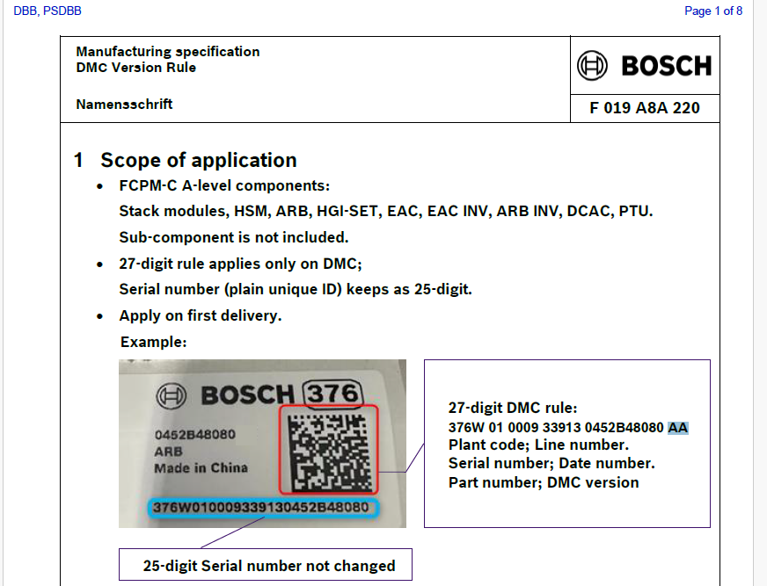 e.g. Machanic electrical valvel design changed, triggered SW version updated, Prevention defined to prevent from Label/type error: add SW identification code into Barcode for ensuring traceability

