Data model
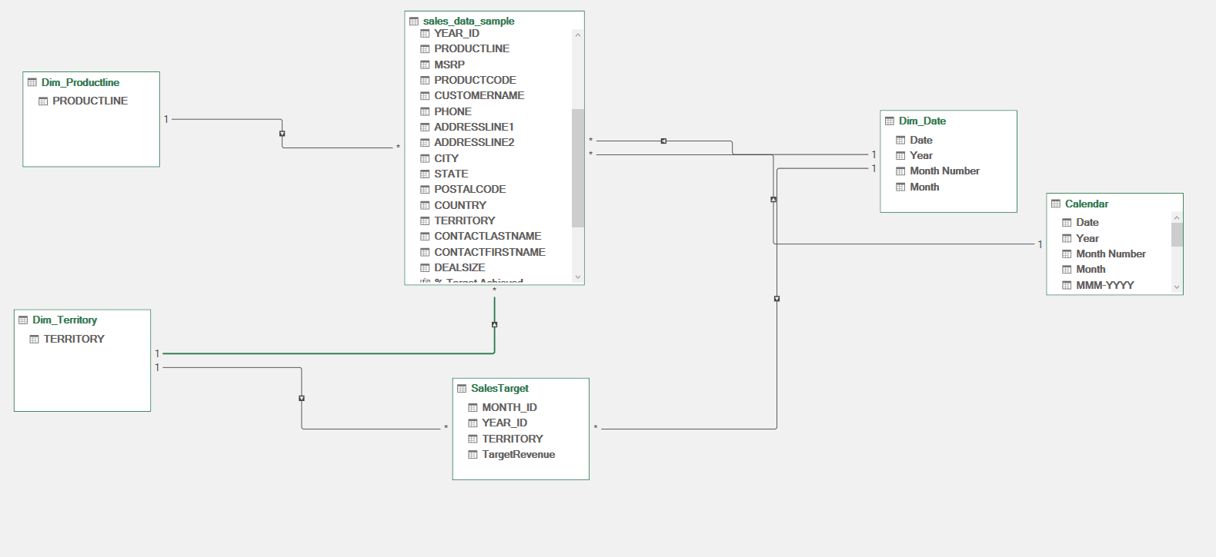

Charts
Row Labels | Total Target Revenue | Total Sales
APAC | 11035891.735 | 746121.83
EMEA | 11035891.735 | 4979272.41
Japan | 11035891.735 | 455173.22
NA | 11035891.735 | 3852061.39
Grand Total | 11035891.735 | 10032628.85

 | 2003 | 2004 | 2005
1 | 129753.6 | 316577.42 | 339543.42
2 | 140836.19 | 311419.53 | 358186.18
3 | 174504.9 | 205733.73 | 374262.76
4 | 201609.55 | 206148.12 | 261633.29
5 | 192673.11 | 273438.39 | 457861.06
6 | 168082.56 | 286674.22
7 | 187731.88 | 327144.09
8 | 197809.3 | 461501.27
9 | 263973.36 | 320750.91
10 | 568290.97 | 552924.25
11 | 1029837.66 | 1089048.01
12 | 261876.46 | 372802.66
 |  |  | Total Sales | Column Labels
 |  |  | Row Labels | 2003 | 2004 | 2005 | Grand Total
 |  |  | 1 | 129753.6 | 316577.42 | 339543.42 | 785874.44
 |  |  | 2 | 140836.19 | 311419.53 | 358186.18 | 810441.9
 |  |  | 3 | 174504.9 | 205733.73 | 374262.76 | 754501.39
 |  |  | 4 | 201609.55 | 206148.12 | 261633.29 | 669390.96
 |  |  | 5 | 192673.11 | 273438.39 | 457861.06 | 923972.56
 |  |  | 6 | 168082.56 | 286674.22 |  | 454756.78
 |  |  | 7 | 187731.88 | 327144.09 |  | 514875.97
 |  |  | 8 | 197809.3 | 461501.27 |  | 659310.57
 |  |  | 9 | 263973.36 | 320750.91 |  | 584724.27
 |  |  | 10 | 568290.97 | 552924.25 |  | 1121215.22
 |  |  | 11 | 1029837.66 | 1089048.01 |  | 2118885.67
 |  |  | 12 | 261876.46 | 372802.66 |  | 634679.12
 |  |  | Grand Total | 3516979.54 | 4724162.6 | 1791486.71 | 10032628.85

 |  |  | Row Labels | Variance
 |  |  | Classic Cars | -7116276.075
 |  |  | Motorcycles | -9869503.395
 |  |  | Planes | -10060888.165
 |  |  | Ships | -10321454.605
 |  |  | Trains | -10809648.265
 |  |  | Trucks and Buses | -9908101.895
 |  |  | Vintage Cars | -9132740.895
 |  |  | Grand Total | -1003262.885

Dashboard
SALES PERFORMANCE EXECUTIVE DASHBOARD

% YoY Growth
Japan and APAC consistently underperform targets (≈88–90%), especially in Q1–Q2 due to lower product volumes. Revenue peaks in November–December (25–30% of annual sales), while Q1—particularly February—is the weakest period. After a mid-year dip (June–July), performance recovers in September–October, led by NA.
Total Revenue
Total TargetRevenue
% OF TARGET

10032628.85
11035891.74
91%
112%

Actual vs Target by Region
Actual vs Target by Month
Variance by Product Category
 | Total Target Revenue | Total Sales
APAC | 11035891.735 | 746121.83
EMEA | 11035891.735 | 4979272.41
Japan | 11035891.735 | 455173.22
NA | 11035891.735 | 3852061.39
 | 2003 | 2004 | 2005
1 | 129753.6 | 316577.42 | 339543.42
2 | 140836.19 | 311419.53 | 358186.18
3 | 174504.9 | 205733.73 | 374262.76
4 | 201609.55 | 206148.12 | 261633.29
5 | 192673.11 | 273438.39 | 457861.06
6 | 168082.56 | 286674.22
7 | 187731.88 | 327144.09
8 | 197809.3 | 461501.27
9 | 263973.36 | 320750.91
10 | 568290.97 | 552924.25
11 | 1029837.66 | 1089048.01
12 | 261876.46 | 372802.66
 | Total
Classic Cars | -7116276.075
Motorcycles | -9869503.395
Planes | -10060888.165
Ships | -10321454.605
Trains | -10809648.265
Trucks and Buses | -9908101.895
Vintage Cars | -9132740.895

WhatIf Scenarios
WHAT-IF & SCENARIO ANALYSIS

Parameter | Value
Price Increase % (NA Region — Scenario A) | 5%
Volume Increase % (EMEA Region — Scenario B) | 10%
Baseline Quarter
Forecast Quarter

Region | Baseline Revenue | Baseline Target | Baseline % Target | Scenario A: +5% Price (NA) | Scen A Target | Scen A % Target | Scenario B: +10% Vol (EMEA) | Scen B Target | Scen B % Target
NA | 402,041 | 2,197,894 | 18.3% | 422,143 | 2,197,894 | 19.2% | 402,041 | 2,197,894 | 18.3%
EMEA | 540,842 | 3,171,158 | 17.1% | 540,842 | 3,171,158 | 17.1% | 594,926 | 3,171,158 | 18.8%
Japan | 42,367 | 142,674 | 29.7% | 42,367 | 142,674 | 29.7% | 42,367 | 142,674 | 29.7%
TOTAL | 985,250 | 5,511,726 | 17.9% | 1,005,352 | 5,511,726 | 18.2% | 1,039,334 | 5,511,726 | 18.9%

RECOMMENDED SCENARIO: Scenario B — 10% Volume Increase in EMEA
Rationale:
1. EMEA already exceeds its targets (~105% achievement), indicating strong market demand and capacity to absorb additional volume without margin compression.
2. A volume-driven increase in EMEA is lower-risk than a price increase in NA (Scenario A). Price increases risk demand elasticity — customers may reduce order quantities, partially or fully offsetting the revenue uplift, especially in competitive product lines like Classic Cars.
3. EMEA's broader geographic base (Europe, Middle East, Africa) provides natural diversification. A 10% volume push via targeted promotions or channel expansion has higher probability of success than a unilateral 5% price hike in NA.
4. Scenario B lifts total Q1 revenue by ~$54,084 with no target adjustment required, improving system-wide %Target achievement.
Recommended Action: Approve a targeted EMEA sales incentive program for Q1 2006, with a stretch goal of 10% volume growth in Motorcycles and Classic Cars lines.

