Sheet1
Name | SMILES | ROMol
Aspirin | CC(=O)OC1=CC=CC=C1C(=O)O | 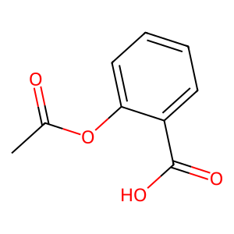
Lidocaine | CCN(CC)CC(=O)NC1=C(C=CC=C1C)C | 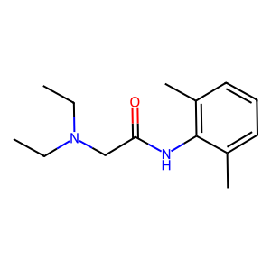
Ibuprofen | CC(C)CC1=CC=C(C=C1)C(C)C(=O)O | 