Sheet1
OMIEC Characterization
abbr | chemical name | schematic | geometric size | output | transfer | max transconductance | τ_on | states | transisent response | on off | cyclic | literature
PBBL | poly(benzimidazobenzophenanthro- line) (BBL) |  | W = 39 mm, L = 20 μm, d = 180 nm | 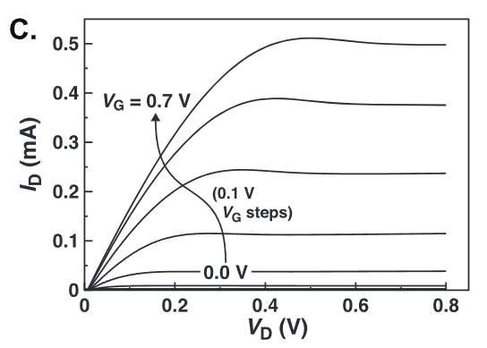 | 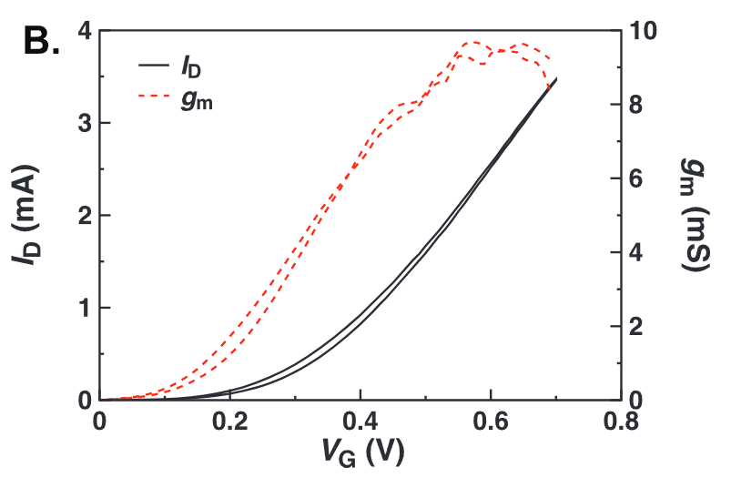 | 9.7 mS(spray) \\ 1.7(spin) \\ | 0.9 and 0.2 s for the switch-on and switch-off |  |  | 6.00E+03 |  | A3
 |  |  |  |  | 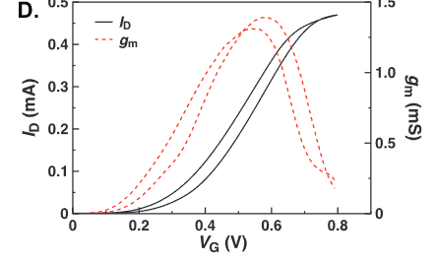 up(spray) down&transfer(spin W = 39 mm, L = 20 μm, d = 20 nm) | NR=2.763 \\ 1.5768
PEDOT:PSS(A2) Depletion |  |  | W = 10 μm, L = 40 μm, d = 170 nm | 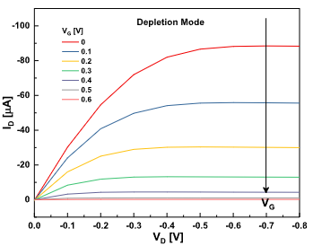 | 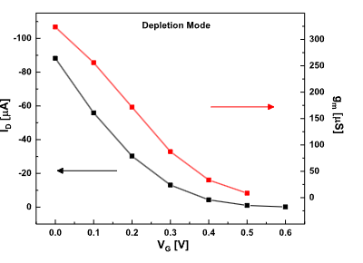 | 323.6(NR=76.43)
 |  |  |  | 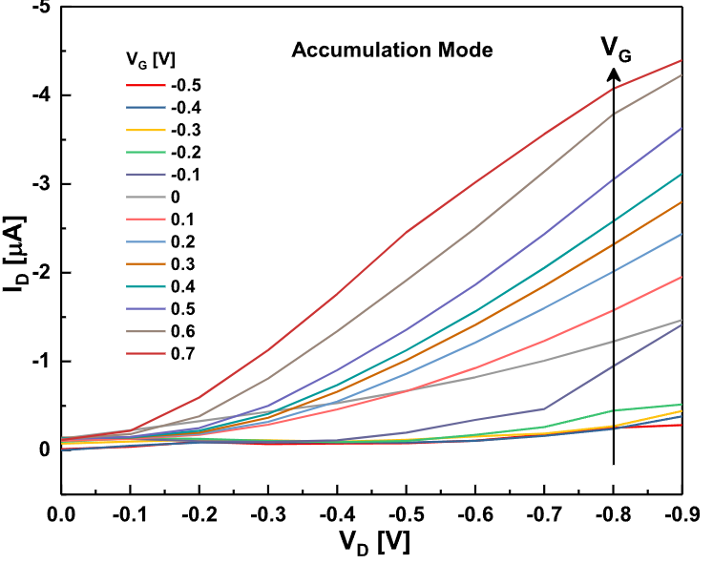 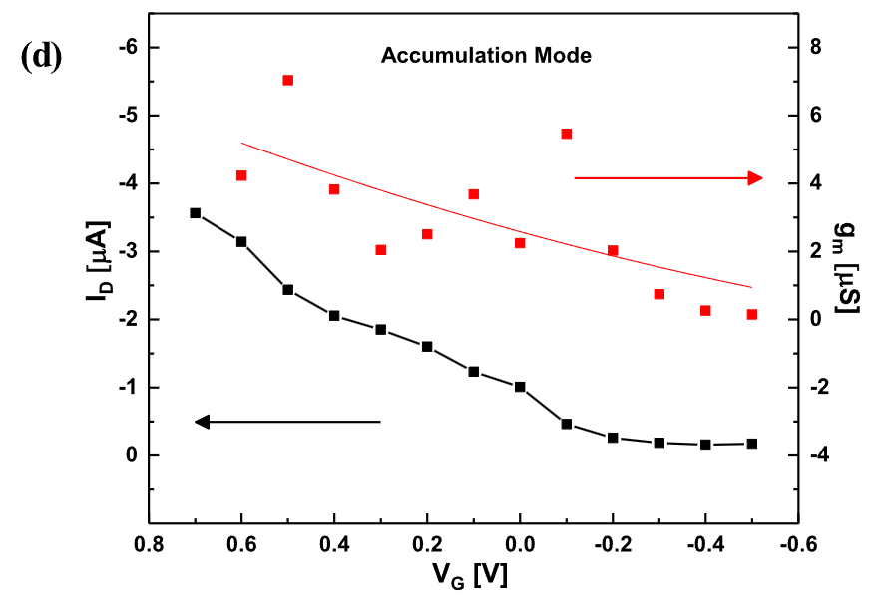 |  | 5.17 uS(NR=1.2211)
PTBT-p |  |  | W D L 100um 100um 40nm |  | 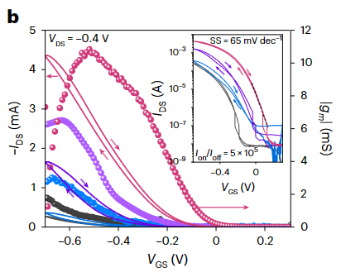 | 10mS NR=0.004(归一化电导没有意义) | τon = 6.67 ± 0.55 ms τoff = 3.20 ± 0.09 ms, | max g=1000uS(猜测是NGP的电导) | 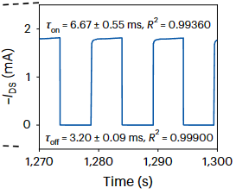 | 5.00E+05
PG2T-TT(porus&dense) | poly(2,5-bis(3-triethyleneglycoloxythiophen-2-yl)-co-thiophene) |  |  | 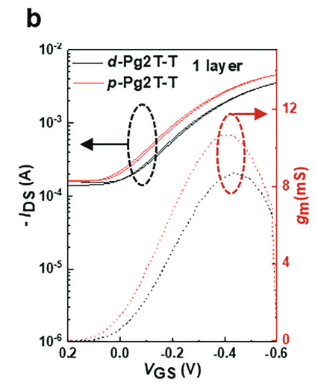 | 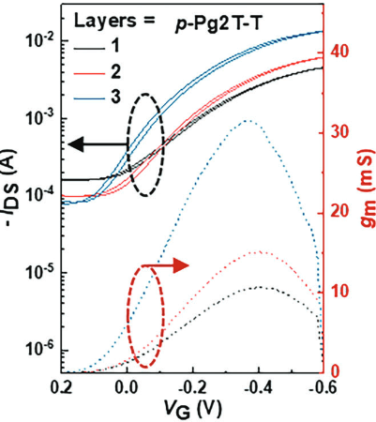 | 30mS(归一化电导没有意义)
电聚合PEDOT |  |  |  | 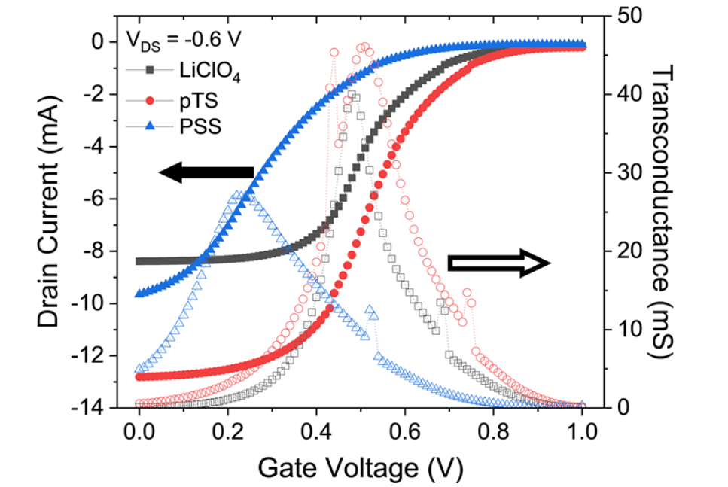 |  | 48mS(叉指电极无法算尺寸)
PNDI2TEG-2Tz |  |  | WDL=5mm 400nm 10um |  | 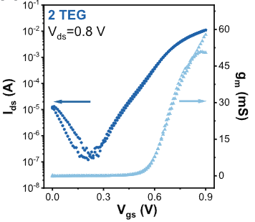 | (2TEG)51.8 mS NR=2.59 | (1TEG)τon/off = 5.7/0.56 s \ \ (2TEG) <100ms |  | 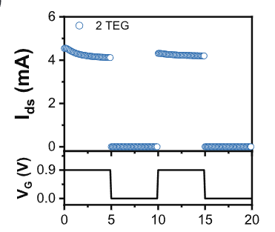 | (2TEG)0.00001 | 