Test 3
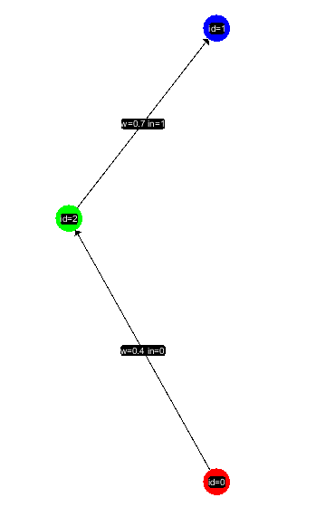
Node ID | Type | Output
0 | INPUT | 0.98799079569
1 | OUTPUT | 0.95246978977
2 | HIDDEN | 0.8739629376

Input | 0.9

Connection ID | Weight | Signature | Output
0 | 0.4 | 0 -> 2 | 0.39519631828
1 | 0.7 | 2 -> 1 | 0.61177405632

Test 4
Node ID | Type | Output
0 | INPUT | 0.92056145082
1 | INPUT | 0.97527730022
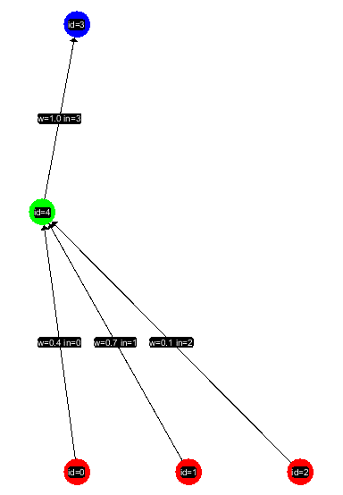
2 | INPUT | 0.98799079569
3 | OUTPUT | 0.99247926234
4 | HIDDEN | 0.99643712086

Input | 0.5 | 0.75 | 0.9

Connection ID | Weight | Signature | Output
0 | 0.4 | 0 -> 4 | 0.36822458033
1 | 0.7 | 1 -> 4 | 0.68269411015
2 | 0.1 | 2 -> 4 | 0.098799079569
3 | 1 | 4 -> 3 | 0.99643712086

Test 5
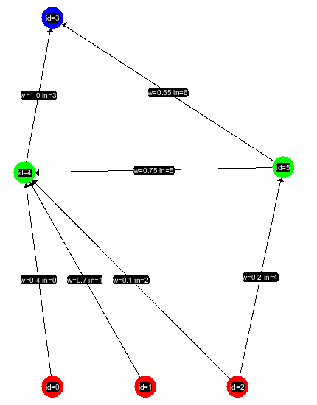
Node ID | Type | Output
0 | INPUT | 0.99260845866
1 | INPUT | 0.99994455148
2 | INPUT | 0.99999958708
3 | OUTPUT | 0.99895071479
4 | HIDDEN | 0.99980404795
5 | HIDDEN | 0.72710813605

Input | 1 | 2 | 3

Connection ID | Weight | Signature | Output
0 | 0.4 | 0 -> 4 | 0.39704338346
1 | 0.7 | 1 -> 4 | 0.69996118603
2 | 0.1 | 2 -> 4 | 0.099999958708
3 | 1 | 4 -> 3 | 0.99980404795
4 | 0.2 | 2 -> 5 | 0.19999991742
5 | 0.75 | 5 -> 6 | 0.54533110203
6 | 0.55 | 5 -> 3 | 0.39990947483

