Java환경설정
목 차

 | 우보천리(牛步千里)
 | 강사IP | \\211.238.142.124
 | Mail | jamesol@paran.com
 | Café | https://cafe.naver.com/kndjang

 | 0 | JDK설치
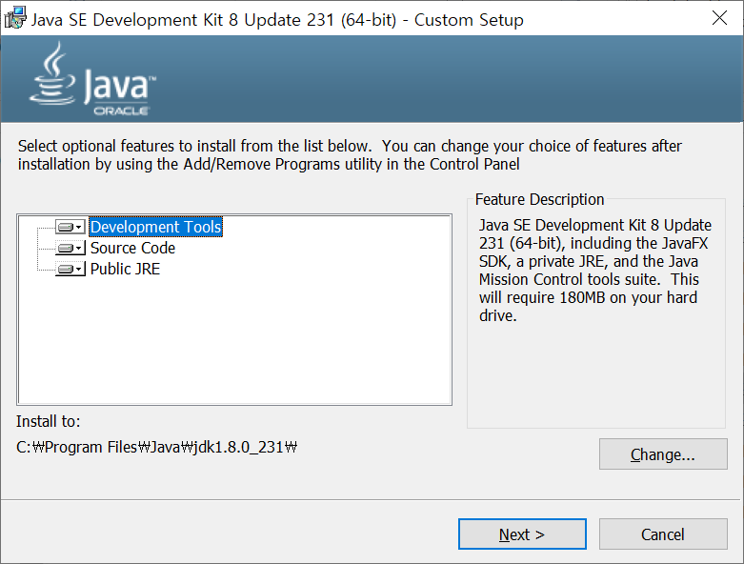

 | 1 | Java_home

 | 2 | Path

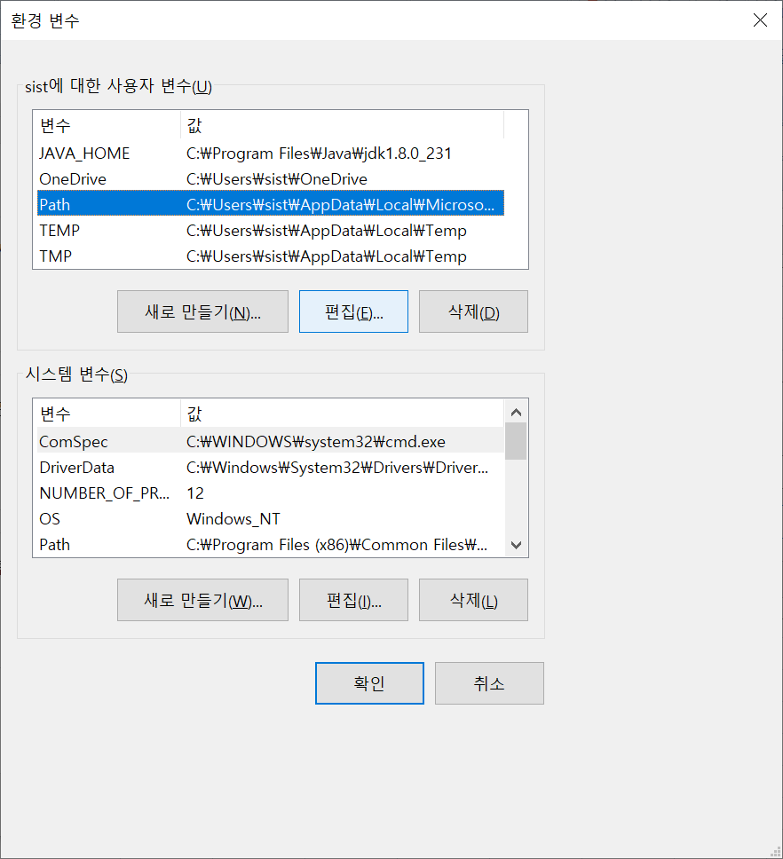

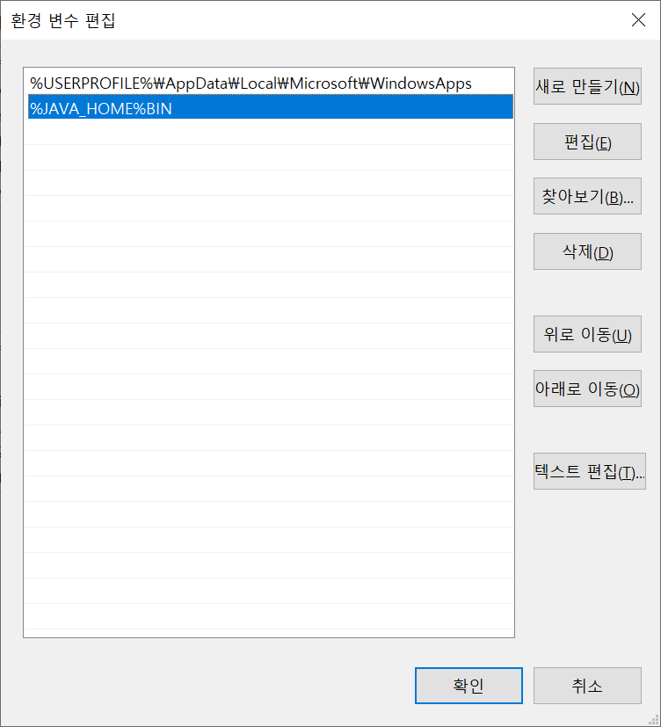

^

 | 3 | 검증
 |  |  | window key + R '-> cmd

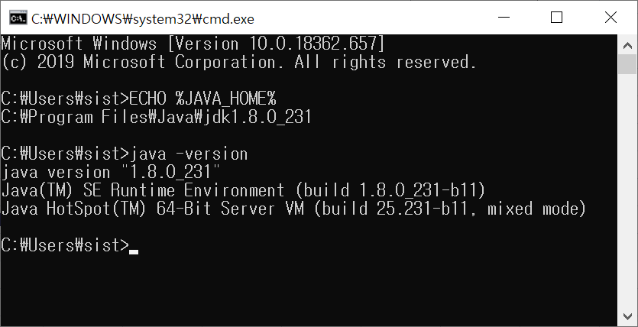

^

Oracle설치
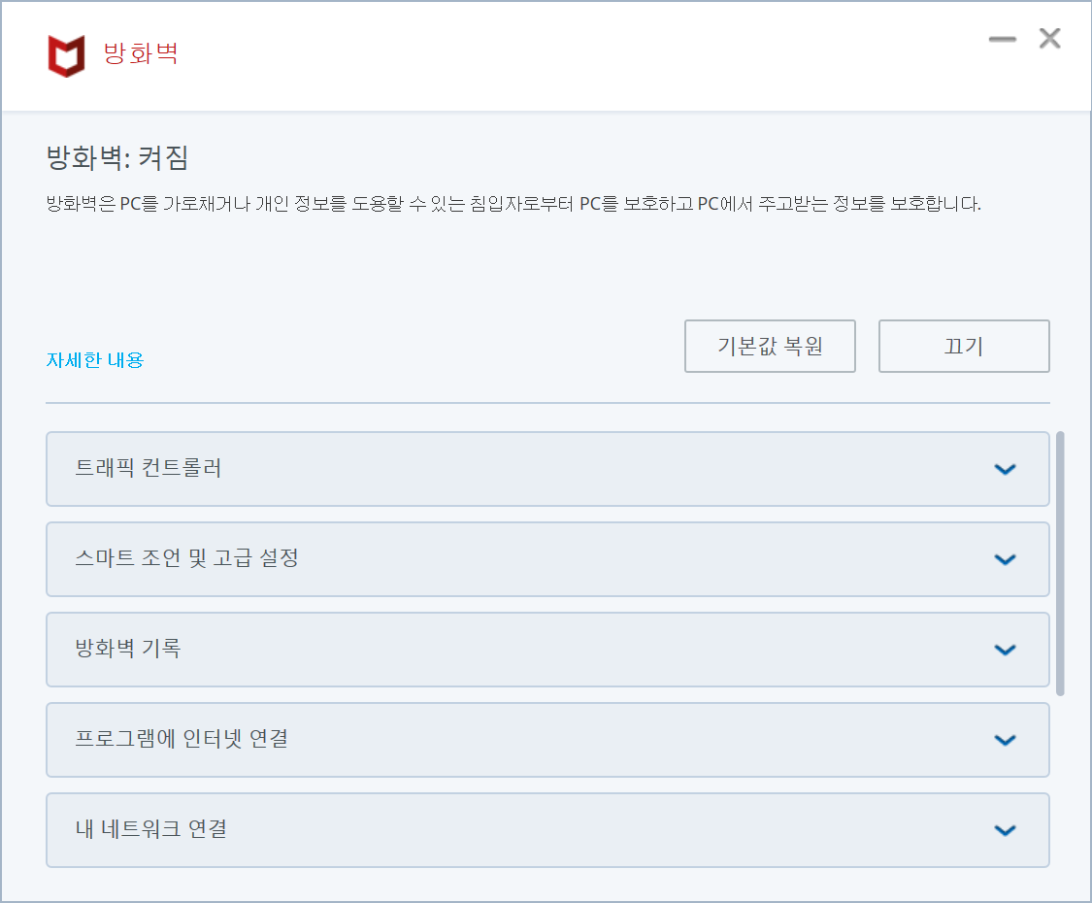
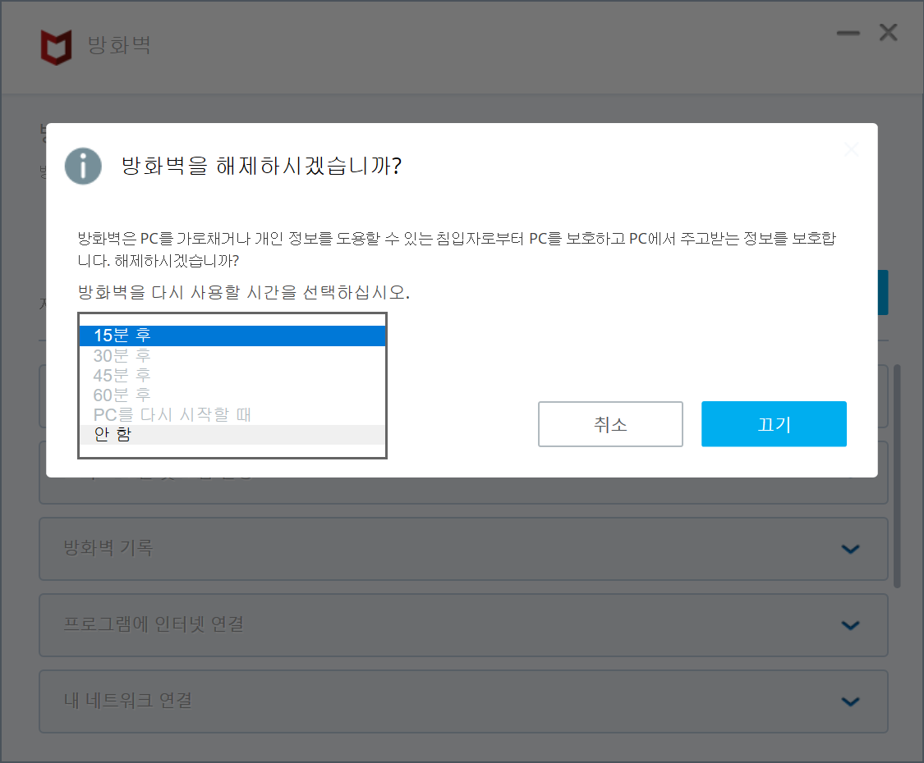
목 차

 | 우보천리(牛步千里)
 | 강사IP | \\211.238.142.124
 | Mail | jamesol@paran.com
 | Café | https://cafe.naver.com/kndjang

 | 1 | Install

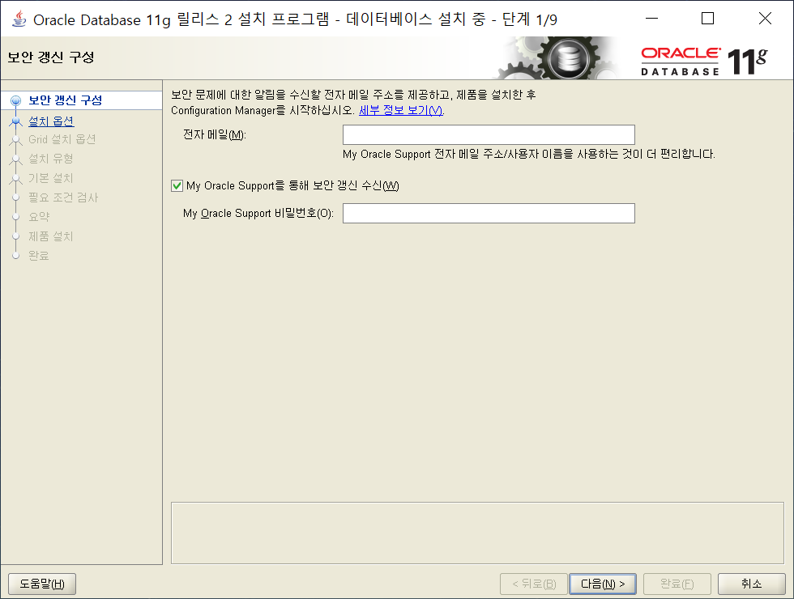

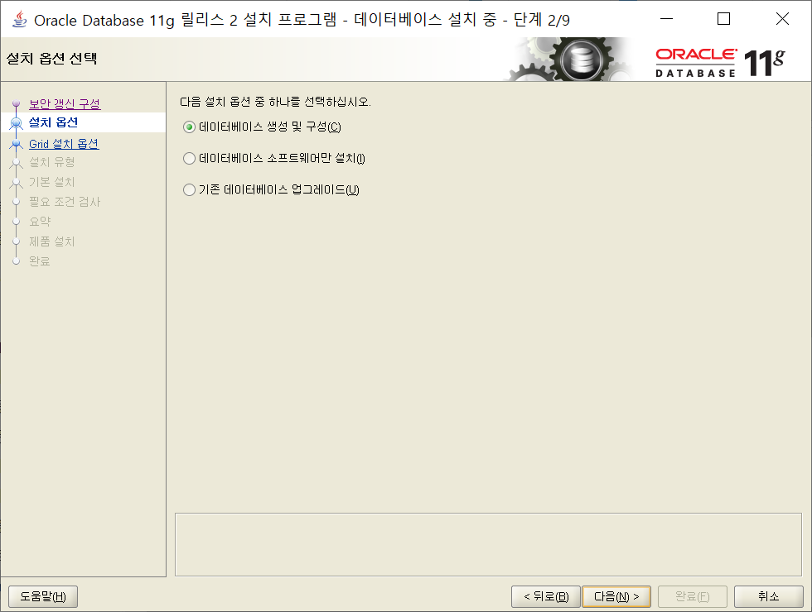

^

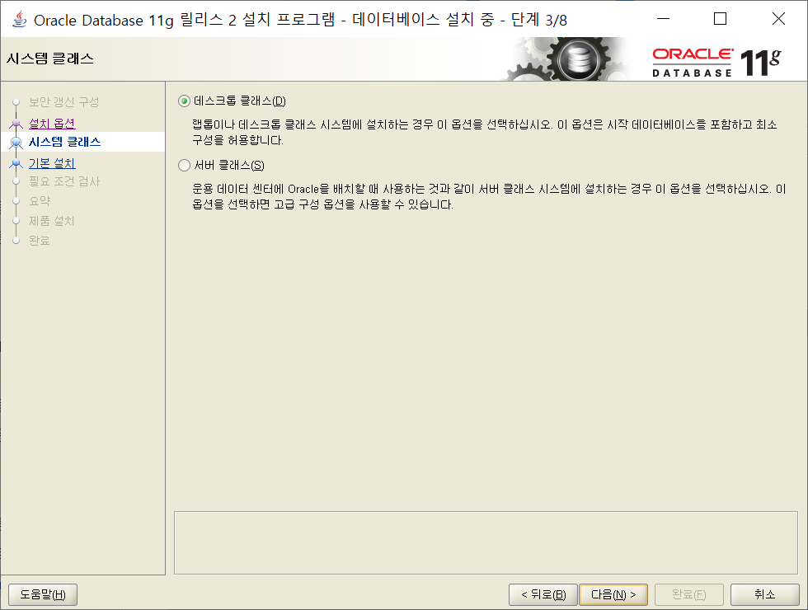

^

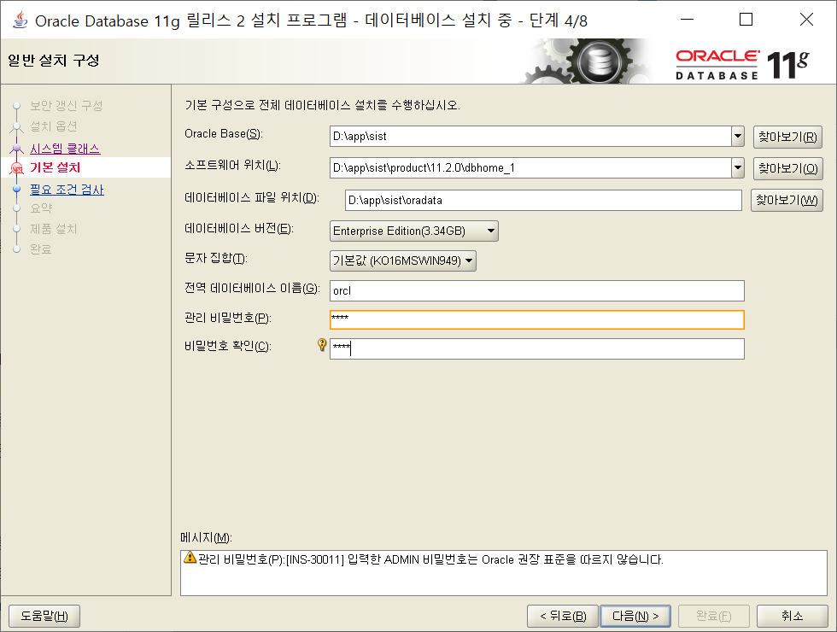

 |  | 0514

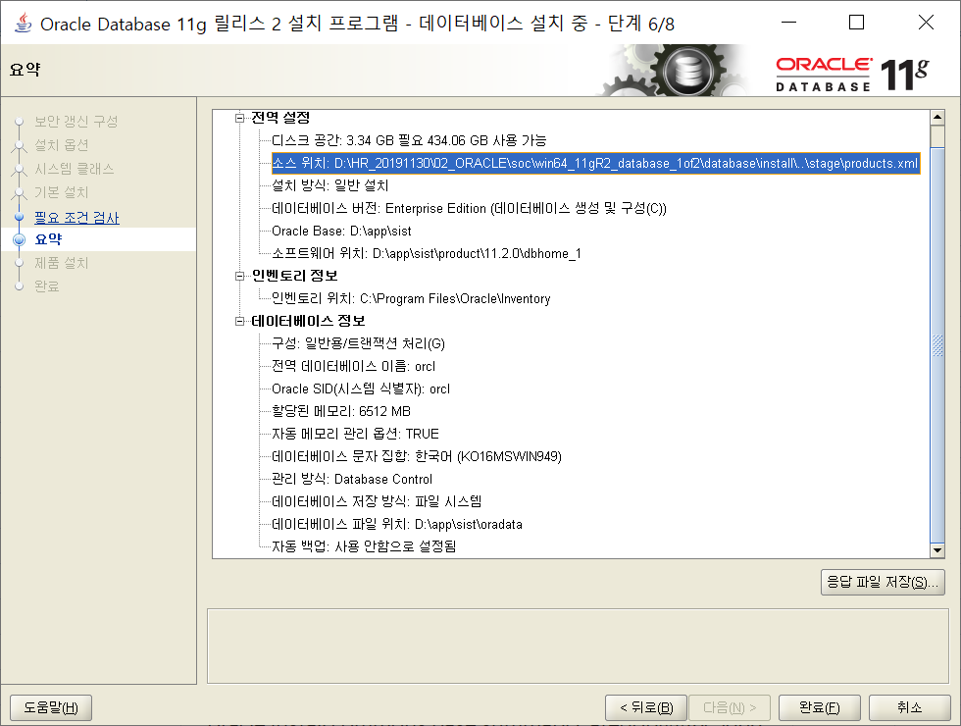

 |  |  | oracle.install.commons.base.summary.Summary@2e893a4a
 |  |  | oracle.install.commons.base.summary.Category@f6c9d06
 |  |  | oracle.install.commons.base.summary.Variable@4b423f99
 |  |  | oracle.install.commons.base.summary.Variable@93f5543b
 |  |  | oracle.install.commons.base.summary.Variable@914f025c
 |  |  | oracle.install.commons.base.summary.Variable@7fc3e375
 |  |  | oracle.install.commons.base.summary.Variable@f878658f
 |  |  | oracle.install.commons.base.summary.Variable@f87b539d
 |  |  | oracle.install.commons.base.summary.Category@93e5a8cd
 |  |  | oracle.install.commons.base.summary.Variable@b971c18f
 |  |  | oracle.install.commons.base.summary.Category@f68420e9
 |  |  | oracle.install.commons.base.summary.Variable@87a353ad
 |  |  | oracle.install.commons.base.summary.Variable@f8d06350
 |  |  | oracle.install.commons.base.summary.Variable@5aefb70
 |  |  | oracle.install.commons.base.summary.Variable@1ffa1784
 |  |  | oracle.install.commons.base.summary.Variable@eef1ddbb
 |  |  | oracle.install.commons.base.summary.Variable@3e3482ee
 |  |  | oracle.install.commons.base.summary.Variable@672b8502
 |  |  | oracle.install.commons.base.summary.Variable@e0ac9055
 |  |  | oracle.install.commons.base.summary.Variable@308992c5
 |  |  | oracle.install.commons.base.summary.Variable@c84b1691

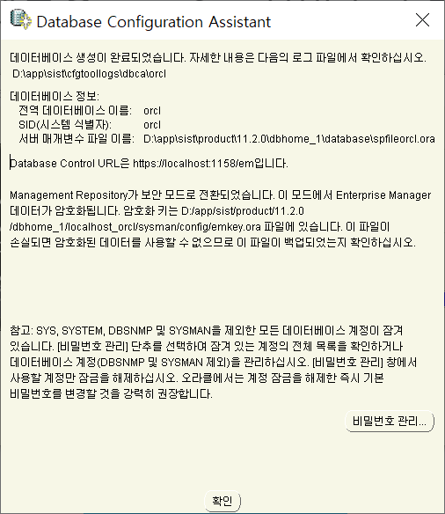

 |  | 방화벽끝기

SVN_CLIENT_SHARE_PROJECT
목 차

 | 우보천리(牛步千里)
 | 강사IP | \\211.238.142.124
 | Mail | jamesol@paran.com
 | Café | https://cafe.naver.com/kndjang

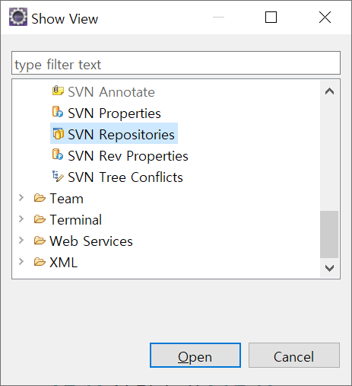

 |  | Share Project

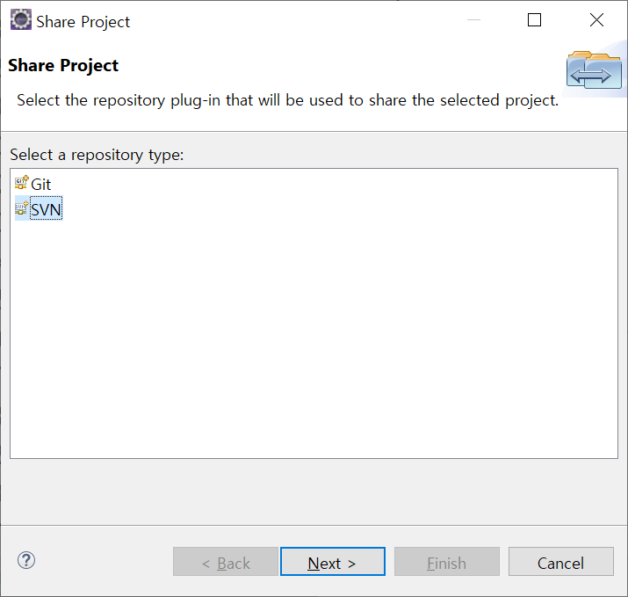

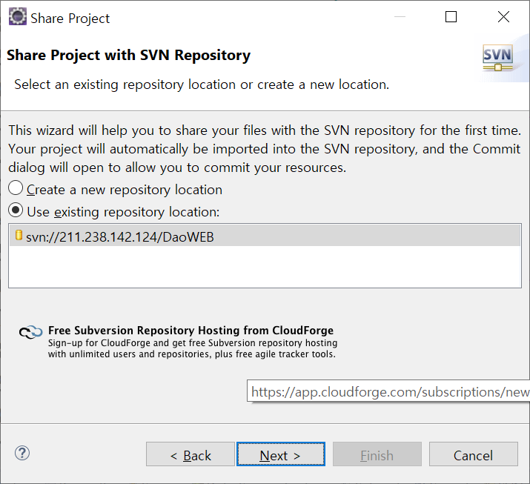

^

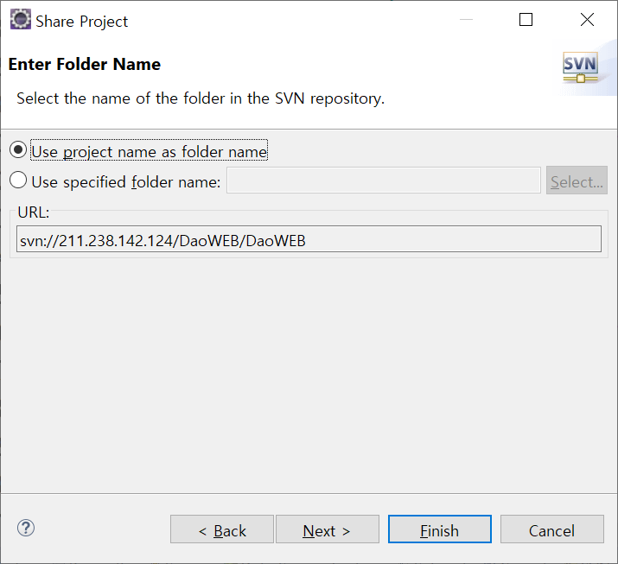

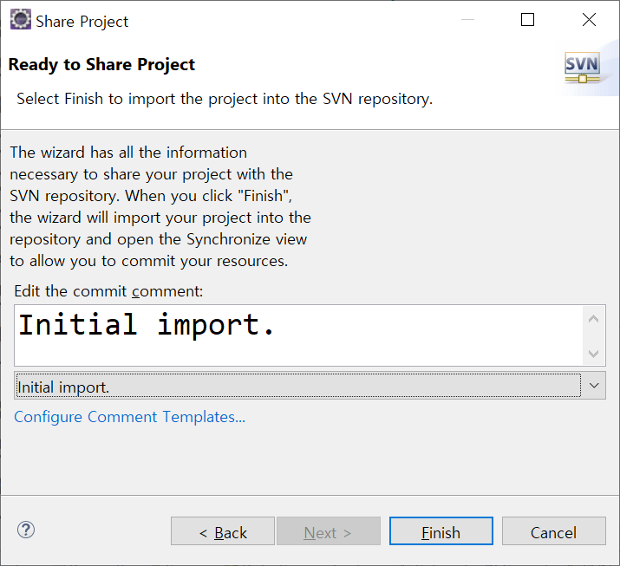

^

Window_스케줄
목 차

 | 우보천리(牛步千里)
 | 강사IP | \\211.238.142.124
 | Mail | jamesol@paran.com
 | Café | https://cafe.naver.com/kndjang

 | Windows 스케줄

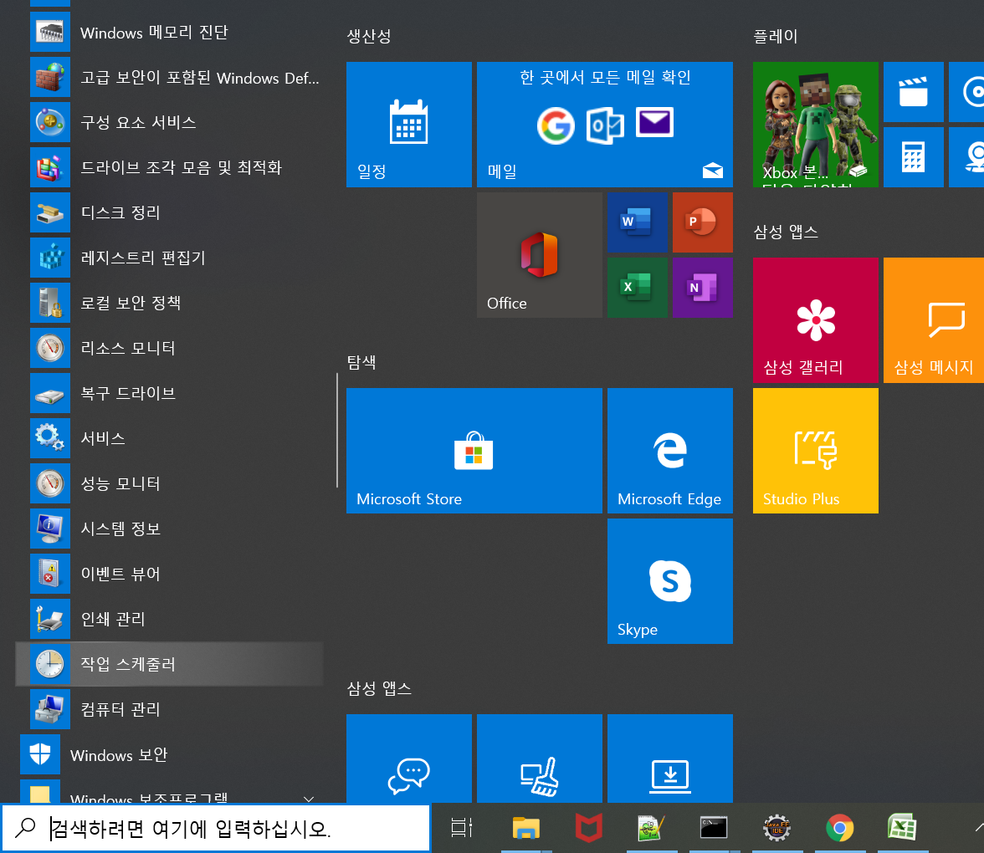

 |  | 작업 스케줄러 화면에서 "기본 작업 만들기..."를 클릭합니다.

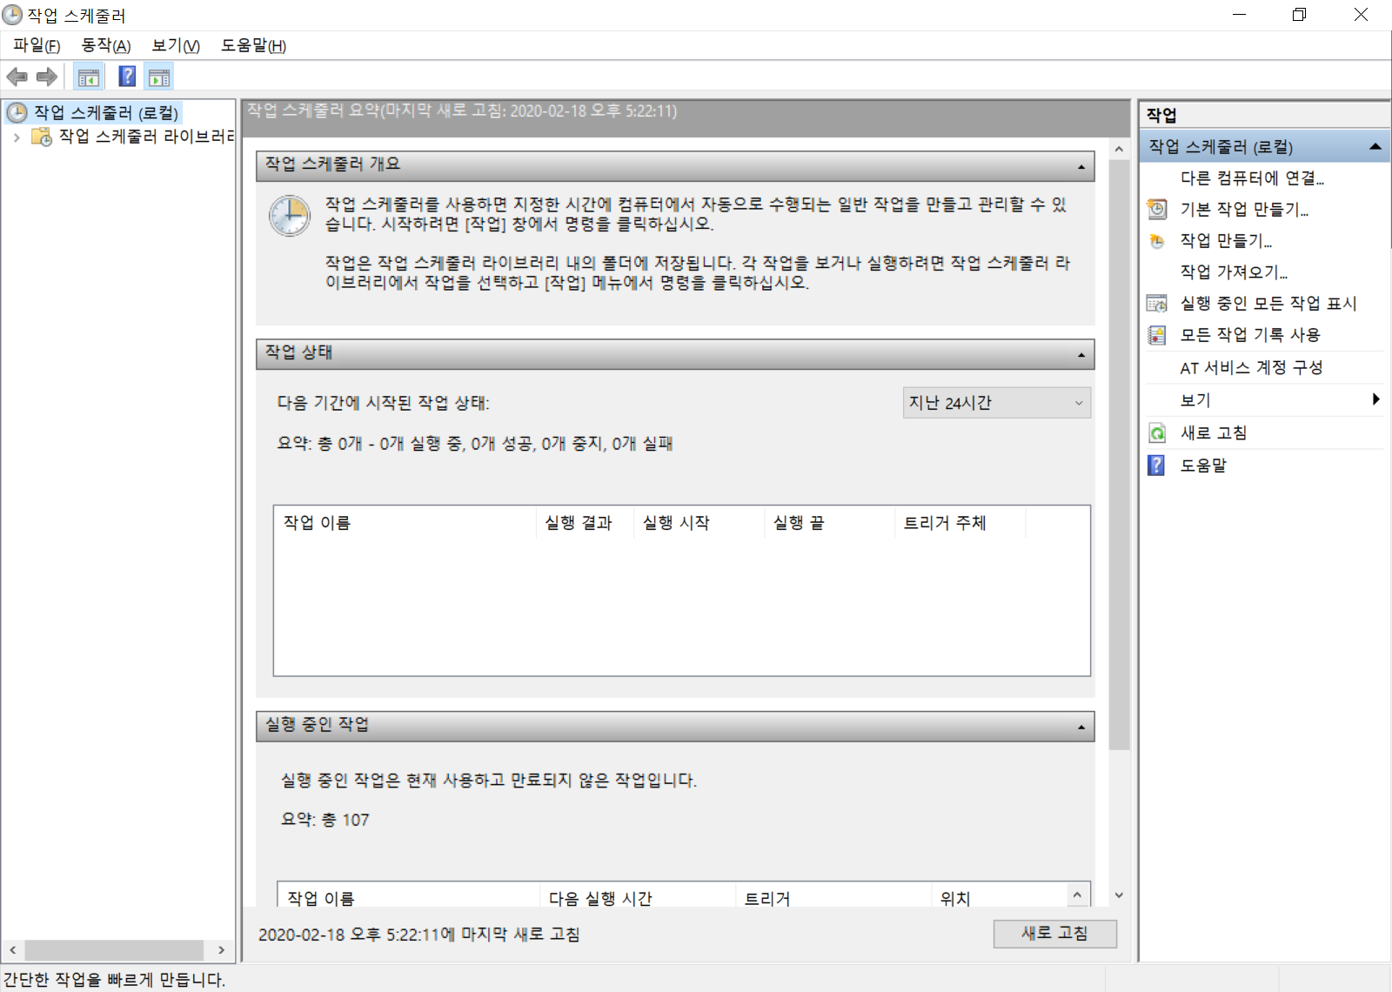
^

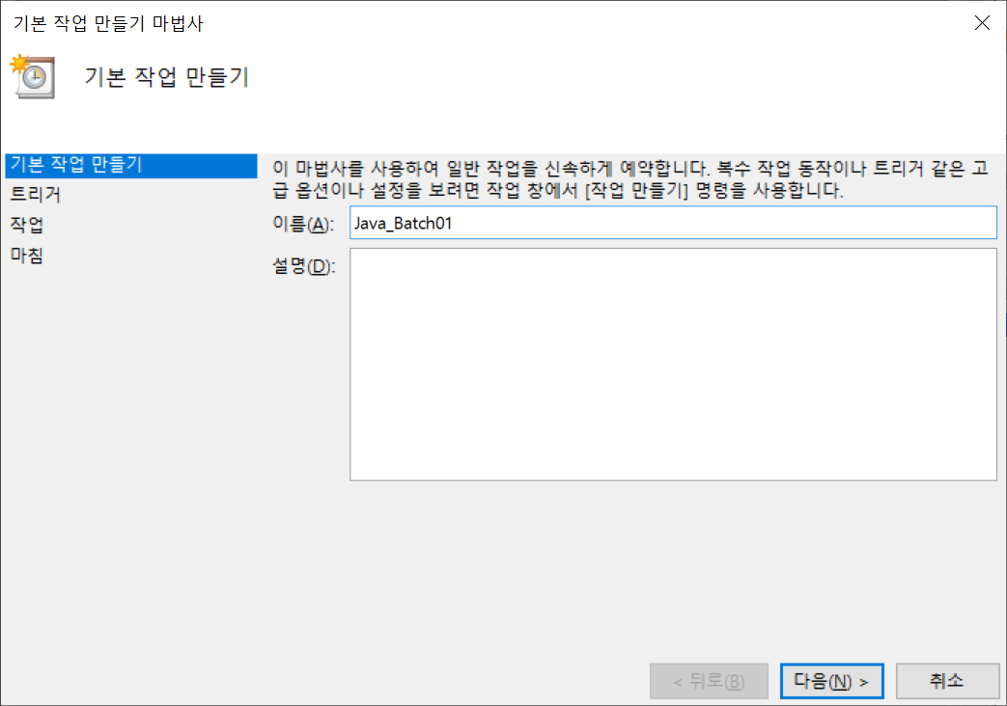

^

Temp
목 차
 | 우보천리(牛步千里)
 | 강사IP | \\211.238.142.124
 | Mail | jamesol@paran.com
 | Café | https://cafe.naver.com/kndjang
Top
left

contents

footer

 |  |  | MVC







