Sheet1
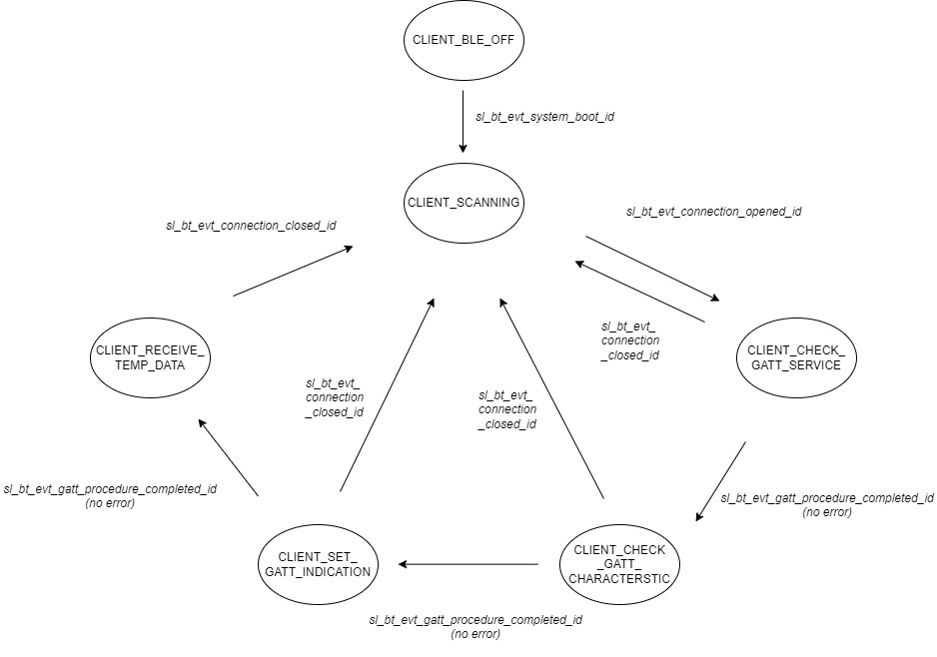
 | Client Command Table for A7

 | Use this table to help you design your program. Add rows as needed. | Use this column to describe when and what your LCD display changes to for rows like DISPLAY_ROW_CONNECTION | Use this column to denote if BT stack events cause your state machine to advance, you can put an X in the cell to note this. Drawing a bubble diagram of your state machine might also be a good idea 👍. | Commands that may be useful: sl_bt_gatt_discover_primary_services_by_uuid() sl_bt_gatt_discover_characteristics_by_uuid()
 | Event | LCD Display State | Advances State Machine | Commands called in response to event | Notes
Events Common to Slaves/Clients
 | sl_bt_evt_system_boot_id |  |  | This event is generated on stack boot up | You can also document in column D values that need to be saved in response to receiving BT stack events.
 |  |  |  | sl_bt_system_get_identity_address() | To get address of device
 |  |  |  | sl_bt_scanner_set_parameters() | Set phy to 1M and mode to passive scanning
 |  |  |  |  | Set phy to 1M, scan interval to 50ms and scan window to 25ms
 |  |  |  |  | Things to be aware of: Scanning is now controlled by a software component. The Bluetooth SoC Empty project includes software component "Scanner for legacy advertisements” which creates event sl_bt_evt_scanner_legacy_advertisement_report_id, which is what we are currently doing in our Sever implementations (sending what SiLabs refers to as legacy advertisements).
 |  |  |  | sl_bt_connection_set_default_parameters() | See the assignment document for these values
 |  | DISPLAY_ROW_NAME, "Client" DISPLAY_ROW_BTADDR, client_addr DISPLAY_ROW_CONNECTION, "Discovering" DISPLAY_ROW_ASSIGNMENT, "A7" | X (BLE_OFF -> SCANNING) | sl_bt_scanner_start() | You should start and stop scanning just like you did with advertising for a Server.

 | sl_bt_evt_connection_opened_id
 |  | DISPLAY_ROW_CONNECTION, "Connected" DISPLAY_ROW_BTADDR2, server_addr | X (SCANNING -> GATT_SERVICE) | sl_bt_gatt_discover_primary_services_by_uuid() | Discover Health Thermometer Service (uuid = 0x1809)

 | sl_bt_evt_connection_closed_id | DISPLAY_ROW_CONNECTION, "Discovering" DISPLAY_ROW_BTADDR2, "" DISPLAY_ROW_TEMPVALUE, "" | X (ANY_STATE -> SCANNING) | sl_bt_scanner_start() | Start scanning for server again (for new potential connection)

 | sl_bt_evt_system_soft_timer_id |  |  | This event indicates that a soft timer has expired. displayUpdate() - not a BLE function | Prevent charge build-up on LCD

Events only for Masters/Clients
 | sl_bt_evt_scanner_legacy_advertisement_report_id |  |  | Received for advertising or scan response packets generated by: sl_bt_scanner_start(). Is the bd_addr, packet_type and address_type what we expect for our Server? If yes: sl_bt_scanner_stop() sl_bt_connection_open()
 | sl_bt_evt_gatt_procedure_completed_id |  |  | We get this event when it’s ok to call the next GATT command. It’s a good idea to check for returned error codes. This would be a great event to use to sequence your new state machine. | Do not build your state machine into your handle_ble_event() function! Instead build a new state machine for A7.
 |  |  | X (GATT_SERVICE -> GATT_CHARACTERISTIC) | sl_bt_gatt_discover_characteristics_by_uuid() | only when STATE = CLIENT_CHECK_GATT_SERVICE Look for Temperature Measurement Characteristic (uuid = 0x2A1C)
 |  |  | X (GATT_CHARACTERISTIC -> GATT_INDICATION | sl_bt_gatt_set_characteristic_notification() | only when STATE = CLIENT_CHECK_GATT_CHARACTERSTIC Set indication for Temp. Measurement (uuid = 0x2A1C)
 |  | DISPLAY_ROW_CONNECTION, "Handling Indications" | X (GATT_INDICATION -> RECEIVE_TEMP_DATA) | update_flag_for_indication() | only when CLIENT_SET_GATT_INDICATION no ble function called, update flag for indication
 | sl_bt_evt_gatt_service_id |  |  | A GATT service in the remote GATT database was discovered update_flag_for_service() | Discovered Health Thermometer Service(uuid = 0x1809), store data for state update later
 | sl_bt_evt_gatt_characteristic_id |  |  | A GATT characteristic in the remote GATT database was discovered update_flag_for_characteristic() | Discovered Temperature Measurement Characteristic (uuid = 0x2A1C), store data for state update later
 | sl_bt_evt_gatt_characteristic_value_id | DISPLAY_ROW_TEMPVALUE, "Temp=%d", temperature |  | If an indication or notification has been enabled for a characteristic, this event is triggered whenever an indication or notification is received from the remote GATT server. Is the characteristic handle and att_opcode we expect? If yes: sl_bt_gatt_send_characteristic_confirmation() | Indication enabled for Temperature Measurement (uuid = 0x2A1C)

