Sheet1
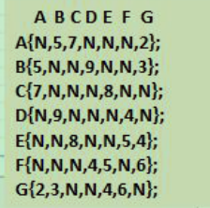
已经访问过的节点 |  | G | A
0 | 0 |  | 1
1 | 0
2 | 0
3 | 0
4 | 0
5 | 0
6 | 0 | 1

距离表
0 | 65535 | 2 | G->A ->A | 2+N > N
1 | 65535 | 3 | G->A->B | 2+5 < N
2 | 65535 | 65535 | G->A->C | 2+7 < N
3 | 65535 | 65535 | G->A->D | 2+N > N
4 | 65535 | 4 | G->A->E | 2+N > N
5 | 65535 | 6 | G->A->F | 2+N > N
6 | 65535 | 65535 | G->A->G | 2+2 < N

前驱表
0 | 0 | 6(G)
1 | 0 | 6(G) |  | 0(A)
2 | 0 | 0 |  | 0(A)
3 | 0 | 0
4 | 0 | 6(G)
5 | 0 | 6(G)
6 | 0 | 0 |  | 0(A)

