Sheet1
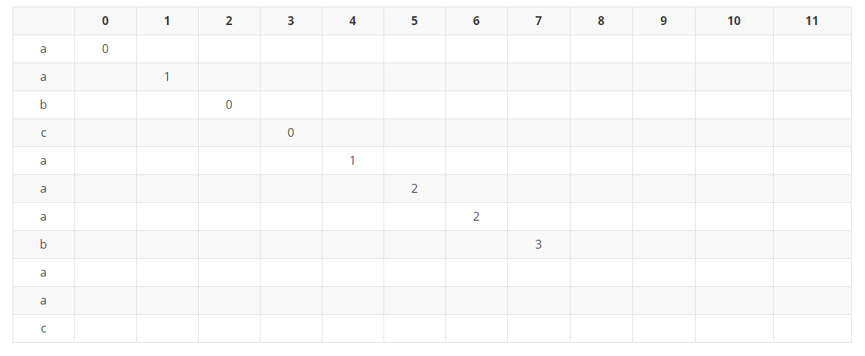
j > 0

i = 1; j = 0; str[i] = a; str[j] = a; str[i] == str[j] ---> j +1 = 0+1 = 1;

i = 2; j = 1; str[i] = b; str[j] = a; str[i] != str[j] ---> j-1 = 1-1 = 0

i = 3; j = 0; str[i] = c; str[j] = a; str[i] != str[j] ---> j-1 = 0-1 = 0

i = 4; j = 0; str[i] = a; str[j] = a; str[i] == str[j] ---> j +1 = 0+1 = 1;

i = 5; j = 1; str[i] = a; str[j] = a; str[i] == str[j] ---> j +1 = 1+1 = 2;

i = 6; j = 2; str[i] = a; str[j] = a; str[i] != str[j] ---> j -1 = 2-1 = 1;
回溯到j= 1的时候，str[i]= a; str[j] = a;str[i] == str[j]---> j+1 = 1+1 = 2;

i = 7; j = 2; str[i] = b; str[j] = b; str[i] == str[j] ---> j +1 = 2+1 = 3;

