SWUTR-Issue List
SWUT - List of Defect |  |  | VW_AQ_EOP

TC ID | Name | Submit Data (YYYY-MM-DD) | Defect Description | Product Stage | Defected SW Ver. | Defected SWDDS Ver. | Procedure | Expected output | Actual output | Defect Type | 김동수 엔지니어 검토 | SW Team comment_1 | Test Team comment_1 | SW Team comment_2 | Test Team comment_2
SWUTS.2.2.59_1 | RteApp_WriteRefCur | 2021-12-27 | 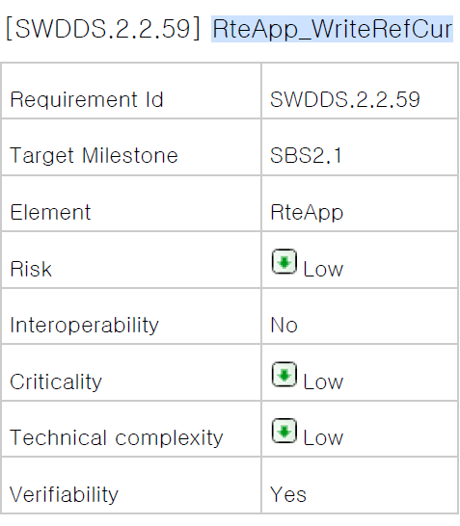 CT에서는 존재하지만 SWDDS에서는 존재하지 않는 코드((예시 |  |  | SWDDS.2.2.59 |  |  |  | Design and Code mismatch

