SWUTR-Issue List
SWUT - List of Defect |  |  | VW_AQ_EOP

■ Conclusion State Summary |  |  | ■ Defect Type Summary
Open | 1 |  | Abnormal Execution | 0
Close | 0 |  | Software Design Error | 0
Justification | 0 |  | Unreachable Code | 0
Total | 1 |  | Uncovered Condition | 1
 |  |  | Total | 1

TC ID | Submit Data (YYYY-MM-DD) | Product Stage | Defected SW Ver. | Defected SWDDS Ver. | Defect Description | Defect Type | Procedure | Expected output | Actual output | Current State | SW Team comment_1 | Test Team comment_1 | SW Team comment_2 | Test Team comment_2
SWUTS-F.3.3.1.11.2_1 | 2022-03-15 |  | - | SWDDS.3.3.1.11.2 | 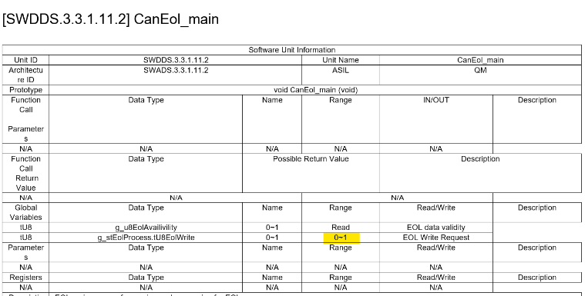 SWDDS상에서 g_stEolProcess.tU8EolWrite 의 입출력 상태가 기재되어 있지 않음 | Uncovered Condition | 4 | - | - | Open
 | SNT : 제 입장에서는 필요 없음 | SNT : 일괄적으로 입력 가능 | SNT : 일괄적으로 입력 가능 | SNT : 일괄적으로 입력 가능

