Sheet1
Skills set | Strengthen | Remarks
C | struct, enum, union, pointer, volatile/non-volatile, inline function, macro function, pragma, pass by value/reference, pointer function | 1. struct in C only define parameters 2. inline & macro to be used in case performance increasement is more importance, with normal function, when main call it, main is interrupted and go to that function executes the calculation then return to main and so on. 3. pass by value only refer inputs value but not change origin value of inputs. 4. pass by reference can change origin value of inputs. 5. volatile : it tell compiler that this variable value can be changed anywhere in the code, hence to ask compiler don't optimize that variable. Incase that variable does not change during running time, non-volatile variable to be considered (similar to calibartion in EMS ECU), just simple declare it as normal variable but does not change its value. 6. #pragma : is to avoid multiple including header/source files, locate variable into one memomy section 7. reference: A reference variable is an alias, that is, another name for an already existing variable. Once a reference is initialized with a variable, either the variable name or the reference name may be used to refer to the variable.
C++ | OOP, constructor, destructor, class & object, encapsulation, inheritance, polymophism (overloading), abstraction (overriding), multi-threading, template class, virtual/friend/static function, exception, reference, void pointer, const pointer (const parameter/const return value/const function), lambda expression, up/down casting, type casting | 1. struct in C++ can define function 2. derived class must defines its self constructor which is inherited from superclass 3. abstraction is going along with 'virtual' keyword, also call overriding 4. Polymophism also call overloading 5. void pointer is a pointer can point to address of any data type 6. const pointer: const in left of * à its value is const; const in right of * à its address is const; const in both side of * à both value & address is const 7. const parameter (e.g void max(const int& input)): where input is const and cannot be changed inside function 8. const return value (e.g const int& max(int input) {return input;}): where return value (input) is const and cannot be changed 9. const function (e.g int max(int input) const { return input; }): where it cannot use non-const variable or function 10. template have 2 types: class template and specialization template 11. static function can only access other static function or member of class but can access non-static member outside its class. It also can call without object of class from other place 12. friend function is the outside class function with access right to specific class by using friend keyword declaring it inside the class it want access to
Hardware | 32bits MCU, ROM, RAM, NVRAM, memory
System | Linux, RTOS
Communication protocols | UART, I2C, SPI, USB, TCP/IP, HTTP, Ethernet, RS232, RS485, | Focus point
Tool | GIT, Github | C/C++ (inheritance, pointer, template)
Process | V-model, SCRUM, Agile,.. | Linux environment
Languages | scripting language, Python | multi-threading, resource sharing, memory management
Other | multi-threading and resource-sharing, memory management | Github

 |  | Unit2 - create kernel module
Linux command line |  | 1. types of linux kernel:
cd | move to root folder | - Build-in kernel: kernel device driver is loaded in initialization phase
cd [directory] | move to folder | - Kernel module: can be loaded during linux kernel operation
vim [file] | open file | 2. .ko (kernel object) is known as kernel module
rm [file] | remove file | 3. .ko is generated via makefile
mv | move file | 4. insmod: to load .ko file into OS, must grant access right to load .ko file by sudo command
clear | clear command line | 5. lsmod: list all kernel module are currently loaded in OS
g++ [file] | build file | 6. rmmod: unload kernel module (.ko)
./[file.out] | run program file | 7. multi-threading concept: in linux OS, there are several kernel module (.ko) and they are unique to OS, when .ko1 use .ko2 resource, it calls threading (using resource of other kernel module)
sudo apt install [program] | install a program from apt | 8. cannot unload a kernel module while it is using by other module
sudo apt update | update apt list
ls | list all file/folder | Unit4 - application/hardware interaction
date | current time and date | application interacts with hardware through device file, including read/write data from/to device driver
cal | display calendar
exit | exit command | Unit5 - event handling
cp | copy file | when OS receives task from user, it should block current job to handle the task upon priority
tab button | auto completion | 1. three types of event
insmod | to load .ko file into OS | - polling handler
lsmod | list all kernel modules are currently loaded in OS | - interrupt handling: event comes outside system
rmmod | unload kernel module (.ko) | - exception: event comes within system
dmesg | get log of OS | 2. interrupt kind
mkdir [folder name] | create new folder | - hard interrupt by hardware (switch, button, mouse,..)
 |  | - soft interrupt by software (system call a child function,..)
Inter process communication |  | 3. interrupt and exception address are stored in vector table
2 types of IPC: |  | 4. handle via virtual address, cannot access direct to physical address
1. independent processes: not affected or be affected by other processes
2. cooperative processes: can affect or can be affected by other processes -> share data with other processes |  | Unit6 - process (execution file .exe)
Cooperative processes required IPC which allow process exchange data and communicate with other process |  | process in linux also consider environment (folder path,..) and evironment is passed via main arguments (argc, agrv[])
IPC: (1) shared memory (2) message passing
(1) shared memory
create common memory region and used it as common among processes
so that processes can exchange information by reading or writing data to the shared memory
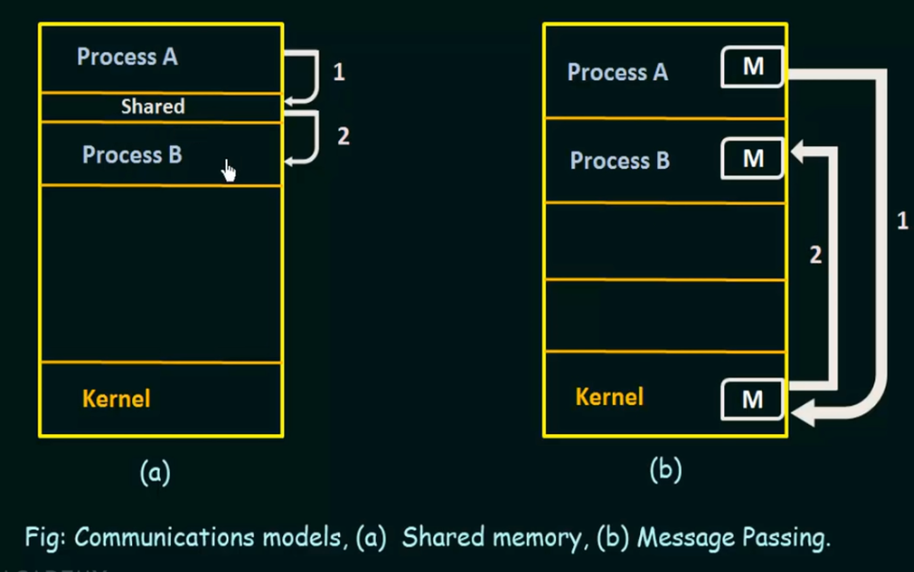

- shared memory region is created resides in address space of process creating it
- other process want to use this shared memory must attach it into their address space
- normally, OS prevent one process accessing another process's memory
- shared memory requires 2 or more processes allow to access another process's memory
Two kind of buffer:
(+) Unbounded buffer: no limitted size
process consumes information might wait if buffer is empty
process produces information can always creating information
(+) Bounded buffer: limit size
process consumes information might wait if buffer is empty
process produces information may wait if buffer is full until it is consumed

(2) message passing
one process send message to kernel then kernel send message to received process
must have communication link among processes
types of communication link:
1. direct or indirect
direct -> process must specify the name of recipent or sender process
(name the recipent or sender directly by another process, and link is only between 2 processes)
indirect -> communicate via shared mailbox or port, link might more than 2 processes
2. synchronous or asynchronous
synchronous send: the sending process is blocked until the message is received by receiving process or by mailbox/port
synchronous receive: the receiver blocks until message is available
asynchronous send: the sending process sends the message and resumes its operation
asynchronous receive: the receiver retrieves either a valid message or null
3. Automatic or explicit

