Sheet2
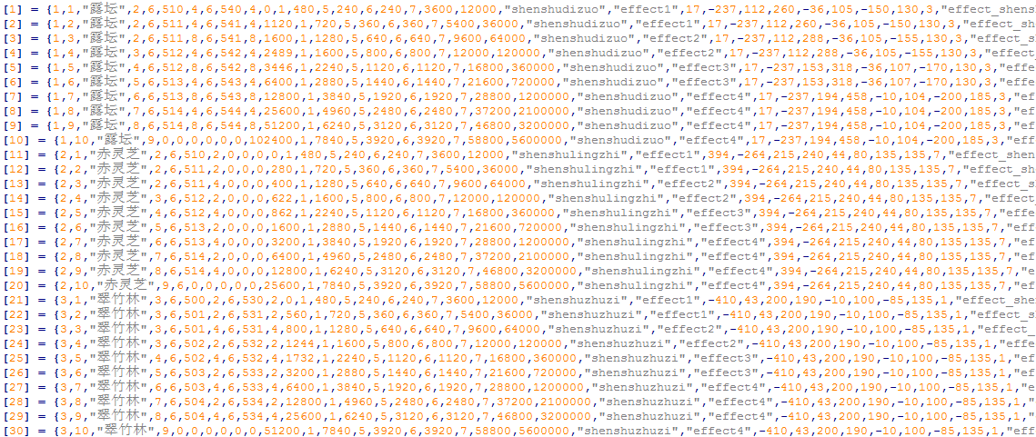

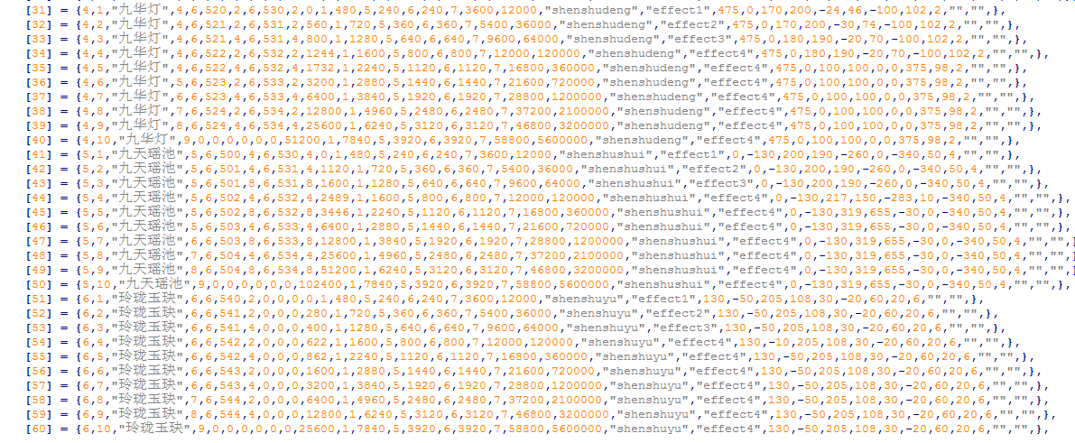

2 | 1 | 赤灵芝 | 3 | 6 | 500 | 1 | 0 | 1 | 480 | 5 | 240 | 6 | 240 | 7 | 3600 | 9000 | img_homeland_ganoderma01 | shenshulingzhi | effect1 | 400 | -264 | 196 | 215 | 44 | 98 | 135 | 135 | 7 | effect_shenshu_lingzhishengji | effect_shenshu_lingzhishengji
2 | 2 | 赤灵芝 |  | 6 | 501 | 1 | 280 | 1 | 720 | 5 | 360 | 6 | 360 | 7 | 5400 | 18000 | img_homeland_ganoderma01 | shenshulingzhi | effect1 | 400 | -264 | 196 | 215 | 44 | 98 | 135 | 135 | 7 | effect_shenshu_lingzhishengji | effect_shenshu_lingzhishengji | effect_shenshugaojie_lingzhi

