Sheet1
No | Type | Manufacturer | Part Number | Vehicle | OEM | Picture | Url | Price | Note 1 | Note 2 | Camshaft Sprocket Material | Keyway Adjustable | Sprockets Included | Timing Chain Type | Json_Src | Info | Choose | Json_Price | Json_Note 1 | Json_Note 2 | Json_Specification | Json_Kit | Group | Type Code | Part Code | JOIN_MPNTCPC
1 | Timing Chain & Component Kit | MELLING | 30250S | MAZDA 3 2004-2007 MAZDA 5 2006-2007 MAZDA 6 2003-2007 |  | 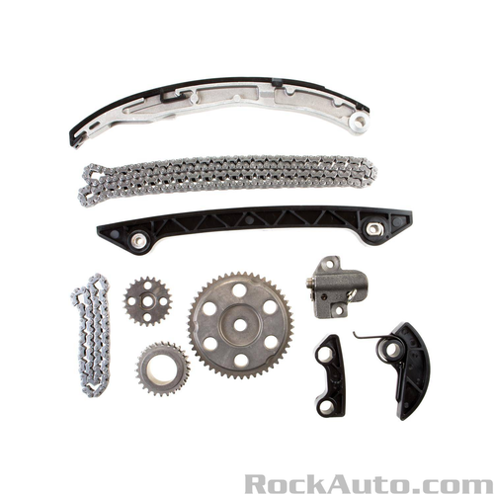 | https://www.rockauto.com/en/parts/melling,30250S,timing+chain+&+component+kit,5756 | $171.79 |  | Category: Timing Chain &amp; Component Kit | High Alloy Steel | No | Yes | Silent | {"0": "https://www.rockauto.com/info/583/3-0250S-1-KIT.jpg", "1": "https://www.rockauto.com/info/583/BT7015-2-SID.jpg", "2": "https://www.rockauto.com/info/583/BG5515-1-SID.jpg", "3": "https://www.rockauto.com/info/583/715F-1-ANG.jpg", "4": "https://www.rockauto.com/info/583/S906A-1-ANG.jpg", "5": "https://www.rockauto.com/info/583/BT5514-1-ANG.jpg", "6": "https://www.rockauto.com/info/583/717F-1-ANG.jpg", "7": "https://www.rockauto.com/info/583/BT7016-1-TOP.jpg", "8": "https://www.rockauto.com/info/583/S899-1-ANG.jpg", "9": "https://www.rockauto.com/info/583/S905-1-FRO.jpg", "10": "https://www.rockauto.com/info/583/BG7019-2-SID.jpg"} | https://www.rockauto.com/en/moreinfo.php?pk=8304960&cc=0&pt=5756 |  | {"0": "$171.79"} | {} | {"0": "Category: Timing Chain &amp; Component Kit"} | {"0": {"0": "Camshaft Sprocket Material", "1": "High Alloy Steel"}, "1": {"0": "Keyway Adjustable", "1": "No"}, "2": {"0": "Sprockets Included", "1": "Yes"}, "3": {"0": "Timing Chain Type", "1": "Silent"}} | {"0": {"Kit_Quantity": 1, "Kit_Type": "Timing Chain", "Kit_Type Code": "5724", "Kit_Part Code": "8306448", "Kit_Part Number": "715F", "Kit_Manufacturer": "MELLING", "Kit_Url": "https://www.rockauto.com/en/parts/MELLING,715F,Timing Chain,5724", "Kit_Info": "https://www.rockauto.com/en/moreinfo.php?pk=8306448&cc=0&pt=5724", "Kit_Json_Src": "{\"0\": \"https://www.rockauto.com/info/583/715F-1-ANG.jpg\"}", "Kit_JOIN_MPNTCPC": "MELLING;715F;5724;8306448"}, "1": {"Kit_Quantity": 1, "Kit_Type": "Timing Chain Guide / Damper", "Kit_Type Code": "5728", "Kit_Part Code": "8307424", "Kit_Part Number": "BG5515", "Kit_Manufacturer": "MELLING", "Kit_Url": "https://www.rockauto.com/en/parts/MELLING,BG5515,Timing Chain Guide / Damper,5728", "Kit_Info": "https://www.rockauto.com/en/moreinfo.php?pk=8307424&cc=0&pt=5728", "Kit_Json_Src": "{\"0\": \"https://www.rockauto.com/info/583/BG5515-1-SID.jpg\"}", "Kit_JOIN_MPNTCPC": "MELLING;BG5515;5728;8307424"}, "2": {"Kit_Quantity": 1, "Kit_Type": "Timing Chain Tensioner", "Kit_Type Code": "5736", "Kit_Part Code": "8308132", "Kit_Part Number": "BT5514", "Kit_Manufacturer": "MELLING", "Kit_Url": "https://www.rockauto.com/en/parts/MELLING,BT5514,Timing Chain Tensioner,5736", "Kit_Info": "https://www.rockauto.com/en/moreinfo.php?pk=8308132&cc=0&pt=5736", "Kit_Json_Src": "{\"0\": \"https://www.rockauto.com/info/583/BT5514-1-ANG.jpg\", \"1\": \"https://www.rockauto.com/info/583/BT5514-2-TOP.jpg\"}", "Kit_JOIN_MPNTCPC": "MELLING;BT5514;5736;8308132"}, "3": {"Kit_Quantity": 1, "Kit_Type": "Timing Chain Guide / Damper", "Kit_Type Code": "5728", "Kit_Part Code": "8308292", "Kit_Part Number": "BT7015", "Kit_Manufacturer": "MELLING", "Kit_Url": "https://www.rockauto.com/en/parts/MELLING,BT7015,Timing Chain Guide / Damper,5728", "Kit_Info": "https://www.rockauto.com/en/moreinfo.php?pk=8308292&cc=0&pt=5728", "Kit_Json_Src": "{\"0\": \"https://www.rockauto.com/info/583/BT7015-2-SID.jpg\", \"1\": \"https://www.rockauto.com/info/583/BT7015-1-TOP.jpg\"}", "Kit_ | Engine | 5756 | 8304960 | MELLING;30250S;5756;8304960
2 | Timing Chain & Component Kit | MELLING | 30250SX | MAZDA 3 2004-2007 MAZDA 5 2006-2007 MAZDA 6 2003-2007 |  | 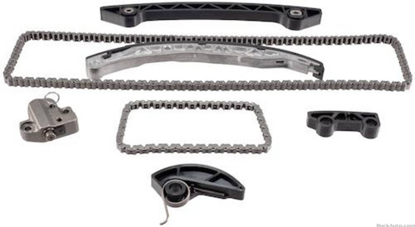 | https://www.rockauto.com/en/parts/melling,30250SX,timing+chain+&+component+kit,5756 | $134.89 | Does Not Include Sprockets | Category: Timing Chain &amp; Component Kit |  |  | No | Silent | {"0": "https://www.rockauto.com/info/583/3-0250SX-1-KIT.jpg", "1": "https://www.rockauto.com/info/583/BT7015-2-SID.jpg", "2": "https://www.rockauto.com/info/583/BG5515-1-SID.jpg", "3": "https://www.rockauto.com/info/583/715F-1-ANG.jpg", "4": "https://www.rockauto.com/info/583/BT5514-1-ANG.jpg", "5": "https://www.rockauto.com/info/583/717F-1-ANG.jpg", "6": "https://www.rockauto.com/info/583/BT7016-1-TOP.jpg", "7": "https://www.rockauto.com/info/583/BG7019-2-SID.jpg"} | https://www.rockauto.com/en/moreinfo.php?pk=11158045&cc=0&pt=5756 |  | {"0": "$134.89"} | {"0": "Does Not Include Sprockets"} | {"0": "Category: Timing Chain &amp; Component Kit"} | {"0": {"0": "Sprockets Included", "1": "No"}, "1": {"0": "Timing Chain Type", "1": "Silent"}} | {"0": {"Kit_Quantity": 1, "Kit_Type": "Timing Chain", "Kit_Type Code": "5724", "Kit_Part Code": "8306448", "Kit_Part Number": "715F", "Kit_Manufacturer": "MELLING", "Kit_Url": "https://www.rockauto.com/en/parts/MELLING,715F,Timing Chain,5724", "Kit_Info": "https://www.rockauto.com/en/moreinfo.php?pk=8306448&cc=0&pt=5724", "Kit_Json_Src": "{\"0\": \"https://www.rockauto.com/info/583/715F-1-ANG.jpg\"}", "Kit_JOIN_MPNTCPC": "MELLING;715F;5724;8306448"}, "1": {"Kit_Quantity": 1, "Kit_Type": "Timing Chain Guide / Damper", "Kit_Type Code": "5728", "Kit_Part Code": "8307424", "Kit_Part Number": "BG5515", "Kit_Manufacturer": "MELLING", "Kit_Url": "https://www.rockauto.com/en/parts/MELLING,BG5515,Timing Chain Guide / Damper,5728", "Kit_Info": "https://www.rockauto.com/en/moreinfo.php?pk=8307424&cc=0&pt=5728", "Kit_Json_Src": "{\"0\": \"https://www.rockauto.com/info/583/BG5515-1-SID.jpg\"}", "Kit_JOIN_MPNTCPC": "MELLING;BG5515;5728;8307424"}, "2": {"Kit_Quantity": 1, "Kit_Type": "Timing Chain Tensioner", "Kit_Type Code": "5736", "Kit_Part Code": "8308132", "Kit_Part Number": "BT5514", "Kit_Manufacturer": "MELLING", "Kit_Url": "https://www.rockauto.com/en/parts/MELLING,BT5514,Timing Chain Tensioner,5736", "Kit_Info": "https://www.rockauto.com/en/moreinfo.php?pk=8308132&cc=0&pt=5736", "Kit_Json_Src": "{\"0\": \"https://www.rockauto.com/info/583/BT5514-1-ANG.jpg\", \"1\": \"https://www.rockauto.com/info/583/BT5514-2-TOP.jpg\"}", "Kit_JOIN_MPNTCPC": "MELLING;BT5514;5736;8308132"}, "3": {"Kit_Quantity": 1, "Kit_Type": "Timing Chain Guide / Damper", "Kit_Type Code": "5728", "Kit_Part Code": "8308292", "Kit_Part Number": "BT7015", "Kit_Manufacturer": "MELLING", "Kit_Url": "https://www.rockauto.com/en/parts/MELLING,BT7015,Timing Chain Guide / Damper,5728", "Kit_Info": "https://www.rockauto.com/en/moreinfo.php?pk=8308292&cc=0&pt=5728", "Kit_Json_Src": "{\"0\": \"https://www.rockauto.com/info/583/BT7015-2-SID.jpg\", \"1\": \"https://www.rockauto.com/info/583/BT7015-1-TOP.jpg\"}", "Kit_ | Engine | 5756 | 11158045 | MELLING;30250SX;5756;11158045
3 | Timing Chain & Component Kit | MELLING | 30420S | PONTIAC VIBE 2003-2006 TOYOTA CELICA 2000-2005 TOYOTA COROLLA 2005-2006 TOYOTA MATRIX 2003-2006 |  | 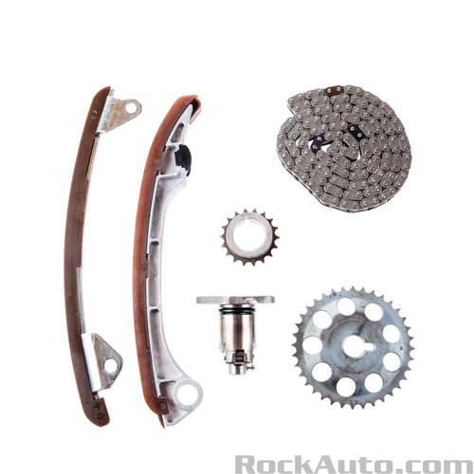 | https://www.rockauto.com/en/parts/melling,30420S,timing+chain+&+component+kit,5756 | $138.89 |  | Category: Timing Chain &amp; Component Kit | High Alloy Steel | No | Yes | Silent | {"0": "https://www.rockauto.com/info/583/3-0420S-1-KIT.jpg"} | https://www.rockauto.com/en/moreinfo.php?pk=8304968&cc=0&pt=5756 |  | {"0": "$138.89"} | {} | {"0": "Category: Timing Chain &amp; Component Kit"} | {"0": {"0": "Camshaft Sprocket Material", "1": "High Alloy Steel"}, "1": {"0": "Keyway Adjustable", "1": "No"}, "2": {"0": "Sprockets Included", "1": "Yes"}, "3": {"0": "Timing Chain Type", "1": "Silent"}} | {} | Engine | 5756 | 8304968 | MELLING;30420S;5756;8304968
4 | Timing Chain & Component Kit | MELLING | 30430S | NISSAN CUBE 2009-2012 NISSAN NV200 2013-2017 NISSAN SENTRA 2007-2012 NISSAN TIIDA 2007-2012 NISSAN VERSA 2007-2012 |  | 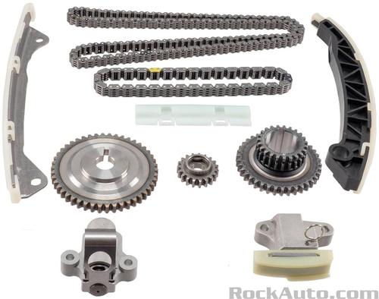 | https://www.rockauto.com/en/parts/melling,30430S,timing+chain+&+component+kit,5756 | $188.79 |  | Category: Timing Chain &amp; Component Kit | High Alloy Steel | No | Yes |  | {"0": "https://www.rockauto.com/info/583/3-0430S-1-KIT.jpg"} | https://www.rockauto.com/en/moreinfo.php?pk=8304972&cc=0&pt=5756 |  | {"0": "$188.79"} | {} | {"0": "Category: Timing Chain &amp; Component Kit"} | {"0": {"0": "Camshaft Sprocket Material", "1": "High Alloy Steel"}, "1": {"0": "Keyway Adjustable", "1": "No"}, "2": {"0": "Sprockets Included", "1": "Yes"}} | {} | Engine | 5756 | 8304972 | MELLING;30430S;5756;8304972
5 | Timing Chain & Component Kit | MELLING | 30460S | INFINITI QX56 2004-2010 NISSAN ARMADA 2005-2015 NISSAN NV2500 2012-2017 NISSAN NV3500 2012-2017 NISSAN PATHFINDER 2004-2012 NISSAN TITAN 2004-2015 |  | 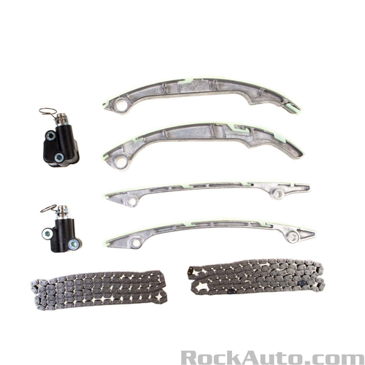 | https://www.rockauto.com/en/parts/melling,30460S,timing+chain+&+component+kit,5756 | $223.79 | Does Not Include Sprockets | Category: Timing Chain &amp; Component Kit |  |  | No | Silent | {"0": "https://www.rockauto.com/info/583/3-0460S-1-KIT.jpg", "1": "https://www.rockauto.com/info/583/BT5069-1-FRO.jpg", "2": "https://www.rockauto.com/info/583/BT5070-1-FRO.jpg", "3": "https://www.rockauto.com/info/583/BG5054-1-TOP.jpg", "4": "https://www.rockauto.com/info/583/BG5053-1-SID.jpg", "5": "https://www.rockauto.com/info/583/BT5068-1-TOP.jpg", "6": "https://www.rockauto.com/info/583/BT5066-1-TOP.jpg", "7": "https://www.rockauto.com/info/583/722F-1-ANG.jpg"} | https://www.rockauto.com/en/moreinfo.php?pk=8304976&cc=0&pt=5756 |  | {"0": "$223.79"} | {"0": "Does Not Include Sprockets"} | {"0": "Category: Timing Chain &amp; Component Kit"} | {"0": {"0": "Sprockets Included", "1": "No"}, "1": {"0": "Timing Chain Type", "1": "Silent"}} | {"0": {"Kit_Quantity": 2, "Kit_Type": "Timing Chain", "Kit_Type Code": "5724", "Kit_Part Code": "9659040", "Kit_Part Number": "722F", "Kit_Manufacturer": "MELLING", "Kit_Url": "https://www.rockauto.com/en/parts/MELLING,722F,Timing Chain,5724", "Kit_Info": "https://www.rockauto.com/en/moreinfo.php?pk=9659040&cc=0&pt=5724", "Kit_Json_Src": "{\"0\": \"https://www.rockauto.com/info/583/722F-1-ANG.jpg\"}", "Kit_JOIN_MPNTCPC": "MELLING;722F;5724;9659040"}, "1": {"Kit_Quantity": 1, "Kit_Type": "Timing Chain Guide / Damper", "Kit_Type Code": "5728", "Kit_Part Code": "9659056", "Kit_Part Number": "BG5053", "Kit_Manufacturer": "MELLING", "Kit_Url": "https://www.rockauto.com/en/parts/MELLING,BG5053,Timing Chain Guide / Damper,5728", "Kit_Info": "https://www.rockauto.com/en/moreinfo.php?pk=9659056&cc=0&pt=5728", "Kit_Json_Src": "{\"0\": \"https://www.rockauto.com/info/583/BG5053-1-SID.jpg\", \"1\": \"https://www.rockauto.com/info/583/BG5053-2-BAC.jpg\"}", "Kit_JOIN_MPNTCPC": "MELLING;BG5053;5728;9659056"}, "2": {"Kit_Quantity": 1, "Kit_Type": "Timing Chain Guide / Damper", "Kit_Type Code": "5728", "Kit_Part Code": "9659060", "Kit_Part Number": "BG5054", "Kit_Manufacturer": "MELLING", "Kit_Url": "https://www.rockauto.com/en/parts/MELLING,BG5054,Timing Chain Guide / Damper,5728", "Kit_Info": "https://www.rockauto.com/en/moreinfo.php?pk=9659060&cc=0&pt=5728", "Kit_Json_Src": "{\"0\": \"https://www.rockauto.com/info/583/BG5054-1-TOP.jpg\", \"1\": \"https://www.rockauto.com/info/583/BG5054-2-BOT.jpg\"}", "Kit_JOIN_MPNTCPC": "MELLING;BG5054;5728;9659060"}, "3": {"Kit_Quantity": 1, "Kit_Type": "Timing Chain Tensioner", "Kit_Type Code": "5736", "Kit_Part Code": "9659088", "Kit_Part Number": "BT5066", "Kit_Manufacturer": "MELLING", "Kit_Url": "https://www.rockauto.com/en/parts/MELLING,BT5066,Timing Chain Tensioner,5736", "Kit_Info": "https://www.rockauto.com/en/moreinfo.php?pk=9659088&cc=0&pt=5736", "Kit_Json_Src": "{\"0\": \"https://www.rockauto.com/info/583/BT5066-1-TOP.jpg\", \"1\": | Engine | 5756 | 8304976 | MELLING;30460S;5756;8304976
6 | Timing Chain & Component Kit | MELLING | 30460SA | INFINITI QX56 2004-2006 NISSAN ARMADA 2005-2006 NISSAN PATHFINDER 2004 NISSAN TITAN 2004-2006 |  | 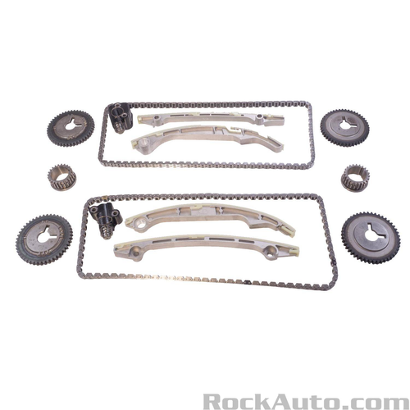 | https://www.rockauto.com/en/parts/melling,30460SA,timing+chain+&+component+kit,5756 | $301.79 |  | Category: Timing Chain &amp; Component Kit |  | No | Yes | Silent | {"0": "https://www.rockauto.com/info/583/3-0460SA-1-KIT.jpg", "1": "https://www.rockauto.com/info/583/BT5069-1-FRO.jpg", "2": "https://www.rockauto.com/info/583/BT5070-1-FRO.jpg", "3": "https://www.rockauto.com/info/583/BG5054-1-TOP.jpg", "4": "https://www.rockauto.com/info/583/BG5053-1-SID.jpg", "5": "https://www.rockauto.com/info/583/BT5068-1-TOP.jpg", "6": "https://www.rockauto.com/info/583/BT5066-1-TOP.jpg", "7": "https://www.rockauto.com/info/583/722F-1-ANG.jpg", "8": "https://www.rockauto.com/info/583/S1276-1-FRO.jpg", "9": "https://www.rockauto.com/info/583/S1274-1-FRO.jpg", "10": "https://www.rockauto.com/info/583/S1251-1-FRO.jpg"} | https://www.rockauto.com/en/moreinfo.php?pk=9658980&cc=0&pt=5756 |  | {"0": "$301.79"} | {} | {"0": "Category: Timing Chain &amp; Component Kit"} | {"0": {"0": "Keyway Adjustable", "1": "No"}, "1": {"0": "Sprockets Included", "1": "Yes"}, "2": {"0": "Timing Chain Type", "1": "Silent"}} | {"0": {"Kit_Quantity": 2, "Kit_Type": "Timing Chain", "Kit_Type Code": "5724", "Kit_Part Code": "9659040", "Kit_Part Number": "722F", "Kit_Manufacturer": "MELLING", "Kit_Url": "https://www.rockauto.com/en/parts/MELLING,722F,Timing Chain,5724", "Kit_Info": "https://www.rockauto.com/en/moreinfo.php?pk=9659040&cc=0&pt=5724", "Kit_Json_Src": "{\"0\": \"https://www.rockauto.com/info/583/722F-1-ANG.jpg\"}", "Kit_JOIN_MPNTCPC": "MELLING;722F;5724;9659040"}, "1": {"Kit_Quantity": 1, "Kit_Type": "Timing Chain Guide / Damper", "Kit_Type Code": "5728", "Kit_Part Code": "9659056", "Kit_Part Number": "BG5053", "Kit_Manufacturer": "MELLING", "Kit_Url": "https://www.rockauto.com/en/parts/MELLING,BG5053,Timing Chain Guide / Damper,5728", "Kit_Info": "https://www.rockauto.com/en/moreinfo.php?pk=9659056&cc=0&pt=5728", "Kit_Json_Src": "{\"0\": \"https://www.rockauto.com/info/583/BG5053-1-SID.jpg\", \"1\": \"https://www.rockauto.com/info/583/BG5053-2-BAC.jpg\"}", "Kit_JOIN_MPNTCPC": "MELLING;BG5053;5728;9659056"}, "2": {"Kit_Quantity": 1, "Kit_Type": "Timing Chain Guide / Damper", "Kit_Type Code": "5728", "Kit_Part Code": "9659060", "Kit_Part Number": "BG5054", "Kit_Manufacturer": "MELLING", "Kit_Url": "https://www.rockauto.com/en/parts/MELLING,BG5054,Timing Chain Guide / Damper,5728", "Kit_Info": "https://www.rockauto.com/en/moreinfo.php?pk=9659060&cc=0&pt=5728", "Kit_Json_Src": "{\"0\": \"https://www.rockauto.com/info/583/BG5054-1-TOP.jpg\", \"1\": \"https://www.rockauto.com/info/583/BG5054-2-BOT.jpg\"}", "Kit_JOIN_MPNTCPC": "MELLING;BG5054;5728;9659060"}, "3": {"Kit_Quantity": 1, "Kit_Type": "Timing Chain Tensioner", "Kit_Type Code": "5736", "Kit_Part Code": "9659088", "Kit_Part Number": "BT5066", "Kit_Manufacturer": "MELLING", "Kit_Url": "https://www.rockauto.com/en/parts/MELLING,BT5066,Timing Chain Tensioner,5736", "Kit_Info": "https://www.rockauto.com/en/moreinfo.php?pk=9659088&cc=0&pt=5736", "Kit_Json_Src": "{\"0\": \"https://www.rockauto.com/info/583/BT5066-1-TOP.jpg\", \"1\": | Engine | 5756 | 9658980 | MELLING;30460SA;5756;9658980
7 | Timing Chain & Component Kit | MELLING | 30460SB | INFINITI QX56 2007-2010 NISSAN ARMADA 2007-2015 NISSAN NV2500 2012-2017 NISSAN NV3500 2012-2017 NISSAN PATHFINDER 2008-2012 NISSAN TITAN 2007-2015 |  | 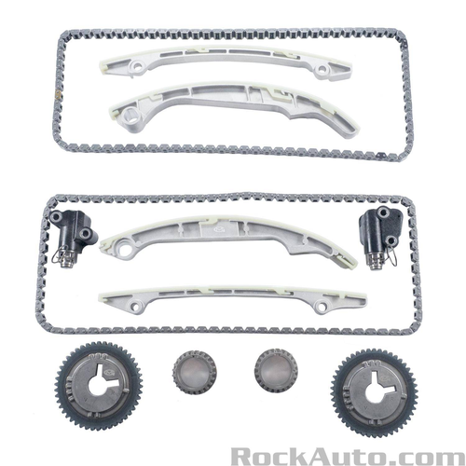 | https://www.rockauto.com/en/parts/melling,30460SB,timing+chain+&+component+kit,5756 | $272.79 |  | Category: Timing Chain &amp; Component Kit |  | No | Yes | Silent | {"0": "https://www.rockauto.com/info/583/3-0460SB-1-KIT.jpg", "1": "https://www.rockauto.com/info/583/BT5069-1-FRO.jpg", "2": "https://www.rockauto.com/info/583/BT5070-1-FRO.jpg", "3": "https://www.rockauto.com/info/583/BG5054-1-TOP.jpg", "4": "https://www.rockauto.com/info/583/BG5053-1-SID.jpg", "5": "https://www.rockauto.com/info/583/BT5068-1-TOP.jpg", "6": "https://www.rockauto.com/info/583/BT5066-1-TOP.jpg", "7": "https://www.rockauto.com/info/583/S1278-1-FRO.jpg", "8": "https://www.rockauto.com/info/583/722F-1-ANG.jpg", "9": "https://www.rockauto.com/info/583/S1251-1-FRO.jpg"} | https://www.rockauto.com/en/moreinfo.php?pk=9658984&cc=0&pt=5756 |  | {"0": "$272.79"} | {} | {"0": "Category: Timing Chain &amp; Component Kit"} | {"0": {"0": "Keyway Adjustable", "1": "No"}, "1": {"0": "Sprockets Included", "1": "Yes"}, "2": {"0": "Timing Chain Type", "1": "Silent"}} | {"0": {"Kit_Quantity": 2, "Kit_Type": "Timing Chain", "Kit_Type Code": "5724", "Kit_Part Code": "9659040", "Kit_Part Number": "722F", "Kit_Manufacturer": "MELLING", "Kit_Url": "https://www.rockauto.com/en/parts/MELLING,722F,Timing Chain,5724", "Kit_Info": "https://www.rockauto.com/en/moreinfo.php?pk=9659040&cc=0&pt=5724", "Kit_Json_Src": "{\"0\": \"https://www.rockauto.com/info/583/722F-1-ANG.jpg\"}", "Kit_JOIN_MPNTCPC": "MELLING;722F;5724;9659040"}, "1": {"Kit_Quantity": 1, "Kit_Type": "Timing Chain Guide / Damper", "Kit_Type Code": "5728", "Kit_Part Code": "9659056", "Kit_Part Number": "BG5053", "Kit_Manufacturer": "MELLING", "Kit_Url": "https://www.rockauto.com/en/parts/MELLING,BG5053,Timing Chain Guide / Damper,5728", "Kit_Info": "https://www.rockauto.com/en/moreinfo.php?pk=9659056&cc=0&pt=5728", "Kit_Json_Src": "{\"0\": \"https://www.rockauto.com/info/583/BG5053-1-SID.jpg\", \"1\": \"https://www.rockauto.com/info/583/BG5053-2-BAC.jpg\"}", "Kit_JOIN_MPNTCPC": "MELLING;BG5053;5728;9659056"}, "2": {"Kit_Quantity": 1, "Kit_Type": "Timing Chain Guide / Damper", "Kit_Type Code": "5728", "Kit_Part Code": "9659060", "Kit_Part Number": "BG5054", "Kit_Manufacturer": "MELLING", "Kit_Url": "https://www.rockauto.com/en/parts/MELLING,BG5054,Timing Chain Guide / Damper,5728", "Kit_Info": "https://www.rockauto.com/en/moreinfo.php?pk=9659060&cc=0&pt=5728", "Kit_Json_Src": "{\"0\": \"https://www.rockauto.com/info/583/BG5054-1-TOP.jpg\", \"1\": \"https://www.rockauto.com/info/583/BG5054-2-BOT.jpg\"}", "Kit_JOIN_MPNTCPC": "MELLING;BG5054;5728;9659060"}, "3": {"Kit_Quantity": 1, "Kit_Type": "Timing Chain Tensioner", "Kit_Type Code": "5736", "Kit_Part Code": "9659088", "Kit_Part Number": "BT5066", "Kit_Manufacturer": "MELLING", "Kit_Url": "https://www.rockauto.com/en/parts/MELLING,BT5066,Timing Chain Tensioner,5736", "Kit_Info": "https://www.rockauto.com/en/moreinfo.php?pk=9659088&cc=0&pt=5736", "Kit_Json_Src": "{\"0\": \"https://www.rockauto.com/info/583/BT5066-1-TOP.jpg\", \"1\": | Engine | 5756 | 9658984 | MELLING;30460SB;5756;9658984
8 | Timing Chain & Component Kit | MELLING | 30470S | TOYOTA 4RUNNER 2003-2009 TOYOTA FJ CRUISER 2007-2009 TOYOTA TACOMA 2005-2015 TOYOTA TUNDRA 2005-2011 | TS13174 | 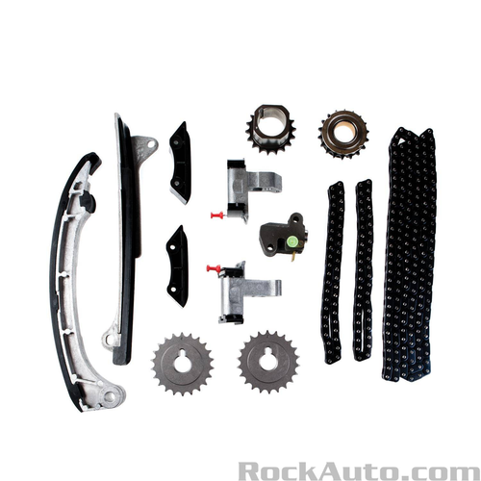 | https://www.rockauto.com/en/parts/melling,30470S,timing+chain+&+component+kit,5756 | $281.79 |  | Category: Timing Chain &amp; Component Kit | High Alloy Steel | No | Yes | Single Roller | {"0": "https://www.rockauto.com/info/583/3-0470S-1-KIT.jpg", "1": "https://www.rockauto.com/info/583/BG5623-1-TOP.jpg", "2": "https://www.rockauto.com/info/583/BT5621-1-TOP.jpg", "3": "https://www.rockauto.com/info/583/BT5620-1-TOP.jpg", "4": "https://www.rockauto.com/info/583/470-1-ANG.jpg", "5": "https://www.rockauto.com/info/583/BT5618-1-TOP.jpg", "6": "https://www.rockauto.com/info/583/BT5619-1-TOP.jpg", "7": "https://www.rockauto.com/info/583/S960-1-TOP.jpg", "8": "https://www.rockauto.com/info/583/S961-1-FRO.jpg", "9": "https://www.rockauto.com/info/583/471-1-ANG.jpg", "10": "https://www.rockauto.com/info/583/S959-1-TOP.jpg", "11": "https://www.rockauto.com/info/583/BG5622-1-TOP.jpg"} | https://www.rockauto.com/en/moreinfo.php?pk=8304980&cc=0&pt=5756 |  | {"0": "$281.79"} | {} | {"0": "Category: Timing Chain &amp; Component Kit"} | {"0": {"0": "Camshaft Sprocket Material", "1": "High Alloy Steel"}, "1": {"0": "Keyway Adjustable", "1": "No"}, "2": {"0": "Sprockets Included", "1": "Yes"}, "3": {"0": "Timing Chain Type", "1": "Single Roller"}} | {"0": {"Kit_Quantity": 1, "Kit_Type": "Timing Chain", "Kit_Type Code": "5724", "Kit_Part Code": "10110008", "Kit_Part Number": "470", "Kit_Manufacturer": "MELLING", "Kit_Url": "https://www.rockauto.com/en/parts/MELLING,470,Timing Chain,5724", "Kit_Info": "https://www.rockauto.com/en/moreinfo.php?pk=10110008&cc=0&pt=5724", "Kit_Json_Src": "{\"0\": \"https://www.rockauto.com/info/583/470-1-ANG.jpg\"}", "Kit_JOIN_MPNTCPC": "MELLING;470;5724;10110008"}, "1": {"Kit_Quantity": 2, "Kit_Type": "Timing Chain", "Kit_Type Code": "5724", "Kit_Part Code": "10110012", "Kit_Part Number": "471", "Kit_Manufacturer": "MELLING", "Kit_Url": "https://www.rockauto.com/en/parts/MELLING,471,Timing Chain,5724", "Kit_Info": "https://www.rockauto.com/en/moreinfo.php?pk=10110012&cc=0&pt=5724", "Kit_Json_Src": "{\"0\": \"https://www.rockauto.com/info/583/471-1-ANG.jpg\"}", "Kit_JOIN_MPNTCPC": "MELLING;471;5724;10110012"}, "2": {"Kit_Quantity": 2, "Kit_Type": "Timing Chain Guide / Damper", "Kit_Type Code": "5728", "Kit_Part Code": "10110016", "Kit_Part Number": "BG5622", "Kit_Manufacturer": "MELLING", "Kit_Url": "https://www.rockauto.com/en/parts/MELLING,BG5622,Timing Chain Guide / Damper,5728", "Kit_Info": "https://www.rockauto.com/en/moreinfo.php?pk=10110016&cc=0&pt=5728", "Kit_Json_Src": "{\"0\": \"https://www.rockauto.com/info/583/BG5622-1-TOP.jpg\", \"1\": \"https://www.rockauto.com/info/583/BG5622-2-BOT.jpg\"}", "Kit_JOIN_MPNTCPC": "MELLING;BG5622;5728;10110016"}, "3": {"Kit_Quantity": 1, "Kit_Type": "Timing Chain Guide / Damper", "Kit_Type Code": "5728", "Kit_Part Code": "10110020", "Kit_Part Number": "BG5623", "Kit_Manufacturer": "MELLING", "Kit_Url": "https://www.rockauto.com/en/parts/MELLING,BG5623,Timing Chain Guide / Damper,5728", "Kit_Info": "https://www.rockauto.com/en/moreinfo.php?pk=10110020&cc=0&pt=5728", "Kit_Json_Src": "{\"0\": \"https://www.rockauto.com/info/583/BG5623-1-TOP.jpg\", \"1\": \"https://www.rockauto.com/info/583/BG5623-2-BOT.jpg\"}", "Kit_JOIN_MPNTCPC": "MELLING;B | Engine | 5756 | 8304980 | MELLING;30470S;5756;8304980
9 | Timing Chain & Component Kit | MELLING | 30470SX | TOYOTA 4RUNNER 2003-2009 TOYOTA FJ CRUISER 2007-2009 TOYOTA TACOMA 2005-2015 TOYOTA TUNDRA 2005-2011 |  | 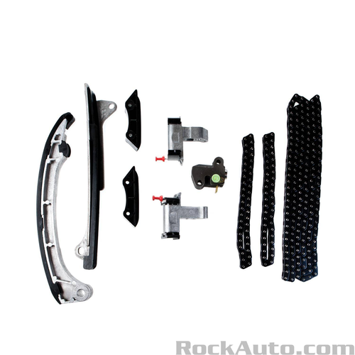 | https://www.rockauto.com/en/parts/melling,30470SX,timing+chain+&+component+kit,5756 | $202.79 | Does Not Include Sprockets | Category: Timing Chain &amp; Component Kit |  | No | No | Single Roller | {"0": "https://www.rockauto.com/info/583/3-0470SX-1-KIT.jpg", "1": "https://www.rockauto.com/info/583/BG5623-1-TOP.jpg", "2": "https://www.rockauto.com/info/583/BT5621-1-TOP.jpg", "3": "https://www.rockauto.com/info/583/BT5620-1-TOP.jpg", "4": "https://www.rockauto.com/info/583/470-1-ANG.jpg", "5": "https://www.rockauto.com/info/583/BT5618-1-TOP.jpg", "6": "https://www.rockauto.com/info/583/BT5619-1-TOP.jpg", "7": "https://www.rockauto.com/info/583/471-1-ANG.jpg", "8": "https://www.rockauto.com/info/583/BG5622-1-TOP.jpg"} | https://www.rockauto.com/en/moreinfo.php?pk=10110000&cc=0&pt=5756 |  | {"0": "$202.79"} | {"0": "Does Not Include Sprockets"} | {"0": "Category: Timing Chain &amp; Component Kit"} | {"0": {"0": "Keyway Adjustable", "1": "No"}, "1": {"0": "Sprockets Included", "1": "No"}, "2": {"0": "Timing Chain Type", "1": "Single Roller"}} | {"0": {"Kit_Quantity": 1, "Kit_Type": "Timing Chain", "Kit_Type Code": "5724", "Kit_Part Code": "10110008", "Kit_Part Number": "470", "Kit_Manufacturer": "MELLING", "Kit_Url": "https://www.rockauto.com/en/parts/MELLING,470,Timing Chain,5724", "Kit_Info": "https://www.rockauto.com/en/moreinfo.php?pk=10110008&cc=0&pt=5724", "Kit_Json_Src": "{\"0\": \"https://www.rockauto.com/info/583/470-1-ANG.jpg\"}", "Kit_JOIN_MPNTCPC": "MELLING;470;5724;10110008"}, "1": {"Kit_Quantity": 2, "Kit_Type": "Timing Chain", "Kit_Type Code": "5724", "Kit_Part Code": "10110012", "Kit_Part Number": "471", "Kit_Manufacturer": "MELLING", "Kit_Url": "https://www.rockauto.com/en/parts/MELLING,471,Timing Chain,5724", "Kit_Info": "https://www.rockauto.com/en/moreinfo.php?pk=10110012&cc=0&pt=5724", "Kit_Json_Src": "{\"0\": \"https://www.rockauto.com/info/583/471-1-ANG.jpg\"}", "Kit_JOIN_MPNTCPC": "MELLING;471;5724;10110012"}, "2": {"Kit_Quantity": 2, "Kit_Type": "Timing Chain Guide / Damper", "Kit_Type Code": "5728", "Kit_Part Code": "10110016", "Kit_Part Number": "BG5622", "Kit_Manufacturer": "MELLING", "Kit_Url": "https://www.rockauto.com/en/parts/MELLING,BG5622,Timing Chain Guide / Damper,5728", "Kit_Info": "https://www.rockauto.com/en/moreinfo.php?pk=10110016&cc=0&pt=5728", "Kit_Json_Src": "{\"0\": \"https://www.rockauto.com/info/583/BG5622-1-TOP.jpg\", \"1\": \"https://www.rockauto.com/info/583/BG5622-2-BOT.jpg\"}", "Kit_JOIN_MPNTCPC": "MELLING;BG5622;5728;10110016"}, "3": {"Kit_Quantity": 1, "Kit_Type": "Timing Chain Guide / Damper", "Kit_Type Code": "5728", "Kit_Part Code": "10110020", "Kit_Part Number": "BG5623", "Kit_Manufacturer": "MELLING", "Kit_Url": "https://www.rockauto.com/en/parts/MELLING,BG5623,Timing Chain Guide / Damper,5728", "Kit_Info": "https://www.rockauto.com/en/moreinfo.php?pk=10110020&cc=0&pt=5728", "Kit_Json_Src": "{\"0\": \"https://www.rockauto.com/info/583/BG5623-1-TOP.jpg\", \"1\": \"https://www.rockauto.com/info/583/BG5623-2-BOT.jpg\"}", "Kit_JOIN_MPNTCPC": "MELLING;B | Engine | 5756 | 10110000 | MELLING;30470SX;5756;10110000
10 | Timing Chain & Component Kit | MELLING | 30490S | LEXUS ES350 2007-2015 LEXUS GS300 2006 LEXUS IS250 2006-2015 LEXUS RX350 2007-2015 LEXUS RX450H 2010-2015 TOYOTA AVALON 2005-2016 TOYOTA CAMRY 2007-2016 TOYOTA HIGHLANDER 2008-2016 TOYOTA RAV4 2006-2012 TOYOTA SIENNA 2007-2016 TOYOTA VENZA 2009-2016 | TS11170 | 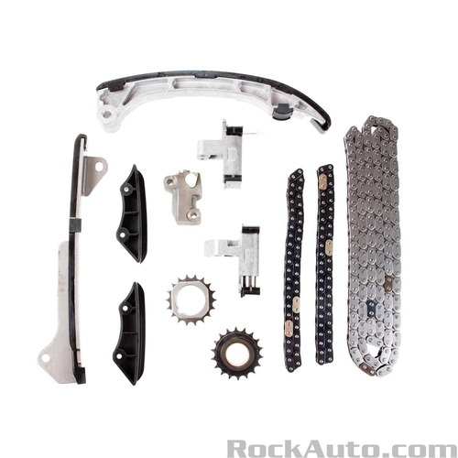 | https://www.rockauto.com/en/parts/melling,30490S,timing+chain+&+component+kit,5756 | $249.79 |  | Category: Timing Chain &amp; Component Kit | High Alloy Steel | No | Yes | Roller | {"0": "https://www.rockauto.com/info/583/3-0490S-1-KIT.jpg", "1": "https://www.rockauto.com/info/583/BG5063-1-FRO.jpg", "2": "https://www.rockauto.com/info/583/1025-1-ANG.jpg", "3": "https://www.rockauto.com/info/583/1026-1-ANG.jpg", "4": "https://www.rockauto.com/info/583/S1261-1-FRO.jpg", "5": "https://www.rockauto.com/info/583/BT5077-1-RIT.jpg", "6": "https://www.rockauto.com/info/583/BT5078-1-RIT.jpg", "7": "https://www.rockauto.com/info/583/BT5079-1-FRO.jpg", "8": "https://www.rockauto.com/info/583/BG5062-1-FRO.jpg", "9": "https://www.rockauto.com/info/583/S1290-1-FRO.jpg"} | https://www.rockauto.com/en/moreinfo.php?pk=8304984&cc=0&pt=5756 |  | {"0": "$249.79"} | {} | {"0": "Category: Timing Chain &amp; Component Kit"} | {"0": {"0": "Camshaft Sprocket Material", "1": "High Alloy Steel"}, "1": {"0": "Keyway Adjustable", "1": "No"}, "2": {"0": "Sprockets Included", "1": "Yes"}, "3": {"0": "Timing Chain Type", "1": "Roller"}} | {"0": {"Kit_Quantity": 1, "Kit_Type": "Timing Chain", "Kit_Type Code": "5724", "Kit_Part Code": "8921164", "Kit_Part Number": "1025", "Kit_Manufacturer": "MELLING", "Kit_Url": "https://www.rockauto.com/en/parts/MELLING,1025,Timing Chain,5724", "Kit_Info": "https://www.rockauto.com/en/moreinfo.php?pk=8921164&cc=0&pt=5724", "Kit_Json_Src": "{\"0\": \"https://www.rockauto.com/info/583/1025-1-ANG.jpg\"}", "Kit_JOIN_MPNTCPC": "MELLING;1025;5724;8921164"}, "1": {"Kit_Quantity": 2, "Kit_Type": "Timing Chain", "Kit_Type Code": "5724", "Kit_Part Code": "8921168", "Kit_Part Number": "1026", "Kit_Manufacturer": "MELLING", "Kit_Url": "https://www.rockauto.com/en/parts/MELLING,1026,Timing Chain,5724", "Kit_Info": "https://www.rockauto.com/en/moreinfo.php?pk=8921168&cc=0&pt=5724", "Kit_Json_Src": "{\"0\": \"https://www.rockauto.com/info/583/1026-1-ANG.jpg\"}", "Kit_JOIN_MPNTCPC": "MELLING;1026;5724;8921168"}, "2": {"Kit_Quantity": 1, "Kit_Type": "Timing Chain Tensioner", "Kit_Type Code": "5736", "Kit_Part Code": "8921288", "Kit_Part Number": "BT5079", "Kit_Manufacturer": "MELLING", "Kit_Url": "https://www.rockauto.com/en/parts/MELLING,BT5079,Timing Chain Tensioner,5736", "Kit_Info": "https://www.rockauto.com/en/moreinfo.php?pk=8921288&cc=0&pt=5736", "Kit_Json_Src": "{\"0\": \"https://www.rockauto.com/info/583/BT5079-1-FRO.jpg\", \"1\": \"https://www.rockauto.com/info/583/BT5079-2-BAC.jpg\"}", "Kit_JOIN_MPNTCPC": "MELLING;BT5079;5736;8921288"}, "3": {"Kit_Quantity": 1, "Kit_Type": "Timing Chain Tensioner", "Kit_Type Code": "5736", "Kit_Part Code": "9659104", "Kit_Part Number": "BT5077", "Kit_Manufacturer": "MELLING", "Kit_Url": "https://www.rockauto.com/en/parts/MELLING,BT5077,Timing Chain Tensioner,5736", "Kit_Info": "https://www.rockauto.com/en/moreinfo.php?pk=9659104&cc=0&pt=5736", "Kit_Json_Src": "{\"0\": \"https://www.rockauto.com/info/583/BT5077-1-RIT.jpg\", \"1\": \"https://www.rockauto.com/info/583/BT5077-2-LEF.jpg\"}", "Kit_JOIN_MPNTCPC": "MELLING;BT5077;5736;9659104"}, " | Engine | 5756 | 8304984 | MELLING;30490S;5756;8304984

