Sheet1
No | Type | Manufacturer | Part Number | Vehicle | OEM | Picture | Url | Price | Note 1 | Note 2 | Camshaft Sprocket Material | Keyway Adjustable
1 | Timing Chain & Component Kit | MELLING | 30250S | MAZDA 3 2004-2007 MAZDA 5 2006-2007 MAZDA 6 2003-2007 |  | 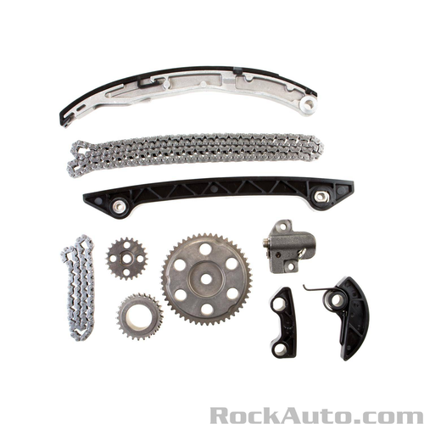 | https://www.rockauto.com/en/parts/melling,30250S,timing+chain+&+component+kit,5756 | $171.79 |  | Category: Timing Chain &amp; Component Kit | High Alloy Steel | No
1 | Timing Chain & Component Kit | MELLING | 30250S | MAZDA 3 2004-2007 MAZDA 5 2006-2007 MAZDA 6 2003-2007 |  |  | https://www.rockauto.com/en/parts/melling,30250S,timing+chain+&+component+kit,5756 | $171.79 |  | Category: Timing Chain &amp; Component Kit | High Alloy Steel | No
1 | Timing Chain & Component Kit | MELLING | 30250S | MAZDA 3 2004-2007 MAZDA 5 2006-2007 MAZDA 6 2003-2007 |  |  | https://www.rockauto.com/en/parts/melling,30250S,timing+chain+&+component+kit,5756 | $171.79 |  | Category: Timing Chain &amp; Component Kit | High Alloy Steel | No
1 | Timing Chain & Component Kit | MELLING | 30250S | MAZDA 3 2004-2007 MAZDA 5 2006-2007 MAZDA 6 2003-2007 |  |  | https://www.rockauto.com/en/parts/melling,30250S,timing+chain+&+component+kit,5756 | $171.79 |  | Category: Timing Chain &amp; Component Kit | High Alloy Steel | No
1 | Timing Chain & Component Kit | MELLING | 30250S | MAZDA 3 2004-2007 MAZDA 5 2006-2007 MAZDA 6 2003-2007 |  |  | https://www.rockauto.com/en/parts/melling,30250S,timing+chain+&+component+kit,5756 | $171.79 |  | Category: Timing Chain &amp; Component Kit | High Alloy Steel | No
1 | Timing Chain & Component Kit | MELLING | 30250S | MAZDA 3 2004-2007 MAZDA 5 2006-2007 MAZDA 6 2003-2007 |  |  | https://www.rockauto.com/en/parts/melling,30250S,timing+chain+&+component+kit,5756 | $171.79 |  | Category: Timing Chain &amp; Component Kit | High Alloy Steel | No
1 | Timing Chain & Component Kit | MELLING | 30250S | MAZDA 3 2004-2007 MAZDA 5 2006-2007 MAZDA 6 2003-2007 |  |  | https://www.rockauto.com/en/parts/melling,30250S,timing+chain+&+component+kit,5756 | $171.79 |  | Category: Timing Chain &amp; Component Kit | High Alloy Steel | No
1 | Timing Chain & Component Kit | MELLING | 30250S | MAZDA 3 2004-2007 MAZDA 5 2006-2007 MAZDA 6 2003-2007 |  |  | https://www.rockauto.com/en/parts/melling,30250S,timing+chain+&+component+kit,5756 | $171.79 |  | Category: Timing Chain &amp; Component Kit | High Alloy Steel | No
1 | Timing Chain & Component Kit | MELLING | 30250S | MAZDA 3 2004-2007 MAZDA 5 2006-2007 MAZDA 6 2003-2007 |  |  | https://www.rockauto.com/en/parts/melling,30250S,timing+chain+&+component+kit,5756 | $171.79 |  | Category: Timing Chain &amp; Component Kit | High Alloy Steel | No
1 | Timing Chain & Component Kit | MELLING | 30250S | MAZDA 3 2004-2007 MAZDA 5 2006-2007 MAZDA 6 2003-2007 |  |  | https://www.rockauto.com/en/parts/melling,30250S,timing+chain+&+component+kit,5756 | $171.79 |  | Category: Timing Chain &amp; Component Kit | High Alloy Steel | No
2 | Timing Chain & Component Kit | MELLING | 30250SX | MAZDA 3 2004-2007 MAZDA 5 2006-2007 MAZDA 6 2003-2007 |  | 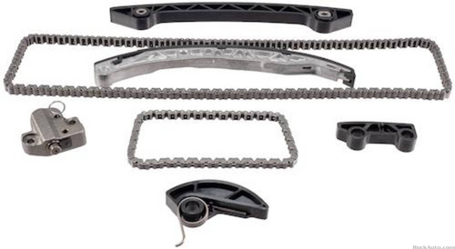 | https://www.rockauto.com/en/parts/melling,30250SX,timing+chain+&+component+kit,5756 | $134.89 | Does Not Include Sprockets | Category: Timing Chain &amp; Component Kit
2 | Timing Chain & Component Kit | MELLING | 30250SX | MAZDA 3 2004-2007 MAZDA 5 2006-2007 MAZDA 6 2003-2007 |  |  | https://www.rockauto.com/en/parts/melling,30250SX,timing+chain+&+component+kit,5756 | $134.89 | Does Not Include Sprockets | Category: Timing Chain &amp; Component Kit
2 | Timing Chain & Component Kit | MELLING | 30250SX | MAZDA 3 2004-2007 MAZDA 5 2006-2007 MAZDA 6 2003-2007 |  |  | https://www.rockauto.com/en/parts/melling,30250SX,timing+chain+&+component+kit,5756 | $134.89 | Does Not Include Sprockets | Category: Timing Chain &amp; Component Kit
2 | Timing Chain & Component Kit | MELLING | 30250SX | MAZDA 3 2004-2007 MAZDA 5 2006-2007 MAZDA 6 2003-2007 |  |  | https://www.rockauto.com/en/parts/melling,30250SX,timing+chain+&+component+kit,5756 | $134.89 | Does Not Include Sprockets | Category: Timing Chain &amp; Component Kit
2 | Timing Chain & Component Kit | MELLING | 30250SX | MAZDA 3 2004-2007 MAZDA 5 2006-2007 MAZDA 6 2003-2007 |  |  | https://www.rockauto.com/en/parts/melling,30250SX,timing+chain+&+component+kit,5756 | $134.89 | Does Not Include Sprockets | Category: Timing Chain &amp; Component Kit
2 | Timing Chain & Component Kit | MELLING | 30250SX | MAZDA 3 2004-2007 MAZDA 5 2006-2007 MAZDA 6 2003-2007 |  |  | https://www.rockauto.com/en/parts/melling,30250SX,timing+chain+&+component+kit,5756 | $134.89 | Does Not Include Sprockets | Category: Timing Chain &amp; Component Kit
2 | Timing Chain & Component Kit | MELLING | 30250SX | MAZDA 3 2004-2007 MAZDA 5 2006-2007 MAZDA 6 2003-2007 |  |  | https://www.rockauto.com/en/parts/melling,30250SX,timing+chain+&+component+kit,5756 | $134.89 | Does Not Include Sprockets | Category: Timing Chain &amp; Component Kit
3 | Timing Chain & Component Kit | MELLING | 30420S | PONTIAC VIBE 2003-2006 TOYOTA CELICA 2000-2005 TOYOTA COROLLA 2005-2006 TOYOTA MATRIX 2003-2006 |  | 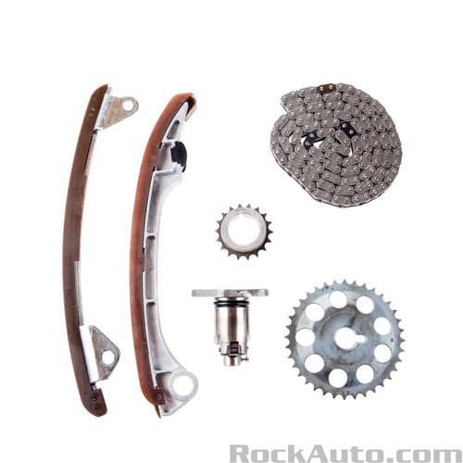 | https://www.rockauto.com/en/parts/melling,30420S,timing+chain+&+component+kit,5756 | $138.89 |  | Category: Timing Chain &amp; Component Kit | High Alloy Steel | No
4 | Timing Chain & Component Kit | MELLING | 30430S | NISSAN CUBE 2009-2012 NISSAN NV200 2013-2017 NISSAN SENTRA 2007-2012 NISSAN TIIDA 2007-2012 NISSAN VERSA 2007-2012 |  | 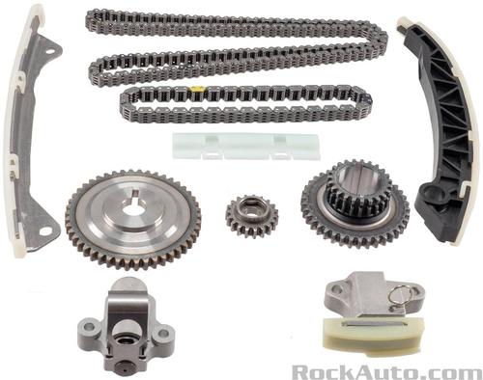 | https://www.rockauto.com/en/parts/melling,30430S,timing+chain+&+component+kit,5756 | $188.79 |  | Category: Timing Chain &amp; Component Kit | High Alloy Steel | No
5 | Timing Chain & Component Kit | MELLING | 30460S | INFINITI QX56 2004-2010 NISSAN ARMADA 2005-2015 NISSAN NV2500 2012-2017 NISSAN NV3500 2012-2017 NISSAN PATHFINDER 2004-2012 NISSAN TITAN 2004-2015 |  | 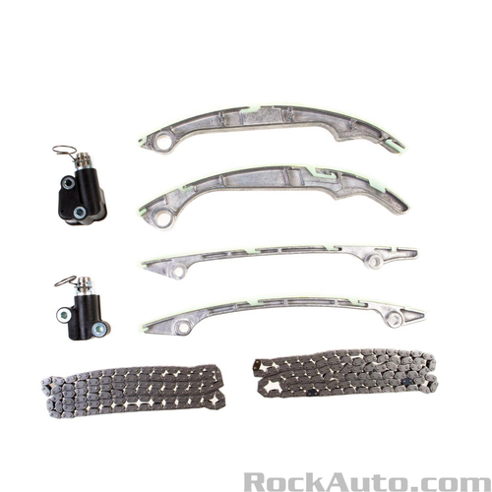 | https://www.rockauto.com/en/parts/melling,30460S,timing+chain+&+component+kit,5756 | $223.79 | Does Not Include Sprockets | Category: Timing Chain &amp; Component Kit
5 | Timing Chain & Component Kit | MELLING | 30460S | INFINITI QX56 2004-2010 NISSAN ARMADA 2005-2015 NISSAN NV2500 2012-2017 NISSAN NV3500 2012-2017 NISSAN PATHFINDER 2004-2012 NISSAN TITAN 2004-2015 |  |  | https://www.rockauto.com/en/parts/melling,30460S,timing+chain+&+component+kit,5756 | $223.79 | Does Not Include Sprockets | Category: Timing Chain &amp; Component Kit
5 | Timing Chain & Component Kit | MELLING | 30460S | INFINITI QX56 2004-2010 NISSAN ARMADA 2005-2015 NISSAN NV2500 2012-2017 NISSAN NV3500 2012-2017 NISSAN PATHFINDER 2004-2012 NISSAN TITAN 2004-2015 |  |  | https://www.rockauto.com/en/parts/melling,30460S,timing+chain+&+component+kit,5756 | $223.79 | Does Not Include Sprockets | Category: Timing Chain &amp; Component Kit
5 | Timing Chain & Component Kit | MELLING | 30460S | INFINITI QX56 2004-2010 NISSAN ARMADA 2005-2015 NISSAN NV2500 2012-2017 NISSAN NV3500 2012-2017 NISSAN PATHFINDER 2004-2012 NISSAN TITAN 2004-2015 |  |  | https://www.rockauto.com/en/parts/melling,30460S,timing+chain+&+component+kit,5756 | $223.79 | Does Not Include Sprockets | Category: Timing Chain &amp; Component Kit
5 | Timing Chain & Component Kit | MELLING | 30460S | INFINITI QX56 2004-2010 NISSAN ARMADA 2005-2015 NISSAN NV2500 2012-2017 NISSAN NV3500 2012-2017 NISSAN PATHFINDER 2004-2012 NISSAN TITAN 2004-2015 |  |  | https://www.rockauto.com/en/parts/melling,30460S,timing+chain+&+component+kit,5756 | $223.79 | Does Not Include Sprockets | Category: Timing Chain &amp; Component Kit
5 | Timing Chain & Component Kit | MELLING | 30460S | INFINITI QX56 2004-2010 NISSAN ARMADA 2005-2015 NISSAN NV2500 2012-2017 NISSAN NV3500 2012-2017 NISSAN PATHFINDER 2004-2012 NISSAN TITAN 2004-2015 |  |  | https://www.rockauto.com/en/parts/melling,30460S,timing+chain+&+component+kit,5756 | $223.79 | Does Not Include Sprockets | Category: Timing Chain &amp; Component Kit
5 | Timing Chain & Component Kit | MELLING | 30460S | INFINITI QX56 2004-2010 NISSAN ARMADA 2005-2015 NISSAN NV2500 2012-2017 NISSAN NV3500 2012-2017 NISSAN PATHFINDER 2004-2012 NISSAN TITAN 2004-2015 |  |  | https://www.rockauto.com/en/parts/melling,30460S,timing+chain+&+component+kit,5756 | $223.79 | Does Not Include Sprockets | Category: Timing Chain &amp; Component Kit
6 | Timing Chain & Component Kit | MELLING | 30460SA | INFINITI QX56 2004-2006 NISSAN ARMADA 2005-2006 NISSAN PATHFINDER 2004 NISSAN TITAN 2004-2006 |  | 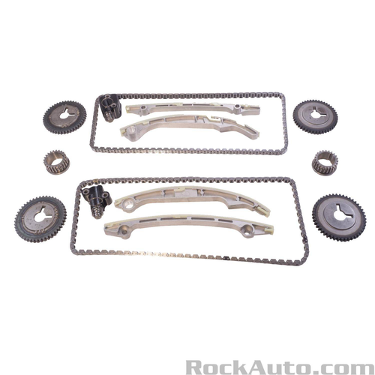 | https://www.rockauto.com/en/parts/melling,30460SA,timing+chain+&+component+kit,5756 | $301.79 |  | Category: Timing Chain &amp; Component Kit |  | No
6 | Timing Chain & Component Kit | MELLING | 30460SA | INFINITI QX56 2004-2006 NISSAN ARMADA 2005-2006 NISSAN PATHFINDER 2004 NISSAN TITAN 2004-2006 |  |  | https://www.rockauto.com/en/parts/melling,30460SA,timing+chain+&+component+kit,5756 | $301.79 |  | Category: Timing Chain &amp; Component Kit |  | No
6 | Timing Chain & Component Kit | MELLING | 30460SA | INFINITI QX56 2004-2006 NISSAN ARMADA 2005-2006 NISSAN PATHFINDER 2004 NISSAN TITAN 2004-2006 |  |  | https://www.rockauto.com/en/parts/melling,30460SA,timing+chain+&+component+kit,5756 | $301.79 |  | Category: Timing Chain &amp; Component Kit |  | No
6 | Timing Chain & Component Kit | MELLING | 30460SA | INFINITI QX56 2004-2006 NISSAN ARMADA 2005-2006 NISSAN PATHFINDER 2004 NISSAN TITAN 2004-2006 |  |  | https://www.rockauto.com/en/parts/melling,30460SA,timing+chain+&+component+kit,5756 | $301.79 |  | Category: Timing Chain &amp; Component Kit |  | No
6 | Timing Chain & Component Kit | MELLING | 30460SA | INFINITI QX56 2004-2006 NISSAN ARMADA 2005-2006 NISSAN PATHFINDER 2004 NISSAN TITAN 2004-2006 |  |  | https://www.rockauto.com/en/parts/melling,30460SA,timing+chain+&+component+kit,5756 | $301.79 |  | Category: Timing Chain &amp; Component Kit |  | No
6 | Timing Chain & Component Kit | MELLING | 30460SA | INFINITI QX56 2004-2006 NISSAN ARMADA 2005-2006 NISSAN PATHFINDER 2004 NISSAN TITAN 2004-2006 |  |  | https://www.rockauto.com/en/parts/melling,30460SA,timing+chain+&+component+kit,5756 | $301.79 |  | Category: Timing Chain &amp; Component Kit |  | No
6 | Timing Chain & Component Kit | MELLING | 30460SA | INFINITI QX56 2004-2006 NISSAN ARMADA 2005-2006 NISSAN PATHFINDER 2004 NISSAN TITAN 2004-2006 |  |  | https://www.rockauto.com/en/parts/melling,30460SA,timing+chain+&+component+kit,5756 | $301.79 |  | Category: Timing Chain &amp; Component Kit |  | No
6 | Timing Chain & Component Kit | MELLING | 30460SA | INFINITI QX56 2004-2006 NISSAN ARMADA 2005-2006 NISSAN PATHFINDER 2004 NISSAN TITAN 2004-2006 |  |  | https://www.rockauto.com/en/parts/melling,30460SA,timing+chain+&+component+kit,5756 | $301.79 |  | Category: Timing Chain &amp; Component Kit |  | No
6 | Timing Chain & Component Kit | MELLING | 30460SA | INFINITI QX56 2004-2006 NISSAN ARMADA 2005-2006 NISSAN PATHFINDER 2004 NISSAN TITAN 2004-2006 |  |  | https://www.rockauto.com/en/parts/melling,30460SA,timing+chain+&+component+kit,5756 | $301.79 |  | Category: Timing Chain &amp; Component Kit |  | No
6 | Timing Chain & Component Kit | MELLING | 30460SA | INFINITI QX56 2004-2006 NISSAN ARMADA 2005-2006 NISSAN PATHFINDER 2004 NISSAN TITAN 2004-2006 |  |  | https://www.rockauto.com/en/parts/melling,30460SA,timing+chain+&+component+kit,5756 | $301.79 |  | Category: Timing Chain &amp; Component Kit |  | No
7 | Timing Chain & Component Kit | MELLING | 30460SB | INFINITI QX56 2007-2010 NISSAN ARMADA 2007-2015 NISSAN NV2500 2012-2017 NISSAN NV3500 2012-2017 NISSAN PATHFINDER 2008-2012 NISSAN TITAN 2007-2015 |  | 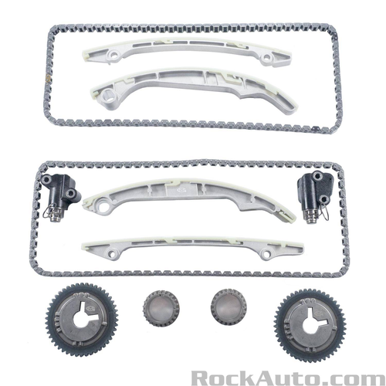 | https://www.rockauto.com/en/parts/melling,30460SB,timing+chain+&+component+kit,5756 | $272.79 |  | Category: Timing Chain &amp; Component Kit |  | No
7 | Timing Chain & Component Kit | MELLING | 30460SB | INFINITI QX56 2007-2010 NISSAN ARMADA 2007-2015 NISSAN NV2500 2012-2017 NISSAN NV3500 2012-2017 NISSAN PATHFINDER 2008-2012 NISSAN TITAN 2007-2015 |  |  | https://www.rockauto.com/en/parts/melling,30460SB,timing+chain+&+component+kit,5756 | $272.79 |  | Category: Timing Chain &amp; Component Kit |  | No
7 | Timing Chain & Component Kit | MELLING | 30460SB | INFINITI QX56 2007-2010 NISSAN ARMADA 2007-2015 NISSAN NV2500 2012-2017 NISSAN NV3500 2012-2017 NISSAN PATHFINDER 2008-2012 NISSAN TITAN 2007-2015 |  |  | https://www.rockauto.com/en/parts/melling,30460SB,timing+chain+&+component+kit,5756 | $272.79 |  | Category: Timing Chain &amp; Component Kit |  | No
7 | Timing Chain & Component Kit | MELLING | 30460SB | INFINITI QX56 2007-2010 NISSAN ARMADA 2007-2015 NISSAN NV2500 2012-2017 NISSAN NV3500 2012-2017 NISSAN PATHFINDER 2008-2012 NISSAN TITAN 2007-2015 |  |  | https://www.rockauto.com/en/parts/melling,30460SB,timing+chain+&+component+kit,5756 | $272.79 |  | Category: Timing Chain &amp; Component Kit |  | No
7 | Timing Chain & Component Kit | MELLING | 30460SB | INFINITI QX56 2007-2010 NISSAN ARMADA 2007-2015 NISSAN NV2500 2012-2017 NISSAN NV3500 2012-2017 NISSAN PATHFINDER 2008-2012 NISSAN TITAN 2007-2015 |  |  | https://www.rockauto.com/en/parts/melling,30460SB,timing+chain+&+component+kit,5756 | $272.79 |  | Category: Timing Chain &amp; Component Kit |  | No
7 | Timing Chain & Component Kit | MELLING | 30460SB | INFINITI QX56 2007-2010 NISSAN ARMADA 2007-2015 NISSAN NV2500 2012-2017 NISSAN NV3500 2012-2017 NISSAN PATHFINDER 2008-2012 NISSAN TITAN 2007-2015 |  |  | https://www.rockauto.com/en/parts/melling,30460SB,timing+chain+&+component+kit,5756 | $272.79 |  | Category: Timing Chain &amp; Component Kit |  | No
7 | Timing Chain & Component Kit | MELLING | 30460SB | INFINITI QX56 2007-2010 NISSAN ARMADA 2007-2015 NISSAN NV2500 2012-2017 NISSAN NV3500 2012-2017 NISSAN PATHFINDER 2008-2012 NISSAN TITAN 2007-2015 |  |  | https://www.rockauto.com/en/parts/melling,30460SB,timing+chain+&+component+kit,5756 | $272.79 |  | Category: Timing Chain &amp; Component Kit |  | No
7 | Timing Chain & Component Kit | MELLING | 30460SB | INFINITI QX56 2007-2010 NISSAN ARMADA 2007-2015 NISSAN NV2500 2012-2017 NISSAN NV3500 2012-2017 NISSAN PATHFINDER 2008-2012 NISSAN TITAN 2007-2015 |  |  | https://www.rockauto.com/en/parts/melling,30460SB,timing+chain+&+component+kit,5756 | $272.79 |  | Category: Timing Chain &amp; Component Kit |  | No
7 | Timing Chain & Component Kit | MELLING | 30460SB | INFINITI QX56 2007-2010 NISSAN ARMADA 2007-2015 NISSAN NV2500 2012-2017 NISSAN NV3500 2012-2017 NISSAN PATHFINDER 2008-2012 NISSAN TITAN 2007-2015 |  |  | https://www.rockauto.com/en/parts/melling,30460SB,timing+chain+&+component+kit,5756 | $272.79 |  | Category: Timing Chain &amp; Component Kit |  | No
8 | Timing Chain & Component Kit | MELLING | 30470S | TOYOTA 4RUNNER 2003-2009 TOYOTA FJ CRUISER 2007-2009 TOYOTA TACOMA 2005-2015 TOYOTA TUNDRA 2005-2011 | TS13174 | 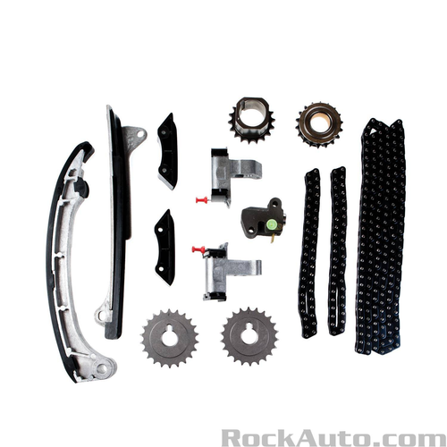 | https://www.rockauto.com/en/parts/melling,30470S,timing+chain+&+component+kit,5756 | $281.79 |  | Category: Timing Chain &amp; Component Kit | High Alloy Steel | No
8 | Timing Chain & Component Kit | MELLING | 30470S | TOYOTA 4RUNNER 2003-2009 TOYOTA FJ CRUISER 2007-2009 TOYOTA TACOMA 2005-2015 TOYOTA TUNDRA 2005-2011 | TS13174 |  | https://www.rockauto.com/en/parts/melling,30470S,timing+chain+&+component+kit,5756 | $281.79 |  | Category: Timing Chain &amp; Component Kit | High Alloy Steel | No
8 | Timing Chain & Component Kit | MELLING | 30470S | TOYOTA 4RUNNER 2003-2009 TOYOTA FJ CRUISER 2007-2009 TOYOTA TACOMA 2005-2015 TOYOTA TUNDRA 2005-2011 | TS13174 |  | https://www.rockauto.com/en/parts/melling,30470S,timing+chain+&+component+kit,5756 | $281.79 |  | Category: Timing Chain &amp; Component Kit | High Alloy Steel | No
8 | Timing Chain & Component Kit | MELLING | 30470S | TOYOTA 4RUNNER 2003-2009 TOYOTA FJ CRUISER 2007-2009 TOYOTA TACOMA 2005-2015 TOYOTA TUNDRA 2005-2011 | TS13174 |  | https://www.rockauto.com/en/parts/melling,30470S,timing+chain+&+component+kit,5756 | $281.79 |  | Category: Timing Chain &amp; Component Kit | High Alloy Steel | No
8 | Timing Chain & Component Kit | MELLING | 30470S | TOYOTA 4RUNNER 2003-2009 TOYOTA FJ CRUISER 2007-2009 TOYOTA TACOMA 2005-2015 TOYOTA TUNDRA 2005-2011 | TS13174 |  | https://www.rockauto.com/en/parts/melling,30470S,timing+chain+&+component+kit,5756 | $281.79 |  | Category: Timing Chain &amp; Component Kit | High Alloy Steel | No
8 | Timing Chain & Component Kit | MELLING | 30470S | TOYOTA 4RUNNER 2003-2009 TOYOTA FJ CRUISER 2007-2009 TOYOTA TACOMA 2005-2015 TOYOTA TUNDRA 2005-2011 | TS13174 |  | https://www.rockauto.com/en/parts/melling,30470S,timing+chain+&+component+kit,5756 | $281.79 |  | Category: Timing Chain &amp; Component Kit | High Alloy Steel | No
8 | Timing Chain & Component Kit | MELLING | 30470S | TOYOTA 4RUNNER 2003-2009 TOYOTA FJ CRUISER 2007-2009 TOYOTA TACOMA 2005-2015 TOYOTA TUNDRA 2005-2011 | TS13174 |  | https://www.rockauto.com/en/parts/melling,30470S,timing+chain+&+component+kit,5756 | $281.79 |  | Category: Timing Chain &amp; Component Kit | High Alloy Steel | No
8 | Timing Chain & Component Kit | MELLING | 30470S | TOYOTA 4RUNNER 2003-2009 TOYOTA FJ CRUISER 2007-2009 TOYOTA TACOMA 2005-2015 TOYOTA TUNDRA 2005-2011 | TS13174 |  | https://www.rockauto.com/en/parts/melling,30470S,timing+chain+&+component+kit,5756 | $281.79 |  | Category: Timing Chain &amp; Component Kit | High Alloy Steel | No
8 | Timing Chain & Component Kit | MELLING | 30470S | TOYOTA 4RUNNER 2003-2009 TOYOTA FJ CRUISER 2007-2009 TOYOTA TACOMA 2005-2015 TOYOTA TUNDRA 2005-2011 | TS13174 |  | https://www.rockauto.com/en/parts/melling,30470S,timing+chain+&+component+kit,5756 | $281.79 |  | Category: Timing Chain &amp; Component Kit | High Alloy Steel | No
8 | Timing Chain & Component Kit | MELLING | 30470S | TOYOTA 4RUNNER 2003-2009 TOYOTA FJ CRUISER 2007-2009 TOYOTA TACOMA 2005-2015 TOYOTA TUNDRA 2005-2011 | TS13174 |  | https://www.rockauto.com/en/parts/melling,30470S,timing+chain+&+component+kit,5756 | $281.79 |  | Category: Timing Chain &amp; Component Kit | High Alloy Steel | No
8 | Timing Chain & Component Kit | MELLING | 30470S | TOYOTA 4RUNNER 2003-2009 TOYOTA FJ CRUISER 2007-2009 TOYOTA TACOMA 2005-2015 TOYOTA TUNDRA 2005-2011 | TS13174 |  | https://www.rockauto.com/en/parts/melling,30470S,timing+chain+&+component+kit,5756 | $281.79 |  | Category: Timing Chain &amp; Component Kit | High Alloy Steel | No
9 | Timing Chain & Component Kit | MELLING | 30470SX | TOYOTA 4RUNNER 2003-2009 TOYOTA FJ CRUISER 2007-2009 TOYOTA TACOMA 2005-2015 TOYOTA TUNDRA 2005-2011 |  | 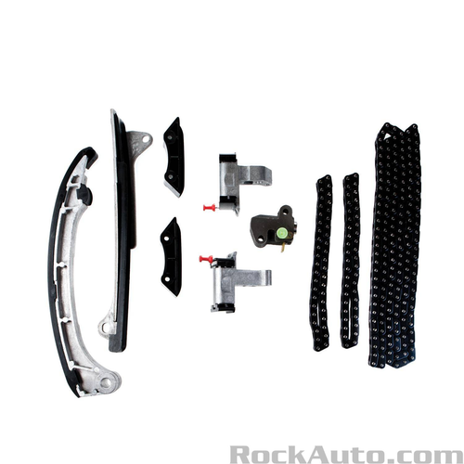 | https://www.rockauto.com/en/parts/melling,30470SX,timing+chain+&+component+kit,5756 | $202.79 | Does Not Include Sprockets | Category: Timing Chain &amp; Component Kit |  | No
9 | Timing Chain & Component Kit | MELLING | 30470SX | TOYOTA 4RUNNER 2003-2009 TOYOTA FJ CRUISER 2007-2009 TOYOTA TACOMA 2005-2015 TOYOTA TUNDRA 2005-2011 |  |  | https://www.rockauto.com/en/parts/melling,30470SX,timing+chain+&+component+kit,5756 | $202.79 | Does Not Include Sprockets | Category: Timing Chain &amp; Component Kit |  | No
9 | Timing Chain & Component Kit | MELLING | 30470SX | TOYOTA 4RUNNER 2003-2009 TOYOTA FJ CRUISER 2007-2009 TOYOTA TACOMA 2005-2015 TOYOTA TUNDRA 2005-2011 |  |  | https://www.rockauto.com/en/parts/melling,30470SX,timing+chain+&+component+kit,5756 | $202.79 | Does Not Include Sprockets | Category: Timing Chain &amp; Component Kit |  | No
9 | Timing Chain & Component Kit | MELLING | 30470SX | TOYOTA 4RUNNER 2003-2009 TOYOTA FJ CRUISER 2007-2009 TOYOTA TACOMA 2005-2015 TOYOTA TUNDRA 2005-2011 |  |  | https://www.rockauto.com/en/parts/melling,30470SX,timing+chain+&+component+kit,5756 | $202.79 | Does Not Include Sprockets | Category: Timing Chain &amp; Component Kit |  | No
9 | Timing Chain & Component Kit | MELLING | 30470SX | TOYOTA 4RUNNER 2003-2009 TOYOTA FJ CRUISER 2007-2009 TOYOTA TACOMA 2005-2015 TOYOTA TUNDRA 2005-2011 |  |  | https://www.rockauto.com/en/parts/melling,30470SX,timing+chain+&+component+kit,5756 | $202.79 | Does Not Include Sprockets | Category: Timing Chain &amp; Component Kit |  | No
9 | Timing Chain & Component Kit | MELLING | 30470SX | TOYOTA 4RUNNER 2003-2009 TOYOTA FJ CRUISER 2007-2009 TOYOTA TACOMA 2005-2015 TOYOTA TUNDRA 2005-2011 |  |  | https://www.rockauto.com/en/parts/melling,30470SX,timing+chain+&+component+kit,5756 | $202.79 | Does Not Include Sprockets | Category: Timing Chain &amp; Component Kit |  | No
9 | Timing Chain & Component Kit | MELLING | 30470SX | TOYOTA 4RUNNER 2003-2009 TOYOTA FJ CRUISER 2007-2009 TOYOTA TACOMA 2005-2015 TOYOTA TUNDRA 2005-2011 |  |  | https://www.rockauto.com/en/parts/melling,30470SX,timing+chain+&+component+kit,5756 | $202.79 | Does Not Include Sprockets | Category: Timing Chain &amp; Component Kit |  | No
9 | Timing Chain & Component Kit | MELLING | 30470SX | TOYOTA 4RUNNER 2003-2009 TOYOTA FJ CRUISER 2007-2009 TOYOTA TACOMA 2005-2015 TOYOTA TUNDRA 2005-2011 |  |  | https://www.rockauto.com/en/parts/melling,30470SX,timing+chain+&+component+kit,5756 | $202.79 | Does Not Include Sprockets | Category: Timing Chain &amp; Component Kit |  | No
10 | Timing Chain & Component Kit | MELLING | 30490S | LEXUS ES350 2007-2015 LEXUS GS300 2006 LEXUS IS250 2006-2015 LEXUS RX350 2007-2015 LEXUS RX450H 2010-2015 TOYOTA AVALON 2005-2016 TOYOTA CAMRY 2007-2016 TOYOTA HIGHLANDER 2008-2016 TOYOTA RAV4 2006-2012 TOYOTA SIENNA 2007-2016 TOYOTA VENZA 2009-2016 | TS11170 | 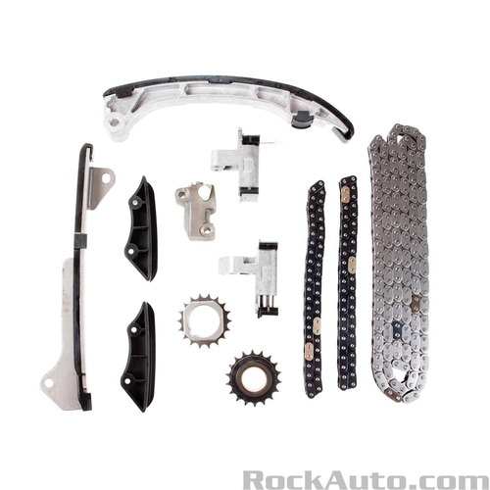 | https://www.rockauto.com/en/parts/melling,30490S,timing+chain+&+component+kit,5756 | $249.79 |  | Category: Timing Chain &amp; Component Kit | High Alloy Steel | No
10 | Timing Chain & Component Kit | MELLING | 30490S | LEXUS ES350 2007-2015 LEXUS GS300 2006 LEXUS IS250 2006-2015 LEXUS RX350 2007-2015 LEXUS RX450H 2010-2015 TOYOTA AVALON 2005-2016 TOYOTA CAMRY 2007-2016 TOYOTA HIGHLANDER 2008-2016 TOYOTA RAV4 2006-2012 TOYOTA SIENNA 2007-2016 TOYOTA VENZA 2009-2016 | TS11170 |  | https://www.rockauto.com/en/parts/melling,30490S,timing+chain+&+component+kit,5756 | $249.79 |  | Category: Timing Chain &amp; Component Kit | High Alloy Steel | No
10 | Timing Chain & Component Kit | MELLING | 30490S | LEXUS ES350 2007-2015 LEXUS GS300 2006 LEXUS IS250 2006-2015 LEXUS RX350 2007-2015 LEXUS RX450H 2010-2015 TOYOTA AVALON 2005-2016 TOYOTA CAMRY 2007-2016 TOYOTA HIGHLANDER 2008-2016 TOYOTA RAV4 2006-2012 TOYOTA SIENNA 2007-2016 TOYOTA VENZA 2009-2016 | TS11170 |  | https://www.rockauto.com/en/parts/melling,30490S,timing+chain+&+component+kit,5756 | $249.79 |  | Category: Timing Chain &amp; Component Kit | High Alloy Steel | No
10 | Timing Chain & Component Kit | MELLING | 30490S | LEXUS ES350 2007-2015 LEXUS GS300 2006 LEXUS IS250 2006-2015 LEXUS RX350 2007-2015 LEXUS RX450H 2010-2015 TOYOTA AVALON 2005-2016 TOYOTA CAMRY 2007-2016 TOYOTA HIGHLANDER 2008-2016 TOYOTA RAV4 2006-2012 TOYOTA SIENNA 2007-2016 TOYOTA VENZA 2009-2016 | TS11170 |  | https://www.rockauto.com/en/parts/melling,30490S,timing+chain+&+component+kit,5756 | $249.79 |  | Category: Timing Chain &amp; Component Kit | High Alloy Steel | No
10 | Timing Chain & Component Kit | MELLING | 30490S | LEXUS ES350 2007-2015 LEXUS GS300 2006 LEXUS IS250 2006-2015 LEXUS RX350 2007-2015 LEXUS RX450H 2010-2015 TOYOTA AVALON 2005-2016 TOYOTA CAMRY 2007-2016 TOYOTA HIGHLANDER 2008-2016 TOYOTA RAV4 2006-2012 TOYOTA SIENNA 2007-2016 TOYOTA VENZA 2009-2016 | TS11170 |  | https://www.rockauto.com/en/parts/melling,30490S,timing+chain+&+component+kit,5756 | $249.79 |  | Category: Timing Chain &amp; Component Kit | High Alloy Steel | No
10 | Timing Chain & Component Kit | MELLING | 30490S | LEXUS ES350 2007-2015 LEXUS GS300 2006 LEXUS IS250 2006-2015 LEXUS RX350 2007-2015 LEXUS RX450H 2010-2015 TOYOTA AVALON 2005-2016 TOYOTA CAMRY 2007-2016 TOYOTA HIGHLANDER 2008-2016 TOYOTA RAV4 2006-2012 TOYOTA SIENNA 2007-2016 TOYOTA VENZA 2009-2016 | TS11170 |  | https://www.rockauto.com/en/parts/melling,30490S,timing+chain+&+component+kit,5756 | $249.79 |  | Category: Timing Chain &amp; Component Kit | High Alloy Steel | No
10 | Timing Chain & Component Kit | MELLING | 30490S | LEXUS ES350 2007-2015 LEXUS GS300 2006 LEXUS IS250 2006-2015 LEXUS RX350 2007-2015 LEXUS RX450H 2010-2015 TOYOTA AVALON 2005-2016 TOYOTA CAMRY 2007-2016 TOYOTA HIGHLANDER 2008-2016 TOYOTA RAV4 2006-2012 TOYOTA SIENNA 2007-2016 TOYOTA VENZA 2009-2016 | TS11170 |  | https://www.rockauto.com/en/parts/melling,30490S,timing+chain+&+component+kit,5756 | $249.79 |  | Category: Timing Chain &amp; Component Kit | High Alloy Steel | No
10 | Timing Chain & Component Kit | MELLING | 30490S | LEXUS ES350 2007-2015 LEXUS GS300 2006 LEXUS IS250 2006-2015 LEXUS RX350 2007-2015 LEXUS RX450H 2010-2015 TOYOTA AVALON 2005-2016 TOYOTA CAMRY 2007-2016 TOYOTA HIGHLANDER 2008-2016 TOYOTA RAV4 2006-2012 TOYOTA SIENNA 2007-2016 TOYOTA VENZA 2009-2016 | TS11170 |  | https://www.rockauto.com/en/parts/melling,30490S,timing+chain+&+component+kit,5756 | $249.79 |  | Category: Timing Chain &amp; Component Kit | High Alloy Steel | No
10 | Timing Chain & Component Kit | MELLING | 30490S | LEXUS ES350 2007-2015 LEXUS GS300 2006 LEXUS IS250 2006-2015 LEXUS RX350 2007-2015 LEXUS RX450H 2010-2015 TOYOTA AVALON 2005-2016 TOYOTA CAMRY 2007-2016 TOYOTA HIGHLANDER 2008-2016 TOYOTA RAV4 2006-2012 TOYOTA SIENNA 2007-2016 TOYOTA VENZA 2009-2016 | TS11170 |  | https://www.rockauto.com/en/parts/melling,30490S,timing+chain+&+component+kit,5756 | $249.79 |  | Category: Timing Chain &amp; Component Kit | High Alloy Steel | No

