Sheet1
No | Type | SKU | Part Number | Brand | Tag | Title | Vehicle | OEM | Picture | Url
1 | Weatherstripping | T3011 | 1AWSD00639 | Fairchild Automotive | Replaces | 1995-00 Toyota Tacoma Front Body Mounted Door Weatherstrip Seal Fairchild Automotive T3011 | Toyota Tacoma 1995-2000 | T3011 | 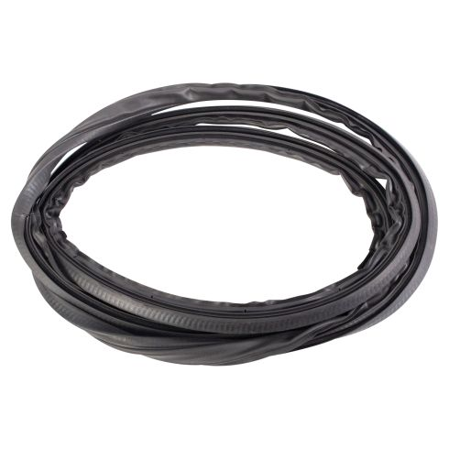 | https://www.1aauto.com/1995-00-toyota-tacoma-front-body-mounted-door-weatherstrip-seal-fairchild-automotive-t3011/i/1awsd00639
2 | Weatherstripping | TK 70 | 1AWST00056 | Metro Moulded Parts | Replaces | 1996-00 Honda Civic 4 Door Sedan Trunk Weatherstrip Seal Metro Moulded Parts TK 70 | Honda Civic 1996-2000 | WSS01087;TK 70 | 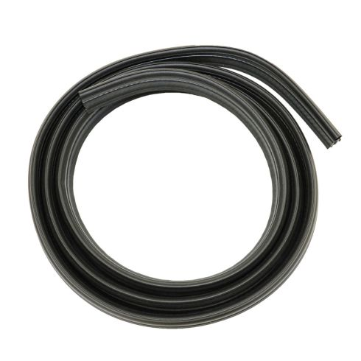 | https://www.1aauto.com/1996-00-honda-civic-4-door-sedan-trunk-weatherstrip-seal-metro-moulded-parts-tk-70/i/1awst00056
3 | Weatherstripping | 1AWSK00236 | 1AWSK00236 | Fairchild Automotive | Replaces | 1991-00 Ford Explorer 2 Door Door Weatherstrip Seal 2 Piece Set Fairchild Automotive 1AWSK00236 | Ford Explorer 1991-2000 | WSS00589;WSS00246;F3033 | 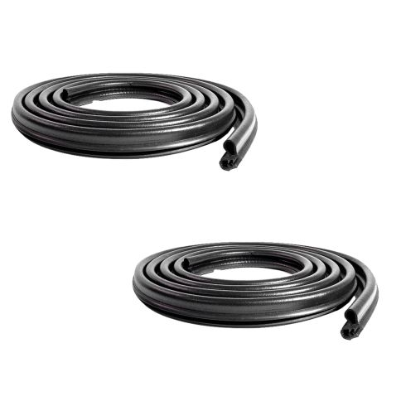 | https://www.1aauto.com/1991-00-ford-explorer-2-door-door-weatherstrip-seal-2-piece-set-fairchild-automotive-1awsk00236/i/1awsk00236
4 | Weatherstripping | F3033 | 1AWSD00347 | Fairchild Automotive | Replaces | 1991-00 Ford Explorer 2 Door Door Weatherstrip Seal Fairchild Automotive F3033 | Ford Explorer 1991-2000 | WSS00246;F3033 | 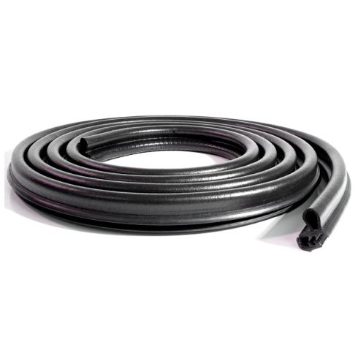 | https://www.1aauto.com/1991-00-ford-explorer-2-door-door-weatherstrip-seal-fairchild-automotive-f3033/i/1awsd00347
5 | Weatherstripping | WSA74804 | 1AWSD00898 | TRQ | Replaces | 1995-00 Toyota Tacoma Front Body Mounted Door Weatherstrip Seal TRQ WSA74804 | Toyota Tacoma 1995-2000 | T3011 |  | https://www.1aauto.com/1995-00-toyota-tacoma-front-body-mounted-door-weatherstrip-seal-trq-wsa74804/i/1awsd00898
6 | Weatherstripping | 107 779 0022 | 1AWSC00107 | URO | Replaces | Mercedes Benz 380SL 450SL 560SL Header Weatherstrip Seal URO 107 779 0022 | Mercedes Benz 380SL 1981-1985 Mercedes Benz 450SL 1973-1980 Mercedes Benz 560SL 1986-1989 | WSS00085;107 779 0022 | 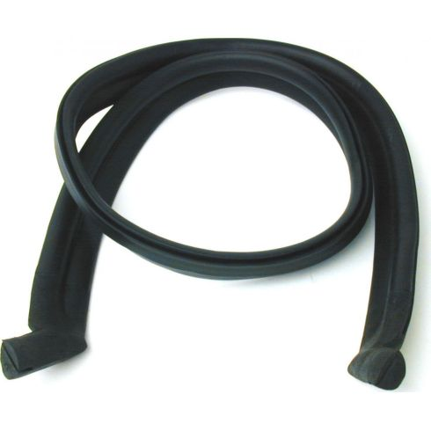 | https://www.1aauto.com/mercedes-benz-380sl-450sl-560sl-header-weatherstrip-seal-uro-107-779-0022/i/1awsc00107
7 | Weatherstripping | 107 771 0098 | 1AWSC00106 | URO | Replaces | Mercedes Benz Body Convertible Top Weatherstrip URO 107 771 0098 | Mercedes Benz 380SL 1981-1985 Mercedes Benz 380SLC 1981 Mercedes Benz 450SL 1973-1980 Mercedes Benz 450SLC 1973-1980 Mercedes Benz 560SL 1986-1989 | WSS00084;107 771 0098;1077710098 | 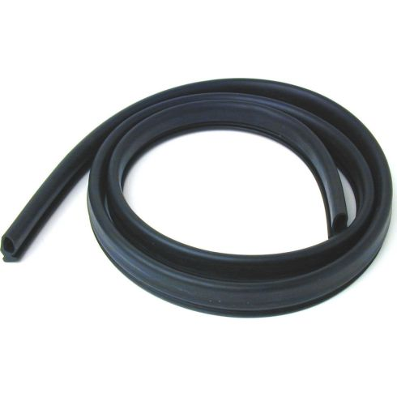 | https://www.1aauto.com/mercedes-benz-body-convertible-top-weatherstrip-uro-107-771-0098/i/1awsc00106
8 | Weatherstripping | 107 758 0098 | 1AWST00079 | URO | Replaces | Mercedes Benz 380SL 450SL 560SL Trunk Weatherstrip Seal URO 107 758 0098 | Mercedes Benz 380SL 1981-1985 Mercedes Benz 450SL 1973-1980 Mercedes Benz 560SL 1986-1989 | WSS01104;107 758 0098;1077580098 | 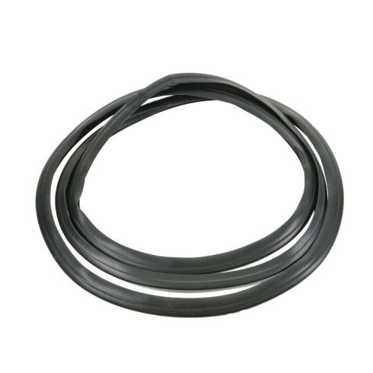 | https://www.1aauto.com/mercedes-benz-380sl-450sl-560sl-trunk-weatherstrip-seal-uro-107-758-0098/i/1awst00079
9 | Weatherstripping | TK 70-C | 1AWST00058 | Metro Moulded Parts | Replaces | 1994-01 Acura Integra Hatchback Hatch Weatherstrip Seal Metro Moulded Parts TK 70-C | Acura Integra 1994-2001 | WSS01088;TK 70-C | 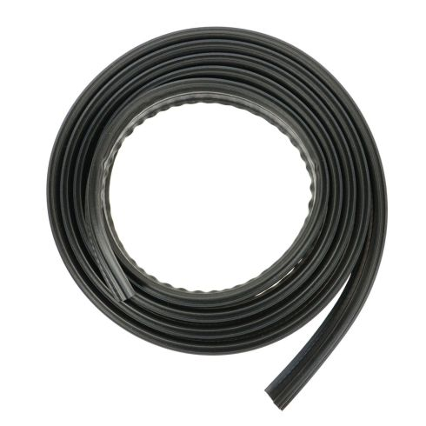 | https://www.1aauto.com/1994-01-acura-integra-hatchback-hatch-weatherstrip-seal-metro-moulded-parts-tk-70-c/i/1awst00058
10 | Weatherstripping | 107 720 0178 | 1AWSD00525 | URO | Replaces | Mercedes Benz Driver Side Door Mounted Door Weatherstrip Seal URO 107 720 0178 | Mercedes Benz 380SL 1981-1985 Mercedes Benz 380SLC 1981 Mercedes Benz 450SL 1973-1980 Mercedes Benz 450SLC 1973-1980 | WSS00363;107 720 0178;1077200178 | 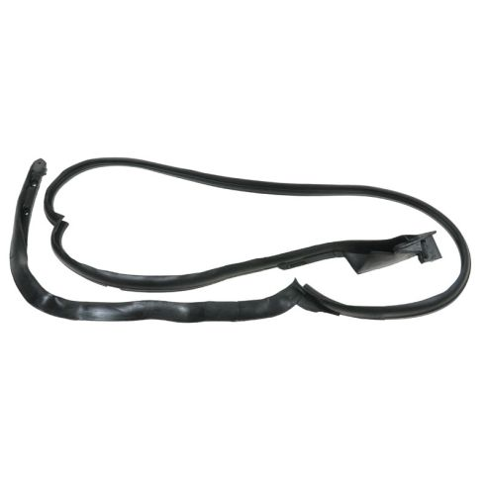 | https://www.1aauto.com/mercedes-benz-driver-side-door-mounted-door-weatherstrip-seal-uro-107-720-0178/i/1awsd00525

