Sheet1
No | SKU | Brand | MPN | Title | Currency | Price | Vehicle | Picture | Url
1 | DS687-B100P | Headlights Depot | DS687-B100P | 07-12 Nissan Altima Fog Lights Driver And Passenger Side Set | USD | 48.3 | Nissan Altima 2007-2012 | 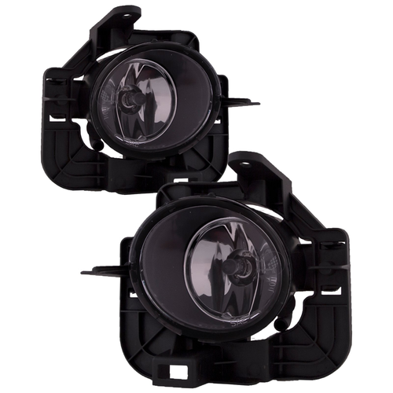 | https://www.headlightsdepot.com/07-12-nissan-altima-fog-lights-driver-and-passenger-side-set-sku-ds687-b100p.html
2 | DD6672-GBFG | Diode Dynamics | DD6672-GBFG | 13-18 Ram 1500 SS3 LED Pod Sport Ram Vertical Kit White SAE Fog | USD | 279.95 | Ram 1500 2013-2018 | 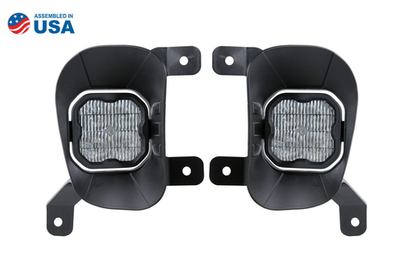 | https://www.headlightsdepot.com/13-18-ram-1500-ss3-led-pod-sport-ram-vertical-kit-white-sae-fog-sku-dd6672-gbfg.html
3 | LF030 | Morimoto | LF030 | 14-17 Jeep Wrangler Morimoto XB LED Fogs: Type M (Set / Black) | USD | 199.5 | Jeep Wrangler 2014-2017 | 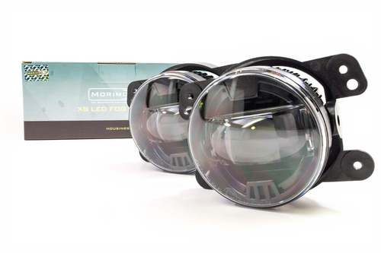 | https://www.headlightsdepot.com/14-17-jeep-wrangler-morimoto-xb-led-fogs-type-m-set-black-sku-lf030.html
4 | 330-2052P-AC | Headlights Depot | 330-2052P-AC | 18-20 Ford F-150 CAPA Certified Fog Light With Bracket Left Driver & Right Passenger Pair | USD | 181.4 | Ford F-150 2018-2020 | 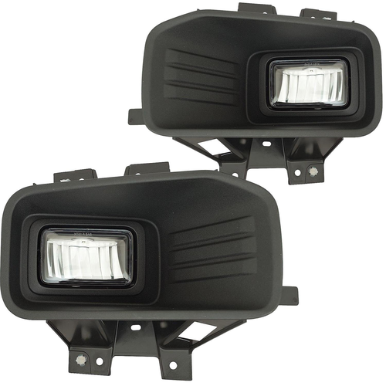 | https://www.headlightsdepot.com/18-20-ford-f-150-capa-certified-fog-light-with-bracket-left-driver-right-passenger-pair-sku-330-2052p-ac.html
5 | CS125-B000R | Headlights Depot | CS125-B000R | 1997-2000 Dodge Dakota/1998-2000 Dodge Passenger Side Fog Light | USD | 37.99 | Dodge Dakota 1997-2000 Dodge Durango 1998-2000 | 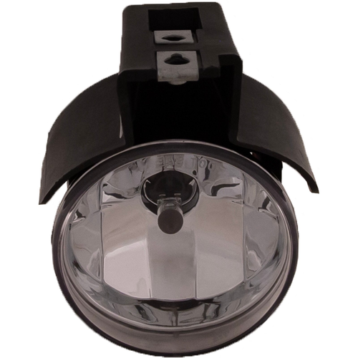 | https://www.headlightsdepot.com/1997-2000-dodge-dakota-1998-2000-dodge-passenger-side-fog-light-sku-cs125-b000r.html
6 | GM512-B000L | Headlights Depot | GM512-B000L | 1997-2005 Buick Century/1997-2004 Buick Regal Driver Side Fog Light | USD | 30.65 | Buick Century 1997-2005 Buick Regal 1997-2005 | 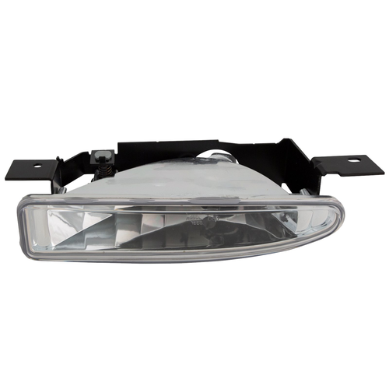 | https://www.headlightsdepot.com/1997-2005-buick-century-1997-2004-buick-regal-driver-side-fog-light-sku-gm512-b000l.html
7 | GM308-B000R | Headlights Depot | GM308-B000R | 1999-2002 Chevy Silverado/2000-2006 Tahoe/Suburban Fog Light Passenger Side | USD | 29.99 | Chevrolet C1500 2000-2002 Chevrolet C2500 2000 Chevrolet C3500 2000-2004 Chevrolet Silverado-1500 1999-2002 Chevrolet Silverado-1500-Hd 2001-2002 Chevrolet Silverado-2500 1999-2002 Chevrolet Silverado-2500-Hd 2001-2002 Chevrolet Silverado-3500 2001-2002 Chevrolet Suburban 2003-2006 Chevrolet Suburban-1500 2000-2006 Chevrolet Suburban-2500 2000-2006 Chevrolet Tahoe 2000-2006 | 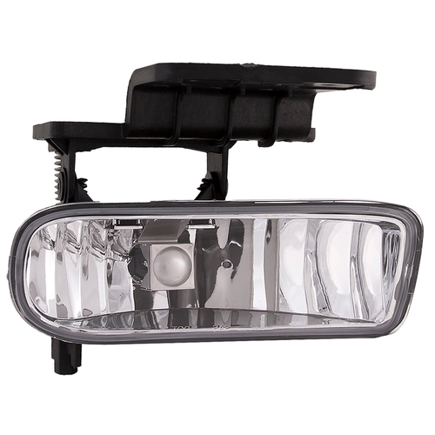 | https://www.headlightsdepot.com/1999-2002-chevy-silverado-2000-2006-tahoe-suburban-fog-light-passenger-side-sku-gm308-b000r.html
8 | GM308-B000P | Headlights Depot | GM308-B000P | 1999-2002 Chevy Silverado/2000-2006 Tahoe/Suburban Fog Lights Set Left Right Driver Side Assembly | USD | 44.99 | Chevrolet Silverado-1500 1999-2002 Chevrolet Silverado-2500 1999-2002 Chevrolet Silverado-2500-Hd 2001-2002 Chevrolet Silverado-3500 2001-2002 Chevrolet Suburban-1500 2000-2006 Chevrolet Suburban-2500 2000-2006 Chevrolet Tahoe 2000-2006 | 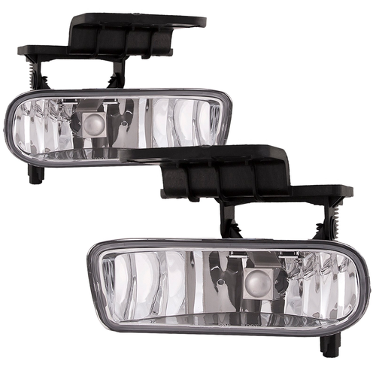 | https://www.headlightsdepot.com/1999-2002-chevy-silverado-2000-2006-tahoe-suburban-fog-lights-set-left-right-driver-side-assembly-sku-gm308-b000p.html
9 | FR542-B000P | Headlights Depot | FR542-B000P | 2001-2004 Ford SuperDuty Pickup/ 2001-2004 Ford F-250/ 2001-2004 Ford F-350/ 2001-2004 Ford F-450/ 2001-2004 Ford F-550/ 2001-2004 Ford Excursion Factory Installed Fog Light Right And Left Pair Hand Right And Left Pairs Side | USD | 42.99 | Ford Excursion 2001-2004 Ford F-250-Super-Duty 2001-2004 Ford F-350-Super-Duty 2001-2004 | 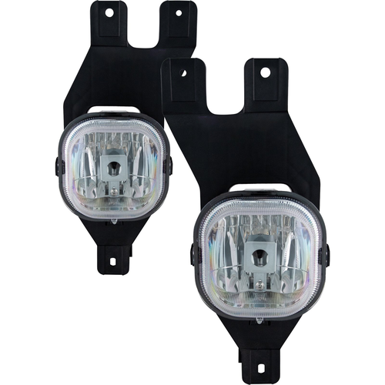 | https://www.headlightsdepot.com/2001-2004-ford-superduty-pickup-2001-2004-ford-f-250-2001-2004-ford-f-350-2001-2004-ford-f-450-2001-2004-ford-f-550-2001-2004-ford-excursion-factory-installed-fog-sku-fr542-b000p.html
10 | FR542-B000R | Headlights Depot | FR542-B000R | 2001-2004 Ford SuperDuty Pickup/ 2001-2004 Ford F-250/ 2001-2004 Ford F-350/ 2001-2004 Ford F-450/ 2001-2004 Ford F-550/ 2001-2004 Ford Excursion Factory Installed Fog Light Right Hand Passengers Side | USD | 29.15 | Ford Excursion 2001-2004 Ford F-250-Super-Duty 2001-2004 Ford F-350-Super-Duty 2001-2004 | 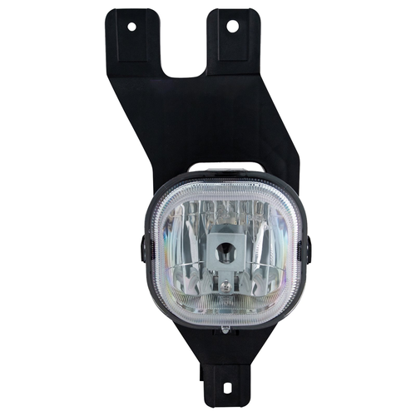 | https://www.headlightsdepot.com/2001-2004-ford-superduty-pickup-2001-2004-ford-f-250-2001-2004-ford-f-350-2001-2004-ford-f-450-2001-2004-ford-f-550-2001-2004-ford-excursion-factory-installed-fog-light-right-hand-passengers-side-sku-fr542-b000r.html

