Sheet1
No | Group | Type | Manufacturer | Part Number | Vehicle | OEM | Picture | Url
1 | Heat & Air Conditioning | A/C Compressor | UAC | CO0011C | CHRYSLER FIFTH AVENUE 1983-1989 CHRYSLER IMPERIAL 1981-1983 CHRYSLER LEBARON 1979-1984 CHRYSLER NEW YORKER 1980-1982 DODGE ARIES 1981-1984 DODGE B150 1984-1990 DODGE B250 1984-1990 DODGE B350 1984-1990 DODGE D150 PICKUP 1981-1992 DODGE D250 PICKUP 1981-1992 DODGE D350 PICKUP 1981-1992 DODGE D400 PICKUP 1981 DODGE D450 PICKUP 1981 DODGE DAKOTA 1987-1991 DODGE DIPLOMAT 1979-1989 DODGE RAMCHARGER 1981-1992 DODGE W150 PICKUP 1989-1993 DODGE W250 PICKUP 1989-1993 DODGE W350 PICKUP 1989-1993 PLYMOUTH GRAN FURY 1980-1989 PLYMOUTH RELIANT 1981-1984 | 4728917;4728919 | 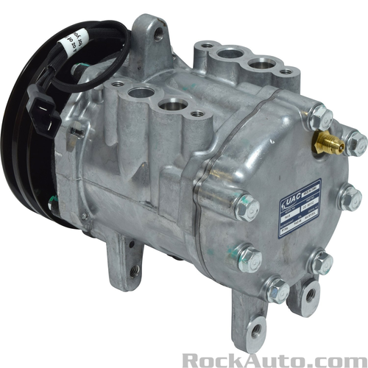 | https://www.rockauto.com/en/parts/uac,CO0011C,a/c+compressor,6628
2 | Heat & Air Conditioning | A/C Compressor | UAC | CO0020GLC | AMERICAN MOTORS AMBASSADOR 1963-1974 AMERICAN MOTORS AMX 1969-1980 AMERICAN MOTORS CONCORD 1978-1980 AMERICAN MOTORS GREMLIN 1970-1978 AMERICAN MOTORS HORNET 1970-1977 AMERICAN MOTORS JAVELIN 1970-1974 AMERICAN MOTORS MATADOR 1971-1978 AMERICAN MOTORS REBEL 1969-1970 AMERICAN MOTORS SPIRIT 1979-1981 AUDI 100 1970-1977 AUDI FOX 1974-1979 INTERNATIONAL SCOUT II 1979 JAGUAR XJ12 1974-1979 JAGUAR XJ6 1972-1979 JAGUAR XJS 1977-1979 JEEP CHEROKEE 1974-1975 JEEP CJ3 1966 JEEP CJ5 1966-1981 JEEP CJ5A 1966-1968 JEEP CJ6 1966-1975 JEEP CJ6A 1966-1968 JEEP CJ7 1976-1981 JEEP COMMANDO 1966-1967 JEEP DISPATCHER 1966-1967 JEEP DJ5 1966-1974 JEEP DJ6 1966-1968 JEEP GRAND WAGONEER 1984-1986 JEEP J-100 1964-1972 JEEP J-200 1963-1965 JEEP J-210 1964-1965 JEEP J-220 1964 JEEP J-230 1964 JEEP J-2500 1965-1973 JEEP J-2600 1965-1973 JEEP J-2700 1965-1970 JEEP J-2800 1965-1968 JEEP J-300 1964 JEEP J-310 1964 JEEP J-320 1964 JEEP J-330 1963-1964 JEEP J-3500 1965-1970 JEEP J-3600 1965-1970 JEEP J-3700 1965-1970 JEEP J-3800 1965-1971 JEEP J-4500 1970-1973 JEEP J-4600 1970-1973 JEEP J-4700 1970-1973 JEEP J-4800 1970-1973 JEEP J10 1974-1981 JEEP J20 1974-1978 JEEP JEEPSTER 1966-1971 JEEP WAGONEER 1963-1980 VOLKSWAGEN DASHER 1974-1980 | 117841C91 | 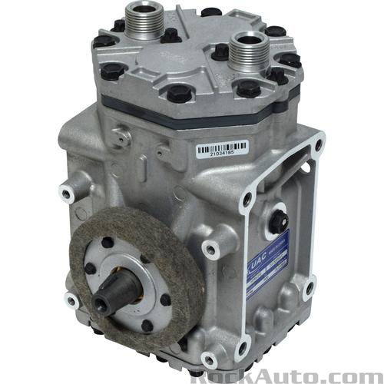 | https://www.rockauto.com/en/parts/uac,CO0020GLC,a/c+compressor,6628
3 | Heat & Air Conditioning | A/C Compressor | UAC | CO0023GLC | AMERICAN MOTORS PACER 1980 DODGE DIPLOMAT 1980-1983 FORD BRONCO 1973-1985 FORD BRONCO II 1984 FORD E-100 1973-1983 FORD E-150 1983 FORD THUNDERBIRD 1985-1988 VOLVO 242 1975-1984 VOLVO 244 1975-1984 VOLVO 245 1976-1984 | ABPN83304111 | 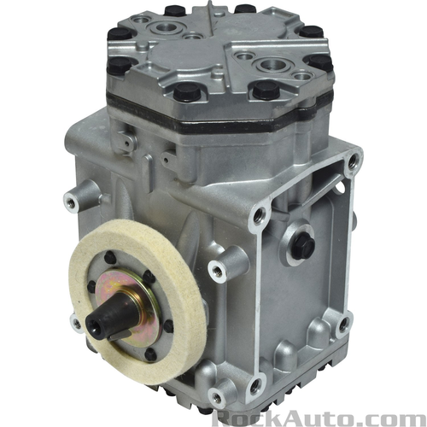 | https://www.rockauto.com/en/parts/uac,CO0023GLC,a/c+compressor,6628
4 | Heat & Air Conditioning | A/C Compressor | UAC | CO0024GLC | AMERICAN MOTORS AMBASSADOR 1963-1968 AMERICAN MOTORS AMERICAN 1964-1968 AMERICAN MOTORS CLASSIC 1963-1966 AMERICAN MOTORS REBEL 1967 AUDI 4000 1980-1987 AUDI COUPE 1984-1987 FORD BRONCO 1970-1971 FORD CUSTOM 1964-1969 FORD F-100 1963-1979 FORD F-250 1964-1980 FORD F-350 1963-1980 FORD FAIRLANE 1959-1970 FORD FALCON 1964-1969 FORD GALAXIE 1963-1974 FORD LTD 1967-1974 FORD MAVERICK 1971-1977 FORD MUSTANG 1967-1982 FORD THUNDERBIRD 1977-1981 FORD TORINO 1970-1976 INTERNATIONAL 2574 1992-2002 INTERNATIONAL 4000 SERIES 1995-2002 INTERNATIONAL 8000 SERIES 1992-2003 INTERNATIONAL SCOUT II 1973-1978 LINCOLN CONTINENTAL 1963-1971 MERCEDES-BENZ 220 1959-1963 MERCEDES-BENZ 220D 1969-1973 MERCEDES-BENZ 250 1969-1972 MERCEDES-BENZ 280 1973-1976 MERCEDES-BENZ 280S 1971-1976 MERCEDES-BENZ 280SE 1968-1972 MERCEDES-BENZ 280SEL 1968-1970 MERCEDES-BENZ 280SL 1968-1971 MERCEDES-BENZ 300SE 1963-1966 MERCEDES-BENZ 300SEL 1964-1971 MERCEDES-BENZ 300SL 1963 MERCURY COLONY PARK 1971-1974 MERCURY COMET 1963-1974 MERCURY COUGAR 1968-1971 MERCURY MARAUDER 1970 MERCURY MONARCH 1975 MERCURY MONTEGO 1968-1969 MERCURY MONTEREY 1971-1973 MERCURY ZEPHYR 1978-1982 VOLKSWAGEN QUANTUM 1985-1987 | 12301919;1924004C1;206RD34;25149;25150;48821001;80417494;ABPN83304031;ABPN83304081;ABPN83304101T;D9ZZ19V703A;ET210625150;F7HS19D629AA;LC1010;LC1130;LC2120 | 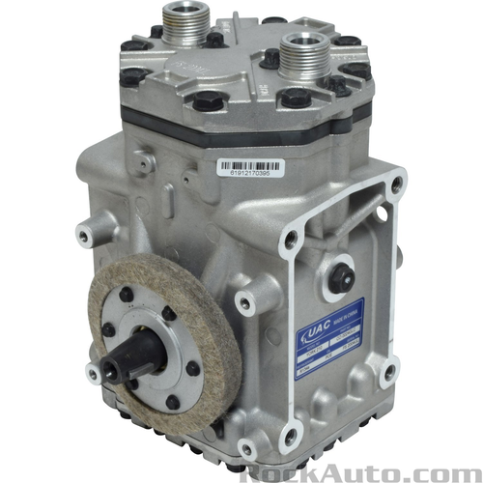 | https://www.rockauto.com/en/parts/uac,CO0024GLC,a/c+compressor,6628
5 | Heat & Air Conditioning | A/C Compressor | UAC | CO0040C |  | ABPN83304161 | 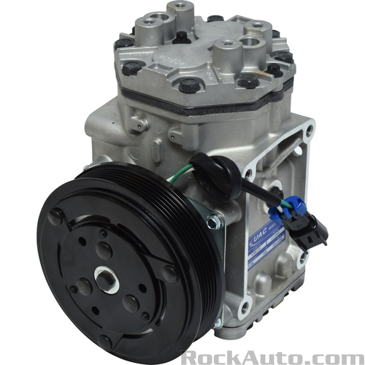 | https://www.rockauto.com/en/parts/uac,CO0040C,a/c+compressor,6628
6 | Heat & Air Conditioning | A/C Compressor | UAC | CO0041C |  | ABPN83304221 | 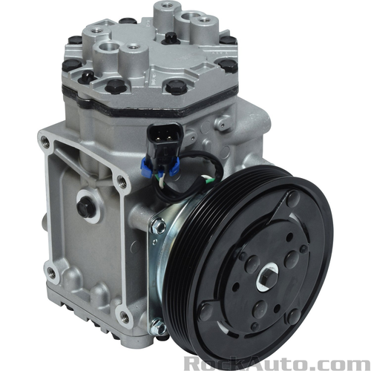 | https://www.rockauto.com/en/parts/uac,CO0041C,a/c+compressor,6628
7 | Heat & Air Conditioning | A/C Compressor | UAC | CO0042C |  | ABPN83304231 | 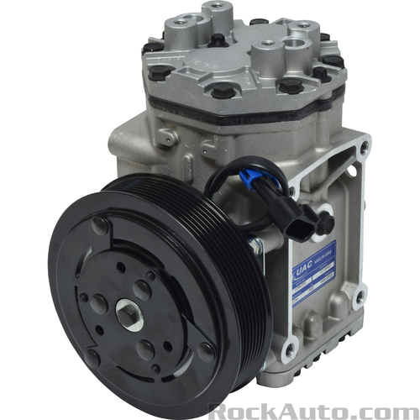 | https://www.rockauto.com/en/parts/uac,CO0042C,a/c+compressor,6628
8 | Heat & Air Conditioning | A/C Compressor | UAC | CO0043C |  | 3095830;3949479;CFC68821946C;K3181192 | 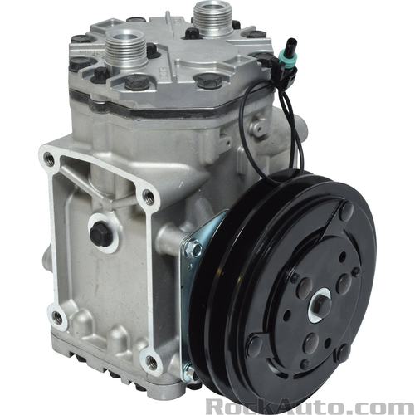 | https://www.rockauto.com/en/parts/uac,CO0043C,a/c+compressor,6628
9 | Heat & Air Conditioning | A/C Compressor | UAC | CO0071C |  | ABPN83304321;ABPN83304321T;K3181374 | 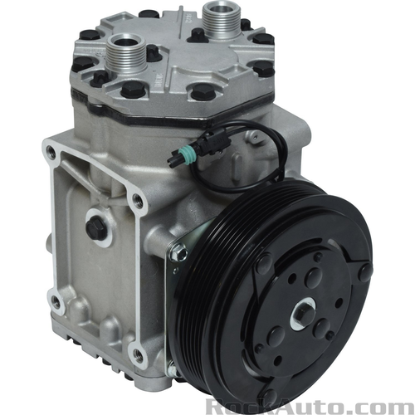 | https://www.rockauto.com/en/parts/uac,CO0071C,a/c+compressor,6628
10 | Heat & Air Conditioning | A/C Compressor | UAC | CO0073C |  | 3096305;4379RD5112180;A3009360;ABPN83304141T | 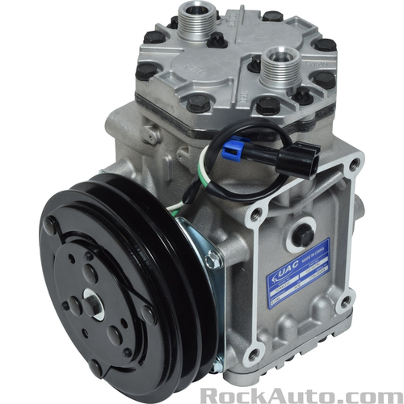 | https://www.rockauto.com/en/parts/uac,CO0073C,a/c+compressor,6628

