Sheet1
No | Title | Frequency | Vehicle | Picture | Url
1 | 90942-A5005 SU003-10826 Rubber Snap In Valve Stem Replacement - Fits OEM Pacific TPMS Sensor 42607-02050 |  | Toyota 4 Runner 2020-2025 Toyota Avalon 2021-2025 Toyota Camry 2018-2025 Toyota Corolla 2022-2025 Toyota Corolla Cross 2022-2025 Toyota Corolla Hatchback 2021 Toyota Corolla Hatchback GR 2023-2025 Toyota Crown 2023-2024 Toyota GR86 2022-2024 Toyota Grand Highlander 2024-2025 Toyota Tundra 2022 | 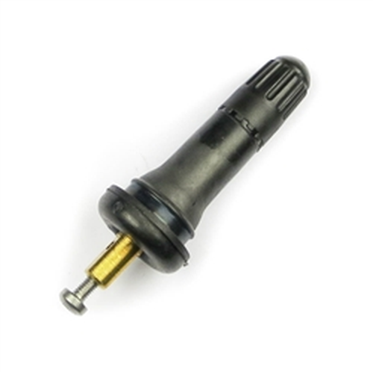 | https://www.tpms.com/Rubber-Valve-Stem-Fits-OEM-Pacific-TPMS-T17R-p/t17r-valve-stem.htm
2 | ATEQ Schrader EZ Sensor TPMS Diagnostic Relearn Programming Tool Starter Kit S41 - 10 SENSOR |  | Audi A3 2008-2012 Audi A4 2012 Audi A5 2012 Audi Q5 2012 Buick Allure 2007-2008 Buick Enclave 2008 Buick LaCrosse 2007 Cadillac ATS V (Coupe, Sedan) 2014-2018 Cadillac ATS V Sedan 2013 Cadillac CTS V (Coupe, Sedan) 2012-2013 Cadillac CTS V (Coupe, Sedan, Wagon) 2011 Cadillac CTS V Sedan 2009-2010 Cadillac DTS 2006 Cadillac Escalade 2005-2006 Chevrolet Avalanche 2005-2006 Chevrolet Caprice 2011-2013 Chevrolet Cobalt Coupe 2008-2009 Chevrolet Cobalt Sedan 2008-2009 Chevrolet Colorado 2007-2012 Chevrolet Corvette C6 (Coupe, Convertible, Z06, Z51, ZR1) 2010-2013 Chevrolet Equinox 2007-2009 Chevrolet Express Series 2008-2009 Chevrolet Impala 2006-2007 Chevrolet Malibu 2008 Chevrolet Monte Carlo 2005-2007 Chevrolet Silverado 2005-2006 Chevrolet Suburban 2005-2006 Chevrolet Tahoe 2005-2007 Chevrolet Uplander 2008-2009 Dodge Sprinter 2007-2010 GMC Acadia 2007-2008 GMC Canyon 2007-2012 GMC Savana 2008-2009 GMC Sierra 2005-2006 GMC Yukon 2005-2006 Hummer H3 2006-2010 Hummer H3T 2008-2010 Infiniti EX35 2008-2012 Infiniti FX35 2007-2010 Infiniti FX45 2007-2008 Infiniti FX50 2009-2010 Infiniti G35 (Coupe, Sedan) 2007 Infiniti G35 2008 Infiniti G37, G37x (Coupe, Convertible, Sedan) 2008-2009 Infiniti G37, G37x 2010 Infiniti M35 2008-2009 Infiniti M35, M35x 2010 Infiniti M45, M45x 2006-2010 Infiniti Q45 2006 Infiniti QX56 2007-2010 Mercedes Benz AMG GT 2016-2018 Mercedes Benz AMG GT, GTR 2019-2020 Mercedes Benz B200, B250 2014-2016 Mercedes Benz C250, C300, C350, C350e, C400, C43 AMG, C450, C63 AMG 2008-2018 Mercedes Benz C250, C300C C350e, C400 C43 AMG, C63 AMG 2019-2020 Mercedes Benz CL500, CL600, CL63 AMG, CL65 AMG 2010-2013 Mercedes Benz CLA250, CLA45 AMG 2014-2019 Mercedes Benz CLK350, CLK550, CLK63 AMG 2008-2009 Mercedes Benz CLS400, CLS550, CLS63 AMG 2012-2018 Mercedes Benz E250, E300, E350, E400, E43 AMG, E550, E63 AMG 2010-2016 Mercedes Benz E350, E550, E63 AMG 2010 Mercedes Benz G500, G55 AMG, G550, G63 AMG, G65 AMG 2008-2018 Mercedes Benz GL350, GL450, GL550, GL63 AMG 2 | 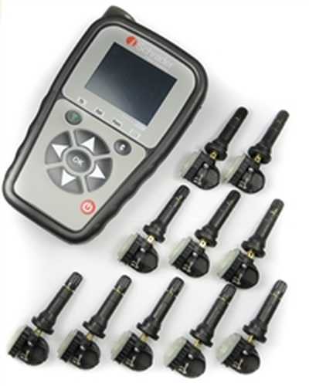 | https://www.tpms.com/ATEQ-Schrader-EZ-Sensor-VT46-p/s41kit10.htm
3 | ATEQ Schrader S41 - EZ Sensor TPMS Diagnostic Relearn Programming Tool Starter Kit |  | Audi A3 2008-2012 Audi A4 2012 Audi A5 2012 Audi Q5 2012 Buick Allure 2007-2008 Buick Enclave 2008 Buick LaCrosse 2007 Cadillac ATS V (Coupe, Sedan) 2014-2018 Cadillac ATS V Sedan 2013 Cadillac CTS V (Coupe, Sedan) 2012-2013 Cadillac CTS V (Coupe, Sedan, Wagon) 2011 Cadillac CTS V Sedan 2009-2010 Cadillac DTS 2006 Cadillac Escalade 2005-2006 Chevrolet Avalanche 2005-2006 Chevrolet Caprice 2011-2013 Chevrolet Cobalt Coupe 2008-2009 Chevrolet Cobalt Sedan 2008-2009 Chevrolet Colorado 2007-2012 Chevrolet Corvette C6 (Coupe, Convertible, Z06, Z51, ZR1) 2010-2013 Chevrolet Equinox 2007-2009 Chevrolet Express Series 2008-2009 Chevrolet Impala 2006-2007 Chevrolet Malibu 2008 Chevrolet Monte Carlo 2005-2007 Chevrolet Silverado 2005-2006 Chevrolet Suburban 2005-2006 Chevrolet Tahoe 2005-2007 Chevrolet Uplander 2008-2009 Dodge Sprinter 2007-2010 GMC Acadia 2007-2008 GMC Canyon 2007-2012 GMC Savana 2008-2009 GMC Sierra 2005-2006 GMC Yukon 2005-2006 Hummer H3 2006-2010 Hummer H3T 2008-2010 Infiniti EX35 2008-2012 Infiniti FX35 2007-2010 Infiniti FX45 2007-2008 Infiniti FX50 2009-2010 Infiniti G35 (Coupe, Sedan) 2007 Infiniti G35 2008 Infiniti G37, G37x (Coupe, Convertible, Sedan) 2008-2009 Infiniti G37, G37x 2010 Infiniti M35 2008-2009 Infiniti M35, M35x 2010 Infiniti M45, M45x 2006-2010 Infiniti Q45 2006 Infiniti QX56 2007-2010 Mercedes Benz AMG GT 2016-2018 Mercedes Benz AMG GT, GTR 2019-2020 Mercedes Benz B200, B250 2014-2016 Mercedes Benz C250, C300, C350, C350e, C400, C43 AMG, C450, C63 AMG 2008-2018 Mercedes Benz C250, C300C C350e, C400 C43 AMG, C63 AMG 2019-2020 Mercedes Benz CL500, CL600, CL63 AMG, CL65 AMG 2010-2013 Mercedes Benz CLA250, CLA45 AMG 2014-2019 Mercedes Benz CLK350, CLK550, CLK63 AMG 2008-2009 Mercedes Benz CLS400, CLS550, CLS63 AMG 2012-2018 Mercedes Benz E250, E300, E350, E400, E43 AMG, E550, E63 AMG 2010-2016 Mercedes Benz E350, E550, E63 AMG 2010 Mercedes Benz G500, G55 AMG, G550, G63 AMG, G65 AMG 2008-2018 Mercedes Benz GL350, GL450, GL550, GL63 AMG 2 | 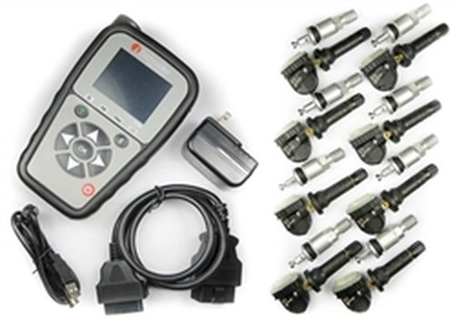 | https://www.tpms.com/ATEQ-Schrader-EZ-Sensor-S41-p/s41kit8dv.htm
4 | Acura Huf IntelliSens TPMS Sensor 42753-T3R-A04 433MHz 433MHz | 433 mhz | Acura Integra 2023-2024 Acura MDX 2023-2024 Acura RDX 2023-2024 Acura TLX 2015-2024 | 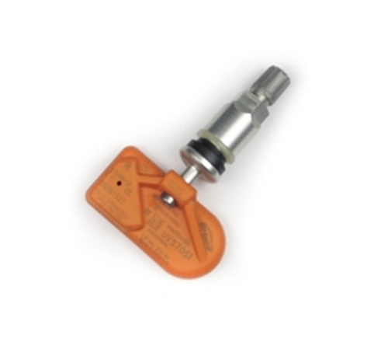 | https://www.tpms.com/Acura-Huf-IntelliSens-TPMS-Sensor-p/uvc-42753-t3r-a04-acura.htm
5 | Acura Huf IntelliSens TPMS Sensor 42753-T3R-A04 433MHz 433MHz | 433 mhz | Acura Integra 2023-2024 Acura MDX 2023-2024 Acura RDX 2023-2024 Acura TLX 2015-2024 | 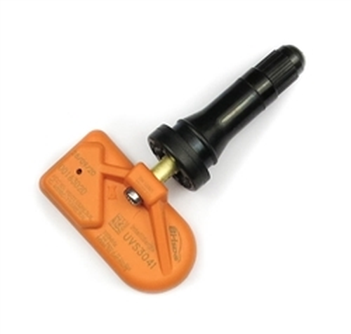 | https://www.tpms.com/Acura-Huf-IntelliSens-TPMS-Sensor-p/uvs-42753-t3r-a04-acura.htm
6 | Acura Huf IntelliSens TPMS Sensor 42753-T6N-A01 433MHz | 433 mhz | Acura ILX 2019-2022 Acura MDX 2022-2023 Acura NSX 2017-2022 Acura RDX 2019-2022 Acura TLX 2018-2022 |  | https://www.tpms.com/Acura-Huf-IntelliSens-TPMS-Sensor-p/uvc-5915-acura.htm
7 | Acura Huf IntelliSens TPMS Sensor 42753-T6N-A01 433MHz | 433 mhz | Acura ILX 2019-2022 Acura MDX 2022-2023 Acura NSX 2017-2022 Acura RDX 2019-2022 Acura TLX 2018-2022 |  | https://www.tpms.com/Acura-Huf-IntelliSens-TPMS-Sensor-p/uvs-5915-acura.htm
8 | Acura Huf IntelliSens TPMS Sensor 42753-TK4-A01 42753-TY2-A51 315MHz | 315 mhz | Acura RLX 2014-2015 Acura TL 2009-2014 Acura ZDX 2010-2013 |  | https://www.tpms.com/Acura-Huf-IntelliSens-TPMS-42753-TY2-A51-p/h0083-acura.htm
9 | Acura Huf IntelliSens TPMS Sensor 42753-TR3-A81 315MHz | 315 mhz | Acura CSX 2008-2011 |  | https://www.tpms.com/Acura-Huf-IntelliSens-TPMS-42753-TR3-A81-p/h0074-acura.htm
10 | Acura Huf IntelliSens TPMS Sensor 42753-TX4-A51 42753-TZ3-A51 315MHz | 315 mhz | Acura ILX 2016-2018 Acura MDX 2014-2020 Acura RDX 2013-2018 Acura RLX 2016-2020 Acura TLX 2015-2017 |  | https://www.tpms.com/Acura-Huf-IntelliSens-TPMS-Sensor-42753-TZ3-A51-p/uvc59125914-acura.htm

