Load_1
Coil Mass=1.427 gram, Load Mass=1.906 gram for all 4 cases in this sheet
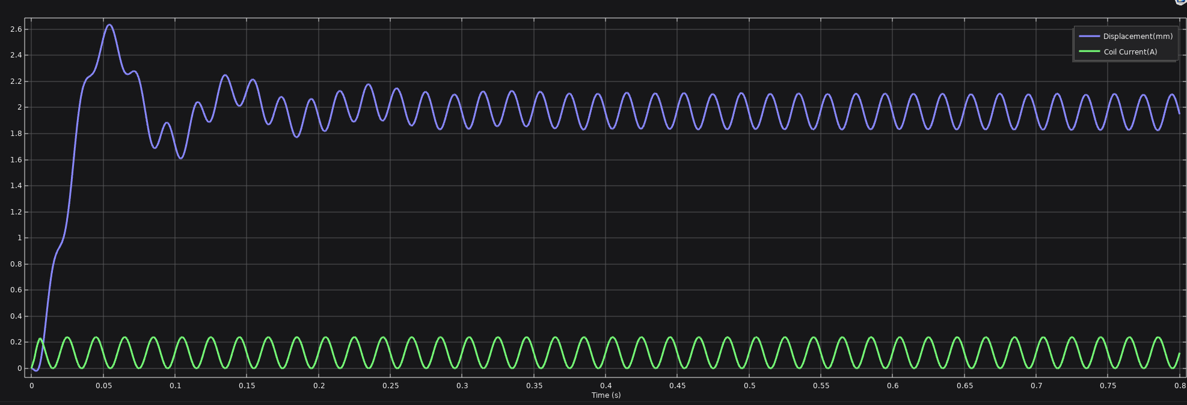 |  |  |  | 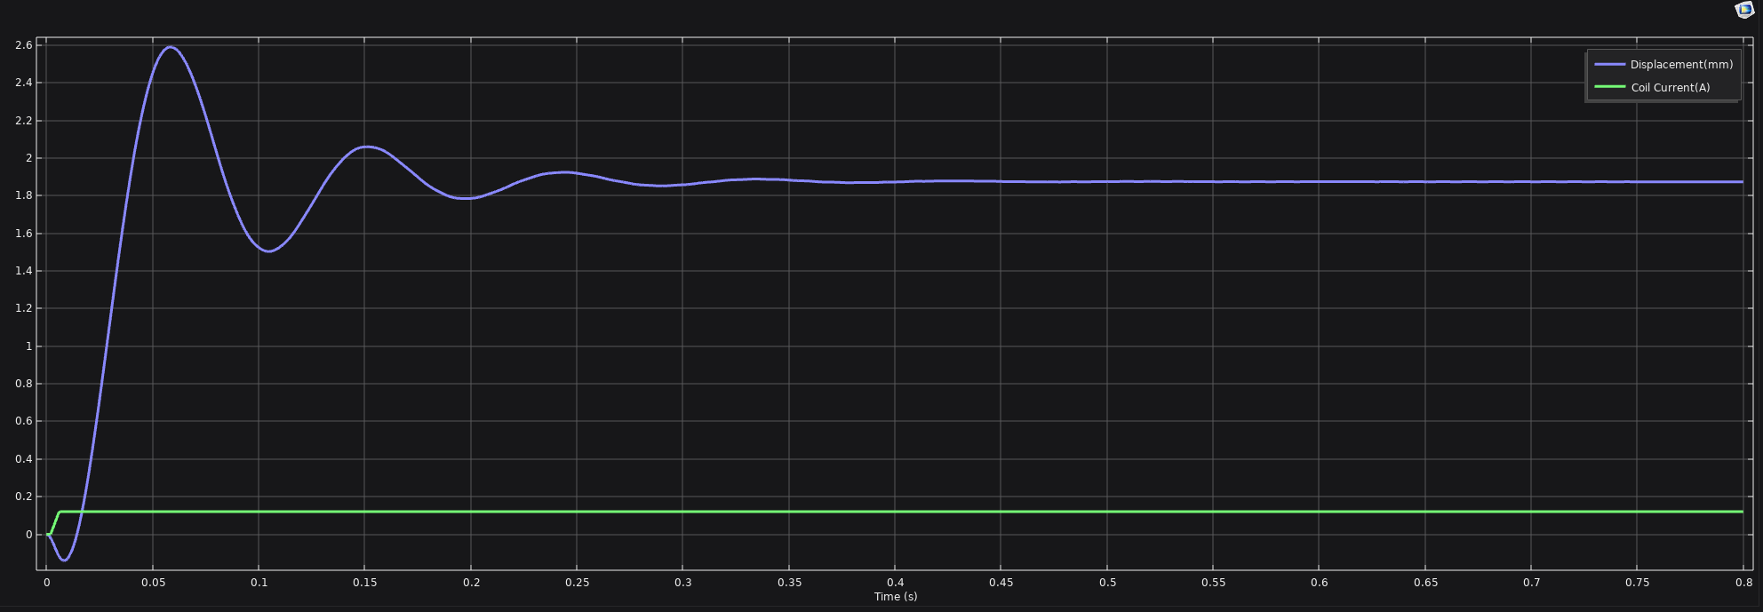 |  |  |  |  |  |  |  | 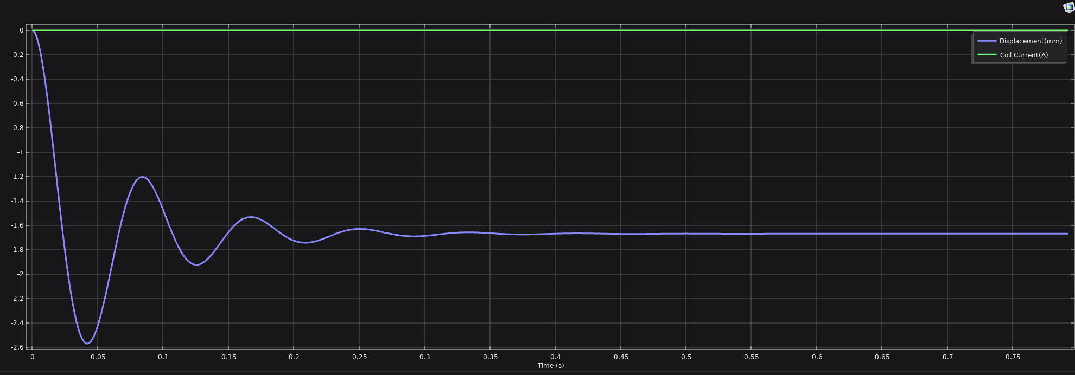

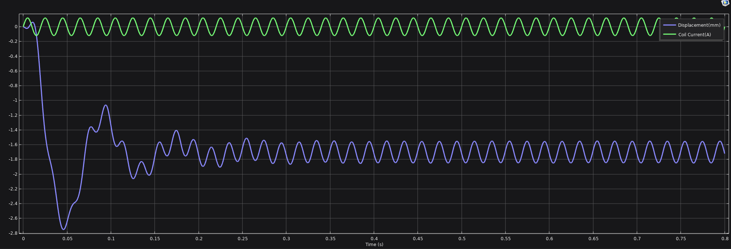

Case 1: Coil Current= DC_Offset+Sine. DC_Offset=0.12A, Sine Amplitude=0.12A |  |  |  | Case 2: Coil Current= DC_Offset only. DC_Offset=0.12A |  |  |  | Case 3: Coil Current=Sine only. Sine Amplitude=0.12A |  |  |  | Case 4: No Current
Time (s) | Displacement(mm) | Coil Current (A) | Lorentz force (N) | Time (s) | Displacement(mm) | Coil Current (A) | Lorentz force (N) | Time (s) | Displacement(mm) | Coil Current (A) | Lorentz force (N) | Time (s) | Displacement(mm) | Coil Current (A) | Lorentz force (N)
0 | -1.88E-08 | 0.00E+00 | 2.22E-05 | 0 | -1.88E-08 | 0 | -3.66E-06 | 0 | -1.88E-08 | 0 | 2.22E-05 | 0 | -1.88E-08 | 0 | -3.66E-06
5.00E-04 | -1.27E-03 | 1.88E-02 | 0.0088781 | 5.00E-04 | -0.0014555 | 0 | -3.41E-06 | 5.00E-04 | -0.0012691 | 0.018772 | 0.0088781 | 5.00E-04 | -0.0014555 | 0 | -3.41E-06
0.001 | -4.11E-03 | 3.71E-02 | 0.01758 | 0.001 | -0.0052181 | 0 | 1.37E-07 | 0.001 | -0.0041059 | 0.037082 | 0.01758 | 0.001 | -0.0052181 | 0 | 1.37E-07
0.0015 | -7.86E-03 | 5.45E-02 | 0.025884 | 0.0015 | -0.011173 | 0 | 5.70E-06 | 0.0015 | -0.0078593 | 0.054479 | 0.025884 | 0.0015 | -0.011173 | 0 | 5.70E-06
0.002 | -1.20E-02 | 0.072784 | 0.034657 | 0.002 | -0.019395 | 0.00225 | 0.0010759 | 0.002 | -0.012026 | 0.070534 | 0.033578 | 0.002 | -0.019405 | 0 | 1.33E-05
0.0025 | -1.59E-02 | 0.099853 | 0.047697 | 0.0025 | -0.029696 | 0.015 | 0.0071172 | 0.0025 | -0.016049 | 0.084853 | 0.040466 | 0.0025 | -0.029878 | 0 | 2.28E-05
0.003 | -1.85E-02 | 0.12708 | 0.060897 | 0.003 | -0.041641 | 0.03 | 0.014248 | 0.003 | -0.019431 | 0.097082 | 0.046368 | 0.003 | -0.042549 | 0 | 3.40E-05
0.0035 | -0.019025 | 0.15192 | 0.073006 | 0.0035 | -0.054701 | 0.045 | 0.021408 | 0.0035 | -0.021758 | 0.10692 | 0.051128 | 0.0035 | -0.057378 | 0 | 4.69E-05
0.004 | -0.016581 | 0.17413 | 0.083877 | 0.004 | -0.068332 | 0.06 | 0.028596 | 0.004 | -0.022703 | 0.11413 | 0.054621 | 0.004 | -0.074322 | 0 | 6.10E-05
0.0045 | -0.010428 | 0.19352 | 0.093392 | 0.0045 | -0.081986 | 0.075 | 0.035816 | 0.0045 | -0.022032 | 0.11852 | 0.056751 | 0.0045 | -0.093333 | 0 | 7.63E-05
0.005 | 7.02E-05 | 0.21 | 0.10147 | 0.005 | -0.095118 | 0.09 | 0.043066 | 0.005 | -0.019613 | 1.20E-01 | 5.75E-02 | 0.005 | -0.11435 | 0 | 9.24E-05
0.0055 | 0.015432 | 0.22352 | 0.10806 | 0.0055 | -0.10718 | 0.105 | 0.050349 | 0.0055 | -0.015416 | 0.11852 | 0.056736 | 0.0055 | -0.13732 | 0 | 1.09E-04
0.006 | 0.036045 | 0.23188 | 0.11204 | 0.006 | -0.11766 | 0.11775 | 0.056567 | 0.006 | -0.0095213 | 0.11413 | 0.054592 | 0.006 | -0.16218 | 0 | 1.26E-04
0.0065 | 0.062028 | 0.22692 | 0.1094 | 0.0065 | -0.12617 | 0.12 | 0.057679 | 0.0065 | -0.0021158 | 0.10692 | 0.051087 | 0.0065 | -0.18885 | 0 | 1.42E-04
0.007 | 0.093132 | 0.21708 | 0.10433 | 0.007 | -0.13259 | 0.12 | 0.057688 | 0.007 | 0.0065131 | 0.097082 | 0.046318 | 0.007 | -0.21729 | 0 | 1.58E-04
0.0075 | 0.1289 | 0.20485 | 9.81E-02 | 0.0075 | -0.13692 | 0.12 | 0.057695 | 0.0075 | 0.015987 | 0.084853 | 0.04041 | 0.0075 | -0.24743 | 0 | 1.72E-04
0.008 | 0.16877 | 0.19053 | 9.08E-02 | 0.008 | -0.13919 | 0.12 | 0.057698 | 0.008 | 0.025849 | 0.070534 | 0.03352 | 0.008 | -0.27921 | 0 | 1.85E-04
0.0085 | 0.21201 | 0.17448 | 8.28E-02 | 0.0085 | -0.13942 | 0.12 | 0.057698 | 0.0085 | 0.035579 | 0.054479 | 0.025826 | 0.0085 | -0.31253 | 0 | 1.95E-04
0.009 | 0.25812 | 0.15708 | 0.074171 | 0.009 | -0.13763 | 0.12 | 0.057696 | 0.009 | 0.044609 | 0.037082 | 0.017524 | 0.009 | -0.34737 | 0 | 2.03E-04
0.0095 | 0.30634 | 0.13877 | 0.06517 | 0.0095 | -0.13385 | 0.12 | 0.05769 | 0.0095 | 0.052335 | 0.018772 | 0.0088222 | 0.0095 | -0.38363 | 0 | 2.07E-04
0.01 | 0.35592 | 0.12 | 0.056025 | 0.01 | -0.12811 | 0.12 | 0.057681 | 0.01 | 0.058133 | 1.47E-17 | -6.22E-05 | 0.01 | -0.42123 | 0 | 2.08E-04
0.0105 | 0.40599 | 0.10123 | 0.04696 | 0.0105 | -0.12047 | 0.12 | 0.057669 | 0.0105 | 0.061375 | -0.018772 | -0.0089109 | 0.0105 | -0.46011 | 0 | 2.05E-04
0.011 | 0.45593 | 0.082918 | 0.038188 | 0.011 | -0.11095 | 0.12 | 0.057653 | 0.011 | 0.061443 | -3.71E-02 | -1.75E-02 | 0.011 | -0.50021 | 0 | 1.98E-04
0.0115 | 0.50508 | 0.065521 | 0.029914 | 0.0115 | -0.099607 | 0.12 | 0.057633 | 0.0115 | 0.057751 | -0.054479 | -0.025642 | 0.0115 | -0.54145 | 0 | 1.86E-04
0.012 | 0.55284 | 0.049466 | 0.022326 | 0.012 | -0.086487 | 0.12 | 0.057609 | 0.012 | 0.049764 | -0.070534 | -0.033117 | 0.012 | -0.58374 | 0 | 1.70E-04
0.0125 | 0.59864 | 0.035147 | 0.015595 | 0.0125 | -0.071639 | 0.12 | 0.05758 | 0.0125 | 0.037012 | -0.084853 | -0.039751 | 0.0125 | -0.62702 | 0 | 1.48E-04
0.013 | 0.642 | 0.022918 | 0.0098733 | 0.013 | -0.055092 | 0.12 | 0.057545 | 0.013 | 0.019103 | -0.097082 | -0.045383 | 0.013 | -0.6712 | 0 | 1.22E-04
0.0135 | 0.68251 | 0.013079 | 0.0052883 | 0.0135 | -0.036891 | 0.12 | 0.057505 | 0.0135 | -0.00427 | -0.10692 | -0.049876 | 0.0135 | -0.71657 | 0 | 9.00E-05
0.014 | 0.71988 | 0.0058732 | 0.001941 | 0.014 | -0.017079 | 0.12 | 0.057457 | 0.014 | -0.033324 | -0.11413 | -0.053122 | 0.0135 | -0.71657 | 0 | -1.27E-04
0.0145 | 0.75388 | 0.0014774 | -9.71E-05 | 0.0145 | 0.0042829 | 0.12 | 0.057402 | 0.0145 | -0.068179 | -0.11852 | -0.055045 | 0.014 | -0.76247 | 0 | 6.00E-05
0.015 | 0.78439 | 0 | -7.87E-04 | 0.015 | 0.027144 | 0.12 | 0.057339 | 0.015 | -0.10884 | -0.12 | -0.055602 | 0.0145 | -0.80909 | 0 | 1.01E-04
0.015 | 0.78439 | 0 | 1.43E-04 | 0.0155 | 0.051459 | 0.12 | 0.057268 | 0.0155 | -0.15523 | -0.11852 | -0.054786 | 0.015 | -0.85613 | 0 | 1.39E-04
0.0155 | 0.80973 | 0.0014774 | 5.50E-04 | 0.016 | 0.077158 | 0.12 | 0.057188 | 0.016 | -0.20716 | -0.11413 | -0.052624 | 0.0155 | -0.90368 | 0 | 1.73E-04
0.016 | 0.83251 | 0.0058732 | 0.0025074 | 0.0165 | 0.10417 | 0.12 | 0.057099 | 0.0165 | -0.26425 | -0.10692 | -0.049178 | 0.016 | -0.9516 | 0 | 2.03E-04
0.0165 | 0.85223 | 0.013079 | 0.0057234 | 0.017 | 0.13245 | 0.12 | 0.056999 | 0.017 | -0.32611 | -0.097082 | -0.04454 | 0.0165 | -0.99981 | 0 | 2.29E-04
0.017 | 0.86935 | 0.022918 | 1.01E-02 | 0.0175 | 0.16195 | 0.12 | 0.056889 | 0.0175 | -0.39226 | -0.084853 | -0.038832 | 0.017 | -1.0483 | 0 | 2.50E-04
0.0175 | 0.88428 | 0.035147 | 1.56E-02 | 0.018 | 0.19261 | 0.12 | 0.056768 | 0.018 | -0.46211 | -0.070534 | -0.032199 | 0.0175 | -1.0969 | 0 | 2.66E-04
0.018 | 0.89719 | 0.049466 | 0.021945 | 0.0185 | 0.22436 | 0.12 | 0.056637 | 0.0185 | -0.53505 | -5.45E-02 | -2.48E-02 | 0.018 | -1.1457 | 0 | 2.76E-04
0.0185 | 0.90849 | 0.065521 | 0.029092 | 0.019 | 0.25717 | 0.12 | 0.056493 | 0.019 | -0.61039 | -0.037082 | -0.016833 | 0.0185 | -1.1945 | 0 | 2.82E-04
0.019 | 0.91868 | 0.082918 | 0.036829 | 0.0195 | 0.29096 | 0.12 | 0.056339 | 0.0195 | -0.68741 | -0.018772 | -0.0084784 | 0.019 | -1.2432 | 0 | 2.83E-04
0.0195 | 0.92832 | 0.10123 | 4.50E-02 | 0.02 | 0.32567 | 0.12 | 0.056173 | 0.0195 | -0.68741 | -0.018772 | -0.0087741 | 0.0195 | -1.2919 | 0 | 2.79E-04
0.02 | 0.93798 | 0.12 | 5.33E-02 | 0.0205 | 0.36125 | 0.12 | 0.055996 | 0.02 | -0.7656 | -2.94E-17 | 6.64E-05 | 0.02 | -1.3403 | 0 | 2.72E-04
0.0205 | 0.94828 | 0.13877 | 6.16E-02 | 0.021 | 0.39765 | 0.12 | 0.055808 | 0.0205 | -0.84369 | 0.018772 | 0.0086205 | 0.0205 | -1.3886 | 0 | 2.61E-04
0.021 | 0.95979 | 0.15708 | 0.069626 | 0.0215 | 0.4348 | 0.12 | 0.05561 | 0.021 | -0.92086 | 0.037082 | 0.016809 | 0.021 | -1.4365 | 0 | 2.47E-04
0.0215 | 0.97306 | 0.17448 | 0.077214 | 0.022 | 0.47266 | 0.12 | 0.055403 | 0.0215 | -0.99661 | 0.054479 | 0.024436 | 0.021 | -1.4365 | 0 | 1.79E-04
0.022 | 0.98862 | 0.19053 | 0.084133 | 0.0225 | 0.51115 | 0.12 | 0.055186 | 0.022 | -1.0705 | 0.070534 | 0.031323 | 0.0215 | -1.4838 | 0 | -2.45E-05
0.0225 | 1.0069 | 0.20485 | 0.090192 | 0.023 | 0.55023 | 0.12 | 0.054961 | 0.0225 | -1.1419 | 0.084853 | 0.037311 | 0.022 | -1.5306 | 0 | -1.46E-05
0.023 | 1.0284 | 0.21708 | 0.095221 | 0.0235 | 0.58984 | 0.12 | 0.054728 | 0.023 | -1.2103 | 0.097082 | 0.042268 | 0.0225 | -1.5771 | 0 | -5.55E-06
0.0235 | 1.0532 | 0.22692 | 0.099078 | 0.024 | 0.62992 | 0.12 | 0.054487 | 0.0235 | -1.2754 | 1.07E-01 | 4.61E-02 | 0.023 | -1.6228 | 0 | 2.48E-06
0.024 | 1.0817 | 0.23413 | 0.10165 | 0.0245 | 0.67042 | 0.12 | 0.054239 | 0.024 | -1.3367 | 0.11413 | 0.048709 | 0.0235 | -1.6678 | 0 | 9.42E-06
0.0245 | 1.114 | 0.23852 | 0.10288 | 0.025 | 0.7113 | 0.12 | 0.053986 | 0.0245 | -1.3942 | 0.11852 | 0.050079 | 0.024 | -1.7121 | 0 | 1.52E-05
0.025 | 1.1501 | 0.24 | 0.10272 | 0.0255 | 0.75251 | 0.12 | 0.053727 | 0.0245 | -1.3942 | 0.11852 | 0.049147 | 0.0245 | -1.7559 | 0 | 1.99E-05
0.0255 | 1.19 | 0.23852 | 0.1012 | 0.0255 | 0.75251 | 0.12 | 0.054536 | 0.025 | -1.4455 | 0.12 | 0.050331 | 0.025 | -1.799 | 0 | 2.34E-05
0.026 | 1.2333 | 0.23413 | 0.098353 | 0.026 | 0.7942 | 0.12 | 0.054556 | 0.0255 | -1.4927 | 0.11852 | 0.049261 | 0.0255 | -1.8413 | 0 | 2.59E-05
0.0265 | 1.2799 | 0.22692 | 0.09428 | 0.0265 | 0.83617 | 0.12 | 0.054223 | 0.026 | -1.5372 | 0.11413 | 0.047002 | 0.026 | -1.8827 | 0 | 2.75E-05
0.027 | 1.3295 | 0.21708 | 8.91E-02 | 0.027 | 0.87829 | 0.12 | 0.053878 | 0.0265 | -1.5784 | 0.10692 | 0.04364 | 0.0265 | -1.9232 | 0 | 2.82E-05
0.0275 | 1.3815 | 0.20485 | 8.30E-02 | 0.0275 | 0.92059 | 0.12 | 0.053521 | 0.027 | -1.616 | 0.097082 | 0.039278 | 0.027 | -1.9628 | 0 | 2.82E-05
0.028 | 1.4356 | 0.19053 | 0.076086 | 0.028 | 0.96305 | 0.12 | 0.053153 | 0.0275 | -1.6504 | 0.084853 | 0.034038 | 0.0275 | -2.0013 | 0 | 2.76E-05
0.028 | 1.4356 | 0.19053 | 0.077667 | 0.0285 | 1.0056 | 0.12 | 0.052776 | 0.028 | -1.6819 | 0.070534 | 0.028061 | 0.028 | -2.0388 | 0 | 2.64E-05
0.0285 | 1.4918 | 0.17448 | 0.07155 | 0.029 | 1.0483 | 0.12 | 0.05239 | 0.0285 | -1.7109 | 0.054479 | 0.021501 | 0.0285 | -2.0752 | 0 | 2.47E-05
0.029 | 1.5486 | 0.15708 | 0.063172 | 0.0295 | 1.091 | 0.12 | 0.051997 | 0.029 | -1.7378 | 3.71E-02 | 1.45E-02 | 0.0285 | -2.0752 | 0 | 1.40E-05
0.0295 | 1.6054 | 0.13877 | 0.054668 | 0.03 | 1.1337 | 0.12 | 0.051597 | 0.0295 | -1.7632 | 0.018772 | 0.0073071 | 0.029 | -2.1099 | 0 | -1.49E-05
0.03 | 1.6619 | 0.12 | 4.62E-02 | 0.0305 | 1.1763 | 0.12 | 0.051191 | 0.03 | -1.7876 | 4.41E-17 | 2.74E-05 | 0.0295 | -2.1434 | 0 | -1.27E-05
0.0305 | 1.7176 | 0.10123 | 3.81E-02 | 0.031 | 1.2189 | 0.12 | 0.05078 | 0.0305 | -1.8114 | -1.88E-02 | -7.13E-03 | 0.03 | -2.1761 | 0 | -1.14E-05
0.031 | 1.772 | 0.082918 | 3.05E-02 | 0.0315 | 1.2613 | 0.12 | 0.050364 | 0.031 | -1.8354 | -0.037082 | -0.014 | 0.0305 | -2.2072 | 0 | -1.10E-05
0.0315 | 1.8245 | 0.065521 | 0.023408 | 0.032 | 1.3035 | 0.12 | 0.049943 | 0.0315 | -1.8602 | -0.054479 | -0.020399 | 0.031 | -2.237 | 0 | -1.13E-05
0.032 | 1.8748 | 0.049466 | 0.017115 | 0.0325 | 1.3456 | 0.12 | 0.049517 | 0.032 | -1.8863 | -0.070534 | -0.026172 | 0.0315 | -2.2656 | 0 | -1.21E-05
0.0325 | 1.9222 | 0.035147 | 0.011674 | 0.033 | 1.3874 | 0.12 | 0.049088 | 0.0325 | -1.9133 | -0.084853 | -0.031186 | 0.032 | -2.2933 | 0 | -1.35E-05
0.033 | 1.9666 | 0.022918 | 0.007162 | 0.0335 | 1.4289 | 0.12 | 0.048654 | 0.033 | -1.9418 | -0.097082 | -0.035321 | 0.0325 | -2.3198 | 0 | -1.53E-05
0.0335 | 2.0076 | 0.013079 | 0.00363 | 0.0335 | 1.4289 | 0.12 | 0.048931 | 0.0335 | -1.972 | -0.10692 | -0.038487 | 0.033 | -2.3451 | 0 | -1.74E-05
0.034 | 2.045 | 0.0058732 | 1.11E-03 | 0.034 | 1.47 | 0.12 | 0.049012 | 0.034 | -2.0041 | -0.11413 | -0.040618 | 0.0335 | -2.3691 | 0 | -1.97E-05
0.0345 | 2.0787 | 0.0014774 | -3.98E-04 | 0.0345 | 1.5107 | 0.12 | 0.048437 | 0.0345 | -2.0382 | -1.19E-01 | -4.17E-02 | 0.034 | -2.3917 | 0 | -2.21E-05
0.035 | 2.1086 | 0 | -8.95E-04 | 0.035 | 1.5512 | 0.12 | 0.04785 | 0.0345 | -2.0382 | -0.11852 | -0.041968 | 0.0345 | -2.413 | 0 | -2.46E-05
0.0355 | 2.1348 | 0.0014774 | -4.09E-04 | 0.0355 | 1.5912 | 0.12 | 0.047256 | 0.035 | -2.0747 | -0.12 | -0.042163 | 0.035 | -2.4329 | 0 | -2.70E-05
0.0355 | 2.1348 | 0.0014774 | 7.86E-04 | 0.036 | 1.6308 | 0.12 | 0.046658 | 0.0355 | -2.1131 | -0.11852 | -0.041078 | 0.0355 | -2.4515 | 0 | -2.94E-05
0.036 | 2.1555 | 0.0058732 | 1.79E-03 | 0.0365 | 1.6698 | 0.12 | 0.046055 | 0.036 | -2.153 | -0.11413 | -0.038992 | 0.036 | -2.4687 | 0 | -3.16E-05
0.0365 | 2.1731 | 0.013079 | 0.0041333 | 0.037 | 1.7083 | 0.12 | 0.045451 | 0.0365 | -2.1944 | -0.10692 | -0.035991 | 0.0365 | -2.4845 | 0 | -3.38E-05
0.037 | 2.1885 | 0.022918 | 0.0073124 | 0.0375 | 1.7463 | 0.12 | 0.044847 | 0.037 | -2.237 | -0.097082 | -0.032183 | 0.037 | -2.4989 | 0 | -3.57E-05
0.0375 | 2.2014 | 0.035147 | 1.13E-02 | 0.038 | 1.7836 | 0.12 | 0.044245 | 0.0375 | -2.2805 | -0.084853 | -0.027695 | 0.0375 | -2.512 | 0 | -3.75E-05
0.038 | 2.2118 | 0.049466 | 1.59E-02 | 0.0385 | 1.8205 | 0.12 | 0.043644 | 0.038 | -2.3244 | -0.070534 | -0.022665 | 0.038 | -2.5237 | 0 | -3.91E-05
0.0385 | 2.2201 | 0.065521 | 0.021022 | 0.039 | 1.8568 | 0.12 | 0.043047 | 0.0385 | -2.3685 | -0.054479 | -0.01724 | 0.0385 | -2.534 | 0 | -4.05E-05
0.039 | 2.2265 | 0.082918 | 0.026626 | 0.0395 | 1.8925 | 0.12 | 0.042456 | 0.039 | -2.4121 | -3.71E-02 | -1.16E-02 | 0.039 | -2.543 | 0 | -4.18E-05
0.0395 | 2.2315 | 0.10123 | 0.032537 | 0.04 | 1.9274 | 0.12 | 0.041872 | 0.0395 | -2.4549 | -0.018772 | -0.0057913 | 0.0395 | -2.5506 | 0 | -4.28E-05
0.04 | 2.2355 | 0.12 | 3.86E-02 | 0.0405 | 1.9617 | 0.12 | 0.041299 | 0.04 | -2.4964 | -5.88E-17 | -5.04E-05 | 0.04 | -2.5569 | 0 | -4.37E-05
0.0405 | 2.2391 | 0.13877 | 4.47E-02 | 0.041 | 1.9951 | 0.12 | 0.040736 | 0.0405 | -2.5362 | 1.88E-02 | 5.53E-03 | 0.0405 | -2.5619 | 0 | -4.43E-05
0.041 | 2.2425 | 0.15708 | 5.06E-02 | 0.0415 | 2.0277 | 0.12 | 0.040186 | 0.041 | -2.5724 | 0.037082 | 0.010827 | 0.041 | -2.5655 | 0 | -4.48E-05
0.0415 | 2.2464 | 0.17448 | 0.056232 | 0.042 | 2.0595 | 0.12 | 0.039648 | 0.0415 | -2.6057 | 0.054479 | 0.015748 | 0.0415 | -2.5678 | 0 | -4.51E-05
0.042 | 2.251 | 0.19053 | 0.061374 | 0.0425 | 2.0904 | 0.12 | 0.039126 | 0.042 | -2.6357 | 0.070534 | 0.020195 | 0.042 | -2.5689 | 0 | -4.53E-05
0.0425 | 2.2567 | 0.20485 | 0.065891 | 0.043 | 2.1205 | 0.12 | 0.038618 | 0.0425 | -2.6633 | 0.084853 | 0.024075 | 0.0425 | -2.5687 | 0 | -4.53E-05
0.043 | 2.2639 | 0.21708 | 0.069649 | 0.043 | 2.1205 | 0.12 | 0.04059 | 0.043 | -2.6877 | 0.097082 | 0.027322 | 0.043 | -2.5672 | 0 | -4.51E-05
0.0435 | 2.2727 | 0.22692 | 0.072532 | 0.0435 | 2.1493 | 0.12 | 0.040251 | 0.0435 | -2.7085 | 0.10692 | 0.02988 | 0.0435 | -2.5645 | 0 | -4.47E-05
0.044 | 2.2834 | 0.23413 | 0.074452 | 0.044 | 2.1773 | 0.12 | 0.039734 | 0.044 | -2.7254 | 1.14E-01 | 3.17E-02 | 0.044 | -2.5606 | 0 | -4.42E-05
0.0445 | 2.2961 | 0.23852 | 0.075354 | 0.0445 | 2.2047 | 0.12 | 0.039222 | 0.0445 | -2.7383 | 0.11852 | 0.032775 | 0.0445 | -2.5555 | 0 | -4.35E-05
0.045 | 2.3107 | 0.24 | 0.075215 | 0.045 | 2.2311 | 0.12 | 0.038728 | 0.045 | -2.7471 | 0.12 | 0.033068 | 0.045 | -2.5493 | 0 | -4.26E-05
0.0455 | 2.3273 | 0.23852 | 0.074048 | 0.0455 | 2.2565 | 0.12 | 0.038248 | 0.0455 | -2.752 | 0.11852 | 0.032583 | 0.0455 | -2.5419 | 0 | -4.16E-05
0.046 | 2.3457 | 0.23413 | 7.19E-02 | 0.046 | 2.2811 | 0.12 | 0.037783 | 0.046 | -2.7529 | 0.11413 | 0.031336 | 0.046 | -2.5334 | 0 | -4.04E-05
0.0465 | 2.3658 | 0.22692 | 0.068853 | 0.0465 | 2.3051 | 0.12 | 0.037327 | 0.0465 | -2.7501 | 0.10692 | 0.029351 | 0.0465 | -2.5238 | 0 | -3.91E-05
0.047 | 2.3873 | 0.21708 | 0.06501 | 0.047 | 2.3283 | 0.12 | 0.036886 | 0.047 | -2.7436 | 0.097082 | 0.026672 | 0.047 | -2.5132 | 0 | -3.77E-05
0.0475 | 2.4099 | 0.20485 | 0.060496 | 0.0475 | 2.3505 | 0.12 | 0.036462 | 0.0475 | -2.7339 | 0.084853 | 0.023352 | 0.0475 | -2.5015 | 0 | -3.61E-05
0.048 | 2.4332 | 0.19053 | 5.55E-02 | 0.048 | 2.3719 | 0.12 | 0.036055 | 0.048 | -2.7211 | 0.070534 | 0.019459 | 0.048 | -2.4889 | 0 | -3.43E-05
0.0485 | 2.457 | 0.17448 | 0.050022 | 0.0485 | 2.3922 | 0.12 | 0.035666 | 0.0485 | -2.7057 | 0.054479 | 0.015075 | 0.0485 | -2.4753 | 0 | -3.25E-05
0.049 | 2.4808 | 0.15708 | 0.044355 | 0.049 | 2.4116 | 0.12 | 0.035297 | 0.049 | -2.688 | 3.71E-02 | 1.03E-02 | 0.049 | -2.4607 | 0 | -3.06E-05
0.0495 | 2.5042 | 0.13877 | 0.038594 | 0.0495 | 2.4301 | 0.12 | 0.034947 | 0.0495 | -2.6684 | 0.018772 | 0.0052053 | 0.0495 | -2.4453 | 0 | -2.86E-05
0.05 | 2.5267 | 0.12 | 3.29E-02 | 0.05 | 2.4475 | 0.12 | 0.034616 | 0.05 | -2.6473 | 7.35E-17 | -6.64E-05 | 0.05 | -2.429 | 0 | -2.65E-05
0.0505 | 2.5481 | 0.10123 | 2.73E-02 | 0.0505 | 2.464 | 0.12 | 0.034305 | 0.0505 | -2.6252 | -0.018772 | -0.005407 | 0.0505 | -2.4119 | 0 | -2.45E-05
0.051 | 2.5678 | 0.082918 | 2.20E-02 | 0.051 | 2.4794 | 0.12 | 0.034015 | 0.051 | -2.6024 | -3.71E-02 | -1.07E-02 | 0.051 | -2.394 | 0 | -2.24E-05
0.0515 | 2.5856 | 0.065521 | 0.017134 | 0.0515 | 2.4938 | 0.12 | 0.033744 | 0.0515 | -2.5798 | -0.054479 | -0.015792 | 0.0515 | -2.3753 | 0 | -2.04E-05
0.052 | 2.6012 | 0.049466 | 0.0127 | 0.052 | 2.5072 | 0.12 | 0.033493 | 0.052 | -2.5576 | -0.070534 | -0.020579 | 0.052 | -2.3559 | 0 | -1.84E-05
0.0525 | 2.6141 | 0.035147 | 0.0088107 | 0.0525 | 2.5196 | 0.12 | 0.033262 | 0.0525 | -2.536 | -0.084853 | -0.024926 | 0.0525 | -2.3359 | 0 | -1.66E-05
0.053 | 2.6243 | 0.022918 | 0.0055324 | 0.053 | 2.531 | 0.12 | 0.033051 | 0.053 | -2.5154 | -0.097082 | -0.028717 | 0.053 | -2.3151 | 0 | -1.50E-05
0.0535 | 2.6315 | 0.013079 | 0.002921 | 0.0535 | 2.5413 | 0.12 | 0.032859 | 0.0535 | -2.496 | -0.10692 | -0.031846 | 0.0535 | -2.2938 | 0 | -1.36E-05
0.054 | 2.6355 | 0.0058732 | 1.02E-03 | 0.054 | 2.5507 | 0.12 | 0.032687 | 0.054 | -2.4781 | -1.14E-01 | -3.42E-02 | 0.054 | -2.2719 | 0 | -1.24E-05
0.0545 | 2.6363 | 0.0014774 | -1.34E-04 | 0.0545 | 2.559 | 0.12 | 0.032533 | 0.0545 | -2.4618 | -0.11852 | -0.035766 | 0.0545 | -2.2495 | 0 | -1.16E-05
0.055 | 2.6339 | 0 | -5.21E-04 | 0.055 | 2.5664 | 0.12 | 0.032399 | 0.055 | -2.4471 | -0.12 | -0.036431 | 0.055 | -2.2266 | 0 | -1.11E-05
0.0555 | 2.6282 | 0.0014774 | -1.30E-04 | 0.0555 | 2.5727 | 0.12 | 0.032284 | 0.0555 | -2.4343 | -0.11852 | -0.036186 | 0.0555 | -2.2032 | 0 | -1.10E-05
0.056 | 2.6194 | 0.0058732 | 1.04E-03 | 0.056 | 2.578 | 0.12 | 0.032186 | 0.056 | -2.4232 | -0.11413 | -0.035029 | 0.056 | -2.1794 | 0 | -1.13E-05
0.0565 | 2.6075 | 0.013079 | 0.0029728 | 0.0565 | 2.5824 | 0.12 | 0.032108 | 0.0565 | -2.4137 | -0.10692 | -0.032979 | 0.0565 | -2.1552 | 0 | -1.22E-05
0.057 | 2.5929 | 0.022918 | 0.0056473 | 0.057 | 2.5858 | 0.12 | 0.032047 | 0.057 | -2.4057 | -0.097082 | -0.030084 | 0.057 | -2.1307 | 0 | -1.34E-05
0.0575 | 2.5757 | 0.035147 | 0.0090248 | 0.0575 | 2.5882 | 0.12 | 0.032003 | 0.0575 | -2.3989 | -0.084853 | -0.026411 | 0.0575 | -2.1059 | 0 | -1.52E-05
0.058 | 2.5563 | 0.049466 | 1.31E-02 | 0.058 | 2.5897 | 0.12 | 0.031977 | 0.058 | -2.3931 | -0.070534 | -0.02205 | 0.058 | -2.0809 | 0 | -1.75E-05
0.0585 | 2.535 | 0.065521 | 0.017673 | 0.0585 | 2.5903 | 0.12 | 0.031969 | 0.0585 | -2.3879 | -0.054479 | -0.017106 | 0.0585 | -2.0556 | 0 | -2.02E-05
0.059 | 2.5122 | 0.082918 | 0.0228 | 0.059 | 2.59 | 0.12 | 0.031977 | 0.059 | -2.3831 | -3.71E-02 | -1.17E-02 | 0.059 | -2.0301 | 0 | -2.35E-05
0.0595 | 2.4883 | 0.10123 | 0.028339 | 0.0595 | 2.5887 | 0.12 | 0.032001 | 0.0595 | -2.3781 | -0.018772 | -0.005965 | 0.0595 | -2.0045 | 0 | -2.72E-05
0.06 | 2.4637 | 0.12 | 3.42E-02 | 0.06 | 2.5866 | 0.12 | 0.032041 | 0.06 | -2.3727 | -8.82E-17 | -3.45E-05 | 0.06 | -1.9788 | 0 | -3.14E-05
0.0605 | 2.4389 | 0.13877 | 4.02E-02 | 0.0605 | 2.5836 | 0.12 | 0.032098 | 0.0605 | -2.3663 | 0.018772 | 0.0059496 | 0.0605 | -1.953 | 0 | -3.60E-05
0.061 | 2.4143 | 0.15708 | 4.62E-02 | 0.061 | 2.5798 | 0.12 | 0.03217 | 0.061 | -2.3577 | 3.71E-02 | 1.19E-02 | 0.061 | -1.9272 | 0 | -4.10E-05
0.0615 | 2.3905 | 0.17448 | 0.052148 | 0.0615 | 2.5751 | 0.12 | 0.032256 | 0.0615 | -2.3471 | 0.054479 | 0.017533 | 0.0615 | -1.9014 | 0 | -4.64E-05
0.062 | 2.3677 | 0.19053 | 0.05777 | 0.062 | 2.5697 | 0.12 | 0.032358 | 0.062 | -2.3339 | 0.070534 | 0.022866 | 0.062 | -1.8757 | 0 | -5.20E-05
0.0625 | 2.3463 | 0.20485 | 0.062936 | 0.0625 | 2.5635 | 0.12 | 0.032474 | 0.0625 | -2.3191 | 0.084853 | 0.027714 | 0.0625 | -1.85 | 0 | -5.80E-05
0.063 | 2.3268 | 0.21708 | 0.067485 | 0.063 | 2.5566 | 0.12 | 0.032604 | 0.063 | -2.3017 | 0.097082 | 0.031963 | 0.063 | -1.8245 | 0 | -6.41E-05
0.0635 | 2.3094 | 0.22692 | 0.071272 | 0.0635 | 2.5489 | 0.12 | 0.032747 | 0.0635 | -2.2814 | 0.10692 | 0.035508 | 0.0635 | -1.7991 | 0 | -7.04E-05
0.064 | 2.2942 | 0.23413 | 0.07417 | 0.064 | 2.5405 | 0.12 | 0.032904 | 0.064 | -2.258 | 0.11413 | 0.038258 | 0.064 | -1.7739 | 0 | -7.67E-05
0.0645 | 2.2814 | 0.23852 | 0.076081 | 0.0645 | 2.5315 | 0.12 | 0.033073 | 0.0645 | -2.2313 | 0.11852 | 0.040135 | 0.0645 | -1.7489 | 0 | -8.30E-05
0.065 | 2.2711 | 0.24 | 0.076941 | 0.065 | 2.5218 | 0.12 | 0.033254 | 0.065 | -2.2013 | 1.20E-01 | 4.11E-02 | 0.065 | -1.7242 | 0 | -8.92E-05
0.0655 | 2.2633 | 0.23852 | 0.076722 | 0.0655 | 2.5115 | 0.12 | 0.033447 | 0.0655 | -2.168 | 0.11852 | 0.041039 | 0.0655 | -1.6998 | 0 | -9.52E-05
0.066 | 2.258 | 0.23413 | 7.54E-02 | 0.066 | 2.5006 | 0.12 | 0.033651 | 0.066 | -2.1316 | 0.11413 | 0.039997 | 0.066 | -1.6757 | 0 | -1.01E-04
0.0665 | 2.2549 | 0.22692 | 0.073125 | 0.0665 | 2.4891 | 0.12 | 0.033866 | 0.0665 | -2.0921 | 0.10692 | 0.037946 | 0.0665 | -1.6519 | 0 | -1.06E-04
0.067 | 2.2539 | 0.21708 | 0.069875 | 0.067 | 2.4771 | 0.12 | 0.034092 | 0.067 | -2.0499 | 0.097082 | 0.034905 | 0.067 | -1.6286 | 0 | -1.11E-04
0.0675 | 2.2546 | 0.20485 | 0.065791 | 0.0675 | 2.4646 | 0.12 | 0.034328 | 0.0675 | -2.0053 | 0.084853 | 0.030914 | 0.0675 | -1.6056 | 0 | -1.16E-04
0.068 | 2.2569 | 0.19053 | 6.10E-02 | 0.068 | 2.4516 | 0.12 | 0.034573 | 0.068 | -1.9586 | 0.070534 | 0.02604 | 0.068 | -1.5831 | 0 | -1.20E-04
0.0685 | 2.2603 | 0.17448 | 0.055649 | 0.0685 | 2.4381 | 0.12 | 0.034827 | 0.0685 | -1.9102 | 0.054479 | 0.020375 | 0.0685 | -1.561 | 0 | -1.23E-04
0.069 | 2.2644 | 0.15708 | 0.049888 | 0.069 | 2.4241 | 0.12 | 0.03509 | 0.069 | -1.8608 | 0.037082 | 0.014037 | 0.069 | -1.5395 | 0 | -1.26E-04
0.069 | 2.2644 | 0.15708 | 0.049765 | 0.0695 | 2.4097 | 0.12 | 0.035361 | 0.0695 | -1.8109 | 0.018772 | 0.0071656 | 0.0695 | -1.5184 | 0 | -1.28E-04
0.069035 | 2.2647 | 0.15582 | 0.04946 | 0.07 | 2.3948 | 0.12 | 0.03564 | 0.07 | -1.7609 | -3.23E-16 | -7.52E-05 | 0.07 | -1.4979 | 0 | -1.30E-04
0.069035 | 2.2647 | 0.15582 | 4.81E-02 | 0.0705 | 2.3796 | 0.12 | 0.035927 | 0.0705 | -1.7116 | -0.018772 | -0.0075041 | 0.0705 | -1.4779 | 0 | -1.31E-04
0.0695 | 2.2688 | 0.13877 | 4.34E-02 | 0.071 | 2.364 | 0.12 | 0.036221 | 0.071 | -1.6645 | -3.71E-02 | -1.49E-02 | 0.071 | -1.4586 | 0 | -1.31E-04
0.07 | 2.2728 | 0.12 | 3.75E-02 | 0.0715 | 2.348 | 0.12 | 0.036521 | 0.0715 | -1.6197 | -0.054479 | -0.022125 | 0.0715 | -1.4398 | 0 | -1.31E-04
0.0705 | 2.2761 | 0.10123 | 0.031559 | 0.072 | 2.3316 | 0.12 | 0.036827 | 0.072 | -1.5778 | -0.070534 | -0.028906 | 0.0715 | -1.4398 | 0 | -1.75E-04
0.071 | 2.2783 | 0.082918 | 0.025823 | 0.0725 | 2.3149 | 0.12 | 0.037139 | 0.0725 | -1.538 | -0.084853 | -0.03508 | 0.072 | -1.422 | 0 | -4.50E-05
0.0715 | 2.2791 | 0.065521 | 0.020389 | 0.073 | 2.2979 | 0.12 | 0.037457 | 0.073 | -1.5013 | -0.097082 | -0.040461 | 0.0725 | -1.4048 | 0 | -4.90E-05
0.072 | 2.278 | 0.049466 | 0.015385 | 0.0735 | 2.2806 | 0.12 | 0.03778 | 0.0735 | -1.4683 | -0.10692 | -0.044887 | 0.073 | -1.3881 | 0 | -5.29E-05
0.0725 | 2.2747 | 0.035147 | 1.09E-02 | 0.074 | 2.263 | 0.12 | 0.038108 | 0.074 | -1.4393 | -0.11413 | -0.048218 | 0.0735 | -1.3723 | 0 | -5.67E-05
0.073 | 2.269 | 0.022918 | 7.12E-03 | 0.0745 | 2.2452 | 0.12 | 0.03844 | 0.074 | -1.4393 | -0.11413 | -0.047837 | 0.074 | -1.3571 | 0 | -6.02E-05
0.0735 | 2.2606 | 1.31E-02 | 4.05E-03 | 0.075 | 2.2271 | 0.12 | 0.038777 | 0.0745 | -1.4156 | -0.11852 | -0.049556 | 0.0745 | -1.3427 | 0 | -6.36E-05
0.074 | 2.2493 | 5.87E-03 | 0.0017909 | 0.0755 | 2.2087 | 0.12 | 0.039117 | 0.075 | -1.396 | -0.12 | -0.050382 | 0.075 | -1.3287 | 0 | -6.68E-05
0.0745 | 2.235 | 0.0014774 | 4.12E-04 | 0.076 | 2.1902 | 0.12 | 0.03946 | 0.0755 | -1.3802 | -1.19E-01 | -4.99E-02 | 0.0755 | -1.3154 | 0 | -6.99E-05
0.075 | 2.2177 | 0 | -4.48E-05 | 0.0765 | 2.1715 | 0.12 | 0.039806 | 0.076 | -1.3685 | -0.11413 | -0.04821 | 0.076 | -1.3028 | 0 | -7.27E-05
0.0755 | 2.1977 | 0.0014774 | 4.52E-04 | 0.077 | 2.1527 | 0.12 | 0.040155 | 0.0765 | -1.3609 | -0.10692 | -0.045256 | 0.0765 | -1.2909 | 0 | -7.53E-05
0.0755 | 2.1977 | 0.0014774 | 2.57E-04 | 0.0775 | 2.1337 | 0.12 | 0.040505 | 0.077 | -1.3571 | -0.097082 | -0.041147 | 0.077 | -1.2797 | 0 | -7.77E-05
0.076 | 2.17E+00 | 0.0058732 | 1.80E-03 | 0.078 | 2.1146 | 0.12 | 0.040856 | 0.0775 | -1.3568 | -0.084853 | -0.035993 | 0.0775 | -1.2693 | 0 | -7.99E-05
0.0765 | 2.1491 | 0.013079 | 0.0042373 | 0.0785 | 2.0955 | 0.12 | 0.041207 | 0.078 | -1.3596 | -0.070534 | -0.029932 | 0.078 | -1.2597 | 0 | -8.19E-05
0.077 | 2.1214 | 0.022918 | 0.0076214 | 0.079 | 2.0763 | 0.12 | 0.041558 | 0.0785 | -1.3649 | -0.054479 | -0.023124 | 0.0785 | -1.2507 | 0 | -8.37E-05
0.0775 | 2.0917 | 0.035147 | 0.011913 | 0.0795 | 2.0571 | 0.12 | 0.041907 | 0.079 | -1.3722 | -0.037082 | -0.015746 | 0.079 | -1.2426 | 0 | -8.54E-05
0.078 | 2.0604 | 0.049466 | 0.017049 | 0.08 | 2.038 | 0.12 | 0.042252 | 0.0795 | -1.381 | -0.018772 | -0.00799 | 0.0795 | -1.2352 | 0 | -8.68E-05
0.0785 | 2.0279 | 0.065521 | 0.022947 | 0.0805 | 2.0189 | 0.12 | 0.042594 | 0.08 | -1.3907 | -1.18E-16 | -5.18E-05 | 0.08 | -1.2286 | 0 | -8.80E-05
0.079 | 1.9945 | 0.082918 | 0.029499 | 0.081 | 1.9999 | 0.12 | 0.04293 | 0.0805 | -1.4007 | 1.88E-02 | 7.87E-03 | 0.0805 | -1.2227 | 0 | -8.91E-05
0.0795 | 1.9607 | 0.10123 | 3.66E-02 | 0.0815 | 1.9811 | 0.12 | 0.043261 | 0.081 | -1.4098 | 3.71E-02 | 1.56E-02 | 0.081 | -1.2175 | 0 | -9.00E-05
0.08 | 1.927 | 0.12 | 0.044012 | 0.082 | 1.9625 | 0.12 | 0.043584 | 0.0815 | -1.4176 | 0.054479 | 0.022906 | 0.0815 | -1.2132 | 0 | -9.08E-05
0.0805 | 1.8937 | 0.13877 | 0.051641 | 0.0825 | 1.9441 | 0.12 | 0.043899 | 0.082 | -1.4234 | 0.070534 | 0.029663 | 0.082 | -1.2095 | 0 | -9.14E-05
0.081 | 1.8616 | 0.15708 | 0.059262 | 0.083 | 1.926 | 0.12 | 0.044207 | 0.0825 | -1.4277 | 0.084853 | 0.035691 | 0.0825 | -1.2066 | 0 | -9.19E-05
0.081 | 1.8616 | 0.15708 | 0.05891 | 0.0835 | 1.9082 | 0.12 | 0.044505 | 0.083 | -1.4299 | 0.097082 | 0.040852 | 0.083 | -1.2045 | 0 | -9.23E-05
0.0815 | 1.8312 | 0.17448 | 0.066916 | 0.084 | 1.8906 | 0.12 | 0.044794 | 0.0835 | -1.4295 | 0.10692 | 0.045023 | 0.0835 | -1.203 | 0 | -9.25E-05
0.082 | 1.8027 | 0.19053 | 0.073928 | 0.0845 | 1.8734 | 0.12 | 0.045074 | 0.084 | -1.4261 | 0.11413 | 0.048109 | 0.084 | -1.2023 | 0 | -9.27E-05
0.0825 | 1.7766 | 0.20485 | 0.080316 | 0.085 | 1.8566 | 0.12 | 0.045344 | 0.0845 | -1.4197 | 0.11852 | 0.050034 | 0.0845 | -1.2023 | 0 | -9.27E-05
0.083 | 1.7533 | 0.21708 | 0.085894 | 0.0855 | 1.84 | 0.12 | 0.045605 | 0.085 | -1.4102 | 0.12 | 0.05075 | 0.085 | -1.203 | 0 | -9.26E-05
0.0835 | 1.7332 | 0.22692 | 9.05E-02 | 0.086 | 1.8238 | 0.12 | 0.045858 | 0.0855 | -1.3975 | 0.11852 | 0.050235 | 0.0855 | -1.2044 | 0 | -9.23E-05
0.084 | 1.7166 | 0.23413 | 0.093994 | 0.0865 | 1.8079 | 0.12 | 0.046102 | 0.086 | -1.3818 | 1.14E-01 | 4.85E-02 | 0.086 | -1.2065 | 0 | -9.20E-05
0.0845 | 1.7035 | 0.23852 | 0.096272 | 0.087 | 1.7924 | 0.12 | 0.046339 | 0.0865 | -1.3632 | 0.10692 | 0.045562 | 0.0865 | -1.2092 | 0 | -9.15E-05
0.085 | 1.6943 | 0.24 | 0.097253 | 0.0875 | 1.7771 | 0.12 | 0.046568 | 0.087 | -1.3421 | 0.097082 | 0.041496 | 0.087 | -1.2126 | 0 | -9.09E-05
0.0855 | 1.6888 | 0.23852 | 0.096888 | 0.088 | 1.7622 | 0.12 | 0.046791 | 0.0875 | -1.3188 | 0.084853 | 0.036385 | 0.0875 | -1.2166 | 0 | -9.02E-05
0.086 | 1.6873 | 0.23413 | 9.52E-02 | 0.0885 | 1.7476 | 0.12 | 0.047009 | 0.088 | -1.2937 | 0.070534 | 0.030342 | 0.088 | -1.2212 | 0 | -8.94E-05
0.0865 | 1.6895 | 0.22692 | 0.092138 | 0.089 | 1.7332 | 0.12 | 0.047221 | 0.0885 | -1.2673 | 0.054479 | 0.023504 | 0.0885 | -1.2264 | 0 | -8.84E-05
0.087 | 1.6953 | 0.21708 | 0.087893 | 0.0895 | 1.7192 | 0.12 | 0.047428 | 0.089 | -1.2403 | 0.037082 | 0.016031 | 0.089 | -1.2322 | 0 | -8.73E-05
0.0875 | 1.7044 | 0.20485 | 0.082575 | 0.09 | 1.7055 | 0.12 | 0.047631 | 0.0895 | -1.2131 | 0.018772 | 0.0081002 | 0.0895 | -1.2386 | 0 | -8.61E-05
0.088 | 1.7162 | 0.19053 | 0.076359 | 0.0905 | 1.6921 | 0.12 | 0.047829 | 0.09 | -1.1864 | 1.32E-16 | -9.40E-05 | 0.09 | -1.2455 | 0 | -8.48E-05
0.0885 | 1.7304 | 0.17448 | 0.069442 | 0.091 | 1.6791 | 0.12 | 0.048022 | 0.0905 | -1.1609 | -1.88E-02 | -8.35E-03 | 0.0905 | -1.253 | 0 | -8.33E-05
0.089 | 1.7464 | 1.57E-01 | 6.20E-02 | 0.0915 | 1.6664 | 0.12 | 0.048209 | 0.091 | -1.1371 | -3.71E-02 | -1.65E-02 | 0.091 | -1.2609 | 0 | -8.17E-05
0.0895 | 1.7636 | 1.39E-01 | 0.054338 | 0.092 | 1.6541 | 0.12 | 0.048389 | 0.0915 | -1.1156 | -0.054479 | -0.024198 | 0.0915 | -1.2694 | 0 | -7.99E-05
0.09 | 1.7816 | 0.12 | 0.046573 | 0.0925 | 1.6423 | 0.12 | 0.048561 | 0.092 | -1.097 | -0.070534 | -0.031381 | 0.092 | -1.2783 | 0 | -7.80E-05
0.0905 | 1.7998 | 0.10123 | 0.038937 | 0.093 | 1.6309 | 0.12 | 0.048725 | 0.0925 | -1.0818 | -0.084853 | -0.037811 | 0.0925 | -1.2877 | 0 | -7.60E-05
0.091 | 1.8175 | 0.082918 | 0.031618 | 0.0935 | 1.62 | 0.12 | 0.048879 | 0.093 | -1.0705 | -0.097082 | -0.043313 | 0.093 | -1.2975 | 0 | -7.39E-05
0.0915 | 1.8341 | 0.065521 | 2.48E-02 | 0.094 | 1.6096 | 0.12 | 0.049023 | 0.0935 | -1.0633 | -0.10692 | -0.047737 | 0.0935 | -1.3078 | 0 | -7.16E-05
0.092 | 1.8491 | 0.049466 | 1.86E-02 | 0.0945 | 1.5998 | 0.12 | 0.049158 | 0.094 | -1.0606 | -0.11413 | -0.050964 | 0.094 | -1.3184 | 0 | -6.92E-05
0.0925 | 1.862 | 0.035147 | 1.31E-02 | 0.095 | 1.5905 | 0.12 | 0.049283 | 0.0945 | -1.0625 | -0.11852 | -0.052904 | 0.0945 | -1.3294 | 0 | -6.67E-05
0.093 | 1.8724 | 0.022918 | 0.0085309 | 0.0955 | 1.5817 | 0.12 | 0.049398 | 0.095 | -1.0691 | -0.12 | -0.053506 | 0.095 | -1.3407 | 0 | -6.41E-05
0.0935 | 1.8798 | 0.013079 | 4.87E-03 | 0.096 | 1.5736 | 0.12 | 0.049504 | 0.0955 | -1.0803 | -0.11852 | -0.052756 | 0.0955 | -1.3524 | 0 | -6.14E-05
0.094 | 1.8841 | 0.0058732 | 0.0022114 | 0.0965 | 1.5659 | 0.12 | 0.049601 | 0.096 | -1.0961 | -1.14E-01 | -5.07E-02 | 0.096 | -1.3643 | 0 | -5.85E-05
0.0945 | 1.885 | 0.0014774 | 5.98E-04 | 0.097 | 1.5588 | 0.12 | 0.049689 | 0.0965 | -1.1162 | -0.10692 | -0.04734 | 0.0965 | -1.3765 | 0 | -5.57E-05
0.095 | 1.8825 | 0 | 5.90E-05 | 0.0975 | 1.5522 | 0.12 | 0.04977 | 0.097 | -1.1401 | -0.097082 | -0.042833 | 0.097 | -1.389 | 0 | -5.27E-05
0.0955 | 1.8766 | 0.0014774 | 6.09E-04 | 0.098 | 1.546 | 0.12 | 0.049843 | 0.0975 | -1.1676 | -0.084853 | -0.037288 | 0.0975 | -1.4017 | 0 | -4.97E-05
0.096 | 1.8674 | 0.0058732 | 2.24E-03 | 0.0985 | 1.5403 | 0.12 | 0.049911 | 0.098 | -1.1982 | -0.070534 | -0.030861 | 0.098 | -1.4147 | 0 | -4.67E-05
0.0965 | 1.855 | 0.013079 | 0.0049385 | 0.099 | 1.5351 | 0.12 | 0.049974 | 0.0985 | -1.2312 | -0.054479 | -0.023729 | 0.0985 | -1.4278 | 0 | -4.36E-05
0.097 | 1.8398 | 0.022918 | 0.0086581 | 0.0995 | 1.5302 | 0.12 | 0.050032 | 0.099 | -1.266 | -0.037082 | -0.016083 | 0.099 | -1.4411 | 0 | -4.05E-05
0.0975 | 1.8222 | 0.035147 | 0.013342 | 0.1 | 1.5257 | 0.12 | 0.050088 | 0.0995 | -1.3022 | -0.018772 | -0.0081267 | 0.0995 | -1.4545 | 0 | -3.74E-05
0.098 | 1.8026 | 0.049466 | 0.01891 | 0.1005 | 1.5215 | 0.12 | 0.050141 | 0.1 | -1.3389 | -1.47E-16 | -6.38E-05 | 0.1 | -1.468 | 0 | -3.43E-05
0.0985 | 1.7816 | 0.065521 | 0.025258 | 0.101 | 1.5178 | 0.12 | 0.05019 | 0.1005 | -1.3756 | 0.018772 | 0.0079032 | 0.1005 | -1.4817 | 0 | -3.12E-05
0.099 | 1.7597 | 0.082918 | 3.23E-02 | 0.1015 | 1.5144 | 0.12 | 0.050236 | 0.101 | -1.4109 | 3.71E-02 | 1.56E-02 | 0.101 | -1.4954 | 0 | -2.82E-05
0.0995 | 1.7374 | 0.10123 | 0.03976 | 0.102 | 1.5114 | 0.12 | 0.050278 | 0.1015 | -1.4444 | 0.054479 | 0.022792 | 0.1015 | -1.5092 | 0 | -2.52E-05
0.1 | 1.7153 | 0.12 | 0.04759 | 0.1025 | 1.5088 | 0.12 | 0.050315 | 0.102 | -1.4756 | 0.070534 | 0.02937 | 0.102 | -1.523 | 0 | -2.22E-05
0.1005 | 1.694 | 0.13877 | 0.055553 | 0.103 | 1.5067 | 0.12 | 0.050346 | 0.1025 | -1.5049 | 0.084853 | 0.035164 | 0.1025 | -1.5368 | 0 | -1.93E-05
0.101 | 1.674 | 0.15708 | 0.063441 | 0.1035 | 1.5051 | 0.12 | 0.05037 | 0.103 | -1.5318 | 0.097082 | 0.040048 | 0.103 | -1.5506 | 0 | -1.65E-05
0.1015 | 1.656 | 0.17448 | 0.071033 | 0.104 | 1.504 | 0.12 | 0.050387 | 0.1035 | -1.5555 | 0.10692 | 0.043921 | 0.1035 | -1.5644 | 0 | -1.37E-05
0.102 | 1.6403 | 0.19053 | 0.078107 | 0.1045 | 1.5034 | 0.12 | 0.050397 | 0.104 | -1.576 | 0.11413 | 0.046704 | 0.104 | -1.5781 | 0 | -1.10E-05
0.1025 | 1.6275 | 0.20485 | 0.084449 | 0.105 | 1.5032 | 0.12 | 0.050399 | 0.1045 | -1.5929 | 0.11852 | 0.048344 | 0.1045 | -1.5918 | 0 | -8.40E-06
0.103 | 1.618 | 2.17E-01 | 0.089865 | 0.1055 | 1.5036 | 0.12 | 0.050394 | 0.105 | -1.6061 | 0.12 | 0.048811 | 0.105 | -1.6053 | 0 | -5.90E-06
0.1035 | 1.6119 | 2.27E-01 | 9.42E-02 | 0.106 | 1.5045 | 0.12 | 0.050381 | 0.1055 | -1.6158 | 0.11852 | 0.048103 | 0.1055 | -1.6188 | 0 | -3.50E-06
0.104 | 1.6095 | 0.23413 | 0.097283 | 0.1065 | 1.5059 | 0.12 | 0.050362 | 0.106 | -1.6219 | 0.11413 | 0.046242 | 0.106 | -1.6321 | 0 | -1.20E-06
0.1045 | 1.611 | 0.23852 | 0.099069 | 0.107 | 1.5077 | 0.12 | 0.050336 | 0.1065 | -1.6246 | 0.10692 | 0.043272 | 0.1065 | -1.6453 | 0 | 9.93E-07
0.105 | 1.6162 | 0.24 | 0.099502 | 0.1075 | 1.51 | 0.12 | 0.050304 | 0.107 | -1.6242 | 9.71E-02 | 3.93E-02 | 0.107 | -1.6584 | 0 | 3.07E-06
0.1055 | 1.6251 | 0.23852 | 0.098583 | 0.108 | 1.5126 | 0.12 | 0.050266 | 0.1075 | -1.6211 | 0.084853 | 0.03431 | 0.1075 | -1.6712 | 0 | 5.04E-06
0.106 | 1.6376 | 0.23413 | 9.64E-02 | 0.1085 | 1.5156 | 0.12 | 0.050224 | 0.108 | -1.6156 | 0.070534 | 0.028524 | 0.108 | -1.6839 | 0 | 6.89E-06
0.1065 | 1.6535 | 0.22692 | 0.092874 | 0.109 | 1.519 | 0.12 | 0.050178 | 0.1085 | -1.6082 | 0.054479 | 0.02204 | 0.1085 | -1.6964 | 0 | 8.63E-06
0.107 | 1.6725 | 0.21708 | 0.088259 | 0.1095 | 1.5226 | 0.12 | 0.050129 | 0.109 | -1.5995 | 0.037082 | 0.01501 | 0.109 | -1.7086 | 0 | 1.03E-05
0.1075 | 1.6943 | 0.20485 | 0.082637 | 0.11 | 1.5265 | 0.12 | 0.050078 | 0.1095 | -1.5898 | 0.018772 | 0.0076002 | 0.1095 | -1.7206 | 0 | 1.18E-05
0.108 | 1.7184 | 0.19053 | 0.07617 | 0.1105 | 1.5306 | 0.12 | 0.050027 | 0.11 | -1.5799 | 5.88E-16 | -1.06E-05 | 0.11 | -1.7323 | 0 | 1.32E-05
0.1085 | 1.7445 | 0.17448 | 0.069042 | 0.111 | 1.535 | 0.12 | 0.049973 | 0.1105 | -1.5703 | -0.018772 | -0.0076354 | 0.1105 | -1.7438 | 0 | 1.45E-05
0.109 | 1.7721 | 0.15708 | 6.15E-02 | 0.1115 | 1.5396 | 0.12 | 0.049918 | 0.111 | -1.5622 | -0.037082 | -0.015081 | 0.111 | -1.755 | 0 | 1.57E-05
0.1095 | 1.8008 | 0.13877 | 0.053639 | 0.112 | 1.5445 | 0.12 | 0.04986 | 0.1115 | -1.556 | -5.45E-02 | -2.22E-02 | 0.1115 | -1.7659 | 0 | 1.68E-05
0.11 | 1.8298 | 0.12 | 0.045796 | 0.1125 | 1.5496 | 0.12 | 0.049799 | 0.112 | -1.5522 | -0.070534 | -0.028677 | 0.112 | -1.7765 | 0 | 1.78E-05
0.1105 | 1.8587 | 0.10123 | 0.038131 | 0.113 | 1.5551 | 0.12 | 0.049734 | 0.1125 | -1.5501 | -8.49E-02 | -3.45E-02 | 0.1125 | -1.7868 | 0 | 1.87E-05
0.111 | 1.8868 | 0.082918 | 0.030826 | 0.1135 | 1.5608 | 0.12 | 0.049664 | 0.113 | -1.5506 | -0.097082 | -0.039409 | 0.113 | -1.7967 | 0 | 1.95E-05
0.1115 | 1.9138 | 0.065521 | 2.40E-02 | 0.114 | 1.5669 | 0.12 | 0.049588 | 0.1135 | -1.554 | -0.10692 | -0.043337 | 0.1135 | -1.8064 | 0 | 2.03E-05
0.112 | 1.9392 | 0.049466 | 1.79E-02 | 0.1145 | 1.5733 | 0.12 | 0.049507 | 0.114 | -1.5606 | -0.11413 | -0.046158 | 0.114 | -1.8156 | 0 | 2.09E-05
0.1125 | 1.9625 | 0.035147 | 1.26E-02 | 0.115 | 1.58 | 0.12 | 0.04942 | 0.1145 | -1.5706 | -0.11852 | -0.047803 | 0.1145 | -1.8246 | 0 | 2.15E-05
0.113 | 1.9835 | 0.022918 | 0.0080621 | 0.1155 | 1.5871 | 0.12 | 0.049327 | 0.115 | -1.5841 | -0.12 | -0.048231 | 0.115 | -1.8331 | 0 | 2.21E-05
0.1135 | 2.0015 | 0.013079 | 4.50E-03 | 0.116 | 1.5944 | 0.12 | 0.049228 | 0.1155 | -1.601 | -0.11852 | -0.04744 | 0.1155 | -1.8413 | 0 | 2.26E-05
0.114 | 2.0164 | 0.0058732 | 0.0019302 | 0.1165 | 1.6021 | 0.12 | 0.049123 | 0.116 | -1.6211 | -0.11413 | -0.045461 | 0.116 | -1.8492 | 0 | 2.30E-05
0.1145 | 2.0281 | 0.0014774 | 3.72E-04 | 0.117 | 1.61 | 0.12 | 0.049012 | 0.1165 | -1.6443 | -0.10692 | -0.042359 | 0.1165 | -1.8566 | 0 | 2.34E-05
0.115 | 2.0363 | 0 | -1.56E-04 | 0.1175 | 1.6181 | 0.12 | 0.048897 | 0.117 | -1.6703 | -0.097082 | -0.038229 | 0.117 | -1.8637 | 0 | 2.37E-05
0.1155 | 2.0411 | 0.0014774 | 3.48E-04 | 0.118 | 1.6265 | 0.12 | 0.048777 | 0.1175 | -1.6986 | -8.49E-02 | -3.32E-02 | 0.1175 | -1.8704 | 0 | 2.40E-05
0.116 | 2.0424 | 0.0058732 | 1.87E-03 | 0.1185 | 1.635 | 0.12 | 0.048654 | 0.118 | -1.7288 | -0.070534 | -0.027399 | 0.118 | -1.8767 | 0 | 2.42E-05
0.1165 | 2.0405 | 0.013079 | 0.0043725 | 0.119 | 1.6437 | 0.12 | 0.048528 | 0.1185 | -1.7606 | -0.054479 | -0.021004 | 0.1185 | -1.8825 | 0 | 2.44E-05
0.117 | 2.0355 | 2.29E-02 | 0.0078163 | 0.1195 | 1.6524 | 0.12 | 0.048401 | 0.119 | -1.7932 | -0.037082 | -0.014184 | 0.119 | -1.888 | 0 | 2.46E-05
0.1175 | 2.0279 | 3.51E-02 | 0.012136 | 0.12 | 1.6613 | 0.12 | 0.048273 | 0.1195 | -1.8262 | -0.018772 | -0.0071147 | 0.1195 | -1.8931 | 0 | 2.48E-05
0.118 | 2.0179 | 0.049466 | 0.017251 | 0.1205 | 1.6701 | 0.12 | 0.048146 | 0.12 | -1.8589 | -1.76E-16 | 2.32E-05 | 0.12 | -1.8978 | 0 | 2.49E-05
0.1185 | 2.0058 | 0.065521 | 2.31E-02 | 0.121 | 1.6791 | 0.12 | 0.048018 | 0.1205 | -1.891 | 0.018772 | 0.0070555 | 0.1205 | -1.9021 | 0 | 2.50E-05
0.119 | 1.9921 | 0.082918 | 2.95E-02 | 0.1215 | 1.688 | 0.12 | 0.047891 | 0.121 | -1.9208 | 0.037082 | 0.01382 | 0.121 | -1.906 | 0 | 2.51E-05
0.1195 | 1.9774 | 0.10123 | 3.63E-02 | 0.122 | 1.6969 | 0.12 | 0.047765 | 0.1215 | -1.9483 | 5.45E-02 | 2.02E-02 | 0.1215 | -1.9095 | 0 | 2.52E-05
0.12 | 1.9622 | 0.12 | 0.043455 | 0.1225 | 1.7059 | 0.12 | 0.047638 | 0.122 | -1.9731 | 0.070534 | 0.025953 | 0.122 | -1.9126 | 0 | 2.53E-05
0.1205 | 1.9471 | 0.13877 | 0.050721 | 0.123 | 1.7149 | 0.12 | 0.047511 | 0.1225 | -1.9958 | 8.49E-02 | 3.11E-02 | 0.1225 | -1.9152 | 0 | 2.53E-05
0.121 | 1.9327 | 0.15708 | 0.057922 | 0.1235 | 1.724 | 0.12 | 0.047382 | 0.123 | -2.0158 | 0.097082 | 0.035357 | 0.123 | -1.9175 | 0 | 2.54E-05
0.1215 | 1.9196 | 0.17448 | 0.064858 | 0.124 | 1.7331 | 0.12 | 0.047252 | 0.1235 | -2.0324 | 0.10692 | 0.038782 | 0.1235 | -1.9194 | 0 | 2.54E-05
0.122 | 1.9082 | 0.19053 | 0.07133 | 0.1245 | 1.7423 | 0.12 | 0.047119 | 0.124 | -2.0456 | 0.11413 | 0.04126 | 0.124 | -1.9209 | 0 | 2.54E-05
0.1225 | 1.899 | 0.20485 | 0.077149 | 0.125 | 1.7515 | 0.12 | 0.046984 | 0.1245 | -2.055 | 0.11852 | 0.042745 | 0.1245 | -1.922 | 0 | 2.54E-05
0.123 | 1.8924 | 0.21708 | 0.082135 | 0.1255 | 1.7608 | 0.12 | 0.046845 | 0.125 | -2.0606 | 0.12 | 0.043208 | 0.125 | -1.9227 | 0 | 2.54E-05
0.1235 | 1.8888 | 0.22692 | 8.61E-02 | 0.126 | 1.7702 | 0.12 | 0.046704 | 0.1255 | -2.0624 | 0.11852 | 0.042643 | 0.1255 | -1.9231 | 0 | 2.54E-05
0.124 | 1.8885 | 0.23413 | 0.088983 | 0.1265 | 1.7797 | 0.12 | 0.046559 | 0.126 | -2.0606 | 0.11413 | 0.041064 | 0.126 | -1.923 | 0 | 2.54E-05
0.1245 | 1.8916 | 0.23852 | 0.090603 | 0.127 | 1.7891 | 0.12 | 0.046412 | 0.1265 | -2.0553 | 0.10692 | 0.038503 | 0.1265 | -1.9226 | 0 | 2.54E-05
0.125 | 1.8982 | 0.24 | 0.09093 | 0.1275 | 1.7987 | 0.12 | 0.046261 | 0.127 | -2.0467 | 0.097082 | 0.035015 | 0.127 | -1.9219 | 0 | 2.54E-05
0.1255 | 1.9084 | 0.23852 | 0.089958 | 0.128 | 1.8082 | 0.12 | 0.046109 | 0.1275 | -2.0352 | 8.49E-02 | 3.07E-02 | 0.1275 | -1.9207 | 0 | 2.54E-05
0.126 | 1.9219 | 0.23413 | 8.77E-02 | 0.1285 | 1.8177 | 0.12 | 0.045955 | 0.128 | -2.0211 | 0.070534 | 0.02557 | 0.128 | -1.9193 | 0 | 2.54E-05
0.1265 | 1.9383 | 0.22692 | 0.084333 | 0.129 | 1.8272 | 0.12 | 0.0458 | 0.1285 | -2.0049 | 0.054479 | 0.019818 | 0.1285 | -1.9175 | 0 | 2.54E-05
0.127 | 1.9575 | 0.21708 | 0.079895 | 0.1295 | 1.8366 | 0.12 | 0.045644 | 0.129 | -1.987 | 0.037082 | 0.013545 | 0.129 | -1.9153 | 0 | 2.53E-05
0.1275 | 1.9789 | 0.20485 | 0.074562 | 0.13 | 1.8459 | 0.12 | 0.045489 | 0.1295 | -1.9679 | 0.018772 | 0.0068953 | 0.1295 | -1.9128 | 0 | 2.53E-05
0.128 | 2.0022 | 0.19053 | 0.068503 | 0.1305 | 1.8552 | 0.12 | 0.045336 | 0.13 | -1.9482 | -2.35E-16 | 2.53E-05 | 0.13 | -1.91 | 0 | 2.52E-05
0.1285 | 2.0268 | 0.17448 | 6.19E-02 | 0.131 | 1.8642 | 0.12 | 0.045185 | 0.1305 | -1.9284 | -0.018772 | -0.006899 | 0.1305 | -1.9069 | 0 | 2.51E-05
0.129 | 2.0522 | 0.15708 | 5.50E-02 | 0.1315 | 1.8731 | 0.12 | 0.045036 | 0.131 | -1.9095 | -0.037082 | -0.013704 | 0.131 | -1.9035 | 0 | 2.51E-05
0.1295 | 2.078 | 0.13877 | 4.78E-02 | 0.132 | 1.8818 | 0.12 | 0.044892 | 0.1315 | -1.892 | -5.45E-02 | -2.02E-02 | 0.1315 | -1.8998 | 0 | 2.50E-05
0.13 | 2.1035 | 0.12 | 0.040754 | 0.1325 | 1.8903 | 0.12 | 0.044752 | 0.132 | -1.8763 | -0.070534 | -0.026257 | 0.132 | -1.8958 | 0 | 2.49E-05
0.1305 | 2.1281 | 0.10123 | 0.033857 | 0.133 | 1.8987 | 0.12 | 0.044616 | 0.1325 | -1.8621 | -8.49E-02 | -3.17E-02 | 0.1325 | -1.8916 | 0 | 2.47E-05
0.131 | 2.1515 | 0.082918 | 0.027299 | 0.1335 | 1.9068 | 0.12 | 0.044484 | 0.133 | -1.8501 | -0.097082 | -0.036333 | 0.133 | -1.8871 | 0 | 2.46E-05
0.1315 | 2.1731 | 6.55E-02 | 2.12E-02 | 0.134 | 1.9146 | 0.12 | 0.044357 | 0.1335 | -1.8405 | -0.10692 | -0.040092 | 0.1335 | -1.8823 | 0 | 2.44E-05
0.132 | 2.1926 | 4.95E-02 | 1.57E-02 | 0.1345 | 1.9223 | 0.12 | 0.044233 | 0.134 | -1.8337 | -0.11413 | -0.042851 | 0.134 | -1.8773 | 0 | 2.42E-05
0.1325 | 2.2096 | 0.035147 | 1.09E-02 | 0.135 | 1.9298 | 0.12 | 0.044113 | 0.1345 | -1.8298 | -0.11852 | -0.044533 | 0.1345 | -1.8721 | 0 | 2.40E-05
0.133 | 2.224 | 0.022918 | 0.0068667 | 0.1355 | 1.9371 | 0.12 | 0.043996 | 0.135 | -1.829 | -0.12 | -0.045092 | 0.135 | -1.8666 | 0 | 2.38E-05
0.1335 | 2.2353 | 0.013079 | 3.66E-03 | 0.136 | 1.9442 | 0.12 | 0.043881 | 0.1355 | -1.8312 | -0.11852 | -0.044514 | 0.1355 | -1.8609 | 0 | 2.36E-05
0.134 | 2.2434 | 0.0058732 | 0.0013395 | 0.1365 | 1.9512 | 0.12 | 0.043768 | 0.136 | -1.8364 | -0.11413 | -0.042815 | 0.136 | -1.8551 | 0 | 2.33E-05
0.1345 | 2.2483 | 0.0014774 | -6.65E-05 | 0.137 | 1.958 | 0.12 | 0.043657 | 0.1365 | -1.8443 | -0.10692 | -0.040044 | 0.1365 | -1.849 | 0 | 2.30E-05
0.135 | 2.2497 | 0 | -5.37E-04 | 0.1375 | 1.9646 | 0.12 | 0.043548 | 0.137 | -1.8548 | -0.097082 | -0.03628 | 0.137 | -1.8428 | 0 | 2.26E-05
0.1355 | 2.2479 | 0.0014774 | -6.57E-05 | 0.138 | 1.9711 | 0.12 | 0.04344 | 0.1375 | -1.8674 | -8.49E-02 | -3.16E-02 | 0.1375 | -1.8364 | 0 | 2.23E-05
0.136 | 2.2429 | 0.0058732 | 1.34E-03 | 0.1385 | 1.9774 | 0.12 | 0.043333 | 0.138 | -1.8818 | -0.070534 | -0.026211 | 0.138 | -1.8299 | 0 | 2.19E-05
0.13616 | 2.2407 | 0.0078302 | 0.00197 | 0.139 | 1.9836 | 0.12 | 0.043227 | 0.1385 | -1.8977 | -0.054479 | -0.020177 | 0.1385 | -1.8232 | 0 | 2.15E-05
0.13616 | 2.2407 | 0.0078302 | 0.0024899 | 0.1395 | 1.9896 | 0.12 | 0.043123 | 0.139 | -1.9144 | -0.037082 | -0.013682 | 0.139 | -1.8164 | 0 | 2.10E-05
0.1365 | 2.2348 | 0.013079 | 0.0040767 | 0.14 | 1.9954 | 0.12 | 0.04302 | 0.1395 | -1.9315 | -0.018772 | -0.006892 | 0.1395 | -1.8095 | 0 | 2.05E-05
0.137 | 2.2243 | 0.022918 | 0.0072577 | 0.1405 | 2.0011 | 0.12 | 0.042919 | 0.14 | -1.9484 | 6.47E-16 | 2.53E-05 | 0.14 | -1.8024 | 0 | 2.00E-05
0.1375 | 2.2116 | 0.035147 | 1.12E-02 | 0.141 | 2.0065 | 0.12 | 0.04282 | 0.1405 | -1.9647 | 0.018772 | 0.0069016 | 0.1405 | -1.7953 | 0 | 1.94E-05
0.138 | 2.197 | 0.049466 | 1.60E-02 | 0.1415 | 2.0118 | 0.12 | 0.042724 | 0.141 | -1.979 | 0.037082 | 0.013578 | 0.141 | -1.7881 | 0 | 1.88E-05
0.1385 | 2.1809 | 0.065521 | 2.14E-02 | 0.142 | 2.0168 | 0.12 | 0.042631 | 0.1415 | -1.9912 | 5.45E-02 | 1.99E-02 | 0.1415 | -1.7808 | 0 | 1.82E-05
0.139 | 2.1635 | 0.082918 | 2.73E-02 | 0.1425 | 2.0217 | 0.12 | 0.042542 | 0.142 | -2.0008 | 0.070534 | 0.025732 | 0.142 | -1.7735 | 0 | 1.75E-05
0.1395 | 2.1452 | 0.10123 | 0.033575 | 0.143 | 2.0262 | 0.12 | 0.042456 | 0.1425 | -2.0086 | 8.49E-02 | 3.09E-02 | 0.1425 | -1.7661 | 0 | 1.68E-05
0.14 | 2.1266 | 0.12 | 0.040155 | 0.1435 | 2.0305 | 0.12 | 0.042376 | 0.143 | -2.0138 | 0.097082 | 0.035379 | 0.143 | -1.7587 | 0 | 1.61E-05
0.1405 | 2.1081 | 0.13877 | 0.046838 | 0.144 | 2.0345 | 0.12 | 0.042301 | 0.1435 | -2.0158 | 0.10692 | 0.038984 | 0.1435 | -1.7513 | 0 | 1.53E-05
0.141 | 2.0902 | 0.15708 | 0.05345 | 0.1445 | 2.0382 | 0.12 | 0.042232 | 0.144 | -2.0146 | 0.11413 | 0.041662 | 0.144 | -1.7439 | 0 | 1.45E-05
0.1415 | 2.0734 | 0.17448 | 0.059808 | 0.145 | 2.0416 | 0.12 | 0.042169 | 0.1445 | -2.0098 | 0.11852 | 0.043353 | 0.1445 | -1.7364 | 0 | 1.37E-05
0.142 | 2.0579 | 0.19053 | 0.065734 | 0.1455 | 2.0447 | 0.12 | 0.042113 | 0.145 | -2.0016 | 0.12 | 0.044013 | 0.145 | -1.729 | 0 | 1.28E-05
0.1425 | 2.0441 | 0.20485 | 7.11E-02 | 0.146 | 2.0475 | 0.12 | 0.042063 | 0.1455 | -1.9897 | 0.11852 | 0.043621 | 0.1455 | -1.7216 | 0 | 1.19E-05
0.14266 | 2.0401 | 0.20901 | 0.072623 | 0.1465 | 2.05 | 0.12 | 0.04202 | 0.146 | -1.9745 | 0.11413 | 0.042176 | 0.146 | -1.7142 | 0 | 1.10E-05
0.14266 | 2.0401 | 0.20901 | 0.074728 | 0.147 | 2.0522 | 0.12 | 0.041984 | 0.1465 | -1.9559 | 0.10692 | 0.039702 | 0.1465 | -1.7068 | 0 | 1.00E-05
0.143 | 2.0326 | 0.21708 | 0.076988 | 0.1475 | 2.0541 | 0.12 | 0.041954 | 0.147 | -1.9344 | 0.097082 | 0.03624 | 0.147 | -1.6995 | 0 | 9.06E-06
0.1435 | 2.0234 | 0.22692 | 0.080818 | 0.148 | 2.0557 | 0.12 | 0.04193 | 0.1475 | -1.9102 | 8.49E-02 | 3.19E-02 | 0.1475 | -1.6923 | 0 | 8.08E-06
0.144 | 2.0167 | 0.23413 | 8.36E-02 | 0.1485 | 2.057 | 0.12 | 0.041911 | 0.148 | -1.8837 | 0.070534 | 0.026649 | 0.148 | -1.6851 | 0 | 7.07E-06
0.1445 | 2.013 | 0.23852 | 0.085357 | 0.149 | 2.0581 | 0.12 | 0.041898 | 0.1485 | -1.8553 | 0.054479 | 0.020718 | 0.1485 | -1.678 | 0 | 6.05E-06
0.145 | 2.0122 | 0.24 | 0.08592 | 0.1495 | 2.0589 | 0.12 | 0.041888 | 0.149 | -1.8256 | 0.037082 | 0.0142 | 0.149 | -1.6711 | 0 | 5.01E-06
0.1455 | 2.0144 | 0.23852 | 0.08531 | 0.15 | 2.0595 | 0.12 | 0.041883 | 0.1495 | -1.7951 | 0.018772 | 0.0072447 | 0.1495 | -1.6642 | 0 | 3.97E-06
0.146 | 2.0193 | 0.23413 | 0.083557 | 0.1505 | 2.0598 | 0.12 | 0.041881 | 0.15 | -1.7644 | 6.47E-16 | 1.65E-05 | 0.15 | -1.6574 | 0 | 2.92E-06
0.1465 | 2.0269 | 0.22692 | 0.080726 | 0.151 | 2.06 | 0.12 | 0.041882 | 0.1505 | -1.7339 | -0.018772 | -0.0073065 | 0.1505 | -1.6507 | 0 | 1.86E-06
0.147 | 2.0368 | 0.21708 | 7.69E-02 | 0.1515 | 2.06 | 0.12 | 0.041886 | 0.151 | -1.7051 | -0.037082 | -0.014536 | 0.151 | -1.6441 | 0 | 8.00E-07
0.1475 | 2.0488 | 0.20485 | 7.22E-02 | 0.152 | 2.0598 | 0.12 | 0.041892 | 0.1515 | -1.6783 | -0.054479 | -0.021482 | 0.1515 | -1.6377 | 0 | -2.59E-07
0.148 | 2.0627 | 0.19053 | 6.67E-02 | 0.1525 | 2.0594 | 0.12 | 0.0419 | 0.152 | -1.6539 | -7.05E-02 | -2.80E-02 | 0.152 | -1.6315 | 0 | -1.31E-06
0.1485 | 2.078 | 0.17448 | 0.060601 | 0.153 | 2.0588 | 0.12 | 0.04191 | 0.1525 | -1.6314 | -8.49E-02 | -3.38E-02 | 0.1525 | -1.6253 | 0 | -2.36E-06
0.149 | 2.0945 | 0.15708 | 0.054083 | 0.1535 | 2.0581 | 0.12 | 0.041921 | 0.153 | -1.6115 | -0.097082 | -0.038819 | 0.153 | -1.6193 | 0 | -3.40E-06
0.1495 | 2.1115 | 0.13877 | 4.73E-02 | 0.154 | 2.0573 | 0.12 | 0.041935 | 0.1535 | -1.5947 | -0.10692 | -0.042902 | 0.1535 | -1.6135 | 0 | -4.43E-06
0.15 | 2.1284 | 0.12 | 4.05E-02 | 0.1545 | 2.0563 | 0.12 | 0.04195 | 0.154 | -1.5814 | -0.11413 | -0.045922 | 0.154 | -1.6079 | 0 | -5.44E-06
0.15041 | 2.1421 | 0.10453 | 3.50E-02 | 0.155 | 2.0551 | 0.12 | 0.041968 | 0.1545 | -1.5717 | -0.11852 | -0.04779 | 0.1545 | -1.6024 | 0 | -6.43E-06
0.15041 | 2.1421 | 0.10453 | 0.03504 | 0.1555 | 2.0537 | 0.12 | 0.041988 | 0.155 | -1.5657 | -0.12 | -0.048451 | 0.155 | -1.5971 | 0 | -7.41E-06
0.1505 | 2.1449 | 0.10123 | 3.39E-02 | 0.156 | 2.0522 | 0.12 | 0.04201 | 0.1555 | -1.5635 | -0.11852 | -0.047886 | 0.1555 | -1.592 | 0 | -8.36E-06
0.151 | 2.1604 | 0.082918 | 0.027465 | 0.1565 | 2.0505 | 0.12 | 0.042035 | 0.156 | -1.5649 | -0.11413 | -0.046108 | 0.156 | -1.587 | 0 | -9.29E-06
0.1515 | 2.1746 | 0.065521 | 0.02148 | 0.157 | 2.0486 | 0.12 | 0.042064 | 0.1565 | -1.5698 | -0.10692 | -0.043167 | 0.1565 | -1.5823 | 0 | -1.02E-05
0.152 | 2.1873 | 0.049466 | 0.016044 | 0.1575 | 2.0465 | 0.12 | 0.042096 | 0.157 | -1.5779 | -0.097082 | -0.039145 | 0.157 | -1.5778 | 0 | -1.11E-05
0.1525 | 2.1981 | 0.035147 | 0.011264 | 0.158 | 2.0441 | 0.12 | 0.042132 | 0.1575 | -1.5888 | -8.49E-02 | -3.42E-02 | 0.1575 | -1.5734 | 0 | -1.19E-05
0.153 | 2.2066 | 0.022918 | 7.23E-03 | 0.1585 | 2.0416 | 0.12 | 0.042173 | 0.158 | -1.6021 | -0.070534 | -0.028326 | 0.158 | -1.5693 | 0 | -1.27E-05
0.1535 | 2.2126 | 0.013079 | 0.004018 | 0.159 | 2.0389 | 0.12 | 0.042218 | 0.1585 | -1.6174 | -0.054479 | -0.021822 | 0.1585 | -1.5654 | 0 | -1.35E-05
0.154 | 2.2156 | 0.0058732 | 0.0016822 | 0.1595 | 2.036 | 0.12 | 0.042268 | 0.159 | -1.634 | -0.037082 | -0.014811 | 0.159 | -1.5616 | 0 | -1.42E-05
0.1545 | 2.2156 | 0.0014774 | 2.64E-04 | 0.16 | 2.0328 | 0.12 | 0.042323 | 0.1595 | -1.6516 | -0.018772 | -0.0074735 | 0.1595 | -1.5581 | 0 | -1.49E-05
0.155 | 2.2124 | 0 | -2.09E-04 | 0.1605 | 2.0295 | 0.12 | 0.042383 | 0.16 | -1.6695 | -2.35E-16 | 4.72E-06 | 0.16 | -1.5548 | 0 | -1.56E-05
0.1555 | 2.206 | 0.0014774 | 2.77E-04 | 0.161 | 2.0259 | 0.12 | 0.042447 | 0.1605 | -1.687 | 0.018772 | 0.0074398 | 0.1605 | -1.5517 | 0 | -1.62E-05
0.156 | 2.1963 | 0.0058732 | 1.72E-03 | 0.1615 | 2.0222 | 0.12 | 0.042515 | 0.161 | -1.7031 | 0.037082 | 0.014655 | 0.161 | -1.5489 | 0 | -1.68E-05
0.1565 | 2.1837 | 0.013079 | 4.10E-03 | 0.162 | 2.0183 | 0.12 | 0.042588 | 0.1615 | -1.7173 | 0.054479 | 0.021483 | 0.1615 | -1.5462 | 0 | -1.73E-05
0.157 | 2.1684 | 0.022918 | 7.39E-03 | 0.1625 | 2.0143 | 0.12 | 0.042663 | 0.162 | -1.7292 | 7.05E-02 | 2.78E-02 | 0.162 | -1.5438 | 0 | -1.78E-05
0.1575 | 2.1506 | 0.035147 | 0.011539 | 0.163 | 2.0101 | 0.12 | 0.042741 | 0.1625 | -1.7394 | 8.49E-02 | 3.34E-02 | 0.1625 | -1.5416 | 0 | -1.83E-05
0.15792 | 2.134 | 0.04691 | 0.01559 | 0.1635 | 2.0058 | 0.12 | 0.042821 | 0.163 | -1.747 | 0.097082 | 0.038136 | 0.163 | -1.5396 | 0 | -1.87E-05
0.15792 | 2.134 | 0.04691 | 0.015527 | 0.164 | 2.0015 | 0.12 | 0.042902 | 0.1635 | -1.7517 | 0.10692 | 0.041987 | 0.1635 | -1.5379 | 0 | -1.91E-05
0.158 | 2.1304 | 0.049466 | 0.016449 | 0.1645 | 1.997 | 0.12 | 0.042983 | 0.164 | -1.7532 | 0.11413 | 0.044829 | 0.164 | -1.5363 | 0 | -1.94E-05
0.1585 | 2.1081 | 0.065521 | 0.022077 | 0.165 | 1.9925 | 0.12 | 0.043065 | 0.1645 | -1.7514 | 0.11852 | 0.046595 | 0.1645 | -1.535 | 0 | -1.97E-05
0.159 | 2.0844 | 0.082918 | 0.028297 | 0.1655 | 1.988 | 0.12 | 0.043147 | 0.165 | -1.746 | 0.12 | 0.047245 | 0.165 | -1.5339 | 0 | -1.99E-05
0.1595 | 2.0599 | 0.10123 | 3.50E-02 | 0.166 | 1.9834 | 0.12 | 0.043227 | 0.1655 | -1.7373 | 0.11852 | 0.046759 | 0.1655 | -1.533 | 0 | -2.01E-05
0.16 | 2.035 | 0.12 | 0.041987 | 0.1665 | 1.9789 | 0.12 | 0.043307 | 0.166 | -1.7251 | 0.11413 | 0.045142 | 0.166 | -1.5323 | 0 | -2.02E-05
0.1605 | 2.0101 | 0.13877 | 0.049148 | 0.167 | 1.9743 | 0.12 | 0.043385 | 0.1665 | -1.7098 | 0.10692 | 0.042424 | 0.1665 | -1.5318 | 0 | -2.03E-05
0.161 | 1.9859 | 0.15708 | 0.056288 | 0.1675 | 1.9698 | 0.12 | 0.043462 | 0.167 | -1.6917 | 0.097082 | 0.038657 | 0.167 | -1.5316 | 0 | -2.04E-05
0.1615 | 1.9629 | 0.17448 | 0.06322 | 0.168 | 1.9652 | 0.12 | 0.043537 | 0.1675 | -1.6709 | 8.49E-02 | 3.39E-02 | 0.1675 | -1.5315 | 0 | -2.04E-05
0.162 | 1.9414 | 0.19053 | 6.98E-02 | 0.1685 | 1.9607 | 0.12 | 0.043612 | 0.168 | -1.648 | 0.070534 | 0.028315 | 0.168 | -1.5317 | 0 | -2.04E-05
0.1625 | 1.922 | 0.20485 | 0.075712 | 0.169 | 1.9561 | 0.12 | 0.043685 | 0.1685 | -1.6235 | 0.054479 | 0.021965 | 0.1685 | -1.532 | 0 | -2.03E-05
0.163 | 1.905 | 0.21708 | 0.0809 | 0.1695 | 1.9516 | 0.12 | 0.043757 | 0.169 | -1.5978 | 0.037082 | 0.015016 | 0.169 | -1.5326 | 0 | -2.02E-05
0.1635 | 1.8911 | 0.22692 | 0.085148 | 0.17 | 1.9471 | 0.12 | 0.043829 | 0.1695 | -1.5715 | 0.018772 | 0.0076288 | 0.1695 | -1.5333 | 0 | -2.00E-05
0.164 | 1.8804 | 0.23413 | 0.088308 | 0.1705 | 1.9425 | 0.12 | 0.043901 | 0.17 | -1.5451 | -1.03E-15 | -1.74E-05 | 0.17 | -1.5342 | 0 | -1.98E-05
0.1645 | 1.8734 | 0.23852 | 0.090267 | 0.171 | 1.9379 | 0.12 | 0.043973 | 0.1705 | -1.5194 | -0.018772 | -0.0077341 | 0.1705 | -1.5353 | 0 | -1.96E-05
0.165 | 1.87 | 0.24 | 9.10E-02 | 0.1715 | 1.9333 | 0.12 | 0.044046 | 0.171 | -1.4957 | -0.037082 | -0.015323 | 0.171 | -1.5366 | 0 | -1.93E-05
0.1655 | 1.8703 | 0.23852 | 9.04E-02 | 0.172 | 1.9287 | 0.12 | 0.04412 | 0.1715 | -1.4743 | -0.054479 | -0.022585 | 0.1715 | -1.5381 | 0 | -1.90E-05
0.166 | 1.8741 | 0.23413 | 8.85E-02 | 0.1725 | 1.924 | 0.12 | 0.044196 | 0.172 | -1.4556 | -7.05E-02 | -2.93E-02 | 0.172 | -1.5397 | 0 | -1.87E-05
0.1665 | 1.8811 | 0.22692 | 0.085498 | 0.173 | 1.9193 | 0.12 | 0.044274 | 0.1725 | -1.439 | -8.49E-02 | -3.54E-02 | 0.1725 | -1.5415 | 0 | -1.83E-05
0.167 | 1.8912 | 0.21708 | 0.08138 | 0.1735 | 1.9145 | 0.12 | 0.044353 | 0.173 | -1.4253 | -0.097082 | -0.04056 | 0.173 | -1.5435 | 0 | -1.79E-05
0.1675 | 1.904 | 0.20485 | 7.63E-02 | 0.174 | 1.9097 | 0.12 | 0.044434 | 0.1735 | -1.4151 | -0.10692 | -0.044742 | 0.1735 | -1.5456 | 0 | -1.75E-05
0.168 | 1.919 | 0.19053 | 7.04E-02 | 0.1745 | 1.9048 | 0.12 | 0.044517 | 0.174 | -1.4085 | -0.11413 | -0.047804 | 0.174 | -1.5479 | 0 | -1.70E-05
0.1685 | 1.9358 | 0.17448 | 6.40E-02 | 0.175 | 1.9 | 0.12 | 0.044601 | 0.1745 | -1.4059 | -0.11852 | -0.04966 | 0.1745 | -1.5503 | 0 | -1.65E-05
0.169 | 1.9537 | 0.15708 | 0.057047 | 0.1755 | 1.8952 | 0.12 | 0.044686 | 0.175 | -1.4074 | -0.12 | -0.050259 | 0.175 | -1.5529 | 0 | -1.60E-05
0.1695 | 1.9723 | 0.13877 | 4.99E-02 | 0.176 | 1.8903 | 0.12 | 0.04477 | 0.1755 | -1.4128 | -0.11852 | -0.049586 | 0.1755 | -1.5555 | 0 | -1.55E-05
0.17 | 1.991 | 0.12 | 0.042757 | 0.1765 | 1.8856 | 0.12 | 0.044854 | 0.176 | -1.422 | -0.11413 | -0.047663 | 0.176 | -1.5584 | 0 | -1.49E-05
0.1705 | 2.009 | 0.10123 | 0.035737 | 0.177 | 1.8808 | 0.12 | 0.044936 | 0.1765 | -1.435 | -0.10692 | -0.044546 | 0.1765 | -1.5613 | 0 | -1.43E-05
0.171 | 2.0258 | 0.082918 | 0.029017 | 0.1775 | 1.8762 | 0.12 | 0.045017 | 0.177 | -1.4513 | -0.097082 | -0.040327 | 0.177 | -1.5643 | 0 | -1.37E-05
0.1715 | 2.0412 | 0.065521 | 0.022739 | 0.178 | 1.8717 | 0.12 | 0.045094 | 0.1775 | -1.4706 | -8.49E-02 | -3.51E-02 | 0.1775 | -1.5675 | 0 | -1.31E-05
0.172 | 2.0547 | 0.049466 | 1.70E-02 | 0.1785 | 1.8673 | 0.12 | 0.045169 | 0.178 | -1.4924 | -0.070534 | -0.029081 | 0.178 | -1.5708 | 0 | -1.24E-05
...

Load_2
Coil Mass=1.427 gram, Load Mass=3.813 gram for all 4 cases in this sheet
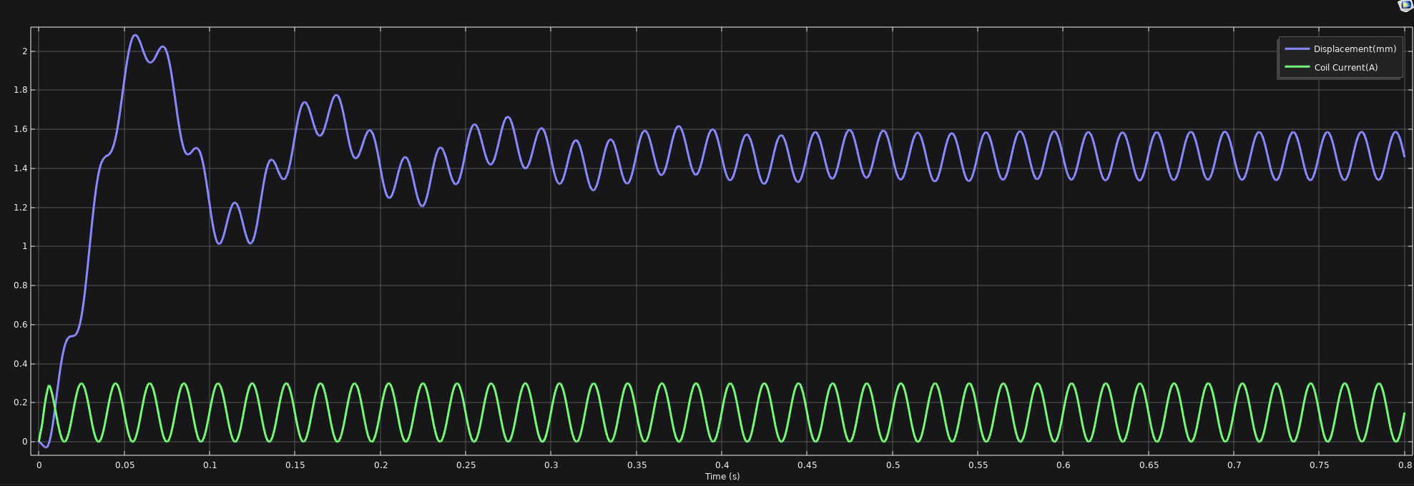 |  |  |  |  |  |  |  | 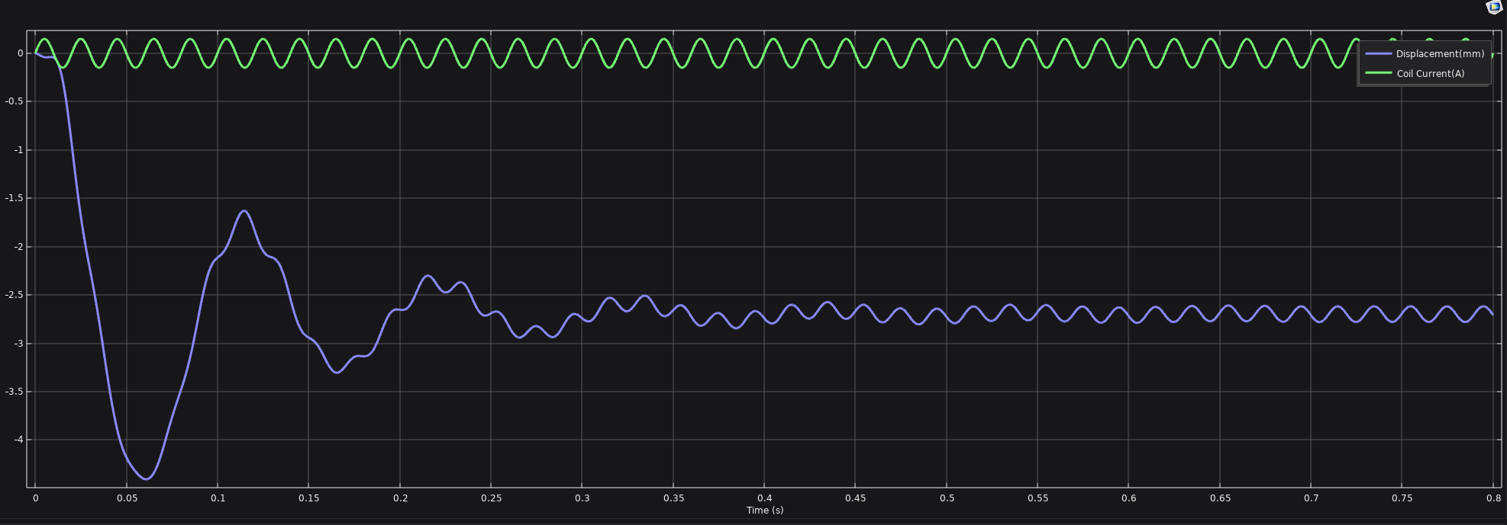

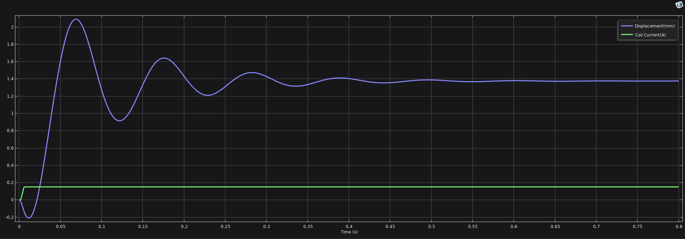
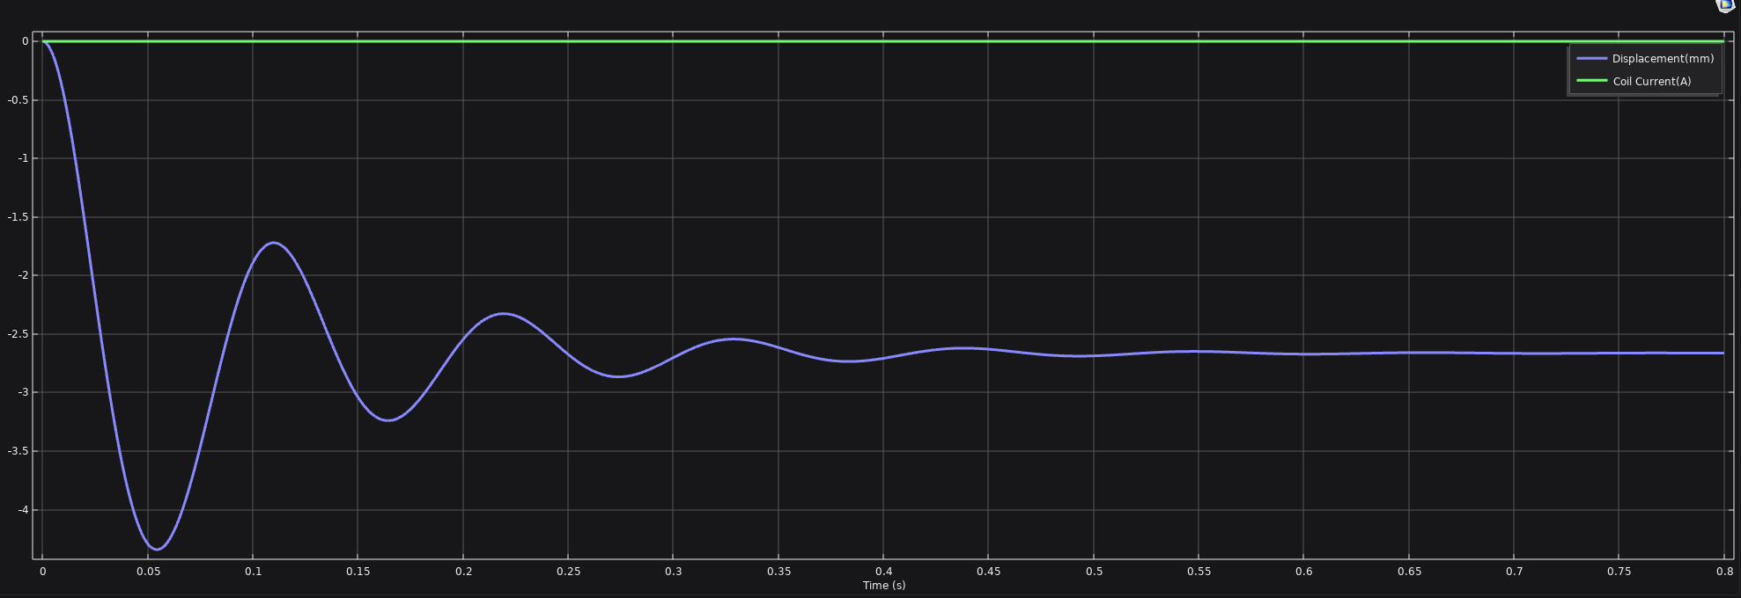

Case 1: Coil Current= DC_Offset+Sine. DC_Offset=0.15A, Sine Amplitude=0.15A |  |  |  | Case 2: Coil Current= DC_Offset only. DC_Offset=0.15A |  |  |  | Case 3: Coil Current=Sine only. Sine Amplitude=0.15A |  |  |  | Case 4: No Current
Time (s) | Displacement(mm) | Coil Current (A) | Lorentz force (N) | Time (s) | Displacement(mm) | Coil Current (A) | Lorentz force (N) | Time (s) | Displacement(mm) | Coil Current (A) | Lorentz force (N) | Time (s) | Displacement(mm) | Coil Current (A) | Lorentz force (N)
0 | -1.88E-08 | 0.00E+00 | 2.87E-05 | 0 | -1.88E-08 | 0 | -3.66E-06 | 0 | -1.88E-08 | 0 | 2.87E-05 | 0 | -1.88E-08 | 0 | -3.66E-06
5.00E-04 | -1.31E-03 | 2.35E-02 | 0.011104 | 5.00E-04 | -0.0014612 | 0 | -3.40E-06 | 5.00E-04 | -0.0013125 | 0.023465 | 0.011104 | 5.00E-04 | -0.0014612 | 0 | -3.40E-06
0.001 | -4.36E-03 | 4.64E-02 | 0.021998 | 0.001 | -0.005252 | 0 | 1.69E-07 | 0.001 | -0.0043624 | 0.046353 | 0.021998 | 0.001 | -0.005252 | 0 | 1.69E-07
0.0015 | -8.62E-03 | 6.81E-02 | 0.032404 | 0.0015 | -0.011274 | 0 | 5.79E-06 | 0.0015 | -0.0086178 | 0.068099 | 0.032404 | 0.0015 | -0.011274 | 0 | 5.79E-06
0.002 | -1.37E-02 | 0.09098 | 0.043412 | 0.002 | -0.019623 | 0.0028125 | 0.0013418 | 0.002 | -0.013703 | 0.088168 | 0.042058 | 0.002 | -0.019631 | 0 | 1.35E-05
0.0025 | -1.90E-02 | 0.12482 | 0.059796 | 0.0025 | -0.030172 | 0.01875 | 0.0088952 | 0.0025 | -0.019156 | 0.10607 | 0.050709 | 0.0025 | -0.030303 | 0 | 2.32E-05
0.003 | -2.39E-02 | 0.15885 | 0.076414 | 0.003 | -0.042577 | 0.0375 | 0.017819 | 0.003 | -0.024595 | 0.12135 | 0.058131 | 0.003 | -0.043262 | 0 | 3.47E-05
0.0035 | -0.027473 | 0.1899 | 0.091689 | 0.0035 | -0.056391 | 0.05625 | 0.026787 | 0.0035 | -0.029665 | 0.13365 | 0.064126 | 0.0035 | -0.05848 | 0 | 4.78E-05
0.004 | -0.02915 | 0.21766 | 0.10544 | 0.004 | -0.071186 | 0.075 | 0.035803 | 0.004 | -0.034087 | 0.14266 | 0.068531 | 0.004 | -0.07593 | 0 | 6.24E-05
0.0045 | -0.02827 | 0.2419 | 0.1175 | 0.0045 | -0.086524 | 0.09375 | 0.044868 | 0.0045 | -0.037662 | 0.14815 | 0.071228 | 0.0045 | -0.095579 | 0 | 7.81E-05
0.005 | -0.02429 | 0.2625 | 0.12777 | 0.005 | -0.10196 | 0.1125 | 0.053985 | 0.005 | -0.040266 | 1.50E-01 | 7.21E-02 | 0.005 | -0.11739 | 0 | 9.47E-05
0.0055 | -0.016759 | 0.2794 | 0.13619 | 0.0055 | -0.11705 | 0.13125 | 0.063156 | 0.0055 | -0.04186 | 0.14815 | 0.071242 | 0.0055 | -0.14132 | 0 | 1.12E-04
0.006 | -0.0053236 | 0.28985 | 0.14133 | 0.006 | -0.13137 | 0.14719 | 0.071001 | 0.006 | -0.042494 | 0.14266 | 0.068558 | 0.006 | -0.16732 | 0 | 1.29E-04
0.0065 | 0.010151 | 0.28365 | 0.13806 | 0.0065 | -0.14459 | 0.15 | 0.072414 | 0.0065 | -0.042299 | 0.13365 | 0.064163 | 0.0065 | -0.19537 | 0 | 1.46E-04
0.007 | 0.029507 | 0.27135 | 0.13172 | 0.007 | -0.1566 | 0.15 | 0.072438 | 0.007 | -0.041488 | 0.12135 | 0.058174 | 0.007 | -0.2254 | 0 | 1.62E-04
0.0075 | 0.052416 | 0.25607 | 1.24E-01 | 0.0075 | -0.16739 | 0.15 | 0.072458 | 0.0075 | -0.040351 | 0.10607 | 0.050755 | 0.0075 | -0.25738 | 0 | 1.76E-04
0.008 | 0.078465 | 0.23817 | 1.15E-01 | 0.008 | -0.17696 | 0.15 | 0.072475 | 0.008 | -0.039239 | 0.088168 | 0.042104 | 0.008 | -0.29126 | 0 | 1.89E-04
0.0085 | 0.10718 | 0.2181 | 1.05E-01 | 0.0085 | -0.1853 | 0.15 | 0.07249 | 0.0085 | -0.038558 | 0.068099 | 0.032448 | 0.0085 | -0.32698 | 0 | 1.99E-04
0.009 | 0.13805 | 0.19635 | 0.093886 | 0.009 | -0.19242 | 0.15 | 0.072501 | 0.009 | -0.038753 | 0.046353 | 0.022039 | 0.009 | -0.36452 | 0 | 2.05E-04
0.0095 | 0.17053 | 0.17347 | 0.082583 | 0.0095 | -0.19832 | 0.15 | 0.07251 | 0.0095 | -0.040304 | 0.023465 | 0.011143 | 0.0095 | -0.40381 | 0 | 2.08E-04
0.01 | 0.20405 | 0.15 | 0.071094 | 0.01 | -0.203 | 0.15 | 0.072517 | 0.01 | -0.043704 | 1.84E-17 | 3.51E-05 | 0.01 | -0.44479 | 0 | 2.07E-04
0.0105 | 0.23795 | 0.12653 | 0.059697 | 0.0105 | -0.20648 | 0.15 | 0.072521 | 0.0105 | -0.049455 | -0.023465 | -0.011007 | 0.0105 | -0.48742 | 0 | 2.01E-04
0.011 | 0.27183 | 0.10365 | 0.048662 | 0.011 | -0.20876 | 0.15 | 0.072524 | 0.011 | -0.058049 | -4.64E-02 | -2.17E-02 | 0.011 | -0.53165 | 0 | 1.89E-04
0.0115 | 0.30509 | 0.081901 | 0.038244 | 0.0115 | -0.20986 | 0.15 | 0.072526 | 0.0115 | -0.069957 | -0.068099 | -0.031809 | 0.0115 | -0.57743 | 0 | 1.72E-04
0.012 | 0.33714 | 0.061832 | 0.028681 | 0.012 | -0.2098 | 0.15 | 0.072526 | 0.012 | -0.085613 | -0.088168 | -0.041061 | 0.012 | -0.62469 | 0 | 1.49E-04
0.0125 | 0.36759 | 0.043934 | 0.020189 | 0.0125 | -0.20857 | 0.15 | 0.072524 | 0.0125 | -0.10545 | -0.10607 | -0.049242 | 0.0125 | -0.67337 | 0 | 1.20E-04
0.013 | 0.39607 | 0.028647 | 0.012961 | 0.013 | -0.2062 | 0.15 | 0.072521 | 0.013 | -0.12969 | -0.12135 | -0.056156 | 0.013 | -0.72342 | 0 | 8.49E-05
0.0135 | 0.42226 | 0.016349 | 0.0071594 | 0.0135 | -0.20268 | 0.15 | 0.072516 | 0.0135 | -0.15863 | -0.13365 | -0.061642 | 0.013 | -0.72342 | 0 | -1.30E-04
0.014 | 0.4459 | 0.0073415 | 0.0029152 | 0.014 | -0.19804 | 0.15 | 0.072509 | 0.014 | -0.19248 | -0.14266 | -0.065573 | 0.0135 | -0.77518 | 0 | 6.43E-05
0.0145 | 0.46682 | 0.0018467 | 3.24E-04 | 0.0145 | -0.19227 | 0.15 | 0.072501 | 0.0145 | -0.23133 | -0.14815 | -0.067867 | 0.014 | -0.82781 | 0 | 1.10E-04
0.015 | 0.48489 | 0 | -5.58E-04 | 0.015 | -0.18541 | 0.15 | 0.07249 | 0.015 | -0.27518 | -0.15 | -0.068482 | 0.0145 | -0.88159 | 0 | 1.53E-04
0.0155 | 0.50011 | 0.0018467 | 2.86E-04 | 0.0155 | -0.17748 | 0.15 | 0.072476 | 0.0155 | -0.324 | -0.14815 | -0.067417 | 0.015 | -0.93647 | 0 | 1.90E-04
0.016 | 0.51253 | 0.0073415 | 0.0028309 | 0.016 | -0.16848 | 0.15 | 0.07246 | 0.016 | -0.37768 | -0.14266 | -0.064717 | 0.0155 | -0.99242 | 0 | 2.22E-04
0.0165 | 0.52228 | 0.016349 | 0.0070092 | 0.0165 | -0.15844 | 0.15 | 0.072441 | 0.0165 | -0.43595 | -0.13365 | -0.060462 | 0.016 | -1.0493 | 0 | 2.48E-04
0.017 | 0.52958 | 0.028647 | 0.012715 | 0.017 | -0.14739 | 0.15 | 0.072419 | 0.017 | -0.49851 | -0.12135 | -0.054767 | 0.0165 | -1.1072 | 0 | 2.66E-04
0.0175 | 0.53471 | 0.043934 | 1.98E-02 | 0.0175 | -0.13533 | 0.15 | 0.072394 | 0.0175 | -0.56501 | -0.10607 | -0.047776 | 0.017 | -1.1659 | 0 | 2.78E-04
0.018 | 0.53802 | 0.061832 | 2.81E-02 | 0.018 | -0.12229 | 0.15 | 0.072365 | 0.018 | -0.63502 | -0.088168 | -0.039661 | 0.0175 | -1.2258 | 0 | 2.82E-04
0.0185 | 0.53991 | 0.081901 | 0.037391 | 0.0185 | -0.10829 | 0.15 | 0.072331 | 0.0185 | -0.70807 | -6.81E-02 | -3.06E-02 | 0.018 | -1.2863 | 0 | 2.79E-04
0.019 | 0.54082 | 0.10365 | 0.047452 | 0.019 | -0.093354 | 0.15 | 0.072293 | 0.0185 | -0.70807 | -0.068099 | -0.03162 | 0.0185 | -1.3474 | 0 | 2.70E-04
0.0195 | 0.54122 | 0.12653 | 0.058031 | 0.0195 | -0.077495 | 0.15 | 0.072251 | 0.019 | -0.78464 | -0.046353 | -0.021056 | 0.019 | -1.4091 | 0 | 2.55E-04
0.02 | 0.54161 | 0.15 | 6.89E-02 | 0.02 | -0.060741 | 0.15 | 0.072203 | 0.0195 | -0.86264 | -0.023465 | -0.010451 | 0.019 | -1.4091 | 0 | 1.68E-04
0.0205 | 0.54249 | 0.17347 | 7.97E-02 | 0.0205 | -0.043117 | 0.15 | 0.072149 | 0.02 | -0.94131 | -3.67E-17 | 1.99E-04 | 0.0195 | -1.4713 | 0 | -2.00E-05
0.021 | 0.54435 | 0.19635 | 9.02E-02 | 0.021 | -0.024648 | 0.15 | 0.07209 | 0.0205 | -1.0206 | 0.023465 | 0.010625 | 0.02 | -1.5338 | 0 | -7.95E-06
0.0215 | 0.54767 | 0.2181 | 0.10016 | 0.0215 | -0.0053579 | 0.15 | 0.072024 | 0.021 | -1.1 | 0.046353 | 0.020573 | 0.0205 | -1.5966 | 0 | 3.01E-06
0.022 | 0.55289 | 0.23817 | 0.10931 | 0.022 | 0.014726 | 0.15 | 0.071952 | 0.0215 | -1.1791 | 0.068099 | 0.029802 | 0.021 | -1.6599 | 0 | 1.25E-05
0.0225 | 0.56042 | 0.25607 | 0.11739 | 0.0225 | 0.035578 | 0.15 | 0.071873 | 0.022 | -1.2574 | 0.088168 | 0.038092 | 0.0215 | -1.7234 | 0 | 2.01E-05
0.023 | 0.5706 | 0.27135 | 0.12421 | 0.023 | 0.05717 | 0.15 | 0.071787 | 0.0225 | -1.3345 | 0.10607 | 0.045246 | 0.022 | -1.787 | 0 | 2.56E-05
0.0235 | 0.58371 | 0.28365 | 0.12958 | 0.0235 | 0.079473 | 0.15 | 0.071694 | 0.023 | -1.41 | 0.12135 | 0.051102 | 0.0225 | -1.8508 | 0 | 2.90E-05
0.024 | 0.59998 | 0.29266 | 0.13336 | 0.024 | 0.10246 | 0.15 | 0.071593 | 0.023 | -1.41 | 1.21E-01 | 5.02E-02 | 0.023 | -1.9146 | 0 | 3.05E-05
0.0245 | 0.61952 | 0.29815 | 0.13545 | 0.0245 | 0.12611 | 0.15 | 0.071484 | 0.0235 | -1.4824 | 0.13365 | 0.055775 | 0.0235 | -1.9784 | 0 | 3.03E-05
0.025 | 0.6424 | 0.3 | 0.13582 | 0.025 | 0.15038 | 0.15 | 0.071367 | 0.024 | -1.5524 | 0.14266 | 0.058747 | 0.024 | -2.0422 | 0 | 2.85E-05
0.0255 | 0.6686 | 0.29815 | 0.13447 | 0.0255 | 0.17526 | 0.15 | 0.071242 | 0.0245 | -1.6206 | 0.14815 | 0.060161 | 0.024 | -2.0422 | 0 | 1.66E-05
0.026 | 0.69801 | 0.29266 | 0.13143 | 0.026 | 0.20072 | 0.15 | 0.071109 | 0.025 | -1.6866 | 0.15 | 0.060024 | 0.0245 | -2.1058 | 0 | -2.04E-05
0.0265 | 0.73045 | 0.28365 | 0.12682 | 0.0265 | 0.22672 | 0.15 | 0.070966 | 0.0255 | -1.7502 | 0.14815 | 0.058385 | 0.025 | -2.1692 | 0 | -1.93E-05
0.027 | 0.76567 | 0.27135 | 0.12076 | 0.027 | 0.25324 | 0.15 | 0.070816 | 0.026 | -1.8112 | 0.14266 | 0.055332 | 0.0255 | -2.2326 | 0 | -2.13E-05
...

Load_3
Coil Mass=1.427 gram, Load Mass=7.625 gram for all 4 cases in this sheet
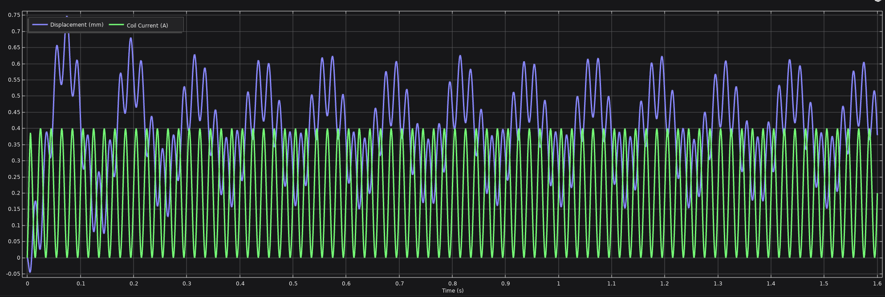 |  |  |  |  |  |  |  | 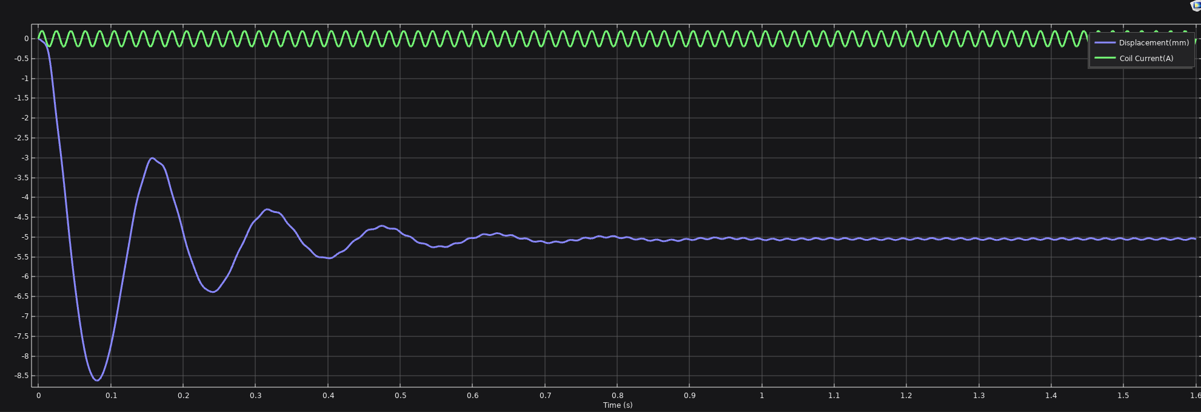

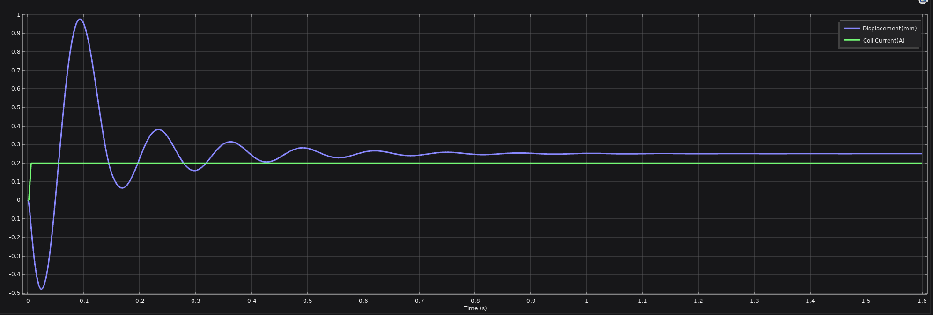
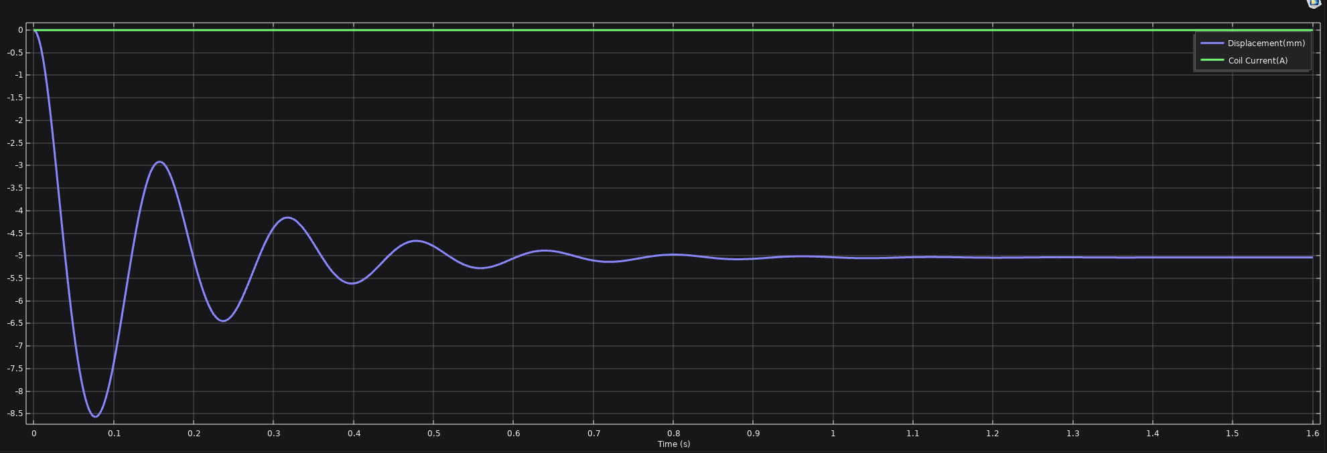

Case 1: Coil Current= DC_Offset+Sine. DC_Offset=0.2A, Sine Amplitude=0.2A |  |  |  | Case 2: Coil Current= DC_Offset only. DC_Offset=0.2A |  |  |  | Case 3: Coil Current=Sine only. Sine Amplitude=0.2A |  |  |  | Case 4: No Current
Time (s) | Displacement(mm) | Coil Current (A) | Lorentz force (N) | Time (s) | Displacement(mm) | Coil Current (A) | Lorentz force (N) | Time (s) | Displacement(mm) | Coil Current (A) | Lorentz force (N) | Time (s) | Displacement(mm) | Coil Current (A) | Lorentz force (N)
0 | -7.53E-08 | 0.00E+00 | 8.73E-05 | 0 | -7.53E-08 | 0 | -4.39E-06 | 0 | -7.53E-08 | 0 | 8.73E-05 | 0 | -7.53E-08 | 0 | -4.39E-06
0.001 | -4.75E-03 | 6.18E-02 | 0.029382 | 0.001 | -0.0055292 | 0 | 4.29E-07 | 0.001 | -0.004752 | 0.061803 | 0.029382 | 0.001 | -0.0055292 | 0 | 4.29E-07
0.002 | -1.53E-02 | 1.21E-01 | 0.058083 | 0.002 | -0.020053 | 0.00375 | 0.0017852 | 0.002 | -0.015262 | 0.11756 | 0.056265 | 0.002 | -0.020057 | 0 | 1.39E-05
0.003 | -2.86E-02 | 2.12E-01 | 0.10253 | 0.003 | -0.043533 | 0.05 | 0.023784 | 0.003 | -0.029169 | 0.1618 | 0.077881 | 0.003 | -0.04405 | 0 | 3.54E-05
0.004 | -4.02E-02 | 0.29021 | 0.14186 | 0.004 | -0.073725 | 0.1 | 0.047873 | 0.004 | -0.044194 | 0.19021 | 0.091925 | 0.004 | -0.077396 | 0 | 6.36E-05
0.005 | -4.60E-02 | 0.35 | 0.17236 | 0.005 | -0.10788 | 0.15 | 0.072327 | 0.005 | -0.058781 | 0.2 | 0.09684 | 0.005 | -0.11994 | 0 | 9.66E-05
0.006 | -4.27E-02 | 0.38646 | 0.19108 | 0.006 | -0.14331 | 0.19625 | 0.095325 | 0.006 | -0.07238 | 0.19021 | 0.092053 | 0.006 | -0.17151 | 0 | 1.32E-04
0.007 | -0.028742 | 0.3618 | 0.17818 | 0.007 | -0.17774 | 0.2 | 0.097317 | 0.007 | -0.085493 | 0.1618 | 0.078076 | 0.007 | -0.23188 | 0 | 1.65E-04
...

