Sheet1
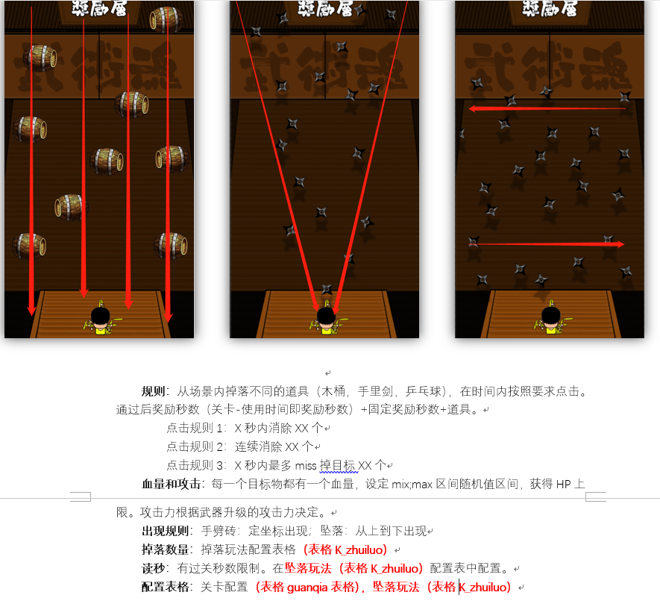
num | shijian | cd | hp | guize1num | guize1quanzhong | time1 | jiangli1time | guize2num | guize2quanzhong | time2 | jiangli2time | guize3num | guize3quanzhong | time3 | jiangli3time
40;70 | 4;6 | 0.5;2 | 1;10 | 80% | 100 | 2.5 | 0 | 80% | 30 | 2.5 | 0 | 80% | 0 | 2.5 | 0

