Sheet1
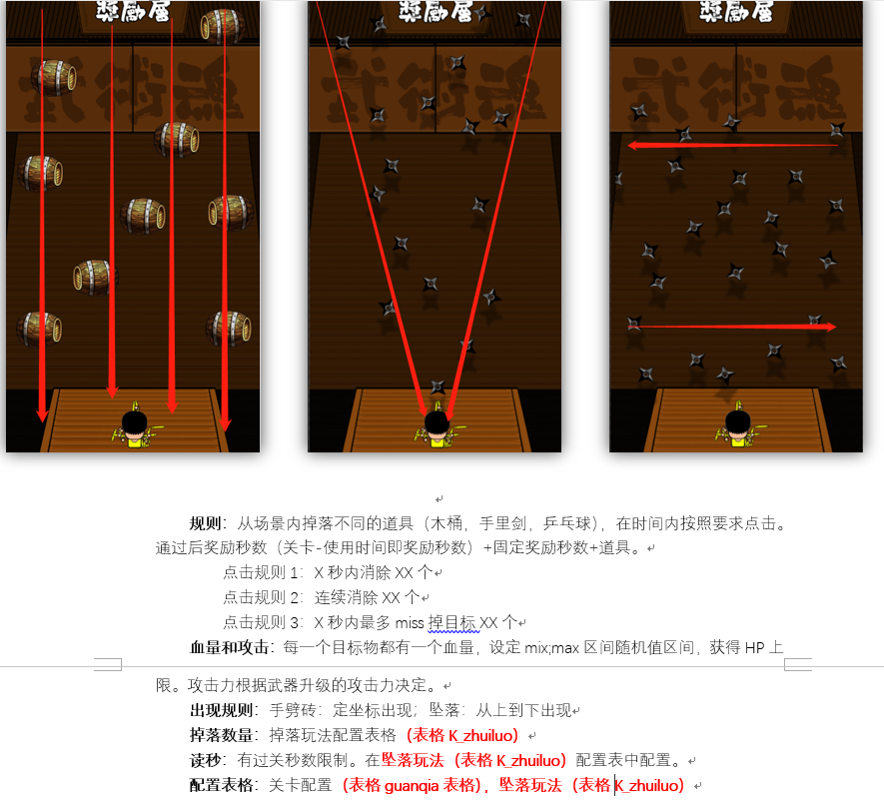
num | spend | cd | hp | guize1num | guize1quanzhong | time1 | jiangli1time | guize2num | guize2quanzhong | time2 | jiangli2time | guize3num | guize3quanzhong | time3 | jiangli3time | gold | exp | zongtime | item | itemnum | itemgailv | double | guanggao
40;70 | 1;100 | 0.5;2 | 1;10 | num80% | 100 | 规则命中值*2.5 | 0 | num80% | 30 | 规则命中值*2.5 | 0 | num80% | 0 | 规则命中值*2.5 | 0 | 1;100 | 1;100 | 15 | 填入道具id | 1;3 | 40% | 30% | 30%

