demo
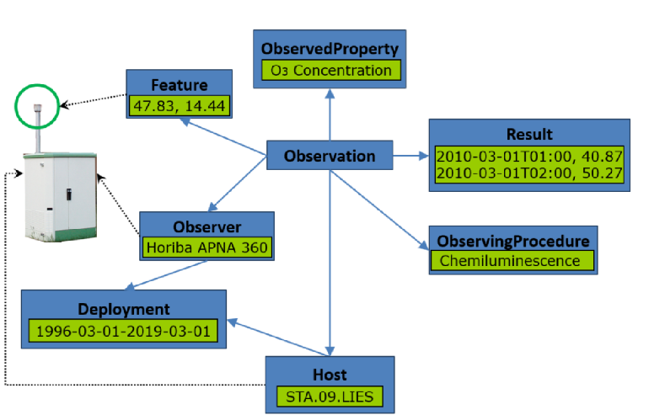
 | you might want to follow a specific community practice | contains all components of the variable and follows a consistent grammar | provide a description of the variable in your own words or using a reference from the web | provide some comments about the modelling logic you applied | required | required | label for a matrix if required in the description | for multipe ContextObjects in a variable use a new row | for multipe constraints in a variable use a new row; add the entity it constrains in brackets | qualitiative or quantitative variable | define which patterns apply according to the Variable Pattern Design, see here: https://github.com/i-adopt/patterns/blob/main/README.md | applicable units might help to identify the property in quantitatitve variables | qualitative variables require a controlled list of terms. This list might help to identify the description components required | If you found an online resource that helped in the analysis of the variable description please provide the link | Involving a Sample | Feature of Interest Here we would like to see the feature Type of the 2 FoIs, if possible from a standardized source, e.g.: * HY_Features: https://defs.opengis.net/vocprez/object?uri=https%3A//www.opengis.net/def/schema/hy_features/hyf * INSPIRE Feature Catalog: https://inspire.ec.europa.eu/featureconcept |  |  |  |  |  |  |  | Insert any columns you need in addition for your example
Variable Name | Chosen Preferred Label | Alternative Label | Definition | Comments explaining your reasoning | Property (Label) | ObjectOfInterest (Label) | Matrix (Label) | ContextObject (Label) | Constraint (Label) | Variable type | Pattern type | Applicable units of measure | Controlled List (URI or Terms) | Online resource (URL) |  | Ultimate | Proximate | Observing procedure | Observer | Deployment | Host | Result | Phenomenon time
Ozon concentration in air |  |  | observation of ozone concentration at an air quality stattion |  | molar concentration | ozone | air |  | troposphere | quantitative | concentration | mol/m2 |  |  | no | troposphere | air | Chemiluminescence | Horiba APNA 360 |  | STA.09.LIES | 2010-03-01T01:00, 40.87

 | Sketch

