README
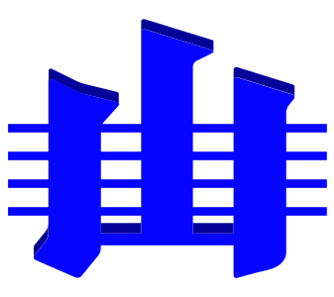
ICS Chart object labels

The purpose of this workbook is to allow national Geological Survey organisations, and ICS Executive to easily produce the multi-lingual version of the Chronostratigraphic Chart, online at

https://stratigraphy.org/chart

Each sheet in this workbook contains one landiage/dialect of labels for things in the Chart.

Version

2024-12: this workbook is only to be used for the 2024-12 Chart.

Instructions for use
 |  | https://stratigraphy.org
Please create a new sheet within this workbook for your language/dialect, named according to the appropriate ISO 639 Language Code. For example use "en" for English, "en-au" for English (Australia), "nl-be" for Dutch (Belgium) etc. The list of language codes is online at
https://www.andiamo.co.uk/resources/iso-language-codes/

Each element in the chart is identified by an IRI - a sort of web address - and a sheet needs to have at least one element per row with values in the Name and Purpose column. Multiple rows for the same element should be used where a distinct label is needed per purpose. Examples of Purpose are given in the 'Purposes' sheet. Also see existing language/dialect sheets for comprehensive examples in language labels created so far. The sheet 'Template' gives a list of distinct Chart element IRIs. You will need to provide at least one label for each, so start by copying this sheet and expand it as needed. The 'default' sheet contains the English labels used for the default form of the Chart.

Support

For issues, please contact:

Dr Kim Cohen | For all language issues
ICS Graphics Officer
k.m.cohen@uu.nl

Dr Nicholas Car | For all technical issues
ICS Webmaster
nick@kurrawong.ai

