README
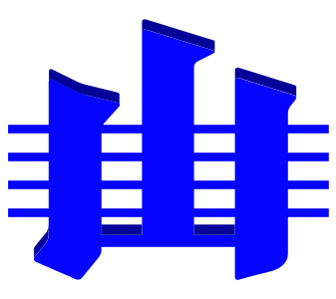
ICS Chart multilingual labels

The purpose of this workbook is to allow national Geological Survey organisations, and ICS Executive to easily produce the multi-lingual version of the Chronostratigraphic Chart, online at

https://stratigraphy.org/chart

Each sheet in this workbook contains one landiage/dialect of labels for things in the Chart. The things in the Chart are all the stratigraphic elements and time periods as well as functional elements like labels for display changes, "Downloads" button and so on. There is also a position for translating organisation's logos.

Version

2024-12: this workbook is only to be used for the 2024-12 Chart.

Instructions for use
 |  | https://stratigraphy.org
Please create a new sheet within this workbook for your language/dialect, named according to the appropriate ISO 639 Language Code. For example use "en" for English, "en-au" for English (Australia), "nl-be" for Dutch (Belgium), "it" for Italian etc. See the "languages" sheet for those we already have. The list of language codes is online at
https://www.andiamo.co.uk/resources/iso-language-codes/

Copy all the elements from an existing sheet into your sheet and provide a translation for each. There are currently 204 elements.
See the Spanish, Korean, Dutch, Russian and Chinese sheets included in this template for examples.

Support

For issues, please contact:

Dr Kim Cohen | For all language issues
ICS Graphics Officer
k.m.cohen@uu.nl

Dr Nicholas Car | For all technical issues
ICS Webmaster
nick@kurrawong.ai

