README
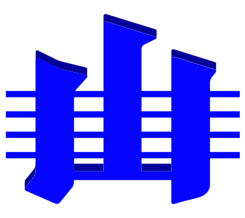
ICS Chart object labels

The purpose of this workbook is to allow national Geological Survey organisations, and ICS Executive to easily produce the multi-lingual version of the Chronostratigraphic Chart, online at

https://stratigraphy.org/chart

Each sheet in this workbook contains one landiage/dialect of labels for things in the Chart.

Version

2024-12: this workbook is only to be used for the 2024-12 Chart.

Instructions for use
 |  | https://stratigraphy.org
Please create a new sheet within this workbook for your language/dialect, named according to the appropriate ISO 639 Language Code. For example use "en" for English, "en-au" for English (Australia), "nl-be" for Dutch (Belgium), "it" for Italian etc. The list of language codes is online at
https://www.andiamo.co.uk/resources/iso-language-codes/

Copy all the elements from the default sheet into your sheet and provide a translation for each.
See the Italian sheet, "it", as an example.

Support

For issues, please contact:

Dr Kim Cohen | For all language issues
ICS Graphics Officer
k.m.cohen@uu.nl

Dr Nicholas Car | For all technical issues
ICS Webmaster
nick@kurrawong.ai

