SERVER
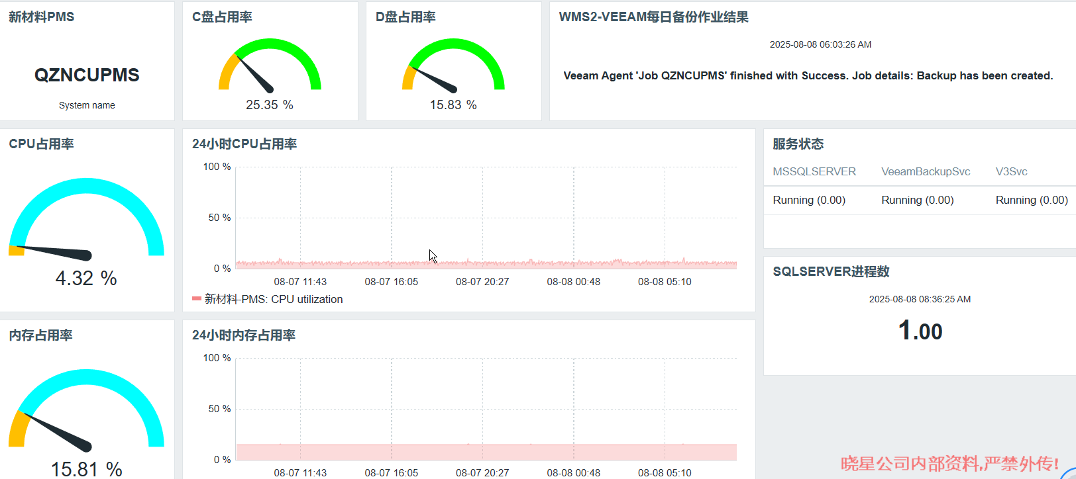
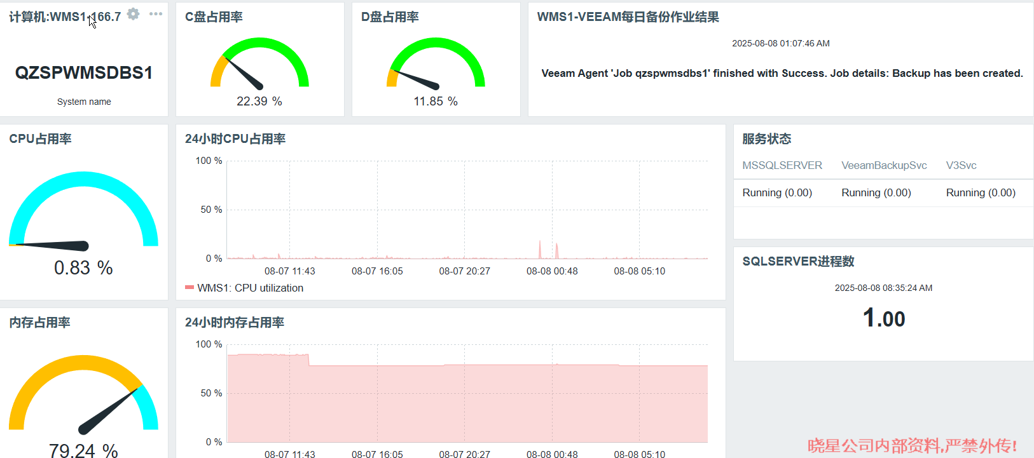
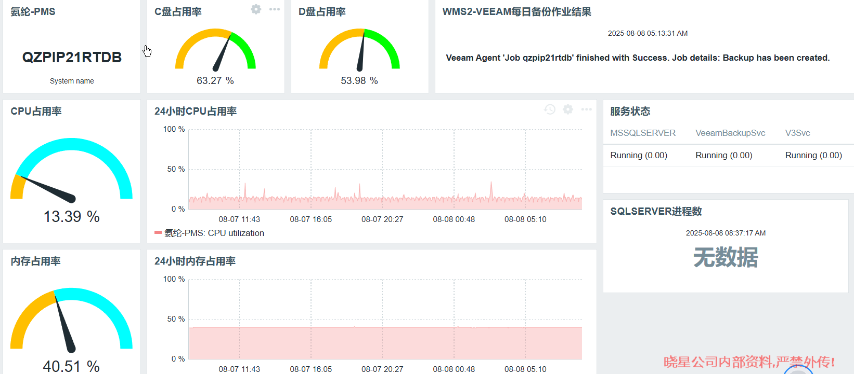
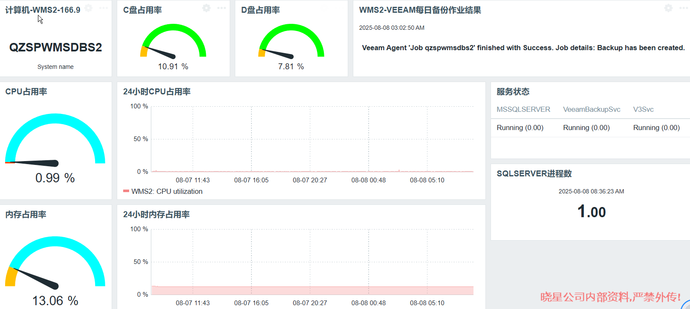
[October 2025 Server Daily Report——2025/10/1 Monday]
Server status and backup results
No | Category | System Name | Location | Backup Frequency | LED Status | CPU | MEM | Disk | Service(Process) | Eventlog | HA Status | Backup Result | Remarks | Pictures
1 | WMS | WMS DB #1 | Server Room | Daily | Normal
2 |  | WMS DB #2 | Server Room | Daily | Normal
3 | PMS | PMS DB # QZ | Server Room | Daily | Normal
4 |  | PMS DB # QN | Server Room | Daily | Normal
5 | MES | MES WEB #1 | Server Room | Daily
6 |  | MES WEB #2 | Server Room | Daily
7 |  | MES DB #1 | Server Room | Daily
8 |  | MES DB #2 | Server Room | Daily
9 |  | MES DG #1 | Server Room | Daily
10 |  | MES DG #2 | Server Room | Daily
11 |  | MES RD | Server Room | Daily
12 | DEV | WMS DEV | IDC | N/A
13 |  | QMS DEV | IDC | N/A
14 |  | MES DEV | IDC | N/A

Date |  | System Name | Failure Details |  |  |  |  | Troubleshooting Details |  |  |  |  | Remarks

