Data
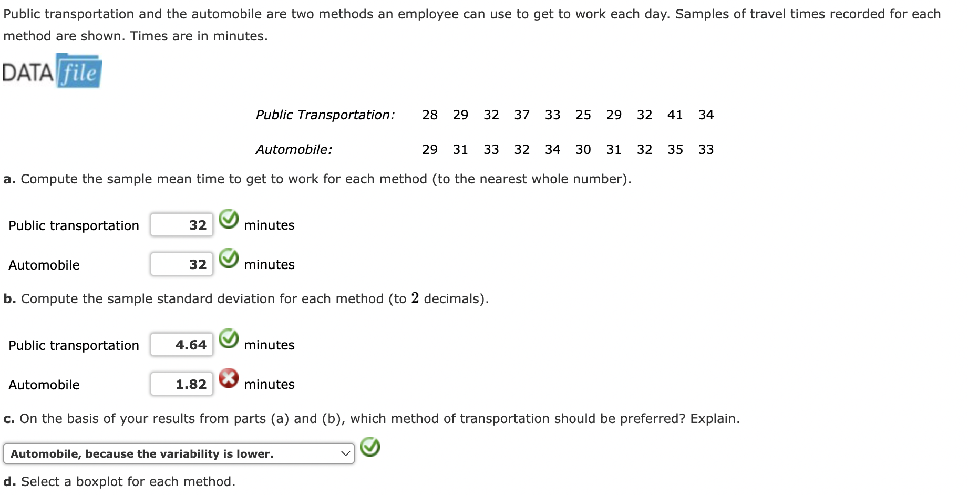
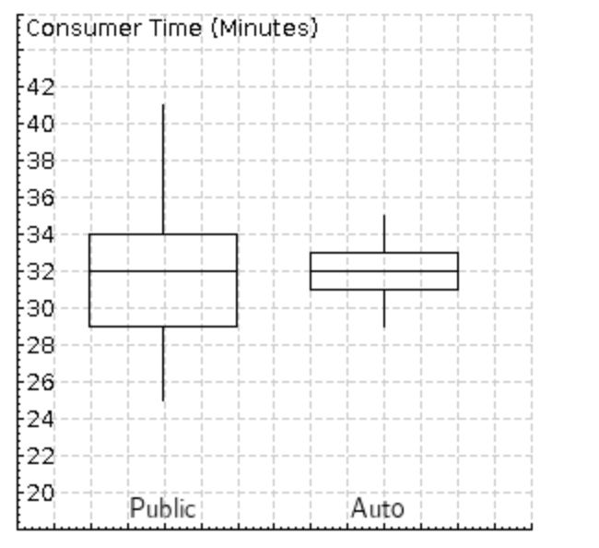
Public | Automobile | Descriptive Statistics from Data Analysis Tool pack of Excel
28 | 29 | Public |  | Automobile
29 | 31 |  |  |  |  | Box plot metrics ( 5-point summary)
32 | 33 | Mean | 32 | Mean | 32
37 | 32 | Standard Error | 1.4681810364 | Standard Error | 0.57735026919 | L25 = (25/100) 11 = 2.75
33 | 34 | Median | 32 | Median | 32
25 | 30 | Mode | 29 | Mode | 31 | Quartile 1 (public) = 29 + 0.75(32-29) = 29+2.25 =31.25
29 | 31 | Standard Deviation | 4.6427960924 | Standard Deviation | 1.8257418584
32 | 32 | Sample Variance | 21.555555556 | Sample Variance | 3.3333333333 | Q1 (auto)= 31 + 0.75(33-31) = 31+1.5 = 32.5
41 | 35 | Kurtosis | 0.3682985895 | Kurtosis | -0.45
34 | 33 | Skewness | 0.55789789903 | Skewness | 3.8549410577E-18 | L75 = (75/100) 11 = 8.25
 |  | Range | 16 | Range | 6
 |  | Minimum | 25 | Minimum | 29 | Q3 (public) = 32 + 0.25(41-32) = 32 + 2.25 = 34.25
 |  | Maximum | 41 | Maximum | 35
 |  | Sum | 320 | Sum | 320 | Q3 (auto)= 32 + 0.25(35-32) = 32 + 0.75 = 32.75
 |  | Count | 10 | Count | 10
 |  | Confidence Level(95.0%) | 3.3212562477 | Confidence Level(95.0%) | 1.3060570469

