ProcesoInscripcion-NuevoIngreso
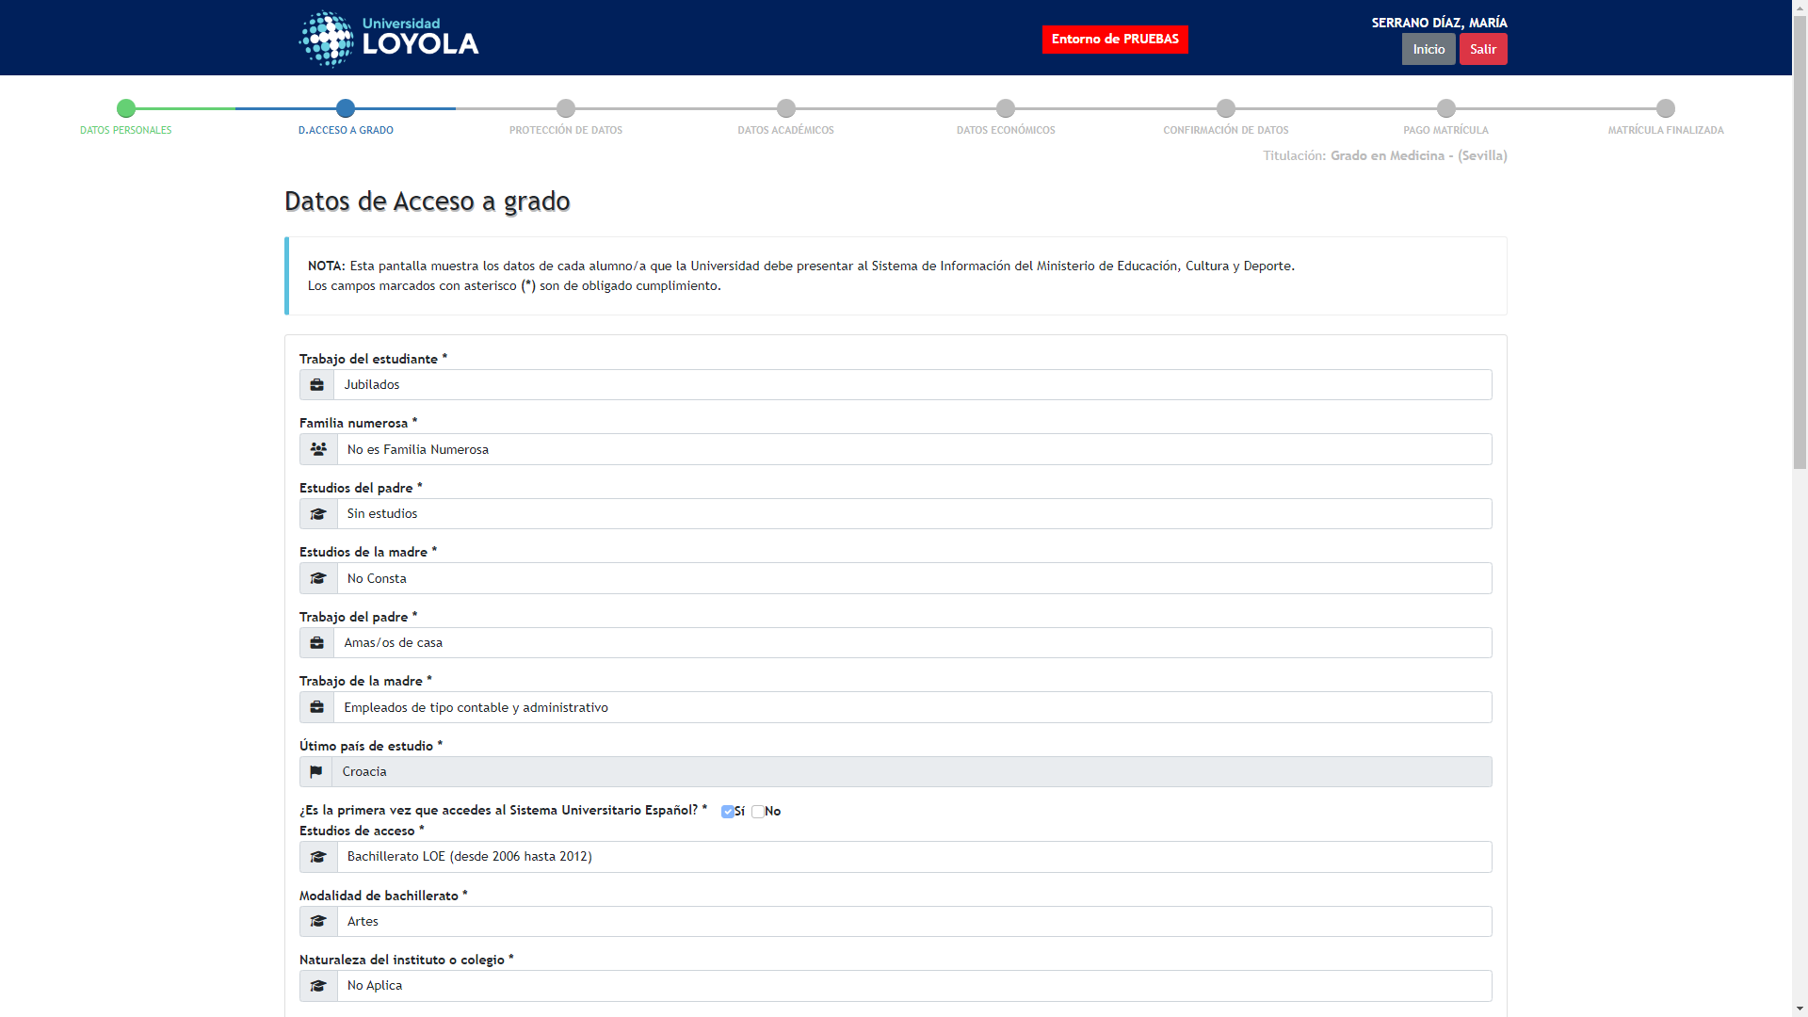
Captura de: ProcesoInscripcion-NuevoIngreso_77_1756721804968
← Volver a Resultados

