Sheet1
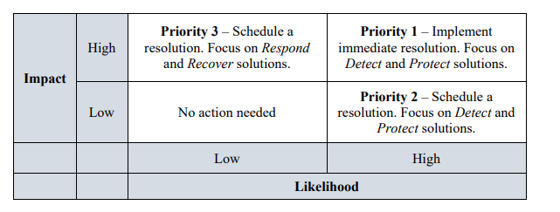
Priority | Risk
x | xxxxxx

