Table
Use-Case | Calculator | Function Points | Time spent (in h)
Create Deck | Create Deck | 42.8 | 4
Signin |  | 30.2 | 2
Invite Friends |  | 39.8 | 2.5

Invite_Friends
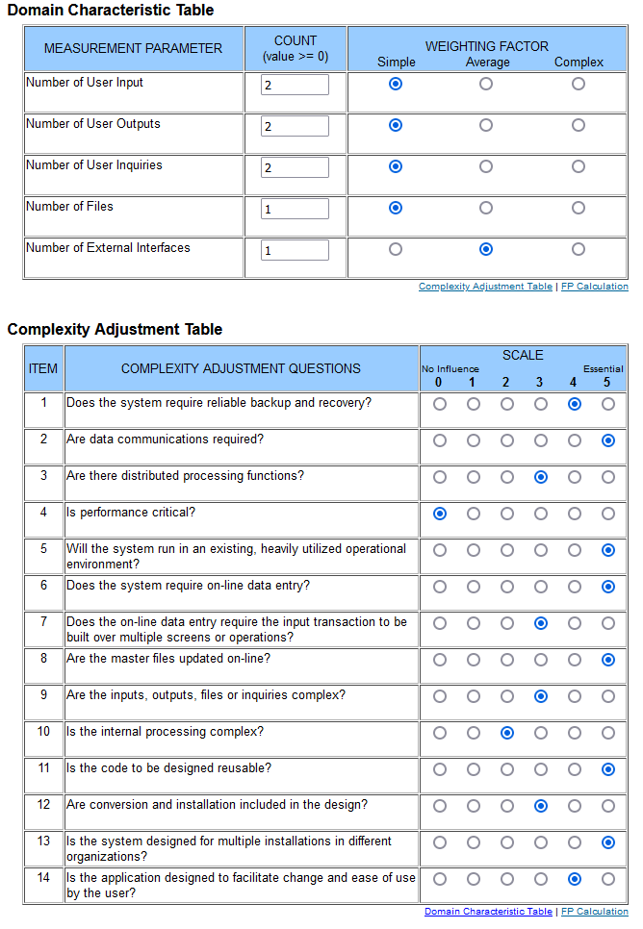
Invite Friends

Signin
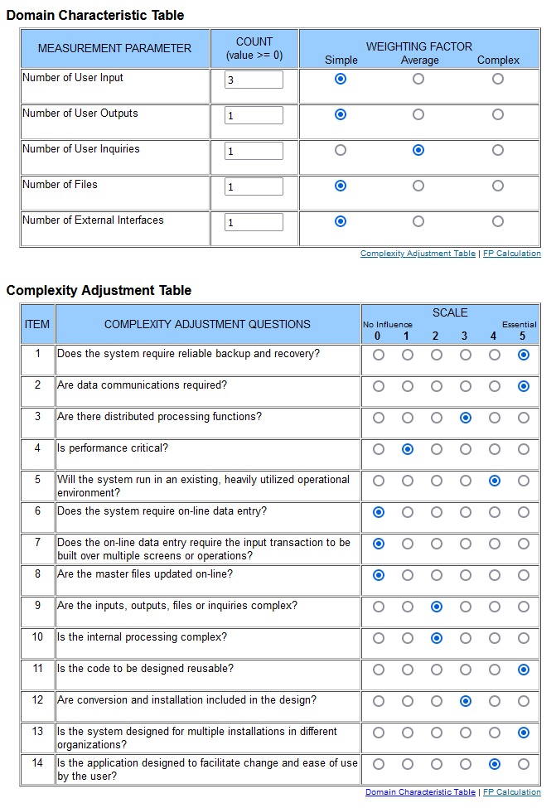
Signin

Create_Deck
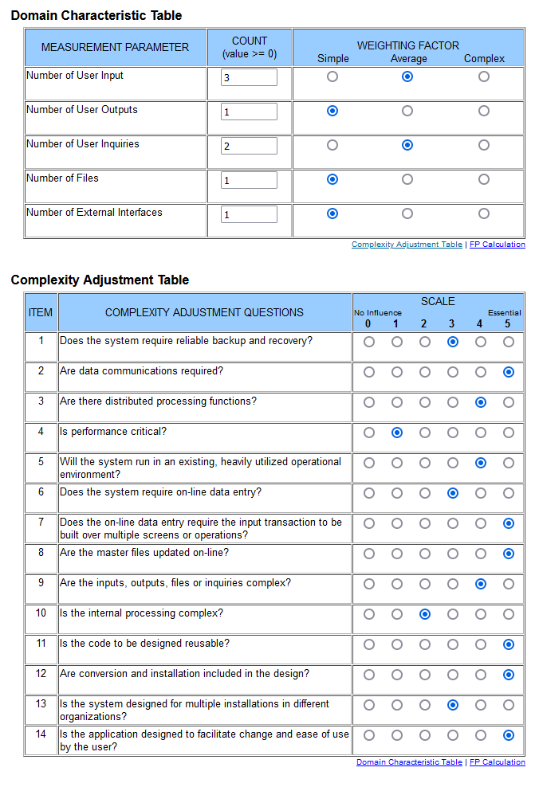
Create Deck

