Table
Use-Case | Function Points | Time spent (in h)
Create Deck | 42.8 | 4
Signin | 30.2 | 2
Invite Friends | 39.8 | 2.5
Signup | 70.7 | 9
Create Lobby | 50.6 | 6
Marketplace (Community) | 93.5 | 12
Trade Items | 48.6
Search Lobbies | 24
Create Custom Rules | 59.3
Change Appearance | 13.3 | 1
Show Rankings | 19.8
Buy Shop Item | 44.9 | 8

Change Appearane
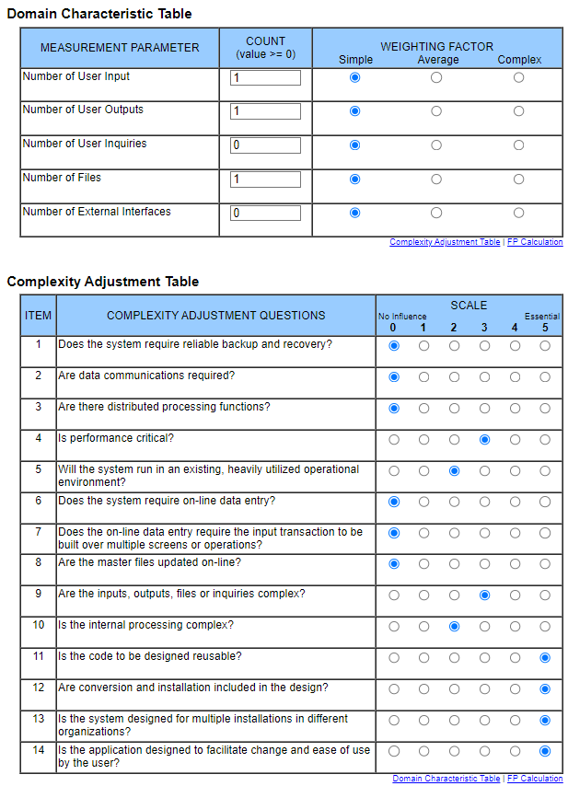
Change Appearance

Show_Rankings
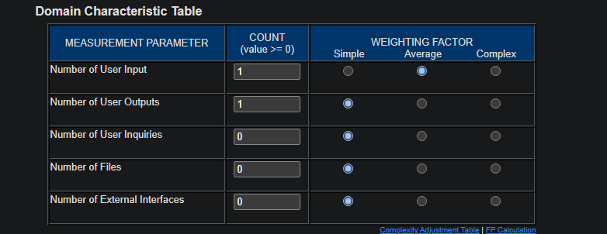
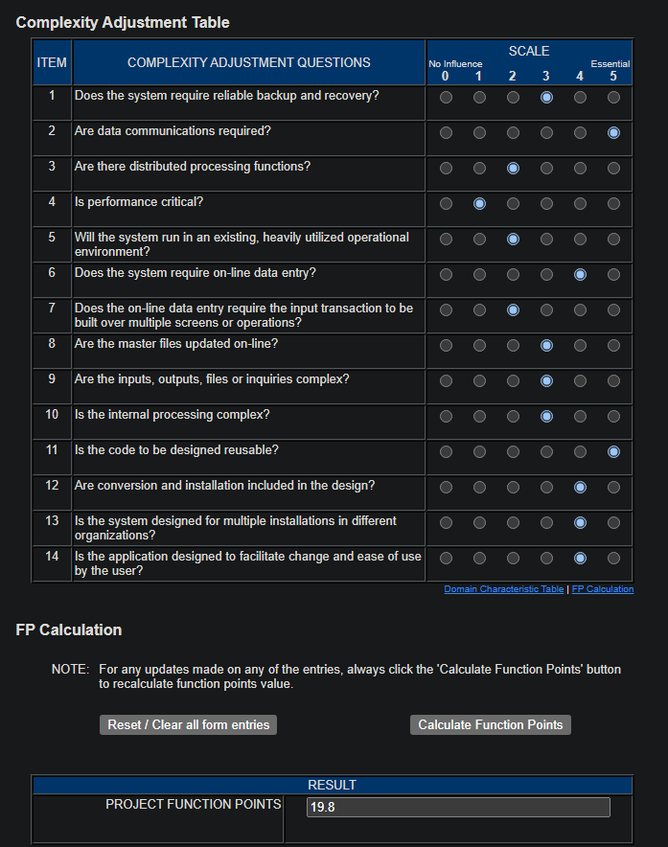
Show Rankings

Buy_Shop_Item
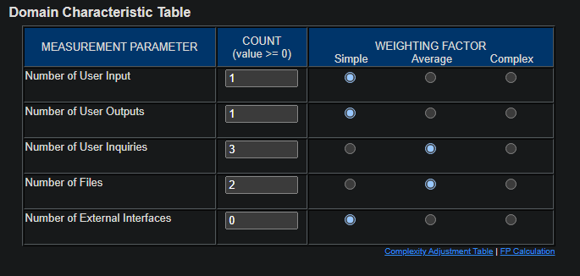
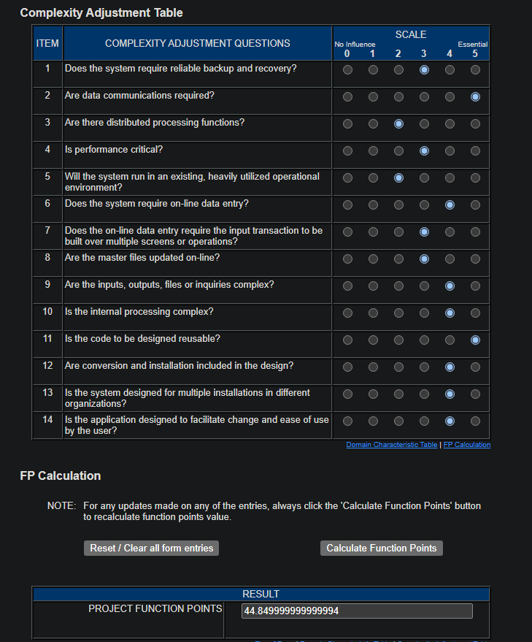
Buy Shop Item

Create_Custom_Rules
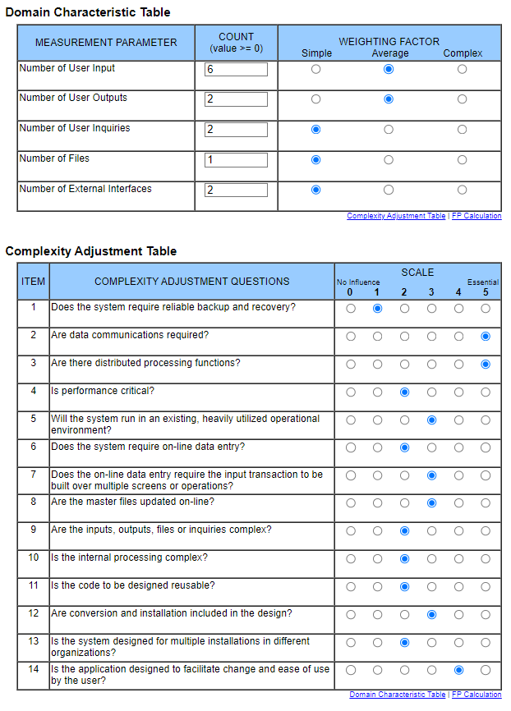
Create Custom Rules

Search_Lobbies
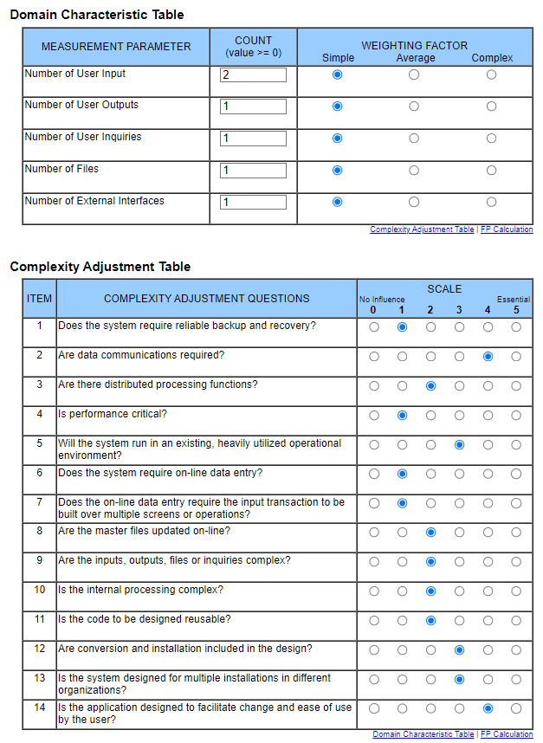
Search Lobbies

Trade_Items
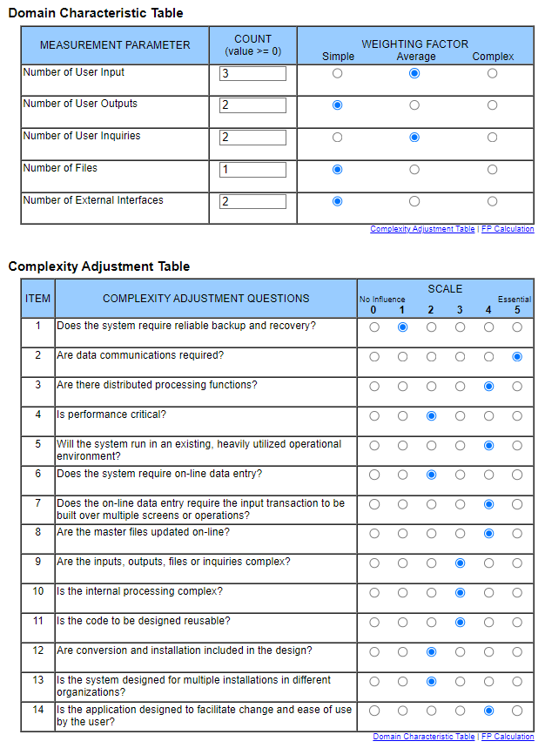
Trade Items

Marketplace
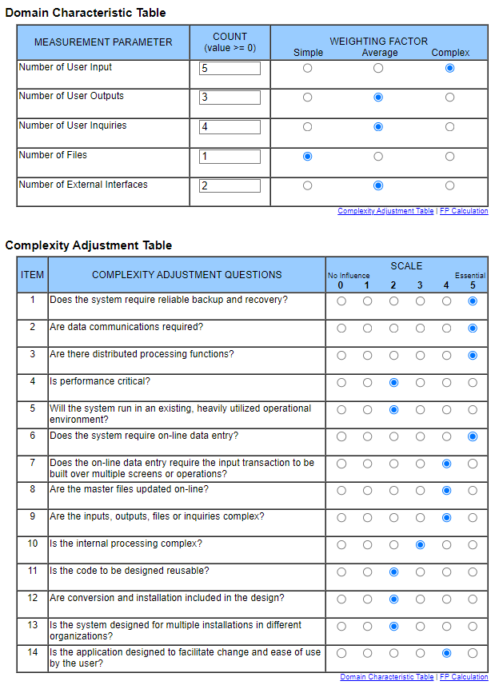
Marketplace

Create_Lobby
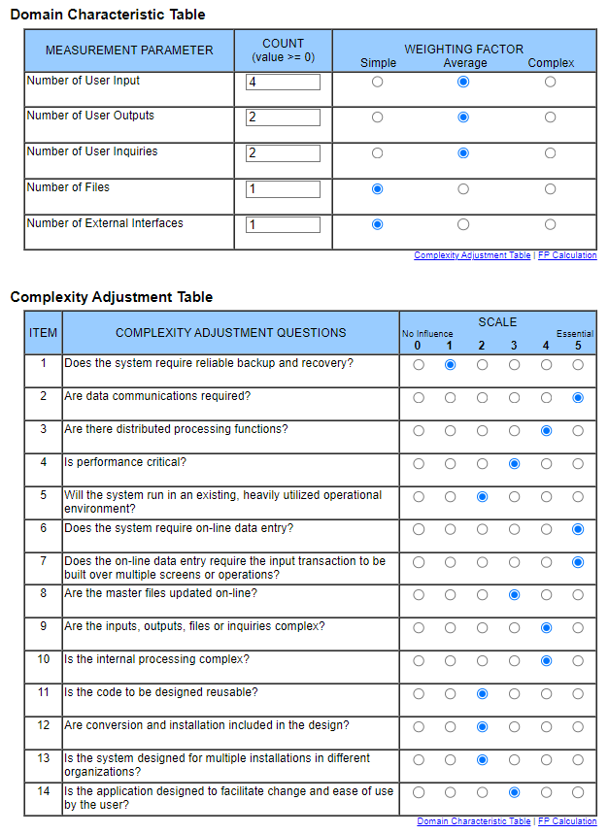
Create Lobby

Invite_Friends
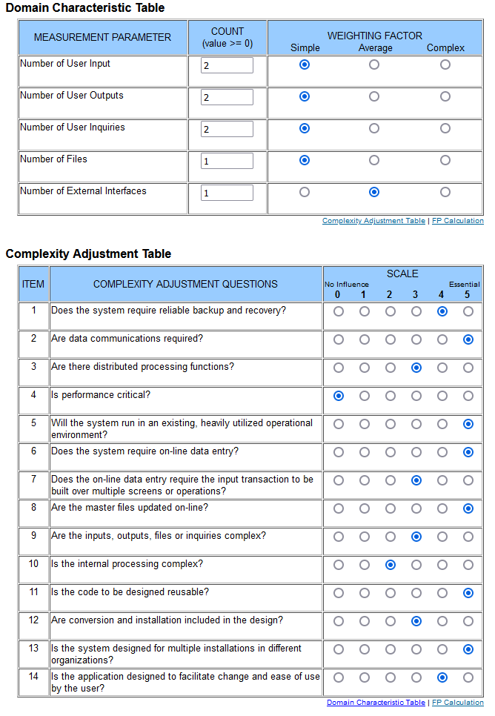
Invite Friends

Signin
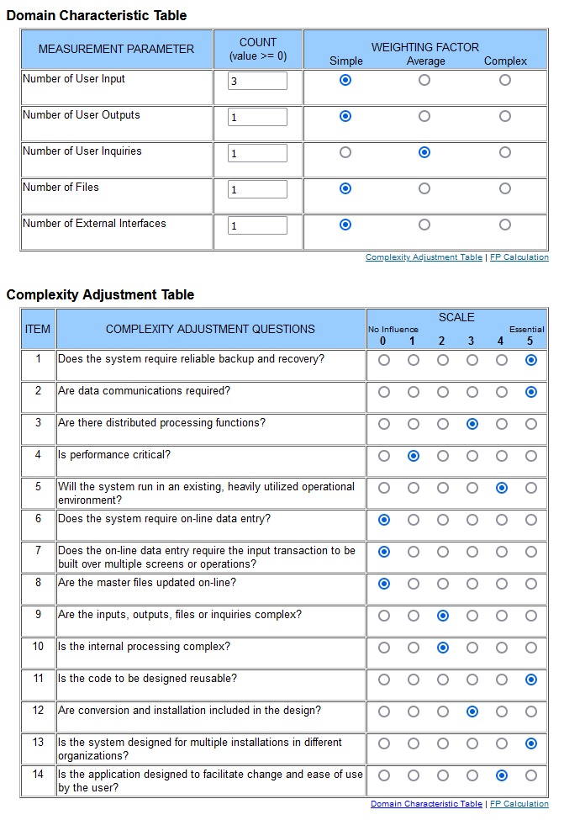
Signin

Create_Deck
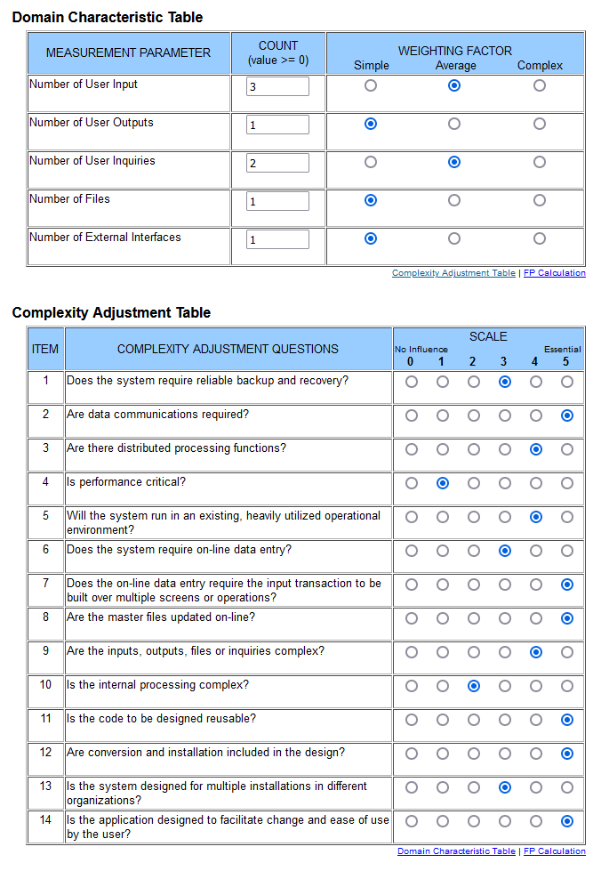
Create Deck

Signup
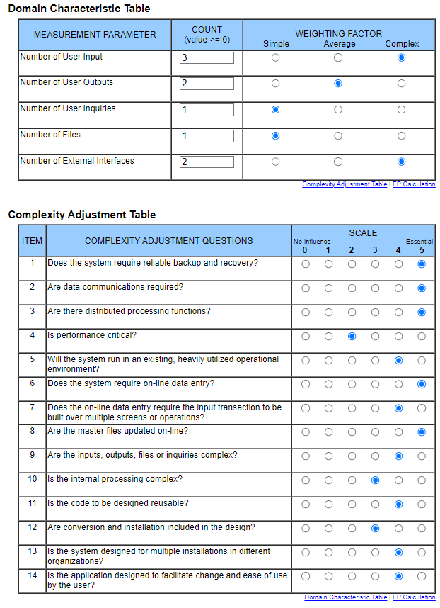
Signup

