Sheet1
AIM Data of different Molecules
log Filename | Atoms connection in QTAIM | The density of all electrons (ρ) | Laplacian of electron density (∇2ρ) | Lagrangian kinetic energy [G(r)] | Potential energy density [V(r)] | H(r) | [-G(r)/V(r)] | Distance between Atoms (A) | Phys. Chem. Chem. Phys., 2021, 23, 8478–8488
 |  |  |  |  |  | 0.0000 | #DIV/0!
 |  |  |  |  |  | 0.0000 | #DIV/0!
 |  |  |  |  |  | 0.0000 | #DIV/0!
 |  |  |  |  |  | 0.0000 | #DIV/0!
 |  |  |  |  |  | 0.0000 | #DIV/0!
 |  |  |  |  |  | 0.0000 | #DIV/0!
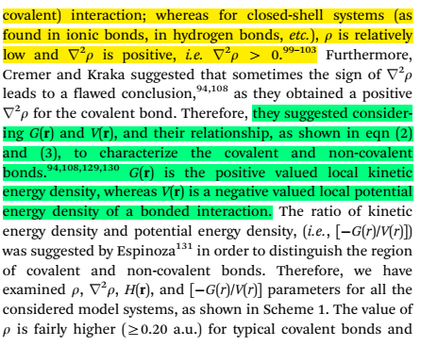
 |  |  |  |  |  | 0.0000 | #DIV/0!
 |  |  |  |  |  | 0.0000 | #DIV/0!
 |  |  |  |  |  | 0.0000 | #DIV/0!
 |  |  |  |  |  | 0.0000 | #DIV/0!
 |  |  |  |  |  | 0.0000 | #DIV/0!
 |  |  |  |  |  | 0.0000 | #DIV/0!
 |  |  |  |  |  | 0.0000 | #DIV/0!
 |  |  |  |  |  | 0.0000 | #DIV/0!
 |  |  |  |  |  | 0.0000 | #DIV/0!
 |  |  |  |  |  | 0.0000 | #DIV/0!
 |  |  |  |  |  | 0.0000 | #DIV/0!
 |  |  |  |  |  | 0.0000 | #DIV/0!
 |  |  |  |  |  | 0.0000 | #DIV/0!
 |  |  |  |  |  | 0.0000 | #DIV/0!
 |  |  |  |  |  | 0.0000 | #DIV/0!
 |  |  |  |  |  | 0.0000 | #DIV/0!
 |  |  |  |  |  | 0.0000 | #DIV/0!
 |  |  |  |  |  | 0.0000 | #DIV/0!
 |  |  |  |  |  | 0.0000 | #DIV/0!
 |  |  |  |  |  | 0.0000 | #DIV/0!
 |  |  |  |  |  | 0.0000 | #DIV/0!
 |  |  |  |  |  | 0.0000 | #DIV/0!
 |  |  |  |  |  | 0.0000 | #DIV/0!
 |  |  |  |  |  | 0.0000 | #DIV/0!
 |  |  |  |  |  | 0.0000 | #DIV/0!
 |  |  |  |  |  | 0.0000 | #DIV/0!
 |  |  |  |  |  | 0.0000 | #DIV/0!
 |  |  |  |  |  | 0.0000 | #DIV/0!
 |  |  |  |  |  | 0.0000 | #DIV/0!
 |  |  |  |  |  | 0.0000 | #DIV/0!
 |  |  |  |  |  | 0.0000 | #DIV/0!
 |  |  |  |  |  | 0.0000 | #DIV/0!
 |  |  |  |  |  | 0.0000 | #DIV/0!
 |  |  |  |  |  | 0.0000 | #DIV/0!
 |  |  |  |  |  | 0.0000 | #DIV/0!
 |  |  |  |  |  | 0.0000 | #DIV/0!
 |  |  |  |  |  | 0.0000 | #DIV/0!
 |  |  |  |  |  | 0.0000 | #DIV/0!
 |  |  |  |  |  | 0.0000 | #DIV/0!
 |  |  |  |  |  | 0.0000 | #DIV/0!
 |  |  |  |  |  | 0.0000 | #DIV/0!
 |  |  |  |  |  | 0.0000 | #DIV/0!
 |  |  |  |  |  | 0.0000 | #DIV/0!
 |  |  |  |  |  | 0.0000 | #DIV/0!
 |  |  |  |  |  | 0.0000 | #DIV/0!
 |  |  |  |  |  | 0.0000 | #DIV/0!
 |  |  |  |  |  | 0.0000 | #DIV/0!

