Scaled_NMR_Data
This sheet is for processing Boltzmann averaged NMR data from conformers and matching the atom numbers to experimental atom numbers. |  |  |  |  |  |  |  |  |  |  | Rearrange data here before copying |  |  | *
 |  |  |  |  |  | Comp-01 NMR Data (CHESHIRE Scaling*)
Experimental Data |  |  |  | Computed Molecule |  | Experimental Carbon No. | Atom Numbers | Atom Symbols | Boltzmann Averaged Shielding Tensors | Scaled Chemical Shifts* | Experimental Carbon No. | Atom Numbers | Atom Symbols
Carbon Type | Carbon No. | 13C-NMR | 1H-NMR | 13C-NMR | 1H-NMR | 1 | 13 | C | 159.9106 | 25.38 | 5 | 1 | C
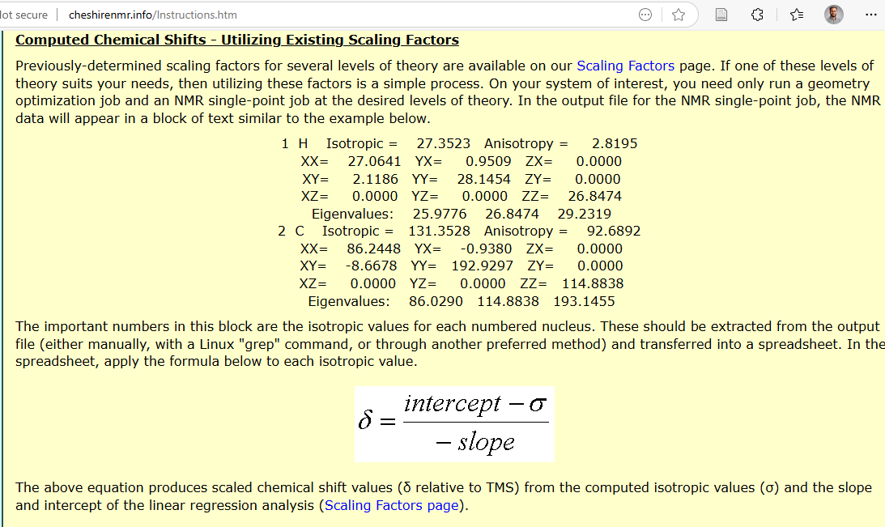
CH2 | 1 | 27.0 | 3.03 | 25.4 | 2.87 | 1 | 14 | H | 28.798 | 2.87 | 6 | 2 | C
 |  |  | 2.75 |  | 2.62 | 1 | 15 | H | 29.0672 | 2.62 | 7 | 3 | C
CH | 2 | 51.8 | 2.64 | 54.3 | 3.03 | 2 | 4 | C | 129.7861 | 54.29 | 2 | 4 | C
C | 3 | 146.7 | - | 148.4 | - | 2 | 10 | H | 28.6232 | 3.03 | 3 | 5 | C
CH2 | 4 | 35.0 | 2.81 | 37.3 | 2.77 | 3 | 5 | C | 31.7173 | 148.41 | 4 | 6 | C
 |  |  | 2.18 |  | 1.93 | 4 | 6 | C | 147.4728 | 37.32 | 6 | 7 | H
CH2 | 5 | 33.4 | 2.24 | 35.1 | 2.19 | 4 | 11 | H | 28.9079 | 2.77 | 5 | 8 | H
 |  |  | 2.12 |  | 2.05 | 4 | 12 | H | 29.8084 | 1.93 | 5 | 9 | H
CH | 6 | 61.6 | 4.41 | 75.6 | 4.59 | 5 | 1 | C | 149.8332 | 35.05 | 2 | 10 | H
C | 7 | 44.3 | - | 47.9 | - | 5 | 8 | H | 29.5254 | 2.19 | 4 | 11 | H
CH2 | 8 | 38.5 | 1.83 | 36.7 | 2.15 | 5 | 9 | H | 29.6763 | 2.05 | 4 | 12 | H
 |  |  | 1.20 |  | 1.16 | 6 | 2 | C | 107.5701 | 75.61 | 1 | 13 | C
CH2 | 9 | 19.6 | 1.63 | 18.9 | 1.84 | 6 | 7 | H | 26.9563 | 4.59 | 1 | 14 | H
 |  |  | 1.56 |  | 1.71 | 7 | 3 | C | 136.4467 | 47.90 | 1 | 15 | H
CH | 10 | 53.6 | 1.64 | 55.5 | 1.85 | 8 | 36 | C | 148.1181 | 36.70 | 3' | 16 | C
C | 11 | 145.3 | - | 149.5 | - | 8 | 37 | H | 29.5698 | 2.15 | 2' | 17 | C
CH2 | 12 | 37.0 | 2.34 | 39.4 | 2.39 | 8 | 38 | H | 30.6325 | 1.16 | 4' | 18 | C
 |  |  | 2.02 |  | 2.16 | 9 | 39 | C | 166.6224 | 18.94 | 1' | 19 | C
CH2 | 13 | 36.0 | 2.02 | 37.6 | 2.04 | 9 | 40 | H | 30.0371 | 1.71 | 2' | 20 | H
 |  |  | 2.24 |  | 2.19 | 9 | 41 | H | 29.8988 | 1.84 | 5' | 21 | C
CH | 14 | 67.0 | 4.09 | 80.4 | 4.27 | 10 | 46 | C | 128.4923 | 55.53 | 6' | 22 | C
C | 15 | 41.9 | - | 46.0 | - | 10 | 65 | H | 29.8886 | 1.85 | 5' | 23 | H
CH | 16 | 75.7 | 5.75 | 111.1 | 6.13 | 11 | 45 | C | 30.6155 | 149.46 | 6' | 24 | H
CH3 | 17 | 19.7 | 1.06 | 15.2 | 0.93 | 12 | 44 | C | 145.2916 | 39.41 |  | 25 | O
CH2 | 18 | 109.8 | 4.94 | 110.2 | 5.23 | 12 | 48 | H | 29.3115 | 2.39 | OH | 26 | H
 |  |  | 4.78 |  | 5.07 | 12 | 52 | H | 29.5598 | 2.16 |  | 27 | Br
CH3 | 19 | 28.7 | 1.13 | 28.0 | 1.44 | 13 | 43 | C | 147.1936 | 37.58 | 17 | 28 | C
CH3 | 20 | 17.5 | 0.89 | 14.3 | 1.00 | 13 | 49 | H | 29.6857 | 2.04 | 17 | 29 | H
C | 1' | 113.1 | - | 128.4 |  | 13 | 50 | H | 29.5271 | 2.19 | 17 | 30 | H
CH | 2' | 132.8 | 7.10 | 132.9 | 7.30 | 14 | 42 | C | 102.6205 | 80.36 | 17 | 31 | H
C | 3' | 129.5 | - | 128.9 | - | 14 | 51 | H | 27.2936 | 4.27 |  | 32 | Br
C | 4' | 152.3 | - | 152.0 | - | 15 | 47 | C | 138.3951 | 46.03 | 16 | 33 | C
CH | 5' | 117.0 | 6.59 | 115.2 | 6.57 | 16 | 33 | C | 70.6064 | 111.08 | 16 | 34 | H
CH | 6' | 130.0 | 7.14 | 129.6 | 7.05 | 16 | 34 | H | 25.3013 | 6.13 |  | 35 | I
 |  |  |  |  |  | 17 | 28 | C | 170.4675 | 15.25 | 8 | 36 | C
 |  |  |  |  |  | 17 | 29 | H | 30.8145 | 0.99 | 8 | 37 | H
 |  |  |  |  |  | 17 | 30 | H | 30.7721 | 1.03 | 8 | 38 | H
 |  |  |  |  |  | 17 | 31 | H | 31.0504 | 0.77 | 9 | 39 | C
 |  |  |  |  |  | 18 | 62 | C | 71.483 | 110.24 | 9 | 40 | H
 |  |  |  |  |  | 18 | 63 | H | 26.2705 | 5.23 | 9 | 41 | H
 |  |  |  |  |  | 18 | 64 | H | 26.4405 | 5.07 | 14 | 42 | C
 |  |  |  |  |  | 19 | 53 | C | 157.1295 | 28.05 | 13 | 43 | C
 |  |  |  |  |  | 19 | 54 | H | 30.2321 | 1.53 | 12 | 44 | C
 |  |  |  |  |  | 19 | 55 | H | 30.6729 | 1.12 | 11 | 45 | C
 |  |  |  |  |  | 19 | 56 | H | 30.0895 | 1.66 | 10 | 46 | C
 |  |  |  |  |  | 20 | 57 | C | 171.4467 | 14.31 | 15 | 47 | C
 |  |  |  |  |  | 20 | 58 | H | 30.6527 | 1.14 | 12 | 48 | H
 |  |  |  |  |  | 20 | 59 | H | 30.7728 | 1.03 | 13 | 49 | H
 |  |  |  |  |  | 20 | 60 | H | 30.9661 | 0.85 | 13 | 50 | H
 |  |  |  |  |  | 1' | 19 | C | 52.5857 | 128.38 | 14 | 51 | H
 |  |  |  |  |  | 2' | 17 | C | 47.9188 | 132.86 | 12 | 52 | H
 |  |  |  |  |  | 2' | 20 | H | 24.0466 | 7.30 | 19 | 53 | C
 |  |  |  |  |  | 3' | 16 | C | 52.0296 | 128.91 | 19 | 54 | H
 |  |  |  |  |  | 4' | 18 | C | 28.0191 | 151.96 | 19 | 55 | H
 |  |  |  |  |  | 5' | 21 | C | 66.2934 | 115.22 | 19 | 56 | H
 |  |  |  |  |  | 5' | 23 | H | 24.8272 | 6.57 | 20 | 57 | C
 |  |  |  |  |  | 6' | 22 | C | 51.3083 | 129.60 | 20 | 58 | H
 |  |  |  |  |  | 6' | 24 | H | 24.316 | 7.05 | 20 | 59 | H
 |  |  |  |  |  | OH | 26 | H | 27.1929 | 4.37 | 20 | 60 | H
 |  |  |  |  |  |  | 27 | Br | 2074.3017 |  |  | 61 | Br
 |  |  |  |  |  |  | 32 | Br | 2229.0059 |  | 18 | 62 | C
 |  |  |  |  |  |  | 61 | Br | 2213.0744 |  | 18 | 63 | H
 |  |  |  |  |  |  | 35 | I | 48.3729 |  | 18 | 64 | H
 |  |  |  |  |  |  | 25 | O | 211.2771 |  | 10 | 65 | H

