Scaled_NMR_Data
This sheet is for processing Boltzmann averaged NMR data from conformers and matching the atom numbers to experimental atom numbers. |  |  |  |  |  |  |  |  |  |  | *
 |  |  |  |  |  | Comp-01 NMR Data (CHESHIRE Scaling*)
Experimental Data |  |  |  | Computed Molecule |  | Experimental Carbon No. | Atom Numbers | Atom Symbols | Boltzmann Averaged Shielding Tensors | Scaled Chemical Shifts*
Carbon Type | Carbon No. | 13C-NMR | 1H-NMR | 13C-NMR | 1H-NMR
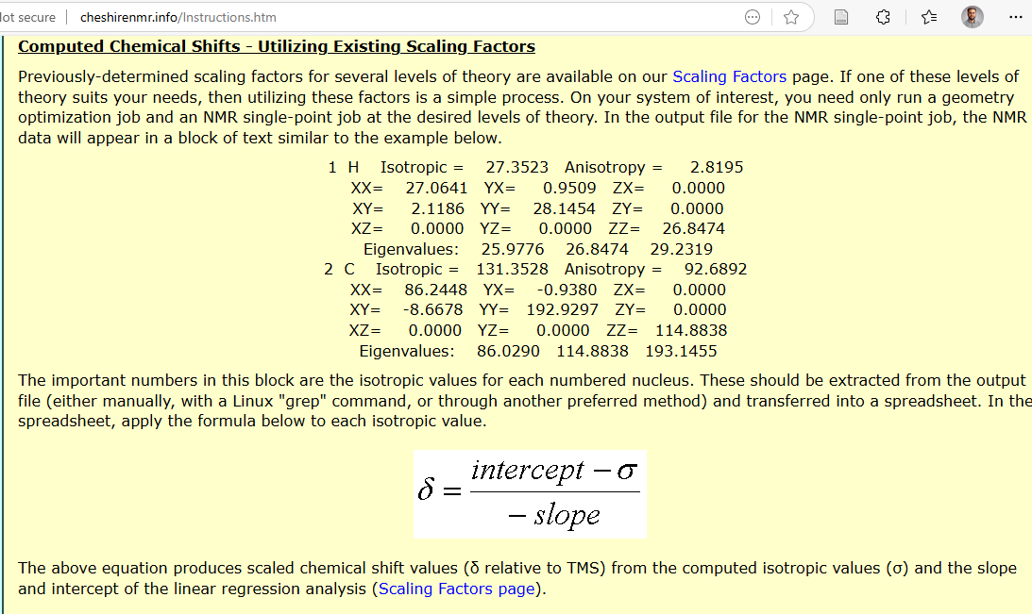
C | 1 | 174.6 | - | 172.6 | - | 4 | 1 | C | 131.142163 | 52.99
CH2 | 2 | 42.9 | 4.14 | 40.3 | 4.06 | 3 | 2 | C | 4.452603 | 174.57
 |  |  | 4.14 |  | 4.08 | 2 | 4 | C | 144.335897 | 40.33
C | 3 | 172.0 | - | 174.6 | - | 1 | 5 | C | 6.472104 | 172.63
CH | 4 | 49.6 | 3.67 | 53.0 | 3.46 | 5 | 12 | C | 165.035319 | 20.46
CH3 | 5 | 33.4 | 1.27 | 20.5 | 1.29 |  | 10 | H | 30.573366 | 1.21
 |  |  |  |  |  |  | 11 | H | 30.897566 | 0.91
 |  |  |  |  |  | 4 | 13 | H | 28.167561 | 3.46
 |  |  |  |  |  |  | 14 | H | 23.780801 | 7.55
 |  |  |  |  |  | 2 | 15 | H | 27.517622 | 4.06
 |  |  |  |  |  | 2 | 16 | H | 27.5042 | 4.08
 |  |  |  |  |  |  | 17 | H | 25.421746 | 6.02
 |  |  |  |  |  | 5 | 18 | H | 30.429002 | 1.35
 |  |  |  |  |  | 5 | 19 | H | 30.667758 | 1.12
 |  |  |  |  |  | 5 | 20 | H | 30.364842 | 1.41
 |  |  |  |  |  |  | 3 | N | 139.615695
 |  |  |  |  |  |  | 7 | N | 216.444743 | -28.88
 |  |  |  |  |  |  | 6 | O | -75.061495 | 250.88
 |  |  |  |  |  |  | 8 | O | -36.3861 | 63.68
 |  |  |  |  |  |  | 9 | O | 124.188881 | -86.12

