Shadows
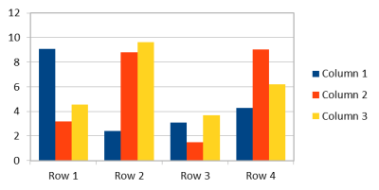
Outer shadows | Inner shadows | Perspective shadows

