Schema HW (HDD)
Tipul Componentei | Componente | Pret | Schema HW
Placa de dezvoltare | 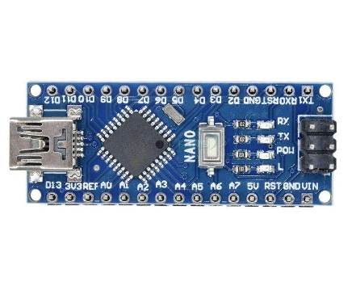 Arduino Nano R3 | $22.00 | 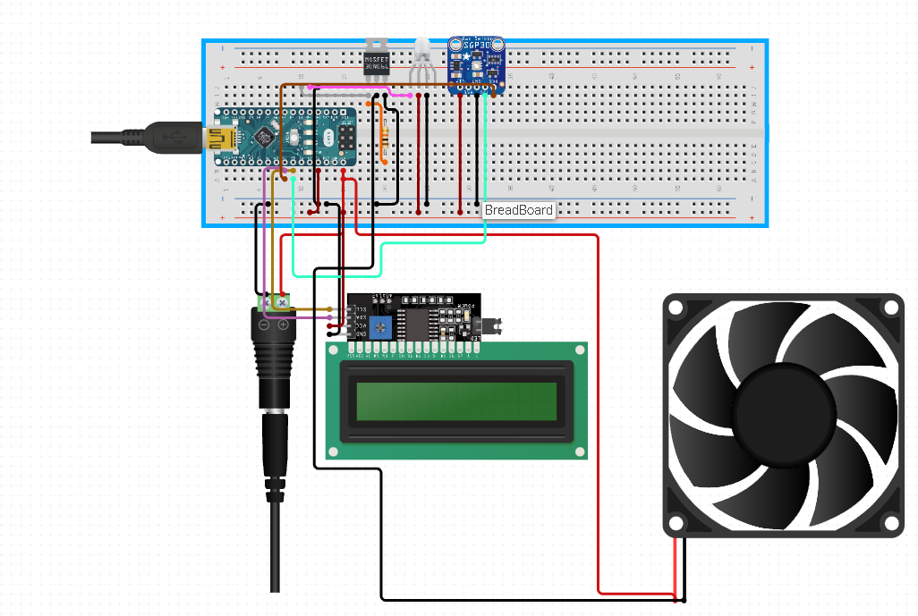

Senzor CO2 | CO2 sensor Adafruit SGP30 | $19.00

Led RGB | LED RGB cu Catod Comun | $0.50

Ventilator | 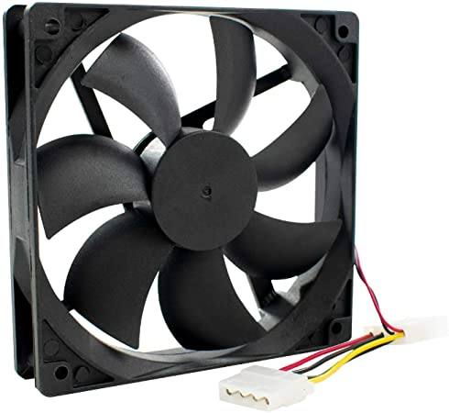 DIGIFLEX 120mm Fan | $4.00

LCD | 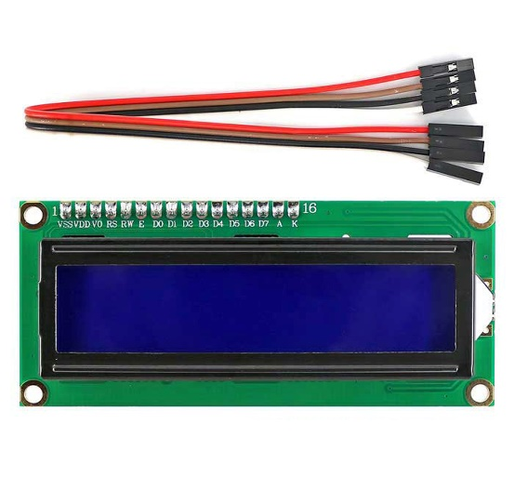 16X2 LCD Display with l2C | $4.00

Alimentare | 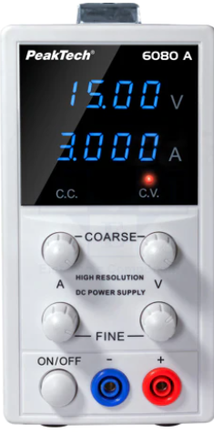 PEAKTECH sursa de alimentare cu un singur canal | $100.00

 | Total: | $149.50

Schema SW (SDD)
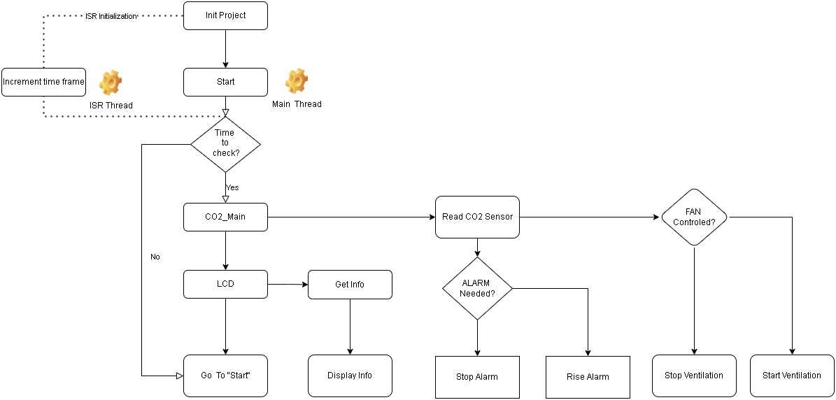
System. Req. | SW. Reg. |  | Project Configurations
1 | The System must contain a method that offer an exact time base for the system to work properly.
 | 1.1 | A timer isr shall be initialized with a frequency of <project>. | <1 Hz>
 | 1.2 | The configured timer ISR shall keep traking of the current time by incrementing a time frame variable.
 | 1.3 | All functionality that it not critical shall use the time frame variable.
 | 1.4 | Time Critical functionality shall be executed inside ISR thread with the highest priority
2 | The System must check all sensor values and act acordingly.
 | 2.1 | Sensor values shall be readed at every <project>. | <1 second>
 | 2.2 | The sensor integrity values are between range <project>. | <200 to 1000>
 | 2.3 | An number of <project> sensor erounus values shall generate an sensor integrity error. | <3 errors>
3 | The System must have the capability to indicate issues
 | 3.1 | When a sensor fault it's detected an ALARM it's rised <project> | <changeing the LED from green to red>
 | 3.2 | When CO2 excede <project> an WARNING it's rised <project> | <0.1%><changeing the LED from green to red>
 | 3.3 | When CO2 excede <project> an ALARM it's rised <project> | <0.3%><changeing the LED from green to red>
 | 3.4 | An issue indicator shall keep it's value untill a value outside risk it's received.
4 | The System shall have a method to clear the issues indicated.
 | 4.1 | When an WARNING signal it's confirmed the ventilation shall start automatically
 | 4.2 | When an ALARM signal it's generated the ventilation shall start automatically.
 | 4.3 | Ventilation shall stop when the issue indicator it's cleared.
5 | The System must offer a method to vizualize the current CO2 concentration.
 | 5.1 | The CO2 concentration value shall be displayed at every sensor data received.

