Readme
Ruud Egging-Bratseth (NTNU)
20 Nov, 2023 Testing Multi-Gas Energy Transition Model
 | Old | New
19 April 2024: GDXXRW utility does not (cannot) work on MacBook | ES211 | ES220
 | ES213 | ES230
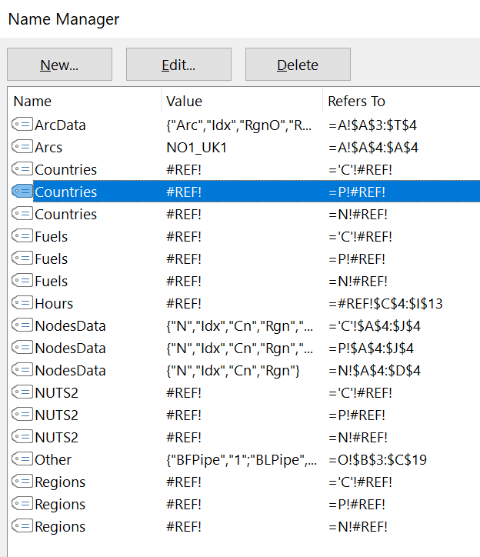
 | PT170 | PT186

 | Removed several penalty types as it may mess up the intentions

 | Penalty |  |  | 50,000.0
 | Penalty | ZA |  | 20,000.0
 | Penalty | ZD |  | 10,000.0
 | Penalty | ZD | C | 1.0
 | Penalty | ZMD |  | 9,000.0
 | Penalty | ZMS |  | 8,000.0
 | Penalty | ZPL |  | 50,000.0
 | Penalty | ZPL | H | 5,000.0
 | Penalty | ZPL | C | 600.0
 | Penalty | ZPU |  | 40,000.0
 | Penalty | ZPU | C | 30,000.0

