Metrics
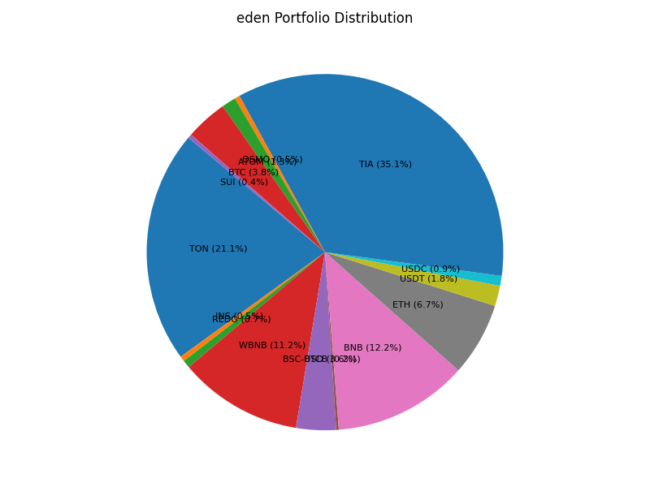
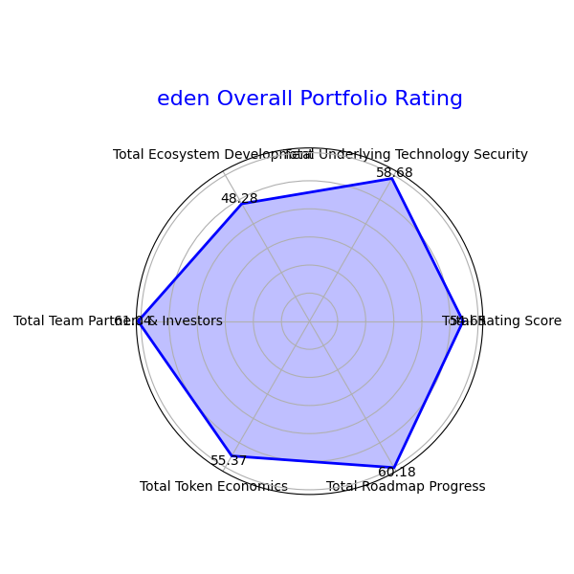
 | Total Rating Score | Total Underlying Technology Security | Total Ecosystem Development | Total Team Partners & Investors | Total Token Economics | Total Roadmap Progress | Total Portfolio USD Balance
Final Report | 54.651080998 | 58.68331782 | 48.278924185 | 61.04329682 | 55.374852099 | 60.17972047 | 415.65369441

